Aquatic-Export
CAS Number | Chemical Name | Chemical Analysis | Species Common Name | Species Group | Organism Lifestage | Exposure Type | Media Type | Conc 1 Mean (Standardized) | Conc 1 Units (Standardized) | Effect | Effect Measurement | Endpoint | Response Site | Observed Duration (Days) | Observed Duration Units (Days) | Author | Reference Number | Title | Source | Publication Year
50282 | (17beta)Estra-1,3,5(10)triene-3,17-diol | Measured | Sand Goby | Fish | Juvenile | Flow-through | Fresh water | 0.000127 | AI mg/L | Development | Color | EC50 |  | <=243.52 | Day(s) | Robinson,C.D., J.A. Craft, C.F. Moffat, I.M. Davies, E.S. Brown, and C. Megginson | 106042 | Oestrogenic Markers and Reduced Population Fertile Egg Production in a Sand Goby Partial Life-Cycle Test | Mar. Environ. Res.58(2-5): 147-150 | 2004
50282 | (17beta)Estra-1,3,5(10)triene-3,17-diol | Measured | Sand Goby | Fish | Juvenile | Flow-through | Fresh water | 0.000087 | AI mg/L | Morphology | Organ weight in relationship to body weight | EC50 | Seminal vesicle | <=243.52 | Day(s) | Robinson,C.D., J.A. Craft, C.F. Moffat, I.M. Davies, E.S. Brown, and C. Megginson | 106042 | Oestrogenic Markers and Reduced Population Fertile Egg Production in a Sand Goby Partial Life-Cycle Test | Mar. Environ. Res.58(2-5): 147-150 | 2004
50282 | (17beta)Estra-1,3,5(10)triene-3,17-diol | Unmeasured | Japanese Medaka | Fish; Standard Test Species | Blastula | Static | Fresh water | 0.171 | AI mg/L | Morphology | enlargement | EC50 | Urinary bladder | <=17 | Day(s) | Patyna,P.J. | 82666 | Reproductive Effects of Phthalate Esters in Japanese Medaka (Oryzias latipes) | Ph.D.Thesis, Rutgers, The State University of New Jersey, New Brunswick, NJ:137 p. | 1999
50282 | (17beta)Estra-1,3,5(10)triene-3,17-diol | Measured | Fathead Minnow | Fish; Standard Test Species | Sexually mature | Flow-through | Fresh water | 0.00012 | AI mg/L | Reproduction | Progeny counts/numbers | EC50 |  | 19 | Day(s) | Kramer,V.J., S. Miles-Richardson, S.L. Pierens, and J.P. Giesy | 17566 | Reproductive Impairment and Induction of Alkaline-Labile Phosphate, a Biomarker of Estrogen Exposure, in Fathead Minnows (Pimephales promelas) Exposed to Waterborne 17beta-estradiol | Aquat. Toxicol.40(4): 335-360 | 1998
50282 | (17beta)Estra-1,3,5(10)triene-3,17-diol | Unmeasured | Zebra Danio | Fish; Standard Test Species | Adult | Renewal | Fresh water | 0.000239700912 | AI mg/L | Morphology | Organ weight in relationship to body weight | EC50 | Ovaries | 21 | Day(s) | Van den Belt,K., P. Berckmans, C. Vangenechten, R. Verheyen, and H. Witters | 73286 | Comparative Study on the In Vitro/In Vivo Estrogenic Potencies of 17beta-Estradiol, Estrone, 17alpha-Ethynylestradiol and Nonylphenol | Aquat. Toxicol.66(2): 183-195 | 2004
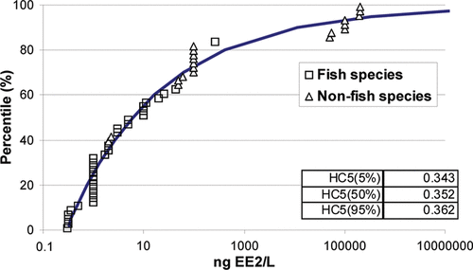

 |  |  |  |  |  |  |  | ^This is for ethinylestradiol

 |  |  |  |  |  |  | Mean | 0.034314740182 | mg/L
 |  |  |  |  |  |  | StDev.S | 0.07640940483

