Distribution_Dep Var
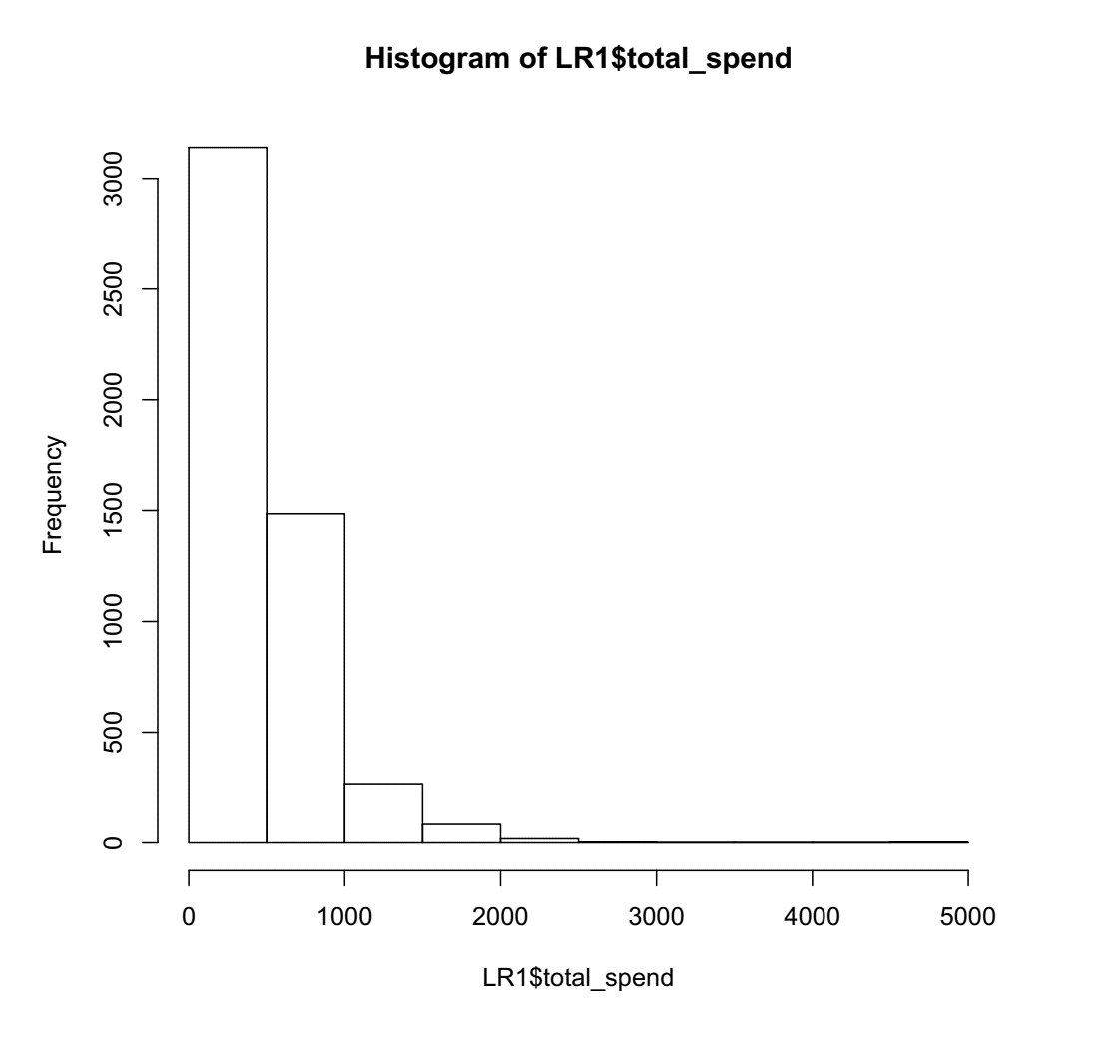
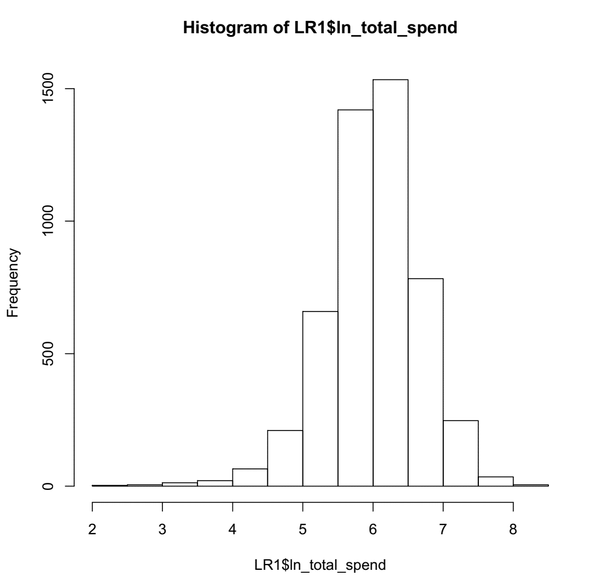

Decile Analysis
Decile analysis Results [TRAINING DATA SET]
Training Data Set
 | decile | count | avg_pre_spent | avg_actual_spend
1 | 10 | 321 | 826.9369 | 927.2833
2 | 9 | 320 | 632.2094 | 703.26
3 | 8 | 320 | 545.9002 | 573.715
4 | 7 | 320 | 485.6626 | 505.8481
5 | 6 | 320 | 434.7103 | 468.5462
6 | 5 | 320 | 394.5931 | 445.5092
7 | 4 | 320 | 360.5024 | 386.2459
8 | 3 | 320 | 332.4513 | 366.3288
9 | 2 | 320 | 300.5487 | 337.9522
10 | 1 | 321 | 251.4963 | 281.6053

Decile Analysis Results [TESTING DATA SET]
Testing Dataset
 | decile | count | avg_pre_spent | avg_Actual_spend
1 | 10 | 150 | 783.214 | 894.1882
2 | 9 | 150 | 605.0196 | 676.2539
3 | 8 | 150 | 525.1495 | 542.7641
4 | 7 | 150 | 466.0727 | 494.0749
5 | 6 | 150 | 419.5941 | 456.3228
6 | 5 | 150 | 383.2901 | 395.3021
7 | 4 | 150 | 355.3709 | 387.0583
8 | 3 | 150 | 325.5955 | 326.3447
9 | 2 | 150 | 295.7537 | 336.7411
10 | 1 | 150 | 250.5567 | 267.6177

