Distribution_Dep Var_Raw data
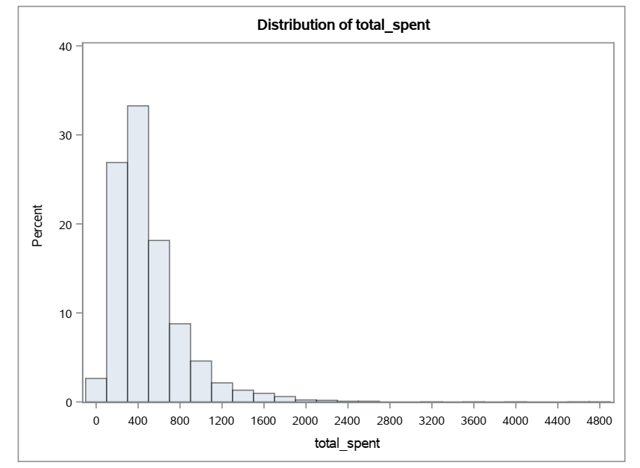
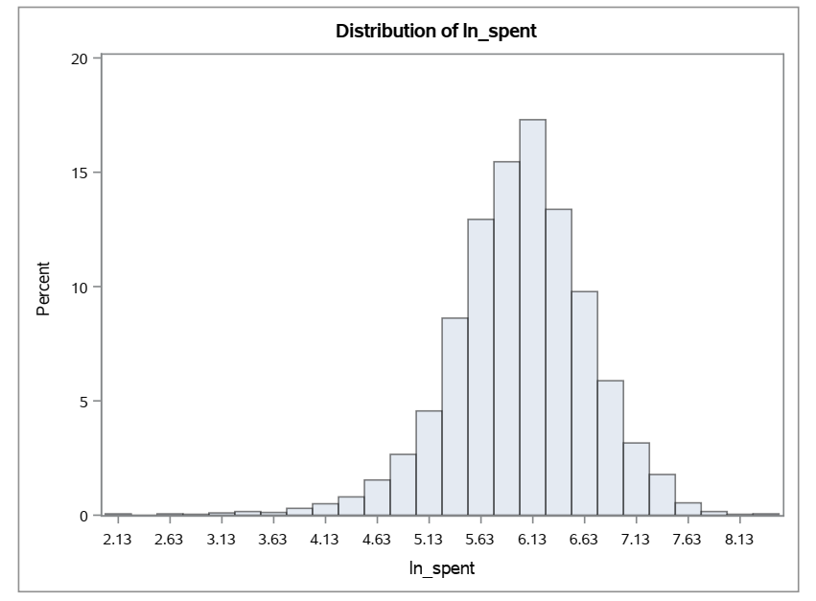
The UNIVARIATE Procedure |  |  |  |  | The UNIVARIATE Procedure
Variable: total_spent |  |  |  |  | Variable: ln_spent

Moments |  |  |  |  | Moments
N | 5000 | Sum Weights | 5000 |  | N | 5000 | Sum Weights | 5000
Mean | 498.07863 | Sum Observations | 2490393.15 |  | Mean | 6.00124404 | Sum Observations | 30006.2202
Std Deviation | 351.52927 | Variance | 123572.828 |  | Std Deviation | 0.6714733 | Variance | 0.45087639
Skewness | 2.70754699 | Kurtosis | 15.9450786 |  | Skewness | -0.5398368 | Kurtosis | 1.90923753
Uncorrected SS | 1858152174 | Corrected SS | 617740566 |  | Uncorrected SS | 182328.581 | Corrected SS | 2253.93106
Coeff Variation | 70.5770633 | Std Error Mean | 4.97137461 |  | Coeff Variation | 11.1889017 | Std Error Mean | 0.00949607

Basic Statistical Measures |  |  |  |  | Basic Statistical Measures
Location |  | Variability |  |  | Location |  | Variability
Mean | 498.0786 | Std Deviation | 351.52927 |  | Mean | 6.001244 | Std Deviation | 0.67147
Median | 414.25 | Variance | 123573 |  | Median | 6.02647 | Variance | 0.45088
Mode | 190.99 | Range | 4873 |  | Mode | 5.252221 | Range | 6.40002
 |  | Interquartile Range | 339.47 |  |  |  | Interquartile Range | 0.8015

Note: The mode displayed is the smallest of 3 modes with a count of 3. |  |  |  |  | Note: The mode displayed is the smallest of 5 modes with a count of 3.

Tests for Location: Mu0=0 |  |  |  |  | Tests for Location: Mu0=0
Test | Statistic |  | p Value |  | Test | Statistic |  | p Value
Student's t | t | 100.1893 | Pr > |t| | <.0001 | Student's t | t | 631.9716 | Pr > |t| | <.0001
Sign | M | 2500 | Pr >= |M| | <.0001 | Sign | M | 2500 | Pr >= |M| | <.0001
Signed Rank | S | 6251250 | Pr >= |S| | <.0001 | Signed Rank | S | 6251250 | Pr >= |S| | <.0001

Quantiles (Definition 5) |  |  |  |  | Quantiles (Definition 5)
Level | Quantile |  |  |  | Level | Quantile
100% Max | 4881.05 |  |  |  | 100% Max | 8.49312
99% | 1764.63 |  |  |  | 99% | 7.47569
95% | 1145.475 |  |  |  | 95% | 7.04357
90% | 909.305 |  |  |  | 90% | 6.81268
75% Q3 | 615.715 |  |  |  | 75% Q3 | 6.42278
50% Median | 414.25 |  |  |  | 50% Median | 6.02647
25% Q1 | 276.245 |  |  |  | 25% Q1 | 5.62129
10% | 183.965 |  |  |  | 10% | 5.21475
5% | 133.07 |  |  |  | 5% | 4.89088
1% | 58.08 |  |  |  | 1% | 4.06182
0% Min | 8.11 |  |  |  | 0% Min | 2.0931

Extreme Observations |  |  |  |  | Extreme Observations
Lowest |  | Highest |  |  | Lowest |  | Highest
Value | Obs | Value | Obs |  | Value | Obs | Value | Obs
8.11 | 20 | 3215.26 | 2193 |  | 2.0931 | 20 | 8.07566 | 2193
8.38 | 1717 | 3595.76 | 1103 |  | 2.12585 | 1717 | 8.18751 | 1103
8.65 | 160 | 4019.51 | 1524 |  | 2.15756 | 160 | 8.29892 | 1524
14.5 | 4131 | 4572.5 | 2599 |  | 2.67415 | 4131 | 8.42782 | 2599
14.51 | 813 | 4881.05 | 3387 |  | 2.67484 | 813 | 8.49312 | 3387

Decile Analysis
Training/Development Data Set |  |  |  |  | Testing/Validation Dataset

Rank for Variable Pred_spent | Avg_Pred_spent | Avg_actual_spent | Tot_Pred_spent | Tot_actual_spent | Rank for Variable pred_spent | Avg_Pred_spent | Avg_actual_spent | Tot_Pred_spent | Tot_actual_spent
0 | 803.9385 | 834.8437 | 267711.5 | 278002.9 | 0 | 806.499 | 816.2959 | 120974.8 | 122444.4
1 | 622.6627 | 678.3663 | 208592 | 227252.7 | 1 | 606.4163 | 636.1751 | 90962.45 | 95426.26
2 | 532.7093 | 581.4314 | 177392.2 | 193616.7 | 2 | 526.5665 | 545.5361 | 78984.98 | 81830.42
3 | 473.6149 | 527.0686 | 158187.4 | 176040.9 | 3 | 469.2244 | 476.2858 | 70852.89 | 71919.15
4 | 418.7437 | 467.0243 | 139022.9 | 155052.1 | 4 | 421.6412 | 464.6414 | 63246.18 | 69696.21
5 | 378.7303 | 414.3967 | 127253.4 | 139237.3 | 5 | 382.2867 | 471.6459 | 57725.3 | 71218.53
6 | 344.1375 | 379.4178 | 113909.5 | 125587.3 | 6 | 344.2755 | 367.5594 | 51641.32 | 55133.91
7 | 313.6191 | 344.8984 | 106316.9 | 116920.6 | 7 | 315.1814 | 332.0824 | 47907.57 | 50476.53
8 | 281.9024 | 317.8807 | 92182.09 | 103947 | 8 | 285.2552 | 340.926 | 42503.03 | 50797.98
9 | 242.7967 | 266.0001 | 81336.9 | 89110.03 | 9 | 244.0172 | 286.2895 | 36114.54 | 42370.84

Decile Analysis Results [Training/Development Data Set]
 | Avg_Pred_spent | Avg_actual_spent
1 | 803.9385 | 834.8437
2 | 622.6627 | 678.3663
3 | 532.7093 | 581.4314
4 | 473.6149 | 527.0686
5 | 418.7437 | 467.0243
6 | 378.7303 | 414.3967
7 | 344.1375 | 379.4178
8 | 313.6191 | 344.8984
9 | 281.9024 | 317.8807
10 | 242.7967 | 266.0001

Decile Analysis Results [Testing/Validation Dataset]
 | Avg_Pred_spent | Avg_actual_spent
1 | 806.499 | 816.2959
2 | 606.4163 | 636.1751
3 | 526.5665 | 545.5361
4 | 469.2244 | 476.2858
5 | 421.6412 | 464.6414
6 | 382.2867 | 471.6459
7 | 344.2755 | 367.5594
8 | 315.1814 | 332.0824
9 | 285.2552 | 340.926
10 | 244.0172 | 286.2895

