Eigen Values
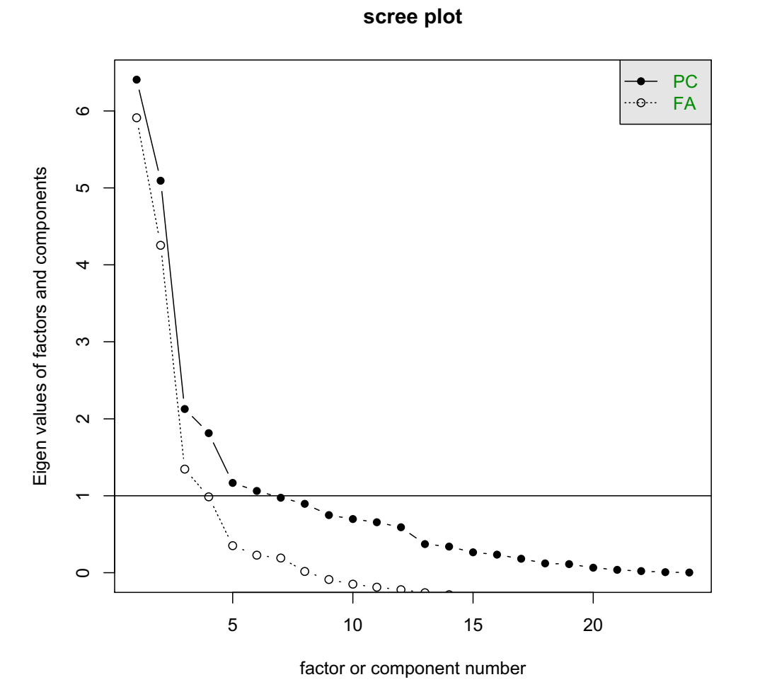
No.of Factors | eigen.corrm..values | cum_sum_eigen | pct_var | cum_pct_var
1 | 6.4062407115 | 6.4062407115 | 0.26692669631 | 0.26692669631
2 | 5.0922575924 | 11.498498304 | 0.21217739968 | 0.47910409599
3 | 2.1277768053 | 13.626275109 | 0.088657366885 | 0.56776146288
4 | 1.8143418032 | 15.440616912 | 0.075597575131 | 0.64335903801
5 | 1.1675599788 | 16.608176891 | 0.048648332448 | 0.69200737046
6 | 1.0637803247 | 17.671957216 | 0.044324180197 | 0.73633155065
7 | 0.97515720761 | 18.647114423 | 0.040631550317 | 0.77696310097
8 | 0.89631118254 | 19.543425606 | 0.037346299272 | 0.81430940024
9 | 0.74880828546 | 20.292233891 | 0.031200345227 | 0.84550974547
10 | 0.69782820904 | 20.9900621 | 0.029076175376 | 0.87458592085
11 | 0.65598127389 | 21.646043374 | 0.027332553079 | 0.90191847393
12 | 0.59046544153 | 22.236508816 | 0.024602726731 | 0.92652120066
13 | 0.37258574756 | 22.609094563 | 0.015524406148 | 0.94204560681
14 | 0.33893455843 | 22.948029122 | 0.014122273268 | 0.95616788007
15 | 0.26566487715 | 23.213693999 | 0.011069369881 | 0.96723724996
16 | 0.23442922546 | 23.448123224 | 0.0097678843943 | 0.97700513435
17 | 0.18217582229 | 23.630299047 | 0.0075906592623 | 0.98459579361
18 | 0.12238018683 | 23.752679234 | 0.0050991744511 | 0.98969496806
19 | 0.11143686434 | 23.864116098 | 0.0046432026806 | 0.99433817074
20 | 0.06663207937 | 23.930748177 | 0.0027763366404 | 0.99711450738
21 | 0.03672217043 | 23.967470348 | 0.0015300904346 | 0.99864459782
22 | 0.021958564363 | 23.989428912 | 0.00091494018178 | 0.999559538
23 | 0.0072523641589 | 23.996681276 | 0.00030218183995 | 0.99986171984
24 | 0.0033187238289 | 24 | 0.00013828015954 | 1

Cluster Profiling
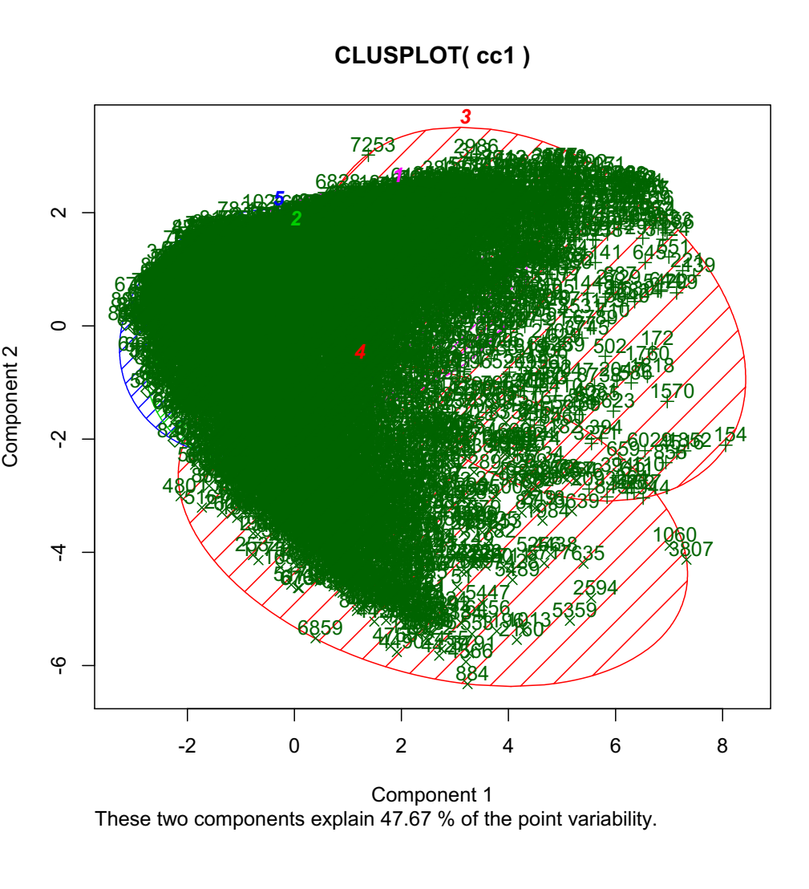
25% above Overall |  | 3 CLUSTER K-MEANS |  |  | 4 CLUSTER K-MEANS |  |  |  | 5 CLUSTER K-MEANS |  |  |  |  | 6 CLUSTER K-MEANS
25% below Overall
Overall |  | 1 | 2 | 3 | 1 | 2 | 3 | 4 | 1 | 2 | 3 | 4 | 5 | 1 | 2 | 3 | 4 | 5 | 6
Segment Size | 8950 | 1540 | 1615 | 5795 | 2283 | 4065 | 1429 | 1173 | 2189 | 3071 | 1104 | 1268 | 1318 | 4179 | 1298 | 1188 | 350 | 1265 | 670
 | 100% | 17 | 18 | 65 | 26 | 45 | 16 | 13 | 24 | 34 | 12 | 14 | 15 | 47 | 15 | 13 | 4 | 14 | 7
ONEOFF_PURCHASES | 493.1331 | 240.41 | 1814.64 | 192.01 | 164.80 | 242.20 | 254.74 | 2292.26 | 170.70 | 283.00 | 2353.33 | 261.40 | 183.20 | 212.57 | 2045.53 | 192.60 | 502.94 | 246.79 | 228.53
ONEOFF_PURCHASES_FREQUENCY | 0.1891 | 0.11 | 0.56 | 0.11 | 0.09 | 0.13 | 0.12 | 0.66 | 0.09 | 0.17 | 0.66 | 0.12 | 0.07 | 0.13 | 0.62 | 0.07 | 0.13 | 0.11 | 0.12
PAYMENTS | 1536.547 | 2782.46 | 3109.33 | 767.13 | 1034.00 | 789.90 | 2880.41 | 3464.93 | 1025.00 | 846.70 | 3589.01 | 3015.50 | 850.90 | 833.95 | 3214.97 | 929.40 | 2564.00 | 2938.65 | 559.78
CREDIT_LIMIT | 4343.632 | 6481.61 | 6875.14 | 3069.97 | 3391.00 | 3204.00 | 6632.98 | 7357.70 | 3378.00 | 3242.00 | 7415.60 | 6913.29 | 3469.00 | 3227.67 | 7118.97 | 3633.00 | 4957.76 | 6683.07 | 2450.12
CASH_ADVANCE_TRX | 2.8154 | 10.20 | 1.15 | 1.32 | 0.73 | 1.73 | 10.52 | 1.25 | 0.73 | 2.38 | 1.29 | 10.90 | 0.78 | 1.50 | 1.12 | 0.63 | 3.24 | 10.72 | 3.04
CASH_ADVANCE | 841.0407 | 3360.21 | 342.06 | 310.64 | 179.90 | 423.30 | 3468.11 | 375.21 | 182.60 | 537.50 | 384.76 | 3667.35 | 304.90 | 319.35 | 323.45 | 254.80 | 953.64 | 3533.90 | 994.15
PURCHASES_INSTALLMENTS_FREQUENCY | 0.3644 | 0.16 | 0.68 | 0.33 | 0.83 | 0.10 | 0.16 | 0.63 | 0.84 | 0.07 | 0.66 | 0.18 | 0.20 | 0.37 | 0.67 | 0.21 | 0.59 | 0.15 | 0.30
MINIMUM_PAYMENTS | 726.9015 | 1467.17 | 859.41 | 493.25 | 649.40 | 479.90 | 1499.28 | 792.72 | 644.60 | 611.20 | 818.67 | 1554.66 | 259.90 | 477.84 | 604.97 | 255.40 | 4413.88 | 1295.32 | 353.34
BALANCE_FREQUENCY | 0.8773 | 0.94 | 0.97 | 0.83 | 0.94 | 0.79 | 0.95 | 0.97 | 0.96 | 0.97 | 0.97 | 0.95 | 0.38 | 0.97 | 0.98 | 0.37 | 0.99 | 0.95 | 0.80
INSTALLMENTS_PURCHASES | 354.9418 | 158.69 | 1022.38 | 221.09 | 712.60 | 57.96 | 159.55 | 926.12 | 724.10 | 45.06 | 970.95 | 175.76 | 120.30 | 265.78 | 986.11 | 151.40 | 902.50 | 136.12 | 176.39
TENURE | 11.5173 | 11.4156 | 11.8941 | 11.4393 | 11.55 | 11.43 | 11.4185 | 11.8909 | 11.51 | 11.59 | 11.8904 | 11.3778 | 11.17 | 11.8985 | 11.9245 | 11.8 | 11.8971 | 11.698 | 7.3075

