Man Year vs Fuel Cost
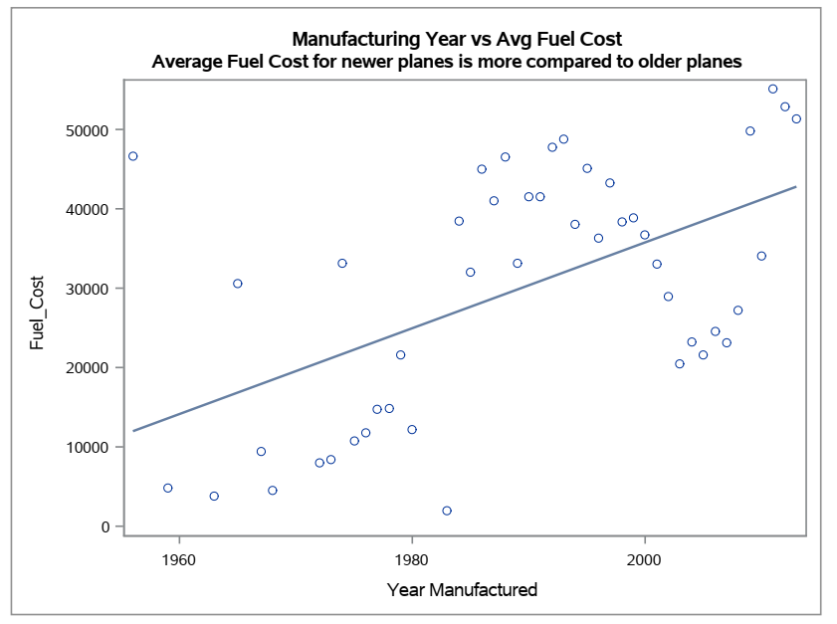
The CORR Procedure

2 Variables: | Manufacturing_Year Fuel_Cost

Simple Statistics
Variable | N | Mean | Std Dev | Sum | Minimum | Maximum | Label
Manufacturing_Year | 46 | 1989 | 15.44684 | 91500 | 1956 | 2013 | Year Manufactured
Fuel_Cost | 46 | 29890 | 15374 | 1374920 | 1943 | 55116

Pearson Correlation Coefficients, N = 46
Prob > |r| under H0: Rho=0
 | Manufacturing_Year | Fuel_Cost
Manufacturing_Year | 1 | 0.54318
Year Manufactured |  | <.0001
Fuel_Cost | 0.54318 | 1
 | <.0001

Fuel Cons vs Other Plane Var
 | Fuel Consumption Cost | The CORR Procedure
 | Average Fuel Cost
No of Engines | 2522.69 | 3 Variables: | Fuel_CC Engines Seats
1
2 | 35211.93 | Simple Statistics
3 | 112238.04 | Variable | N | Mean | Std Dev | Sum | Minimum | Maximum | Label
4 | 104771.97 | Fuel_CC | 3252 | 35156 | 28653 | 114327874 | 799.30641 | 234477 | Avg Annual Fuel Consumption Cost
No of Seats | 5939.27 | Engines | 3322 | 1.99518 | 0.11759 | 6628 | 1 | 4 | Number of Engines
2 |  | Seats | 3322 | 154.31638 | 73.65497 | 512639 | 2 | 450 | Number of Seats
4 | 2654.09
5 | 2266.08 | Pearson Correlation Coefficients
6 | 4784.19 | Prob > |r| under H0: Rho=0
7 | 2432.29 | Number of Observations
8 | 6865.42 |  | Fuel_CC | Engines | Seats
9 | 9372.57 | Fuel_CC | 1 | 0.13327 | 0.94529
10 | 7943.42 | Avg Annual Fuel Consumption Cost |  | <.0001 | <.0001
11 | 5645.33 |  | 3252 | 3252 | 3252
12 | 17551.79 | Engines | 0.13327 | 1 | 0.17366
14 | 7230.63 | Number of Engines | <.0001 |  | <.0001
16 | 4971.04 |  | 3252 | 3322 | 3322
20 | 5979.48 | Seats | 0.94529 | 0.17366 | 1
22 | 7226.33 | Number of Seats | <.0001 | <.0001
55 | 8714.89 |  | 3252 | 3322 | 3322
80 | 12018.91
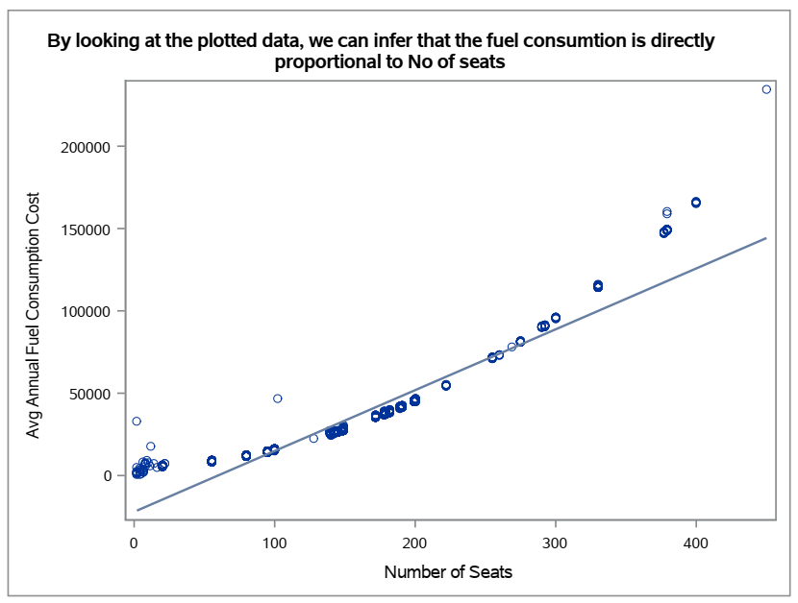
95 | 14576.69
100 | 15753.94
102 | 46654.6
128 | 22546.05
139 | 26608.06
140 | 25232.7
142 | 26410.81
145 | 26739.65
147 | 27088.17
149 | 28048.14
172 | 35870.29
178 | 37806.91
179 | 37890.23
182 | 38970.75
189 | 41483.06
191 | 42024.89
199 | 45204.83
200 | 45755.27
222 | 54744.24
255 | 71501.43
260 | 73113.11
269 | 78256.57
275 | 81284.36
290 | 90236.65
292 | 91051.01
300 | 95779.76
330 | 114961.72
375 | .
377 | 147533.17
379 | 149525.9
400 | 165778.49
450 | 234477.25
Engine Type | 2250.65
4 Cycle
Reciprocating | 5629.32
Turbo-fan | 34013.6
Turbo-jet | 42647.45
Turbo-prop | 8658
Turbo-shaft | 4571.6
Plane Type | 35375.11
Fixed wing multi engine
Fixed wing single engine | 2552.88
Rotorcraft | 4571.6

Avg delay vs Day time
