Sheet1
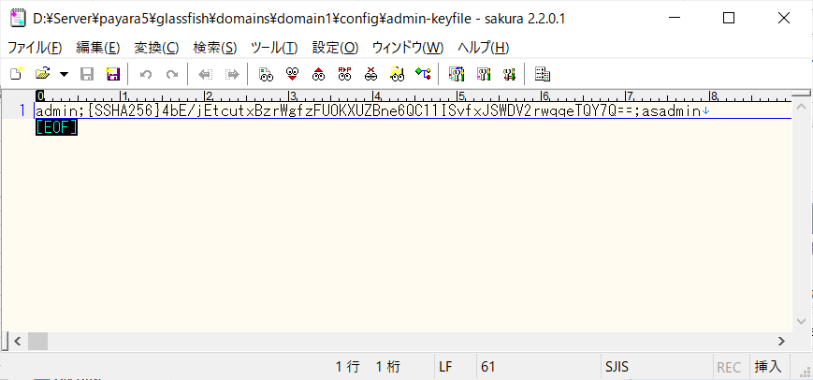
DB Ping 失敗の時、jar配置＆サーバ再起動

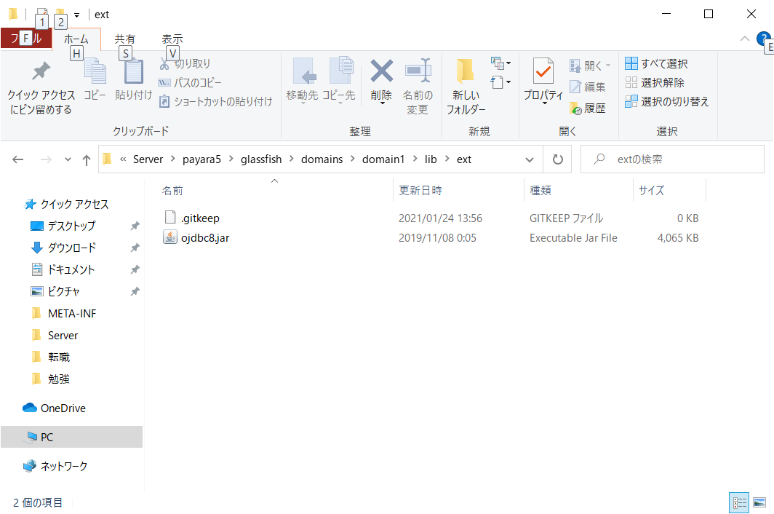

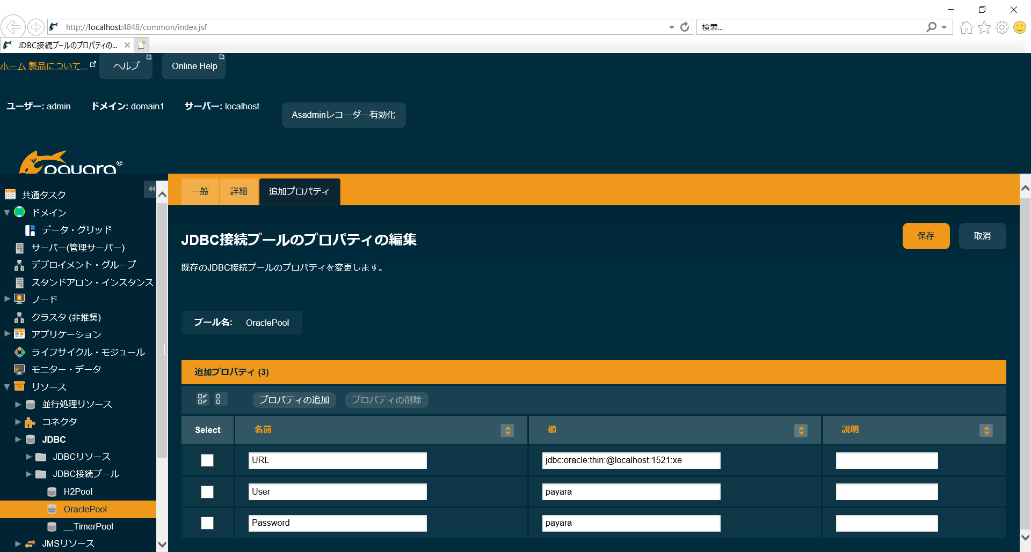

admin
D:\Server\payara5\glassfish\domains\domain1\config
admin-keyfile

