Sheet1
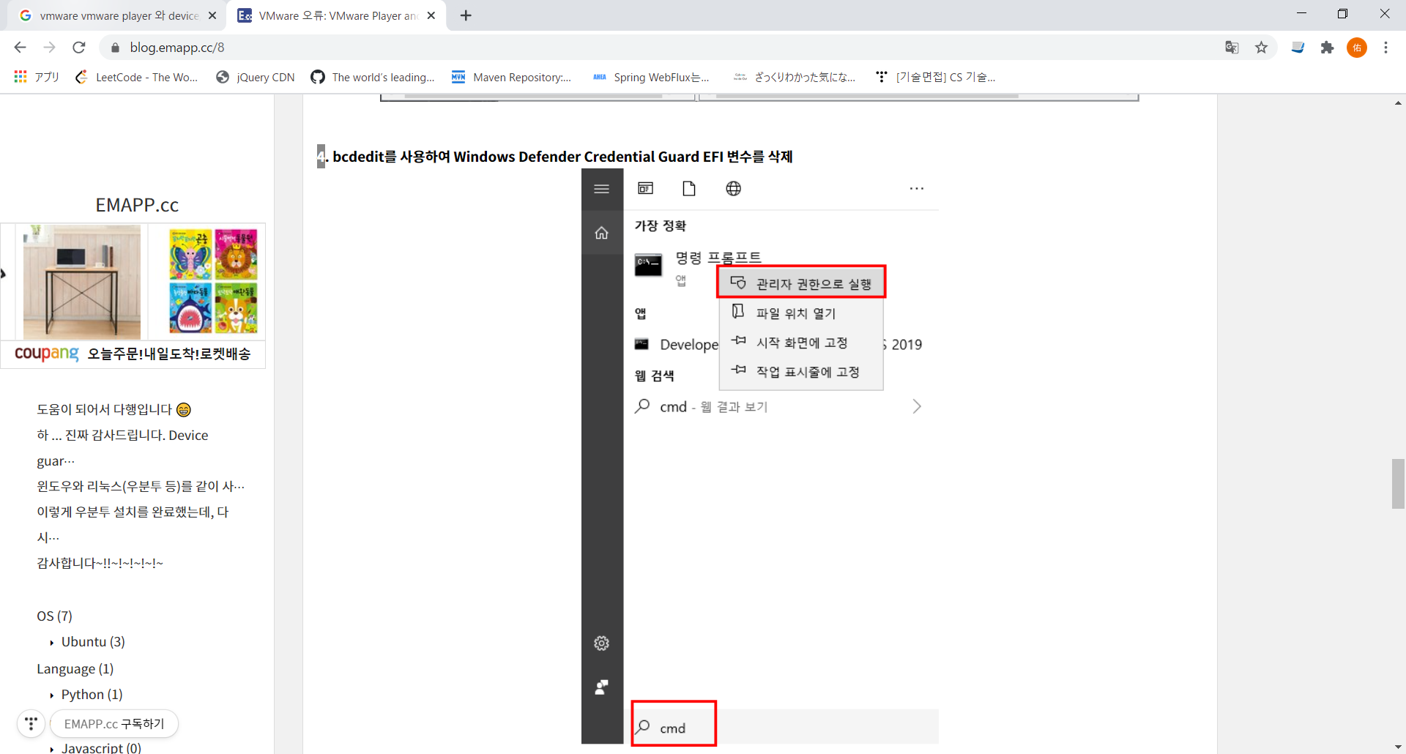
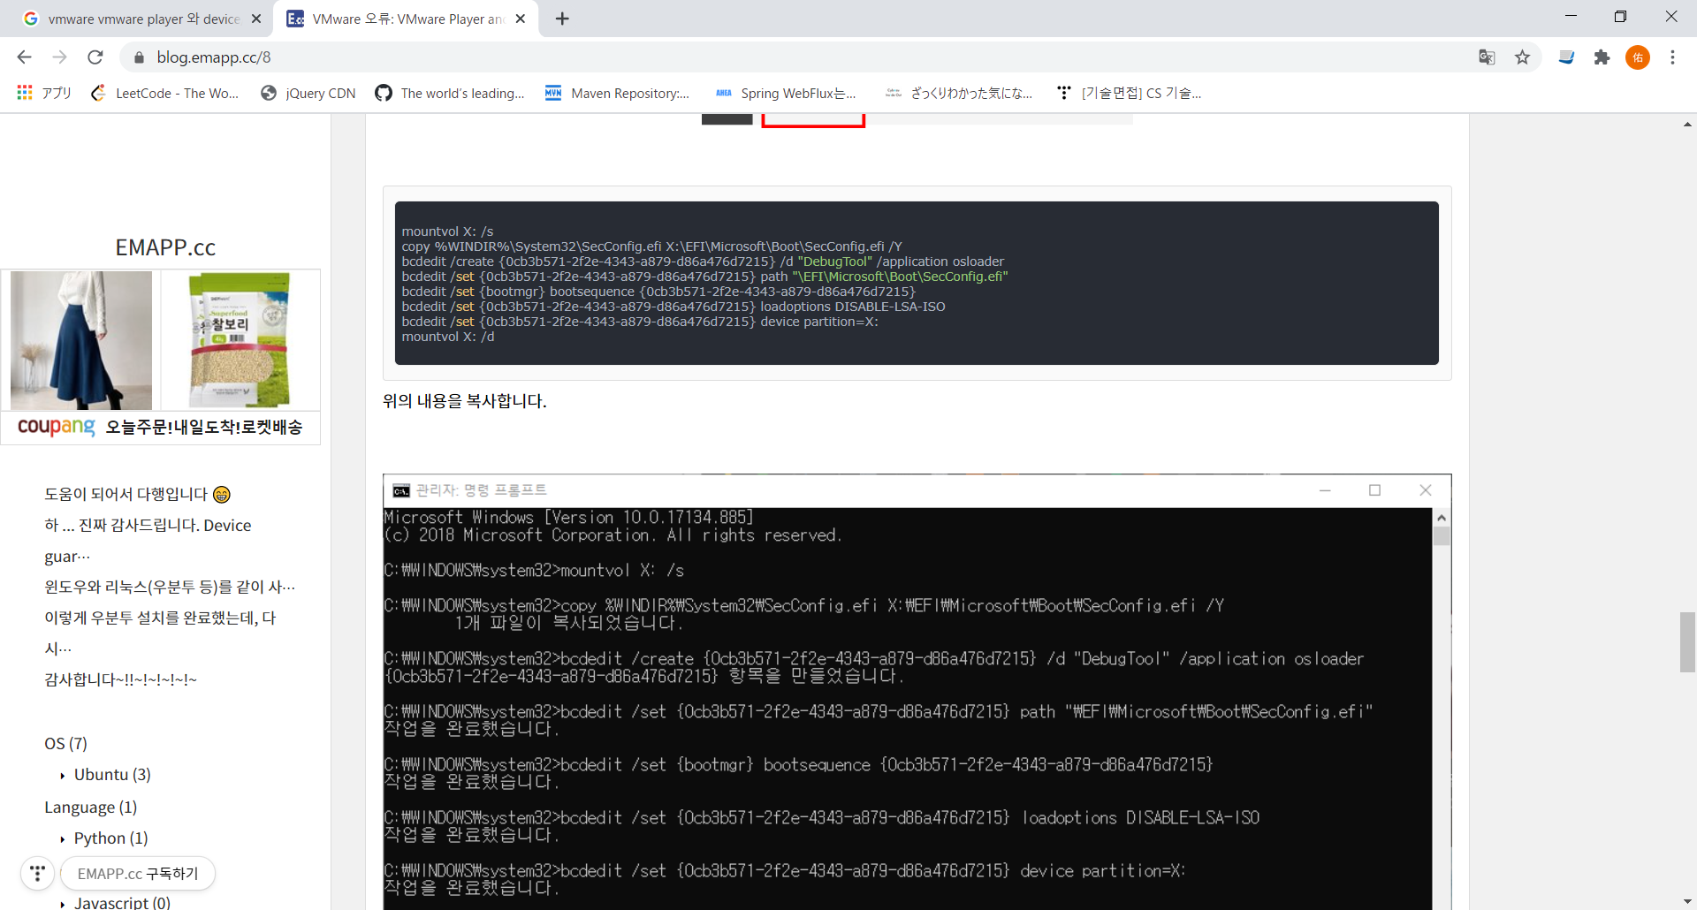
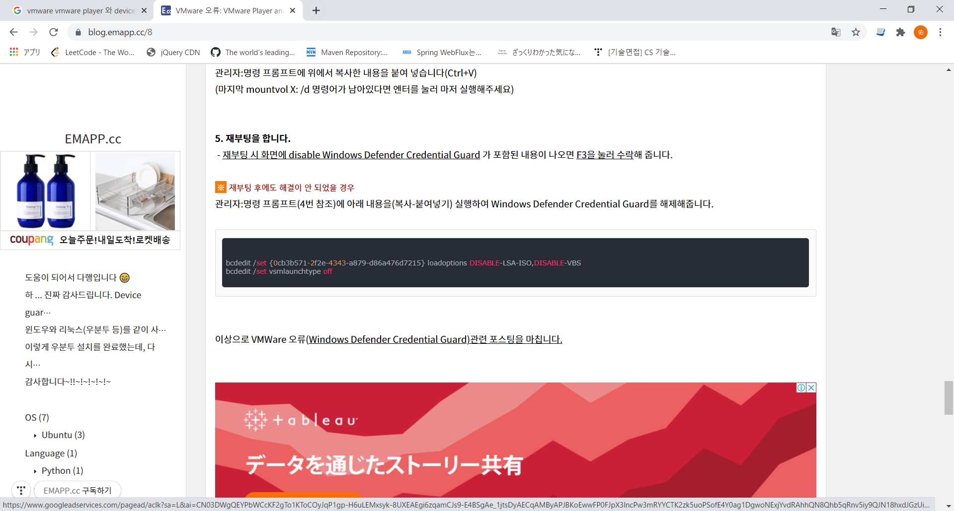
기동시 호환에러났을때

mountvol X: /s
copy %WINDIR%\System32\SecConfig.efi X:\EFI\Microsoft\Boot\SecConfig.efi /Y
bcdedit /create {0cb3b571-2f2e-4343-a879-d86a476d7215} /d "DebugTool" /application osloader
bcdedit /set {0cb3b571-2f2e-4343-a879-d86a476d7215} path "\EFI\Microsoft\Boot\SecConfig.efi"
bcdedit /set {bootmgr} bootsequence {0cb3b571-2f2e-4343-a879-d86a476d7215}
bcdedit /set {0cb3b571-2f2e-4343-a879-d86a476d7215} loadoptions DISABLE-LSA-ISO
bcdedit /set {0cb3b571-2f2e-4343-a879-d86a476d7215} device partition=X:
mountvol X: /d

https://blog.emapp.cc/8

