2021 Median Error (Bias)
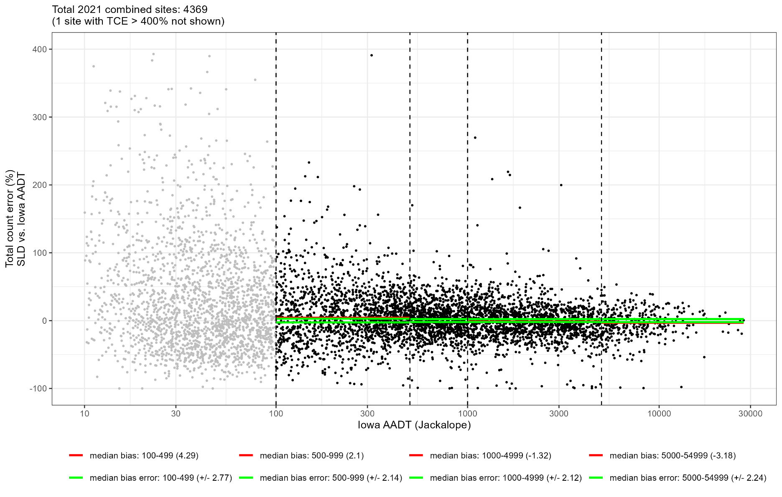

FAILS acceptance for 100-499 and 5000-54999 as median TCEs of 4.29% and -3.18% are biased high and low, respectively, outside acceptable limits of ±2.77% and ±2.24%

2021 Median Error (Bias)-Rural
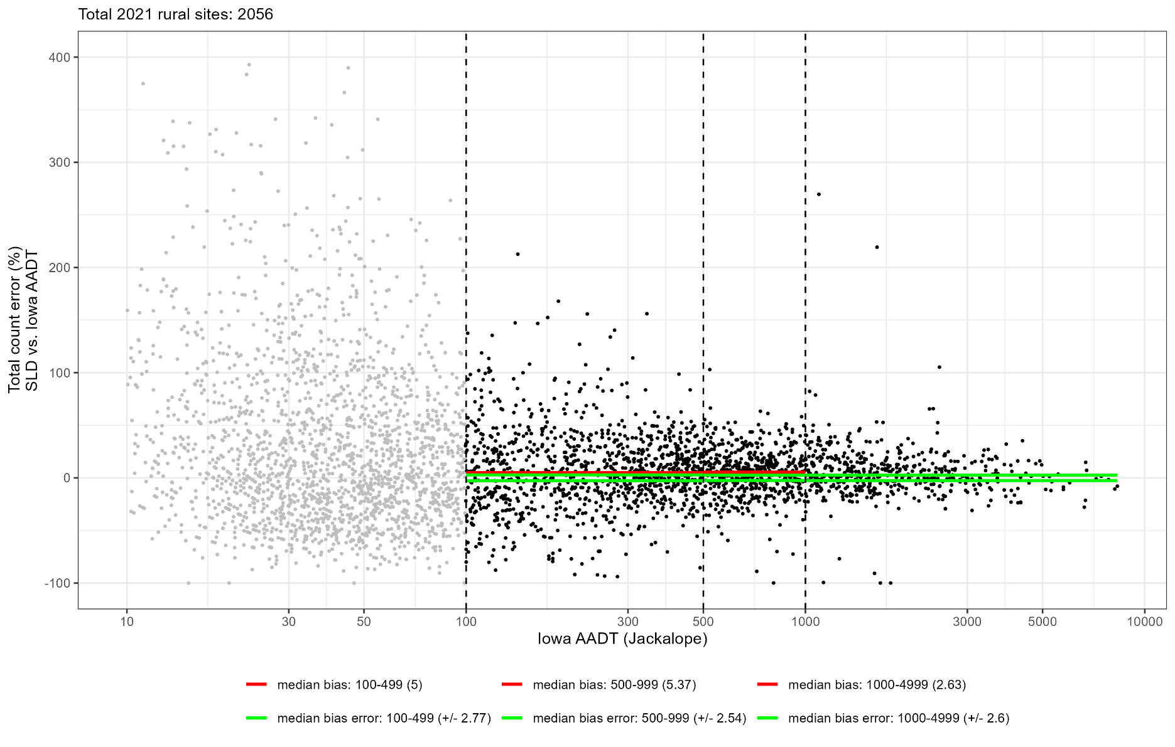

FAILS acceptance for 100-499, 500-999, and 1000-4999 volumes as median TCEs of 5%, 5.37%, and 2.63% are biased high, outside acceptable limits of ±2.77%, ±2.54%, and ±2.60%

2021 Median Error (Bias)-Urban
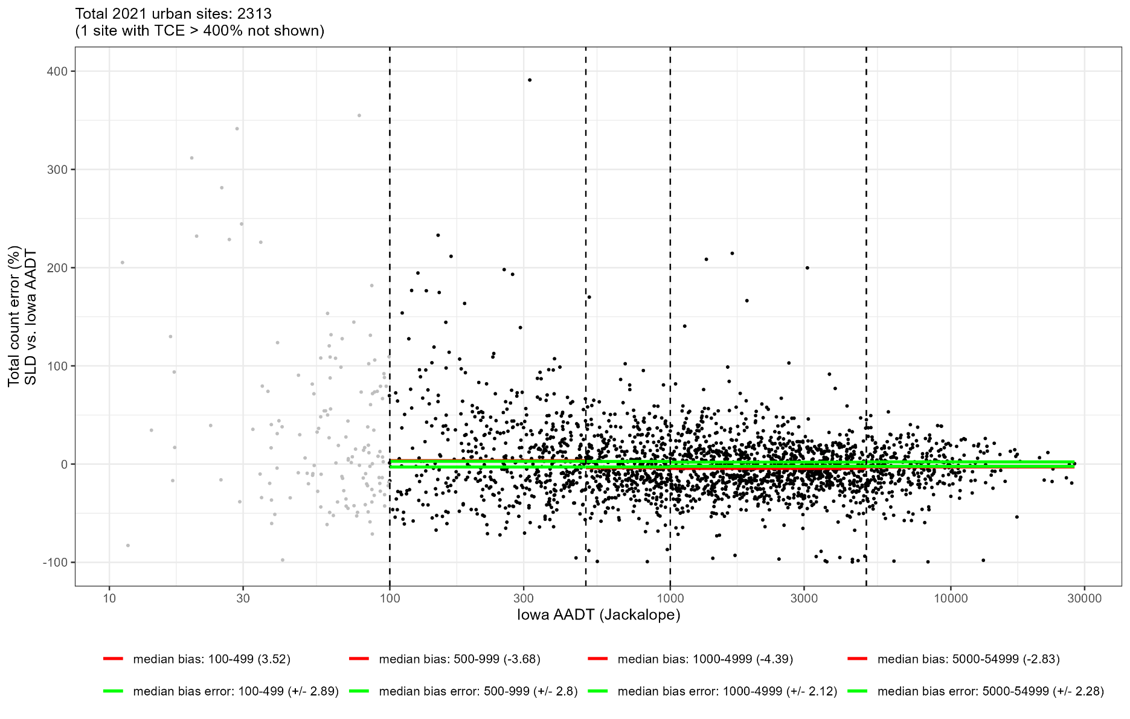

FAILS acceptance for all volumes as median TCEs of 3.52%, -3.68%, -4.39%, and -2.83% are biased high (100-499 volume) and biased low (all others), outside acceptable limits of ±2.89%, ±2.8%, ±2.12%, and ±2.28%

2021 Mean Abs Pct Error
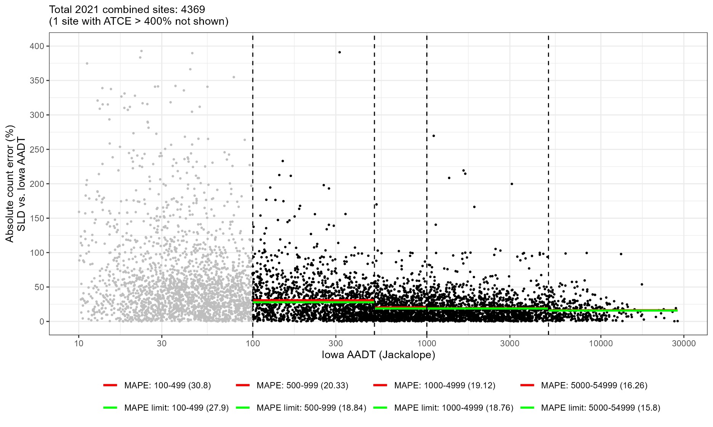

FAILS acceptance for 100-499, 500-999, 1000-4999, and 5000-54999 volumes as mean ATCEs of 30.8%, 20.33%, 19.12%, and 16.26% are biased high, outside acceptable limits of 27.9%, 18.84%, 18.76%, and 15.8%

2021 Mean Abs Pct Error-Rural
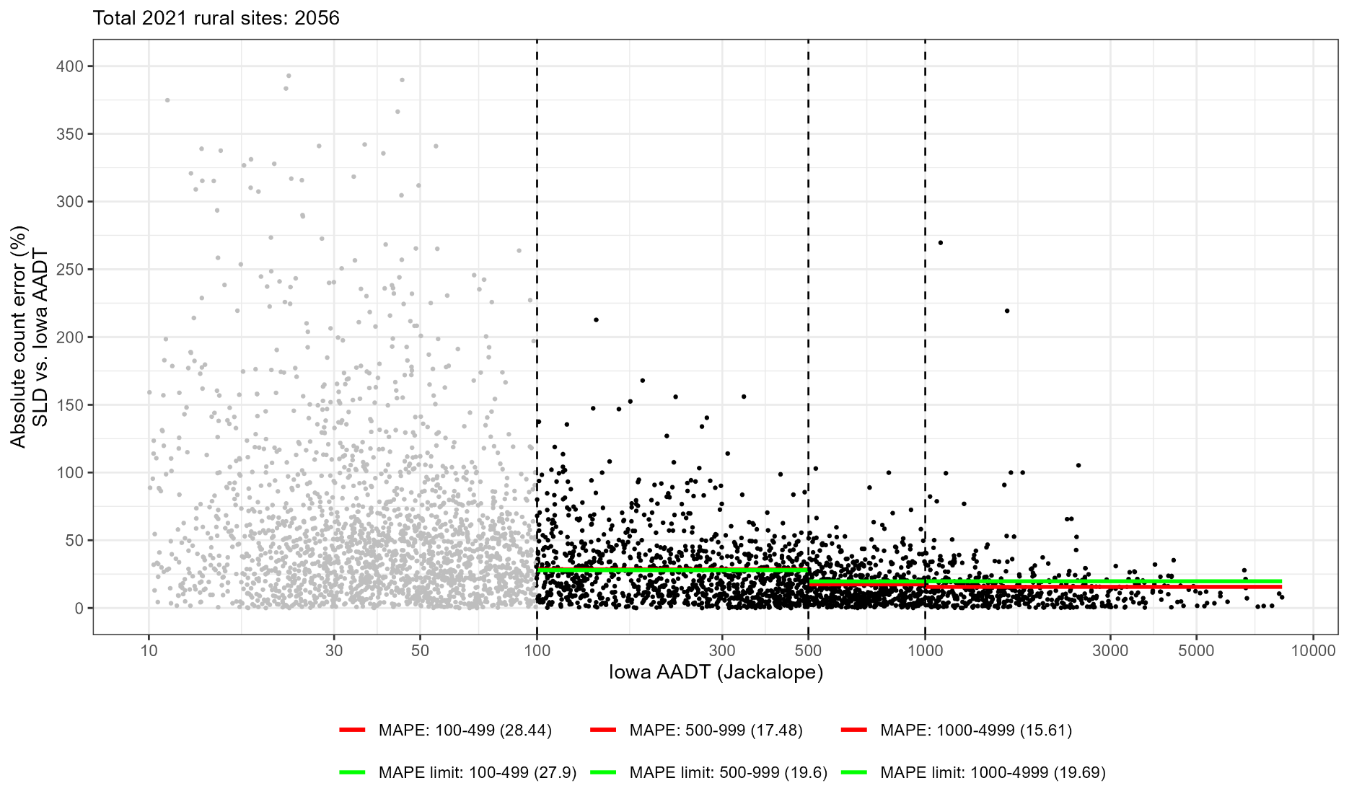

FAILS acceptance for 100-499 volume sites as mean ATCE of 28.44% is biased high, outside acceptable limit of 27.9%

2021 Mean Abs Pct Error-Urban
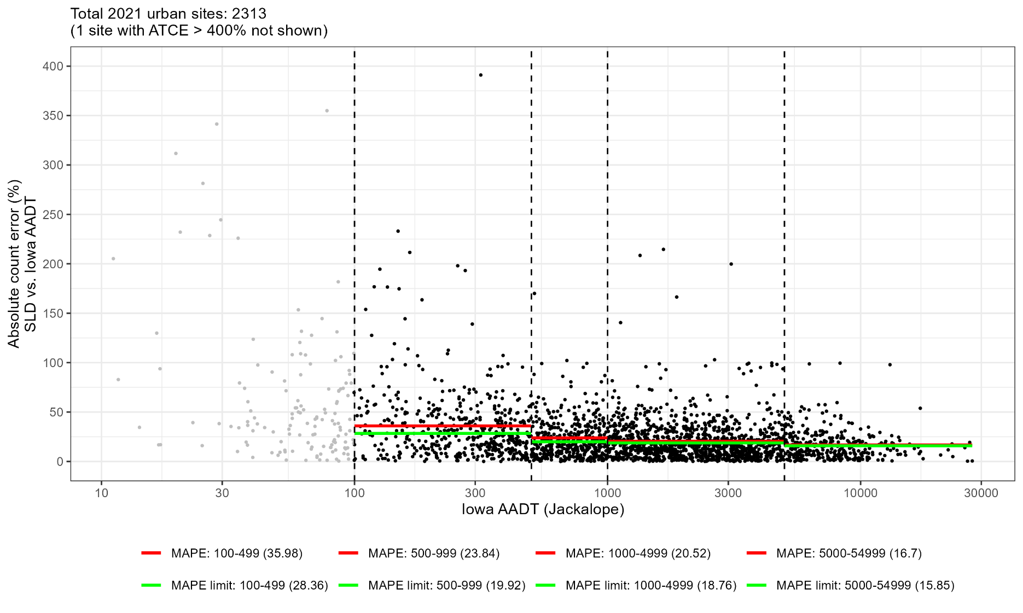

FAILS acceptance for 100-499, 500-999, 1000-4999, and 5000-54999 volumes as mean ATCEs of 35.98%, 23.84%, 20.52%, and 16.7% are biased high, outside acceptable limits of 28.36%, 19.92%, 18.76%, and 15.85%

2021 Precision
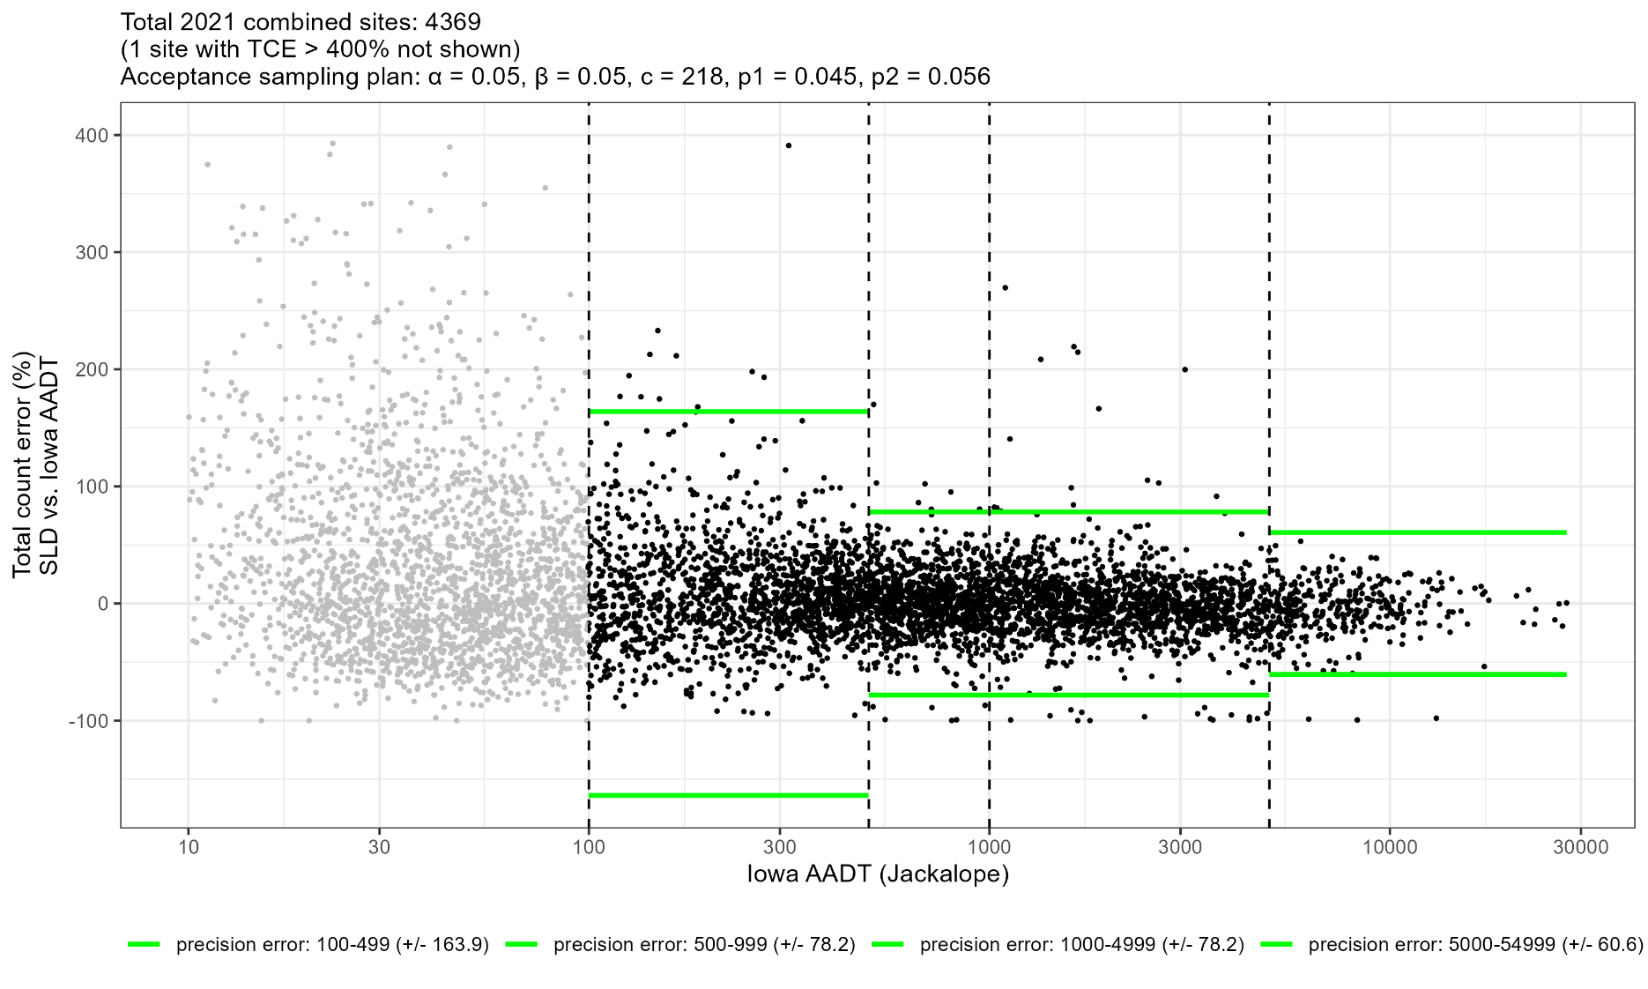

PASSES Acceptance as 59 TCEs fall outside limits of c ≤ 218

2021 Precision-Rural
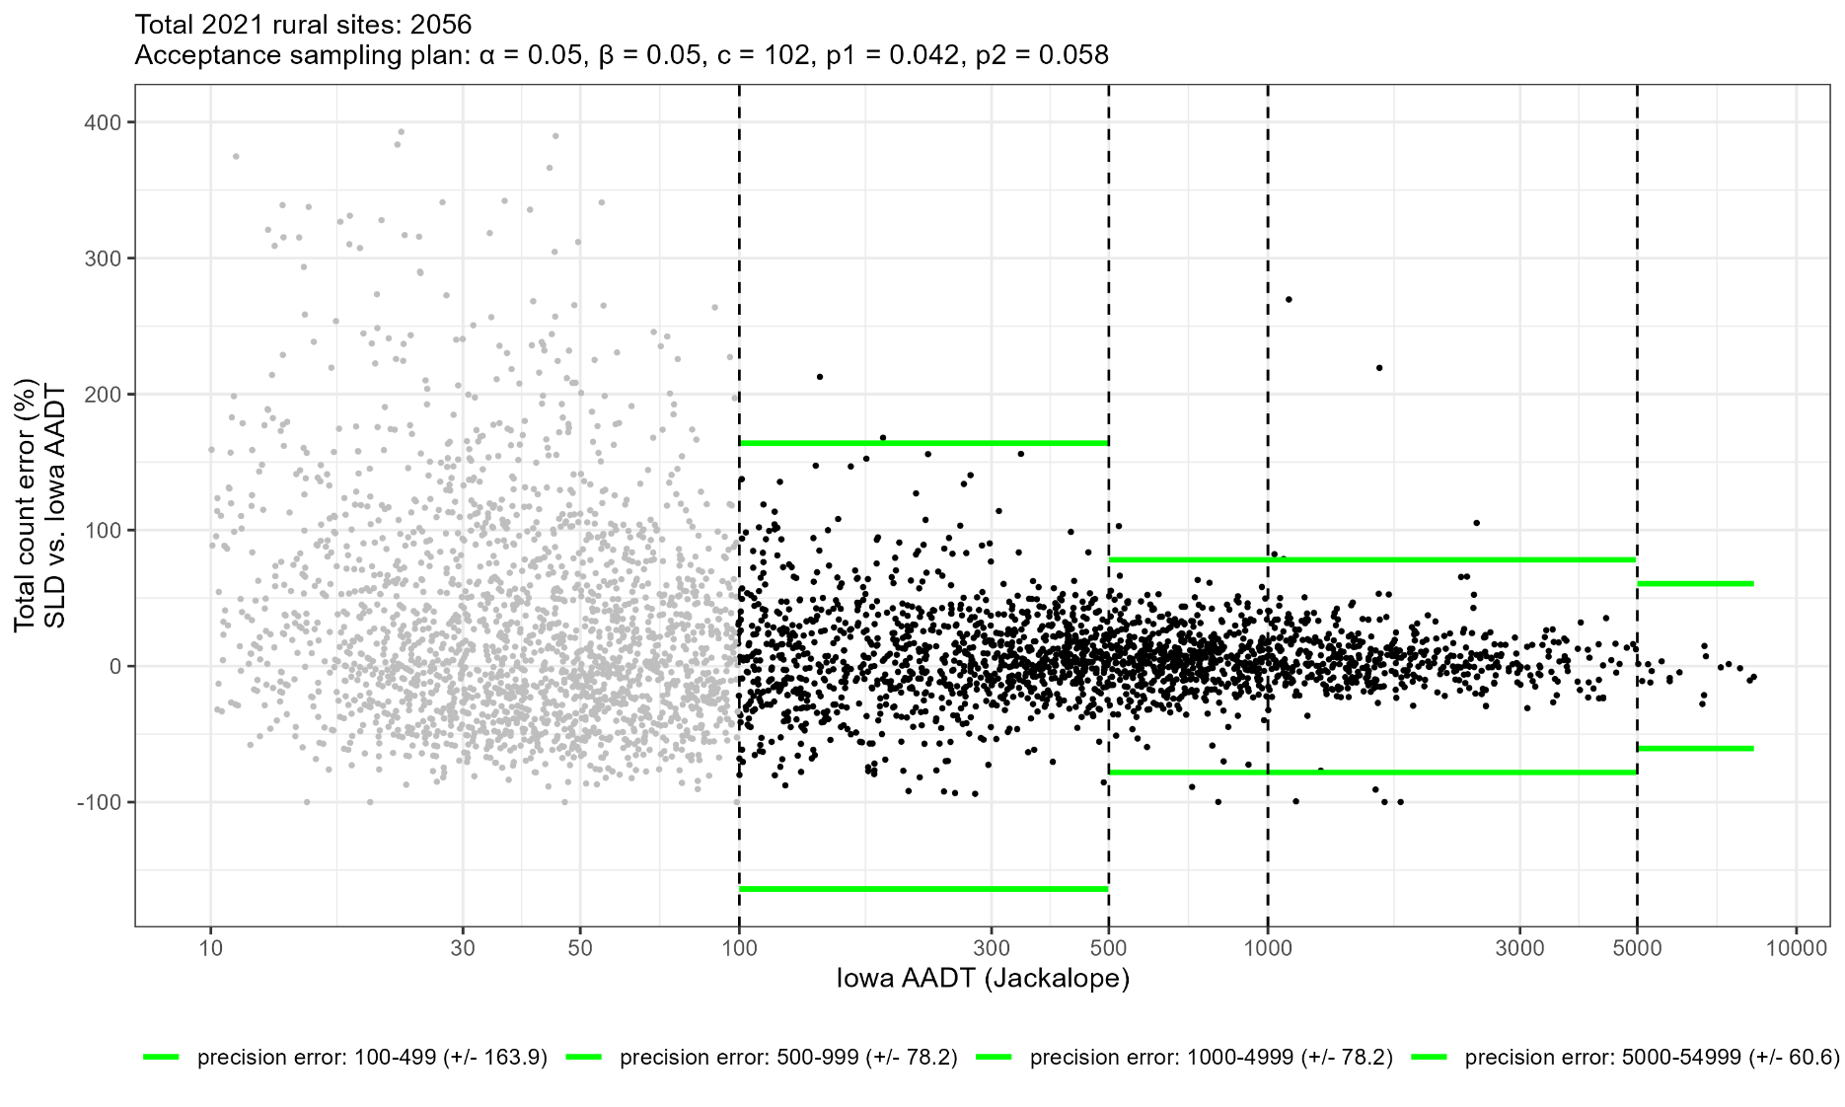

PASSES Acceptance as 14 TCEs fall outside limits of c ≤ 102

2021 Precision-Urban
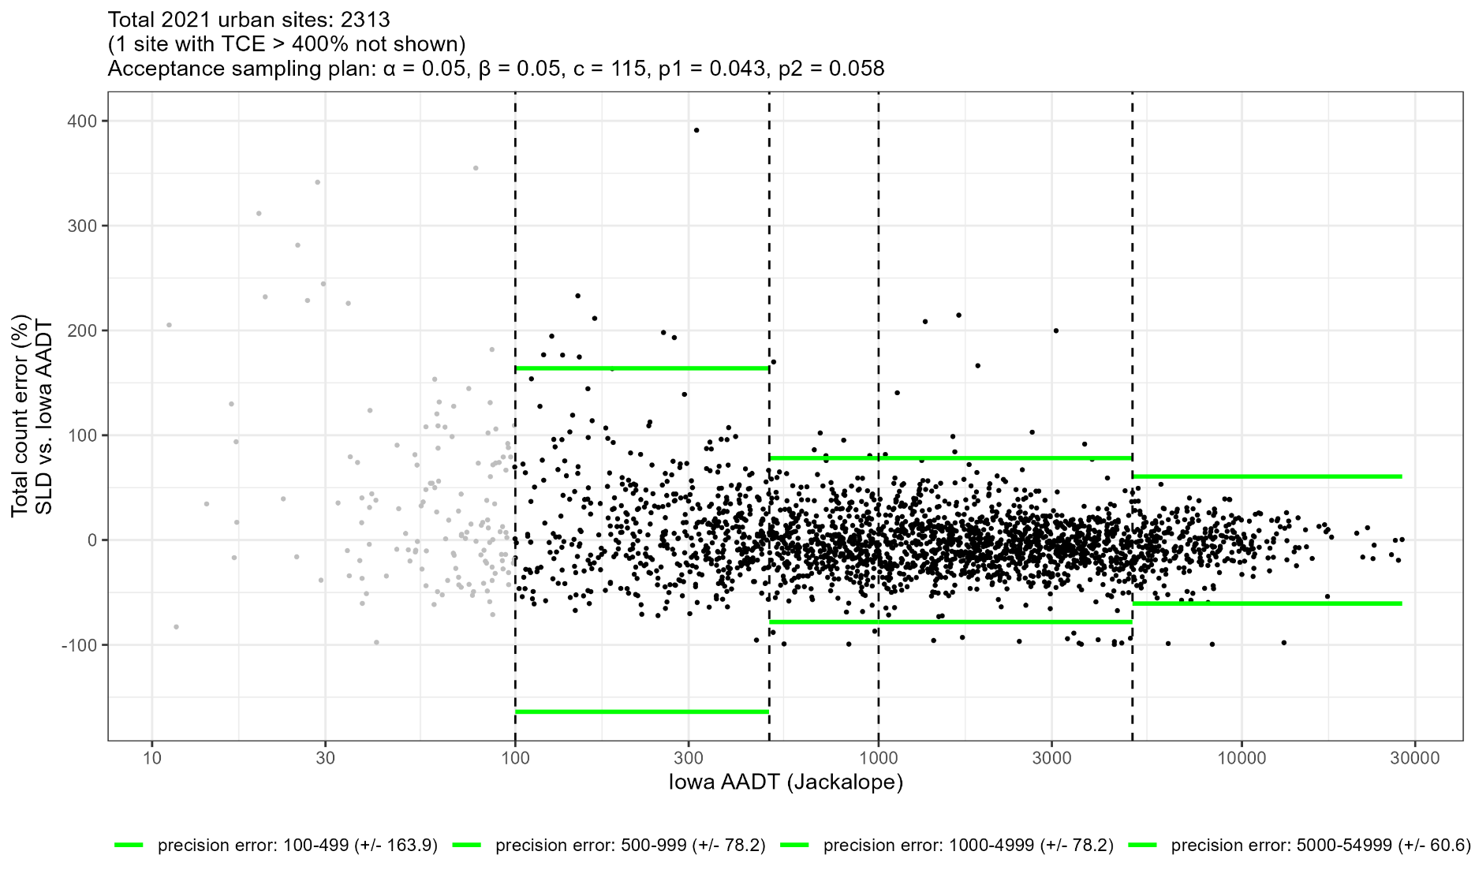

PASSES Acceptance as 45 TCEs fall outside limits of c ≤ 115

2022 Median Error (Bias)
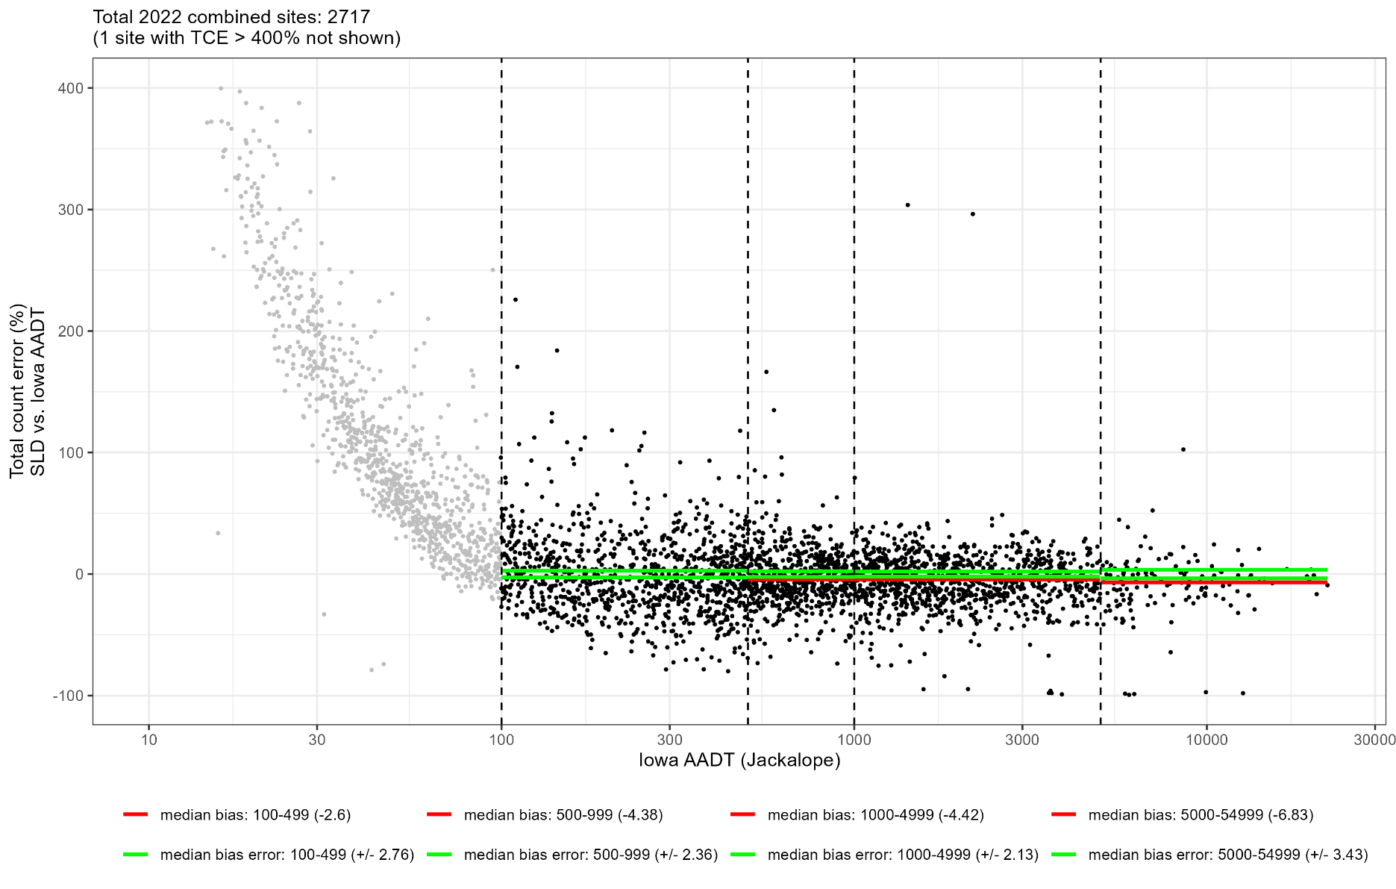

FAILS acceptance for 500-999, 1000-4999, and 5000-54999 volumes as median TCEs of -4.38%, -4.42%, and -6.83% are biased low, outside acceptable limits of ±2.36%, ±2.13%, and 3.43%

2022 Median Error (Bias)-Rural
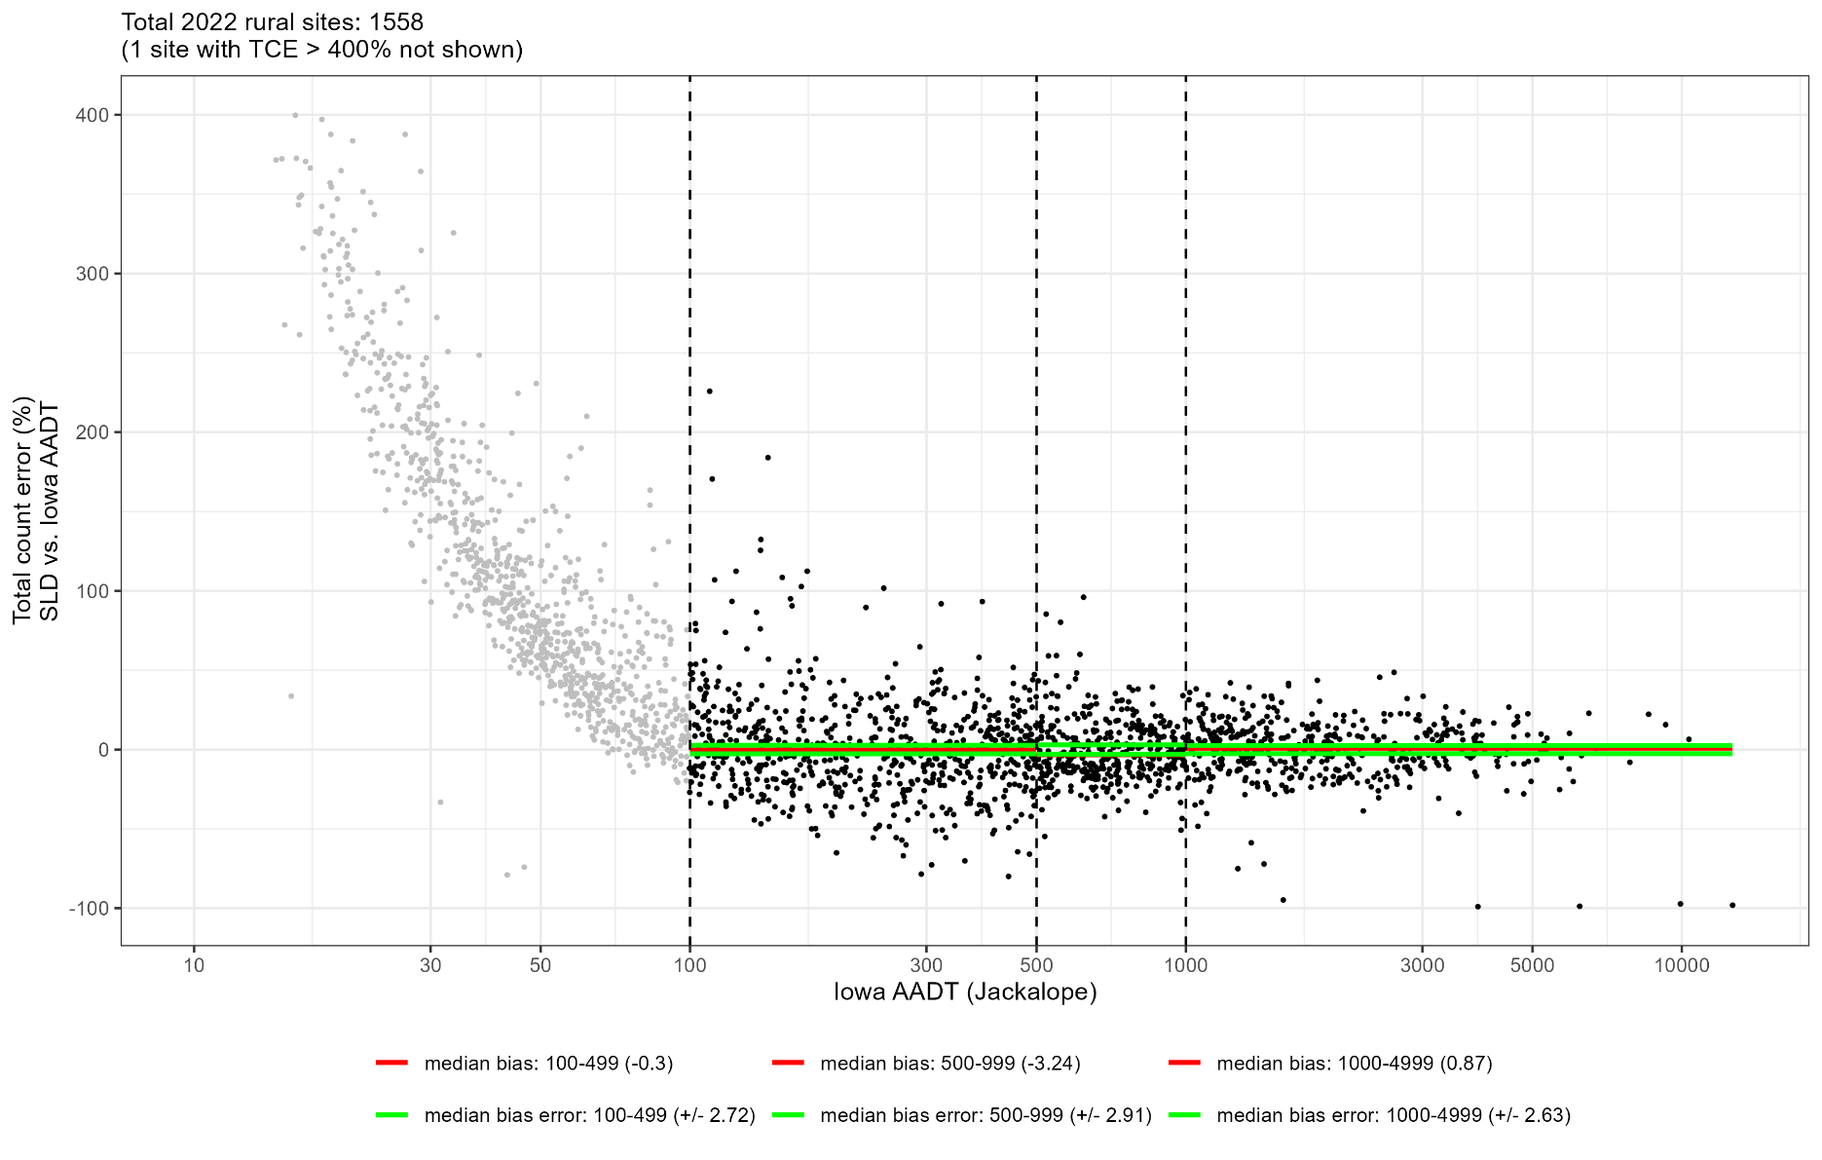

FAILS acceptance for 500-999 volume as median TCE of -3.24% is biased low, outside acceptable limit of ±2.91%

2022 Median Error (Bias)-Urban
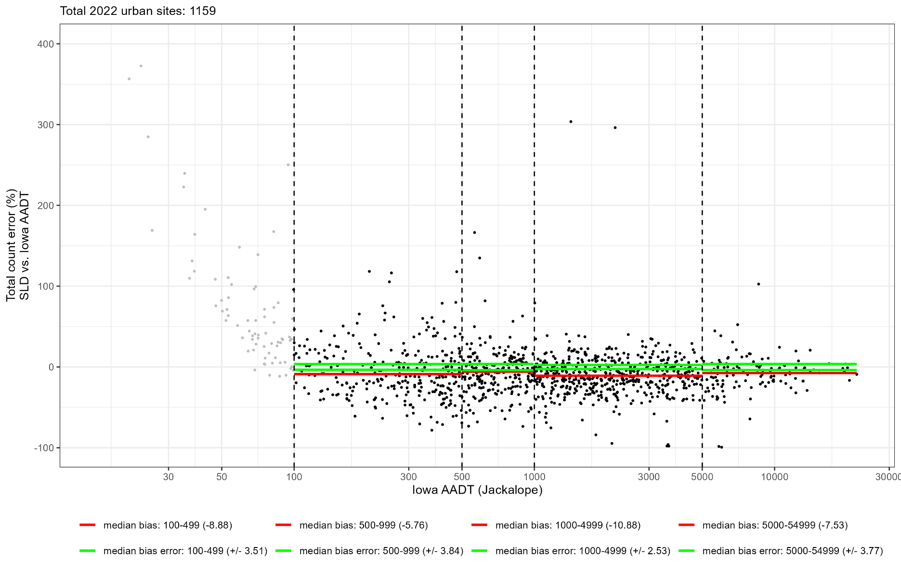

FAILS acceptance for all volumes as median TCEs of -8.88%, -5.76%, -10.88%, and -7.53% are biased low, outside acceptable limits of ±3.51%, ±3.84%, ±2.53%, and, ±3.77%

2022 Mean Abs Pct Error
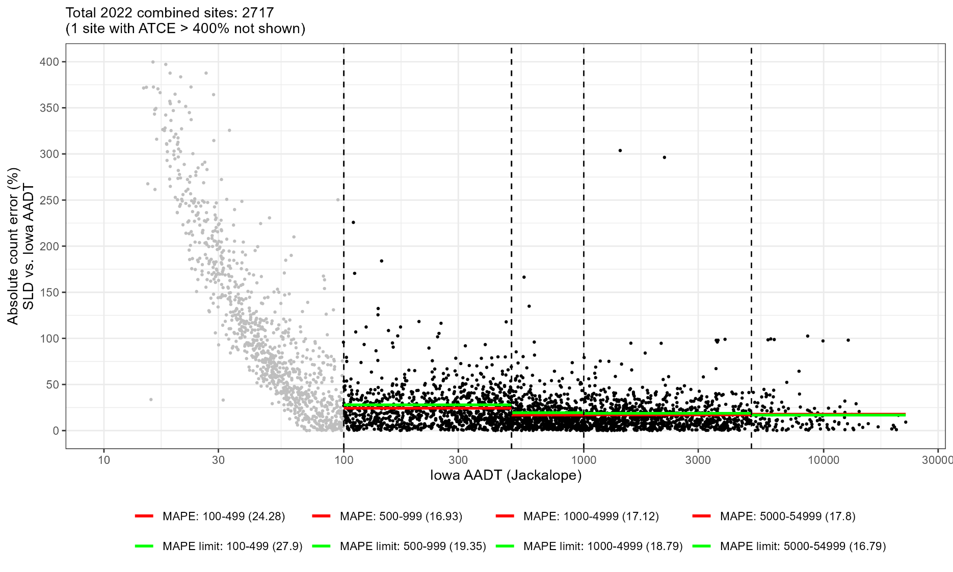

FAILS acceptance for 5000-54999 volumes as mean ATCE of 17.8% is biased high, outside acceptable limit of 16.79%

2022 Mean Abs Pct Error-Rural
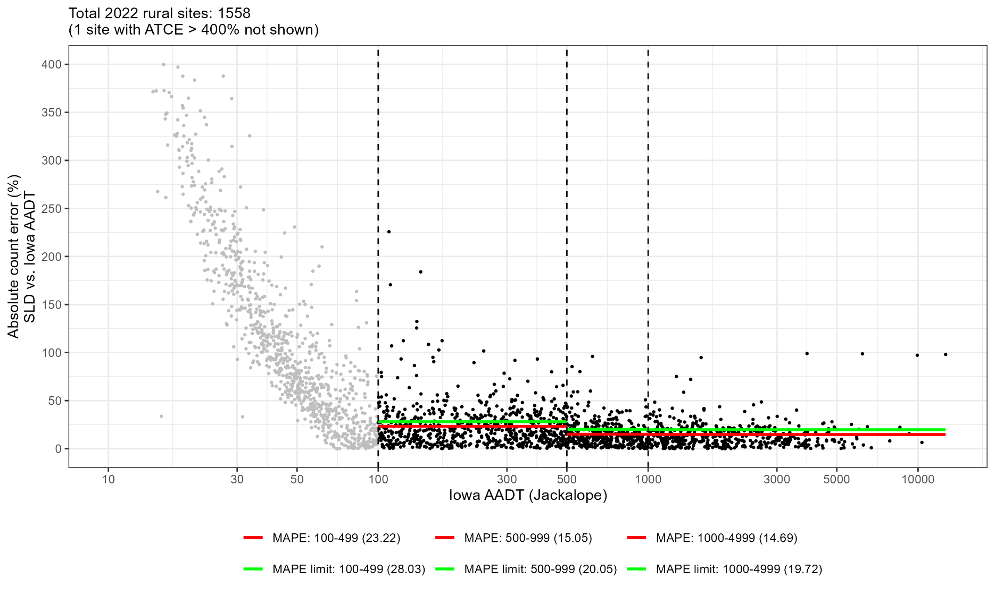

PASSES acceptance for all volumes as mean ATCEs of 23.22%, 15.05%, and 14.69% are below acceptable limits of 28.03%, 20.05%, and 19.72%

2022 Mean Abs Pct Error-Urban
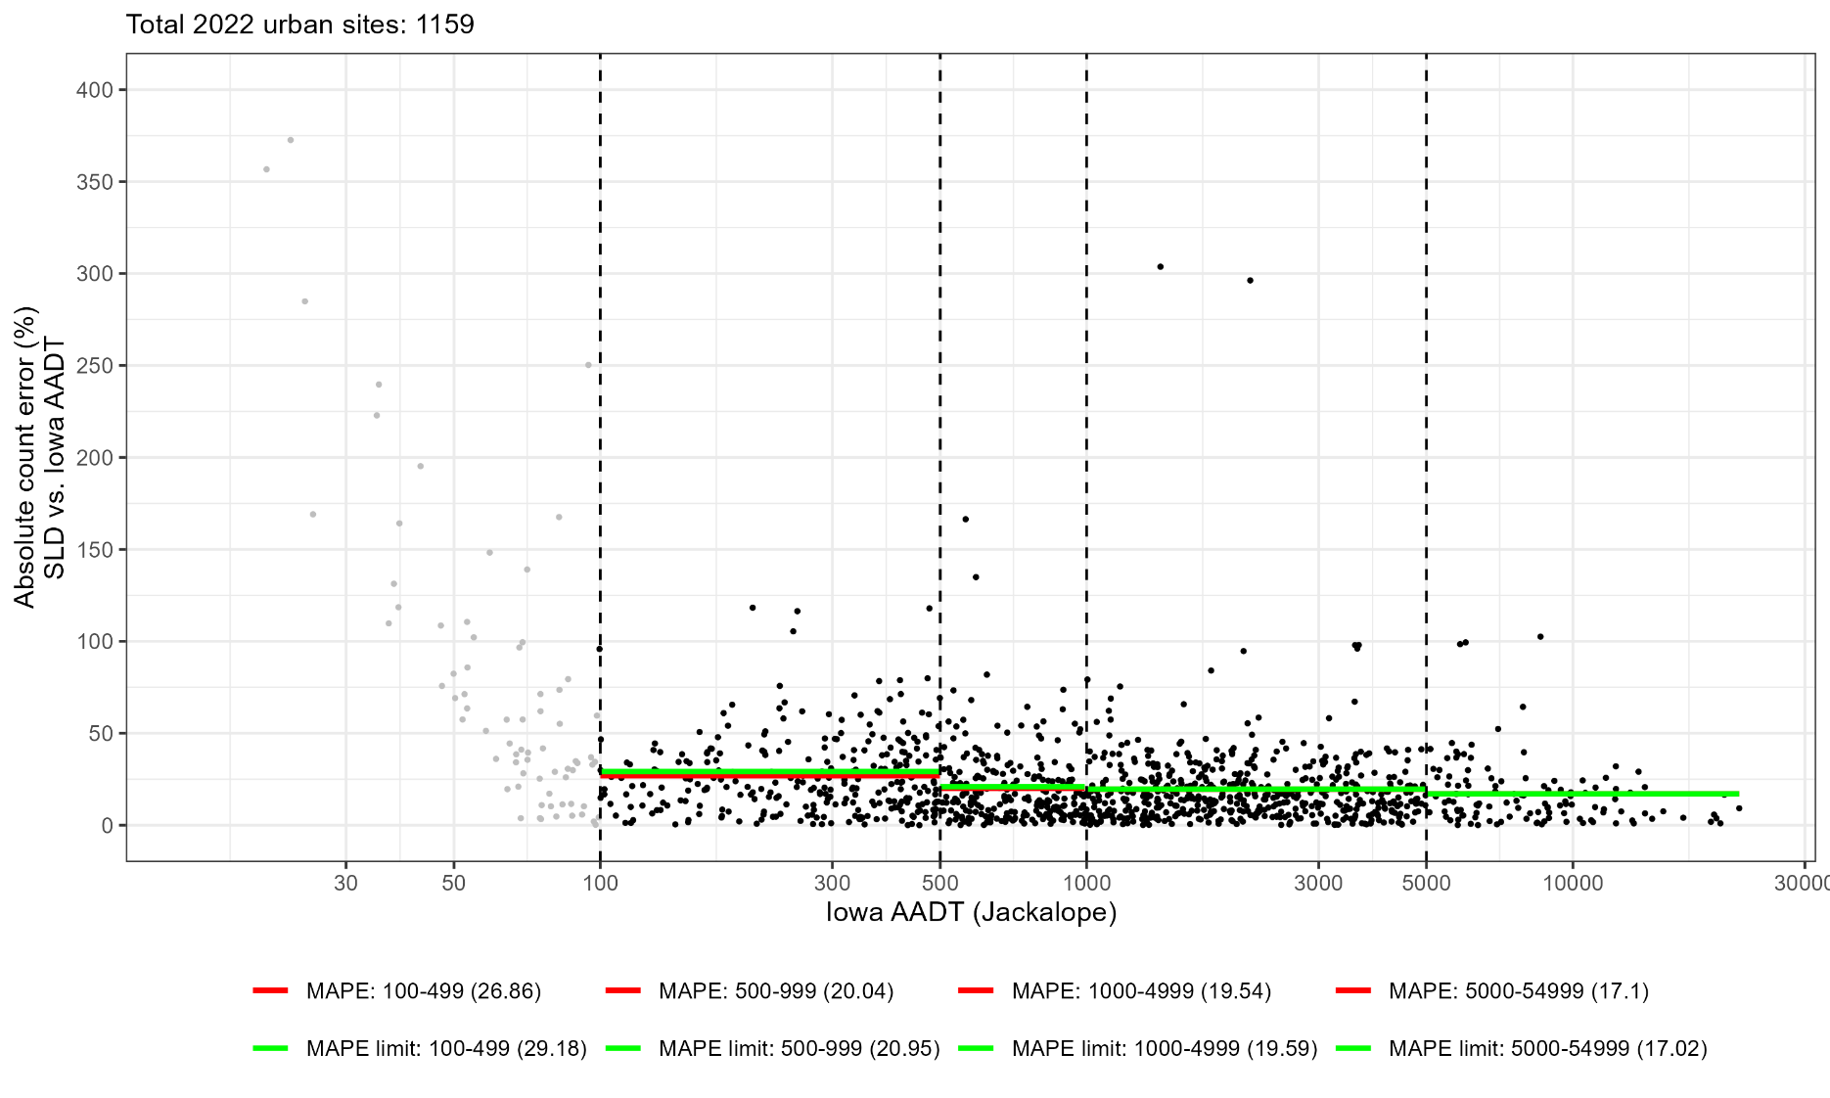

FAILS acceptance for 5000-54999 volumes as mean ATCE of 17.1% is biased high, outside acceptable limit of 17.02%

2022 Precision
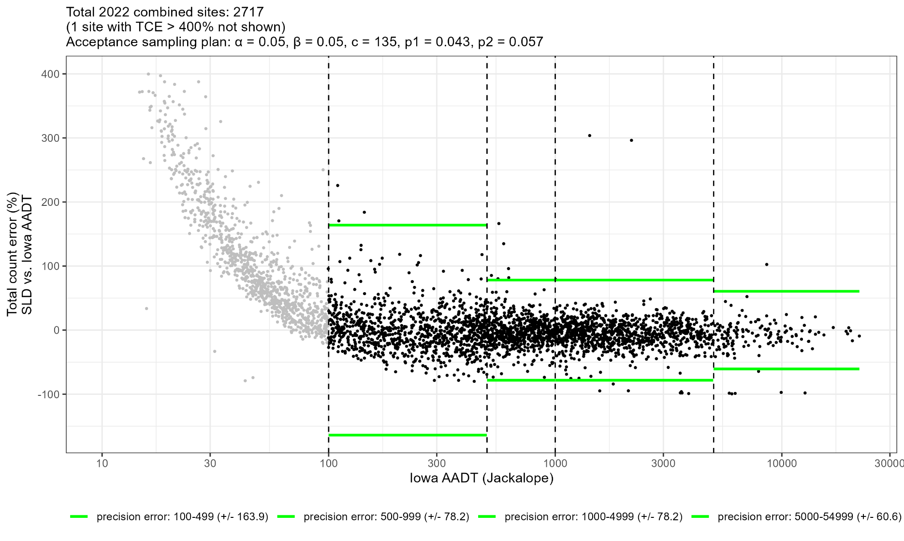

PASSES Acceptance as 27 TCEs fall outside limits of c ≤ 135

2022 Precision-Rural
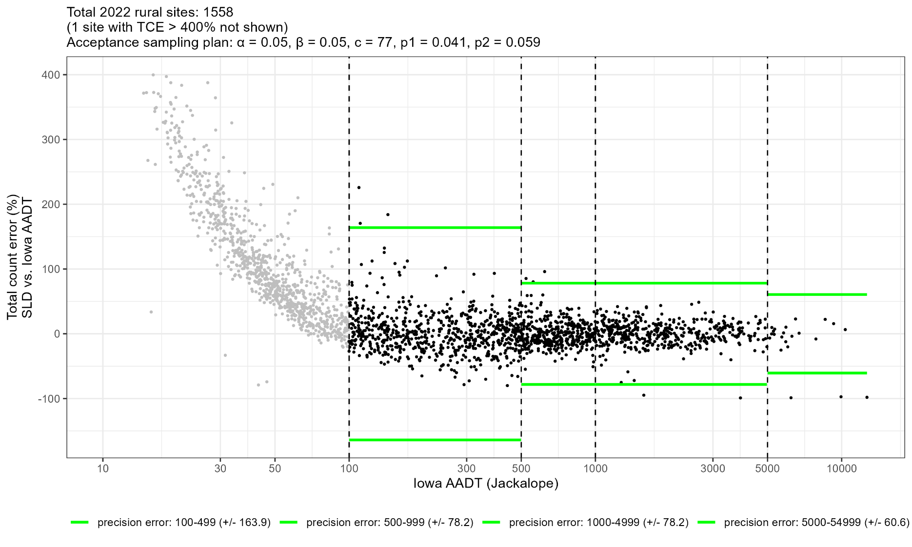

PASSES Acceptance as 12 TCEs fall outside limits of c ≤ 77

2022 Precision-Urban
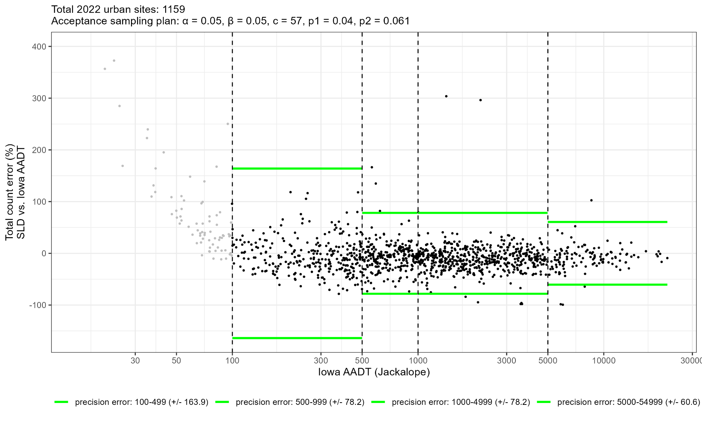

PASSES Acceptance as 15 TCEs fall outside limits of c ≤ 57

2023 Median Error (Bias)
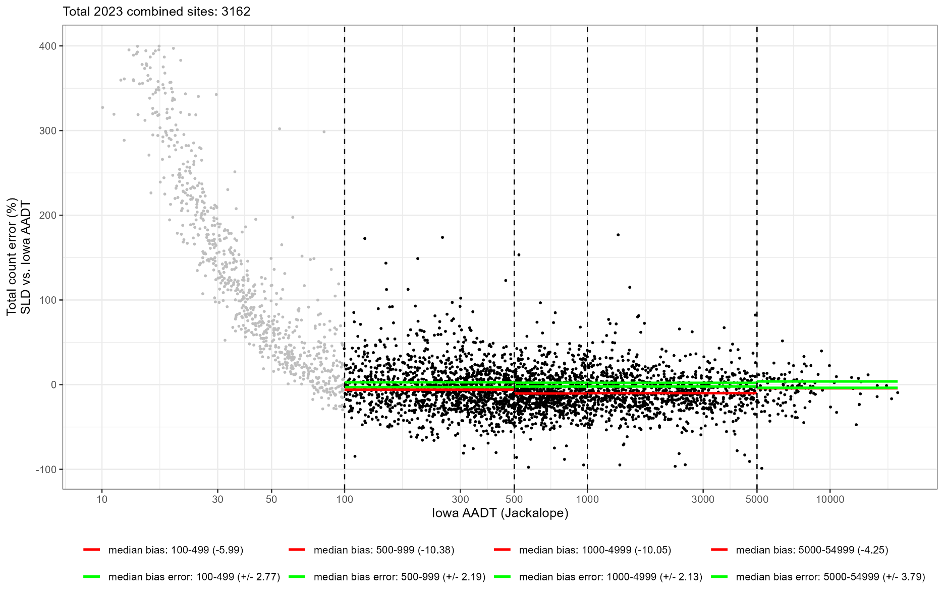

FAILS acceptance for all volume ranges as median TCEs of -5.99%, -10.38%, -10.05%, and -4.25% are biased low, outside respective acceptable limits of ±2.77%, ±2.19%, ±2.13%, and ±3.79%

2023 Median Error (Bias)-Rural
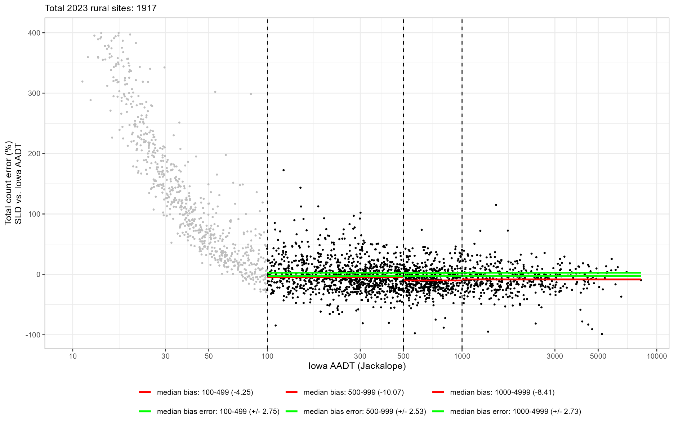

FAILS acceptance for all volume ranges as median TCEs of -4.25%, -10.07%, and -8.41% are biased low, outside respective acceptable limits of ±2.75%, ±2.53%, and ±2.73%

2023 Median Error (Bias)-Urban
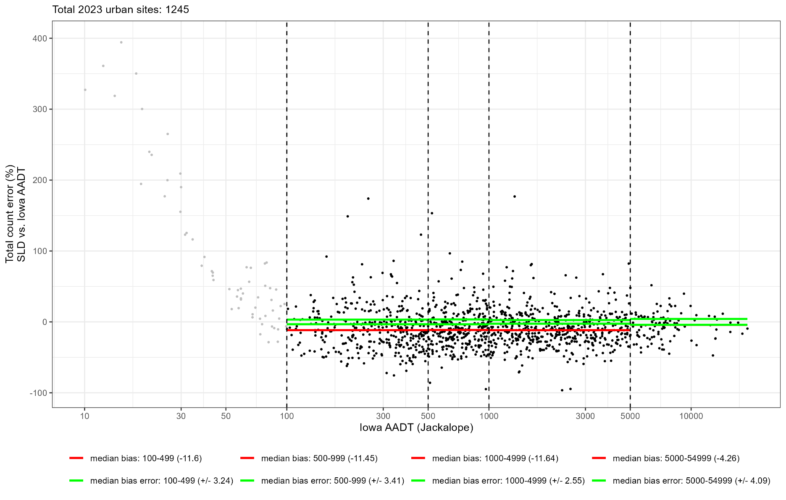

FAILS acceptance forall volume ranges as median TCEs of -11.6%, -11.45%, -11.64%, and -4.26% are biased low, outside respective acceptable limits of ±3.24%, ±3.41%, ±2.55%, and ±4.09%

2023 Mean Abs Pct Error
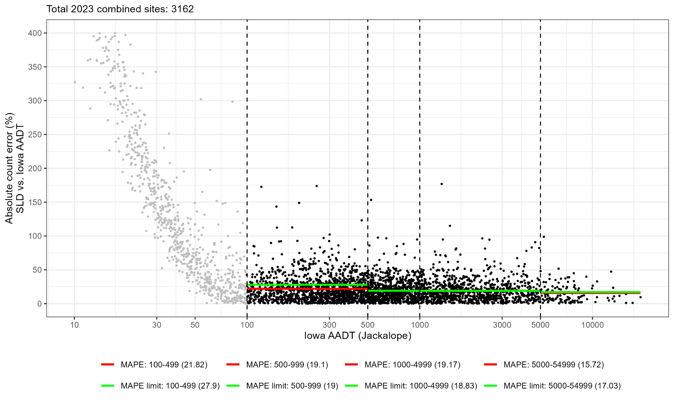

FAILS acceptance for 500-999 and 1000-4999 volumes as mean ATCEs of 19.1% and 19.17% are biased high, outside respective acceptable limits of 19% and 18.83%

2023 Mean Abs Pct Error-Rural
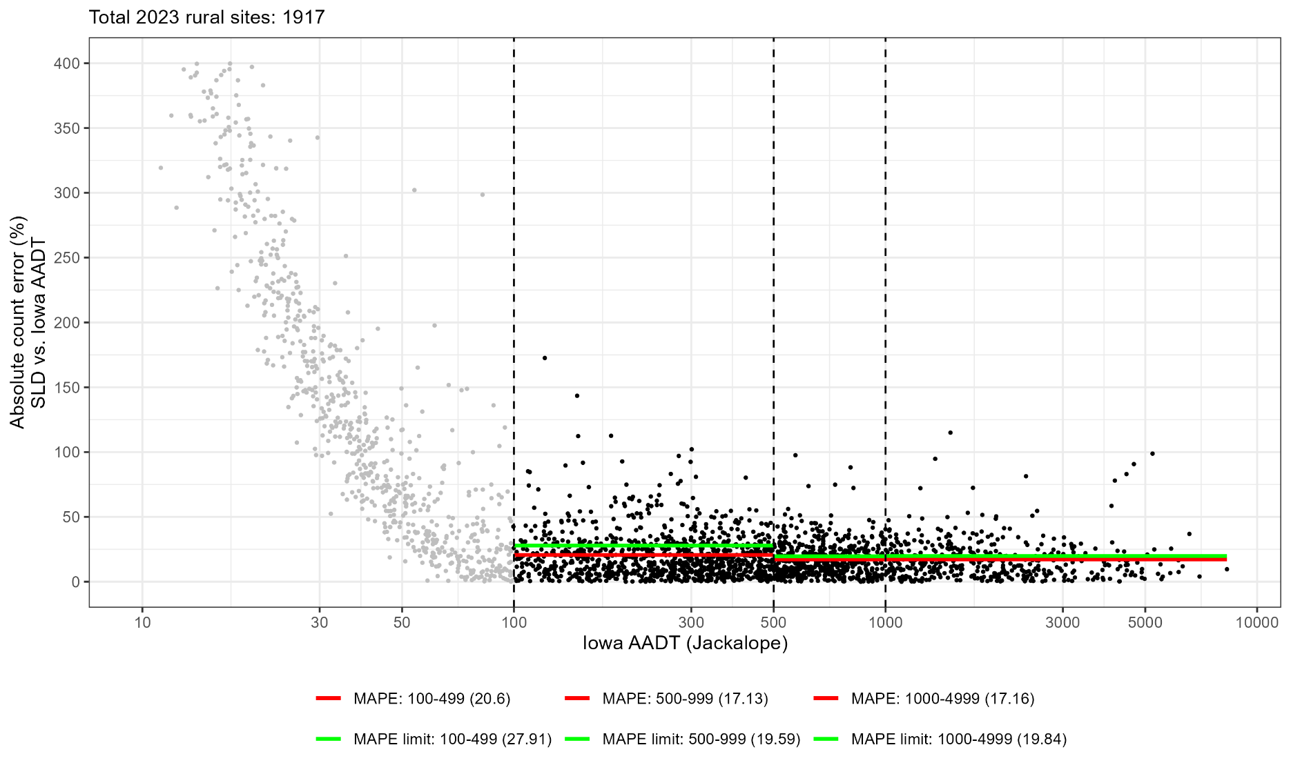

PASSES acceptance as mean ATCEs of 20.6%, 17.13%, and 17.16% are below respective acceptable limits of 27.91%, 19.59%, and 19.84%

2023 Mean Abs Pct Error-Urban
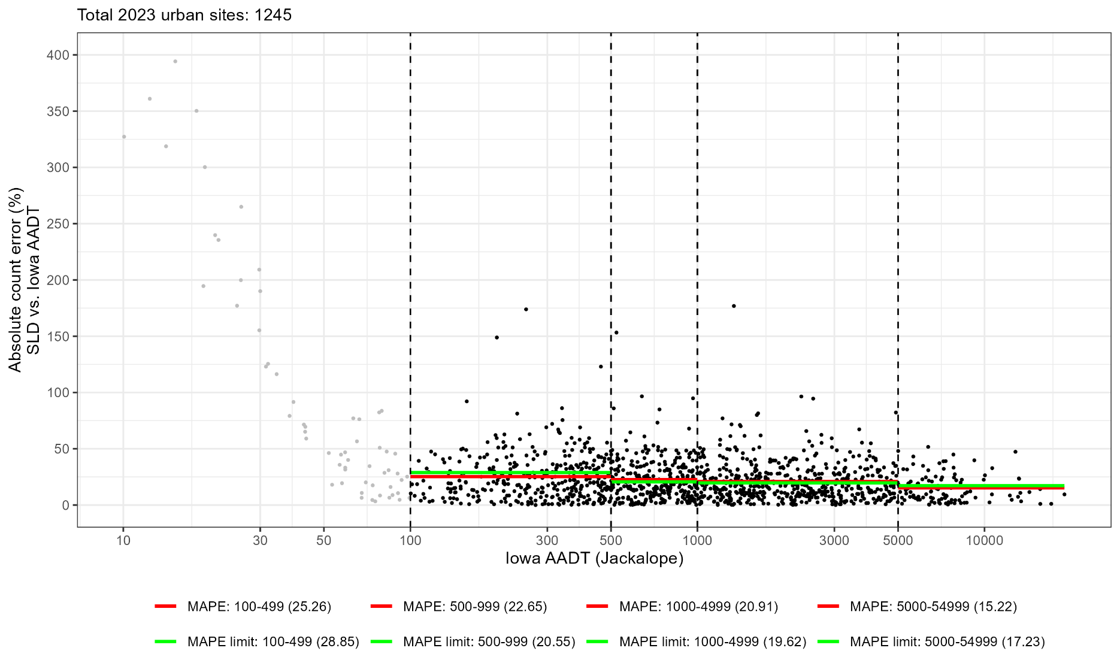

FAILS acceptance for 500-999 and 1000-4999 volumes as mean ATCEs of 22.65% and 20.91% are biased high, outside respective acceptable limits of 20.55% and 19.62%

2023 Precision
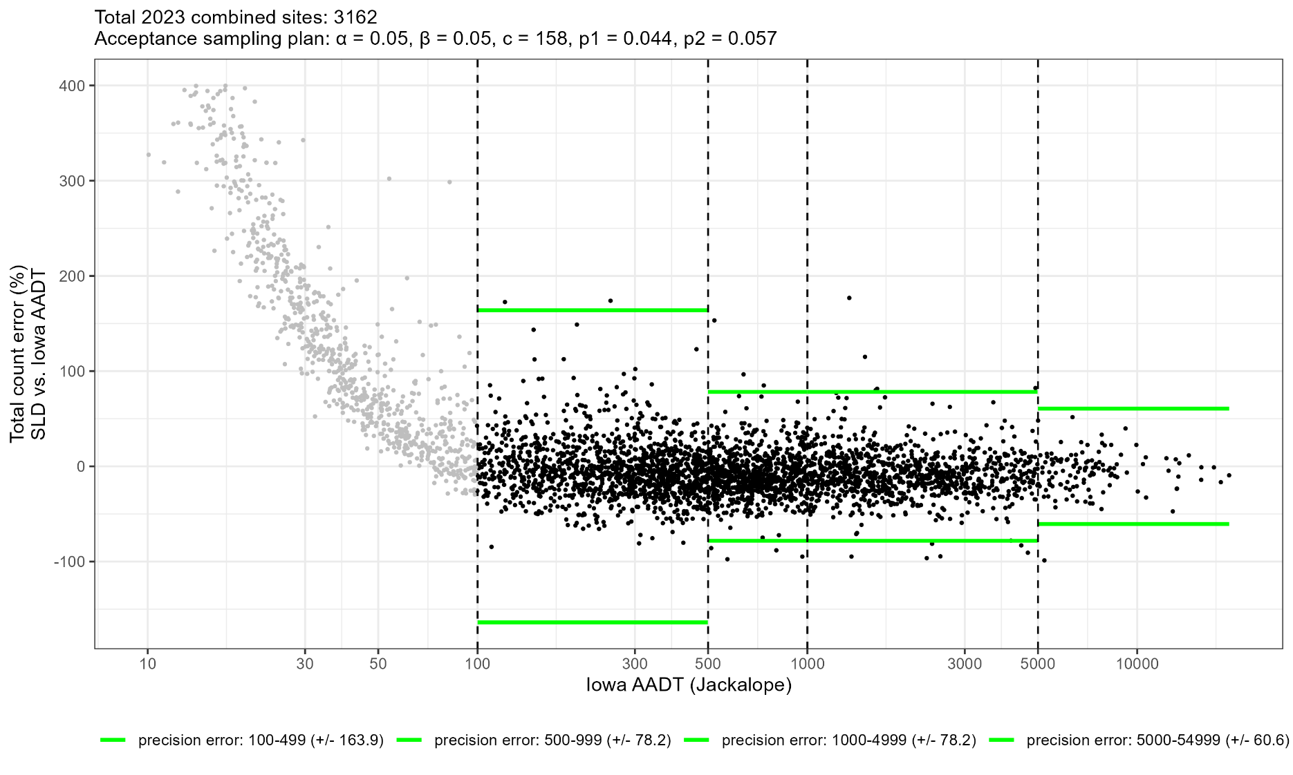

PASSES Acceptance as 21 TCEs fall outside limits of c ≤ 158

2023 Precision-Rural
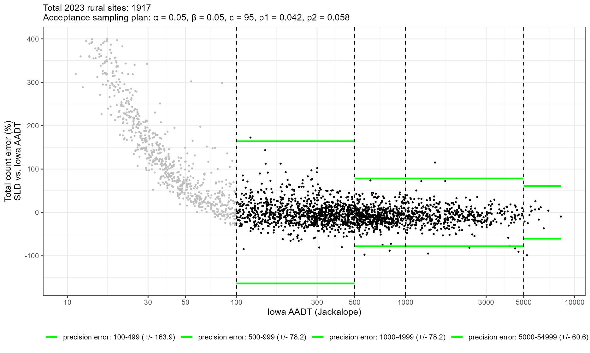

PASSES Acceptance as 9 TCEs fall outside limits of c ≤ 95

2023 Precision-Urban
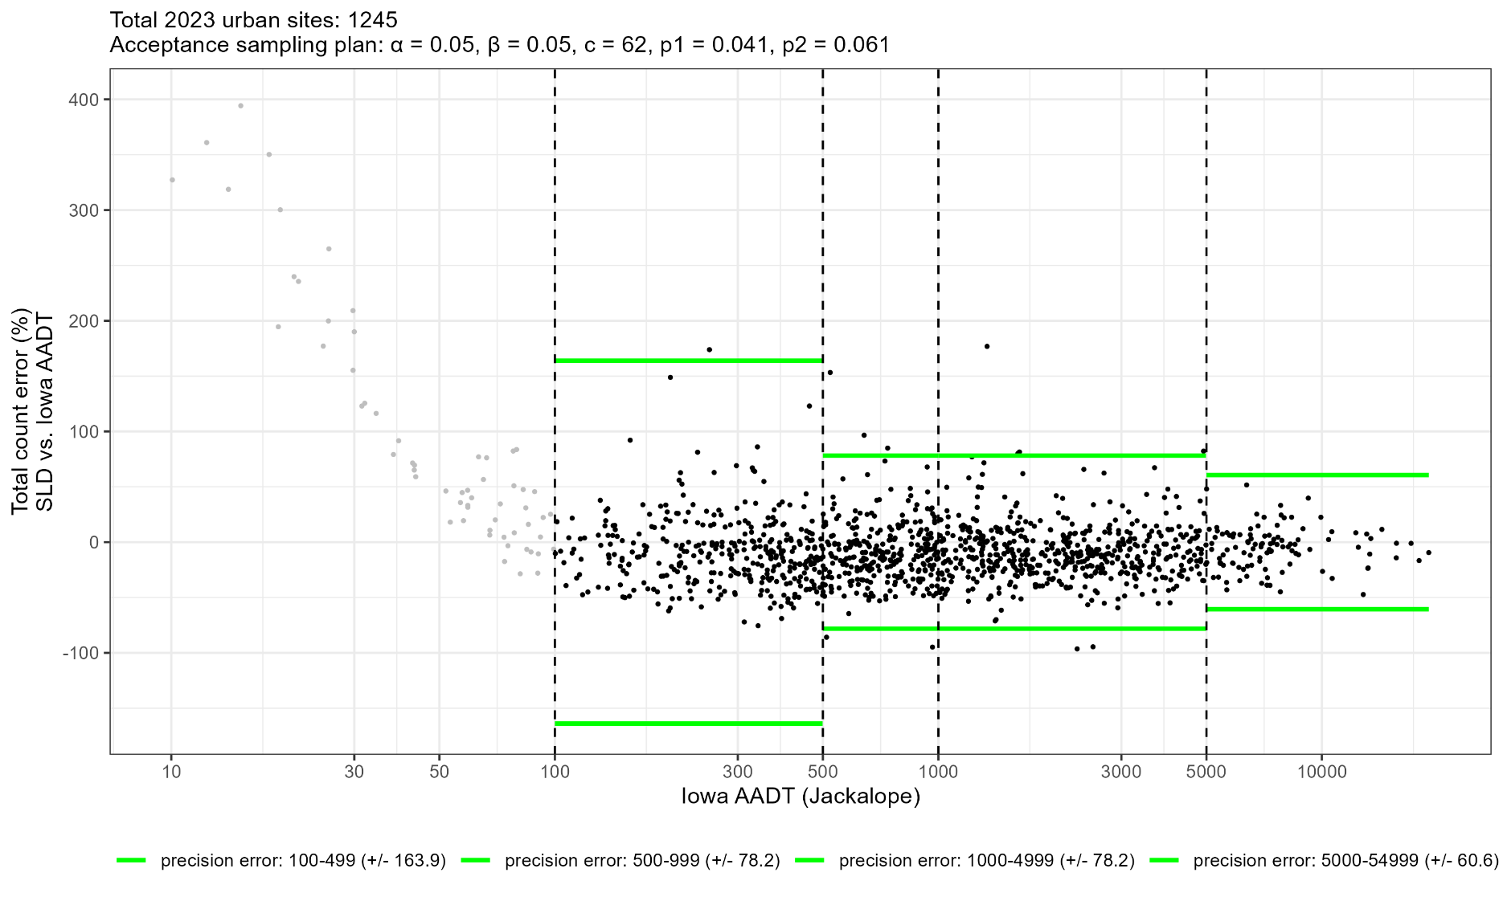

PASSES Acceptance as 12 TCEs fall outside limits of c ≤ 62

