Cover
 |  |  | Version Release 2H 2025

Onboarding
Client Name:
AccountID:
Kick-off Date:

 | Project Contacts

 | Customer Project Manager
 | Project Consultant
 | Services Sales Engagement Manager

 |  | Tab Color Legend
 |  | To Be Completed
 |  | Informational Only
 |  | Cut Over Information

© 2025 SAP SE or an SAP affiliate company. All rights reserved.

Processes
Process Flow Design
These are the process steps you can configure. Determine which steps apply for each process available within the scope.
Process flow in Onboarding is determined only by the number of steps outlined below. Custom and Country Defined fields are determined by Business Rules and RBP Set-up
Note: The Offboarding process will be in a separate workbook.
Signavio Process Flows
Standard Process steps | Description
New Hire Data Review | The participants review the New Hire data.
Personal Data Collection | Personal paperwork is an initial task in the Onboarding process where the Onboardees can review their personal data obtained from recruiting system for accuracy and update the missing information.
Additional Data Collection | After completing the personal paperwork, if there are any Onboarding-specific fields configured in the Succession Data Model, the new hire is prompted to provide additional information.
Primary New Hire Tasks | The participants create New Hire tasks.
Document Flow | Once the new hire completes the personal and additional paperwork for the onboarding process, a document gets generated. As per configuration, if this document requires signatures from the hiring manager and the new hire, it is sent to the Signature step.
Compliance Forms

Custom Process steps | Description
New Hire Data Review | The participants review the New Hire data.
Extension Point | Using the extension point, several third-party background tasks can be added to the New Hire Data Review or Personal Data Collection blocks available in the configured process available in the Process Variant Manager. Once the extension point is enabled in any of these blocks, all sequential tasks are paused and remain inaccessible until the background task is completed. (Before using the APIs to retrieve or process a new hire's extension task, ensure to enable the Manage Onboarding or Offboarding Extension Task API permission.) | New 2H 2024
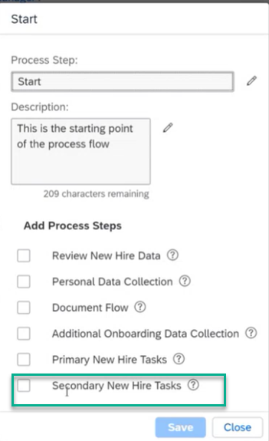
Personal Data Collection | Personal paperwork is an initial task in the Onboarding process where the Onboardees can review their personal data obtained from recruiting system for accuracy and update the missing information. |  | Example below. Note you can add the document flow for new hire Tasks to the secondary New hire tasks, note that it is singular. You cannot add it to another block.
Additional Onboarding Data Collection | After completing the personal paperwork, if there are any Onboarding-specific fields configured in the Succession Data Model, the new hire is prompted to provide additional information.
Document Flow | Once the new hire completes the personal and additional paperwork for the onboarding process, a document gets generated. As per configuration, if this document requires signatures from the hiring manager and the new hire, it is sent to the Signature step. |  | 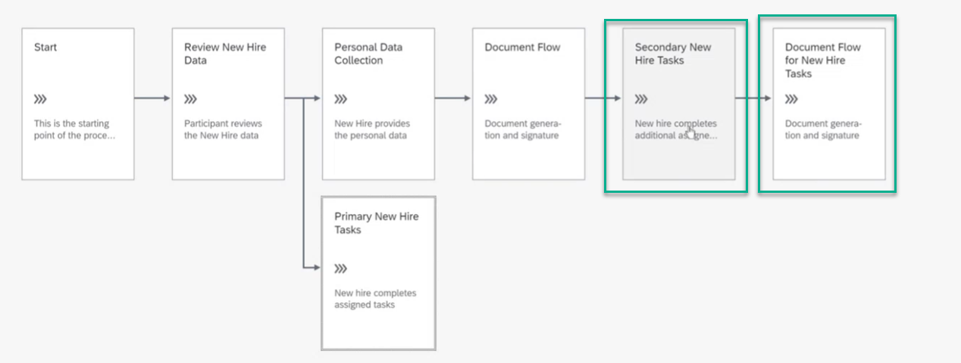
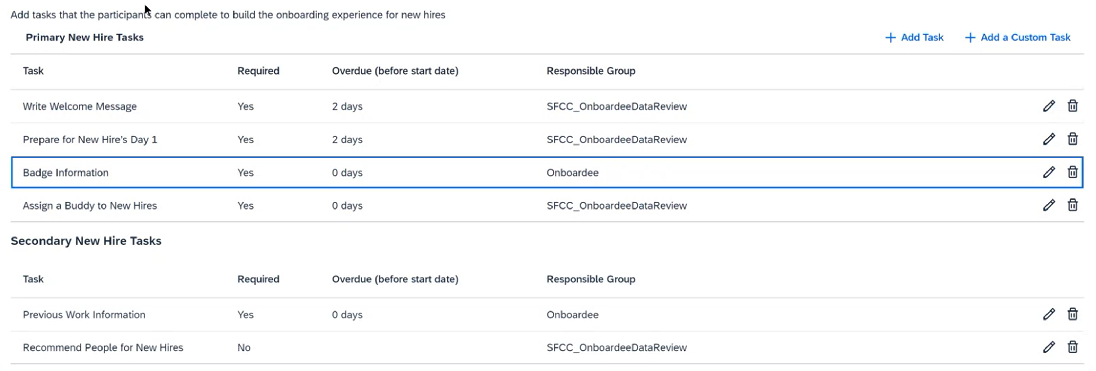
Primary New Hire Tasks | The participants create New Hire tasks.
Compliance Forms
*Secondary New Hire Tasks | The participants create secondary tasks. | New 2H 2024
Document Flow for Secondary New Hire Tasks | Document flow for secondary new hire tasks if needed.
Final Review
Automatic Hire

Onboarding Standard New Hire Process |  |  | Additional Onboarding New Hire Process
Will this process be intiated by RCM? |  |  | Will this process be intiated by RCM?
Will this process be intiated by another ATS? |  |  | Will this process be intiated by another ATS?
Which countries will be included? |  |  | Which countries will be included?
PVM Name: | PVM ID |  | PVM Name: | PVM ID
Process Steps | Activate? Y/N |  | Process Steps | Activate? Y/N
New Hire Data Review |  |  | New Hire Data Review
Primary New Hire Tasks |  |  | Primary New Hire Tasks
Personal Data Collection |  |  | Personal Data Collection
Onboarding Data Collection |  |  | Onboarding Data Collection
Document Flow |  |  | Document Flow
Compliance Forms |  |  | Compliance Forms

Onboarding Custom New Hire Process Step |  |  | Additional Onboarding Custom New Hire Process Step
Will this process be intiated by RCM? |  |  | Will this process be intiated by RCM?
Will this process be intiated by another ATS? |  |  | Will this process be intiated by another ATS?
Which countries will be included? |  |  | Which countries will be included?
PVM Name: | PVM ID |  | PVM Name: | PVM ID
Custom Process steps | Activate? Y/N |  | Custom Process steps | Activate? Y/N
New Hire Data Review |  |  | New Hire Data Review
Extension Point |  |  | Extension Point
Personal Data Collection |  |  | Personal Data Collection
Additional Onboarding Data Collection |  |  | Additional Onboarding Data Collection
Document Flow |  |  | Document Flow
Primary New Hire Tasks |  |  | Primary New Hire Tasks
Compliance Forms |  |  | Compliance Forms
*Secondary New Hire Tasks |  |  | *Secondary New Hire Tasks
Document Flow for Secondary New Hire Tasks |  |  | Document Flow for Secondary New Hire Tasks
Final Review |  |  | Final Review
Automatic Hire |  |  | Automatic Hire

Internal Hire / Crossboarding Process |  |  | Additional Internal Hire / Crossboarding Process
Will this process be intiated by RCM? |  |  | Will this process be intiated by RCM?
Will this process be intiated by another ATS? |  |  | Will this process be intiated by another ATS?
Will this process be initiated by EC? |  |  | Will this process be initiated by EC?
Which countries will be included? |  |  | Which countries will be included?
Process Steps | Activate? Y/N |  | Process Steps | Activate? Y/N
New Hire Tasks |  |  | New Hire Tasks
Personal Data Collection |  |  | Personal Data Collection
Onboarding Data Collection |  |  | Onboarding Data Collection
Document Flow |  |  | Document Flow

Recruit-to-Hire Mapping
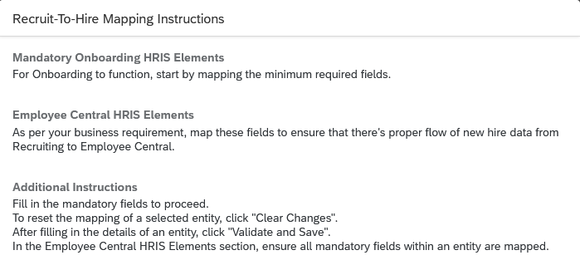
Recruiting to EC Integration Template (Recruit To Hire)
The transformation template XML supports the configuration of field mapping from recruiting entities including the candidate application, job requisition, and offer letter. Please add Global Information at the bottom (if required).
Onboarding Integration Setup
Enter the number of days in the Restrict the onboarding of applicants who has been onboarded within past days. Note: The default is 90 days
Would you like to integrate from all Recruiting Job Requistions or only some? If only some please provide the rules. (ie, country)

Note: In Manage Business Configuration enable the Employee person type to make fields required in all EC pages (New Hire Data Review and MPH). Enable the Onboardee person type to make fields required for Onboardee. For example, in the Succession Data Model, date of birth is not mandatory by default. If you want the date of birth to be mandatory for all EC pages mark it as mandatory in Employee person type. For Onboardee make it mandatory for Onboardee person type.
* If any field in the specified EC portal is mapped, then the asterisk field is mandatory for the integration mapping.
IT 2 Change | IT 3 Change | EC Field Label | Target Field (EC Field) | Variant | Source Field (RCM Field) | Source Entity Type (RCM Template) | Mandatory to Map for Integration | Comments

 |  | personalInfo
 |  | Alt1 Last Name | last-name-alt1
 |  | Alt1 Middle Name | middle-name-alt1
 |  | Alt2 First Name | first-name-alt2
 |  | Alt2 Last Name | Last-name-alt2
 |  | Attachment | attachment-id
 |  | *First name | first-name |  |  |  | Yes
 |  | First Name Alt1 | first-name-alt1
 |  | Formal name | formal-name
 |  | *Gender | gender
 |  | *Last name | last-name |  |  |  | Yes
 |  | *Marital Status | martial-status
 |  | Middle Name | middle-name
 |  | Nationality | nationality
 |  | Perferred Language | native-perferred-lang
 |  | Perferred Name | perferred-name
 |  | Second Nationality | second-nationality
 |  | *start-date | start-date
 |  | Suffix | suffix
 |  | emailInfo
 |  | *Email Address | email-address |  |  |  | Yes | Required to send email notifications to hire
 |  | *Email Type | email-type |  |  |  | Yes
 |  | *Is Primary | isPrimary
 |  | employmentInfo
 |  | Is contingent Worker | isContingentWorker
 |  | *Last Date Worked | lastDateWorked
 |  | *Last Start Date | start-date |  |  |  | Yes
 |  | New Assignment Company | company
 |  | *OK to Rehire | okToRehire
 |  | *Original Start Date | originalStartDate
 |  | Person ID | custom-string1
 |  | Salary End Date | salary-end-date
 |  | Seniority Date | seniorityDate
 |  | Termination Date | end-date
 |  | Hire date | hire-date
 |  | jobInfo
 |  | Business Unit | business-unit
 |  | Contract End Date | contract-end-date
 |  | Contract Start Date | custom-date2
 |  | *Company | company |  |  |  | Yes | Map as an object in Recruiting Management
 |  | Country | country-of-company
 |  | District | custom-string4
 |  | Division | division |  |  |  |  | Map as an object in Recruiting Management
 |  | Employee Class | employee-class
 |  | Employment Type | employment-type
 |  | *Event Reason | event-reason |  | Type of Hire in RCM |  | Yes
 |  | FTE | fte
 |  | Is Fulltime Employee | is-fulltime-employee
 |  | Job Classification | job-code
 |  | Job Entry Date | jobEntrydate
 |  | Job Level | custom-string6
 |  | Location | location |  |  |  |  | Map as an object in Recruiting Management
 |  | Pay Grade | pay-grade
 |  | Position | position |  |  |  |  | Required if Position Management enabled
 |  | Probationary Period End Date | probation-period-end-date
 |  | Profit Center | cost-center
 |  | Region | department |  |  |  |  | Map as an object in Recruiting Management
 |  | Region Entry Date | departmentEntryDate
 |  | Regular/Temporary | regular-temp
 |  | seq-number | seq-number
 |  | Source of Data | data-source
 |  | Standard Weekly Hours | standard-hours
 |  | *start-date | start-date
 |  | Supervisor | manager-id |  |  |  | Yes | This will be considered the Hiring Manager in Onboarding
 |  | Time In Job | timeInJob
 |  | Time In Position | timeInPosition
 |  | Tiem in Region | timeInDepartment
 |  | Timezone | timezone
 |  | homeAddress
 |  | address1 | address1 |  |  |  |  | Address is not required for the integration. But it is advised address should be mapped for any ONB forms.
 |  | address2 | address2
 |  | address3 | address3
 |  | Attachments | attachment-id
 |  | city | city
 |  | *country | country
 |  | county | county
 |  | province | province
 |  | start-date | start-date
 |  | state | state
 |  | zip-code | zip-code
 |  | payComponentNonRecurring - Mapping from RCM is not required. In Foundation Objects set the "Can Override" value to "Yes"
 |  | Alternative Cost Cetner | alternative-cost-center | Hourly
 |  | *Currency | currency-code | Hourly
 |  | *Issue Date | pay-date | Hourly
 |  | notes | notes | Hourly
 |  | *Pay Component | pay-component-code | Hourly
 |  | *Value | value | Hourly
 |  | Alternative Cost Cetner | alternative-cost-center | Salary
 |  | *Currency | currency-code | Salary
 |  | *Issue Date | pay-date | Salary
 |  | notes | notes | Salary
 |  | *Pay Component | pay-component-code | Salary
 |  | *Value | value | Salary
 |  | Alternative Cost Cetner | alternative-cost-center | S_BONUS1
 |  | *Currency | currency-code | S_BONUS1
 |  | *Issue Date | pay-date | S_BONUS1
 |  | notes | notes | S_BONUS1
 |  | *Pay Component | pay-component-code | S_BONUS1
 |  | *Value | value | S_BONUS1
 |  | payComponentRecurring - Mapping from RCM is not required. In Foundation Objects set the "Can Override" value to "Yes"
 |  | Amount | paycompvalue | Salary
 |  | *Currency | currency-code | Salary
 |  | *Frequency | frequency | Salary
 |  | No Changes Unitl Date | no-changes-until-date | Salary
 |  | notes | notes | Salary
 |  | *Pay Component | pay-component | Salary
 |  | payment-end-date | payment-end-date | Salary
 |  | *start-date | start-date | Salary
 |  | Amount | paycompvalue | Hourly
 |  | *Currency | currency-code | Hourly
 |  | *Frequency | frequency | Hourly
 |  | No Changes Unitl Date | no-changes-until-date | Hourly
 |  | notes | notes | Hourly
 |  | *Pay Component | pay-component | Hourly
 |  | payment-end-date | payment-end-date | Hourly
 |  | *start-date | start-date | Hourly
 |  | Amount | paycompvalue | S_BONUS1
 |  | *Currency | currency-code | S_BONUS2
 |  | *Frequency | frequency | S_BONUS3
 |  | No Changes Unitl Date | no-changes-until-date | S_BONUS4
 |  | notes | notes | S_BONUS5
 |  | *Pay Component | pay-component | S_BONUS6
 |  | payment-end-date | payment-end-date | S_BONUS7
 |  | *start-date | start-date | S_BONUS8
 |  | personInfo
 |  | Country Of Birth | country-of-birth
 |  | *Date Of Birth | date-of-birth |  |  |  |  | See example above
 |  | Person ID | person-id-external
 |  | phoneInfo
 |  | Area Code | area-code | Business |  |  |  | At least one phone number type should be mapped
 |  | Country Code | country-code | Business
 |  | Extension | extension | Business
 |  | *Is Primary | isPrimary | Business |  |  |  | RCM or a business rule must populate Is Primary with a valid value
 |  | *Phone Number | phone-number | Business
 |  | *Phone Type | phone-type | Business |  |  |  | RCM or a business rule must populate Phone Type with a valid value
 |  | Area Code | area-code | Cell
 |  | Country Code | country-code | Cell
 |  | Extension | extension | Cell
 |  | *Is Primary | isPrimary | Cell |  |  |  | RCM or a business rule must populate Is Primary with a valid value
 |  | *Phone Number | phone-number | Cell
 |  | *Phone Type | phone-type | Cell |  |  |  | RCM or a business rule must populate Phone Type with a valid value
 |  | Area Code | area-code | Fax
 |  | Country Code | country-code | Fax
 |  | Extension | extension | Fax
 |  | *Is Primary | isPrimary | Fax
 |  | *Phone Number | phone-number | Fax
 |  | *Phone Type | phone-type | Fax
 |  | Area Code | area-code | Home
 |  | Country Code | country-code | Home
 |  | Extension | extension | Home
 |  | *Is Primary | isPrimary | Home |  |  |  | RCM or a business rule must populate Is Primary with a valid value
 |  | *Phone Number | phone-number | Home
 |  | *Phone Type | phone-type | Home |  |  |  | RCM or a business rule must populate Phone Type with a valid value
 |  | Area Code | area-code | Other
 |  | Country Code | country-code | Other
 |  | Extension | extension | Other
 |  | *Is Primary | isPrimary | Other
 |  | *Phone Number | phone-number | Other
 |  | *Phone Type | phone-type | Other
 |  | Custom fields created in RCM and must populate EC
 |  | Employee Type | custom-string1

E-Verify Worksheet
E-VERIFY ACCOUNT SET UP WORKSHEET

Any questions please contact everify.enrollment@sap.com |  |  |  |  | Each FEIN must have a separate worksheet. Please copy this tab and paste it into an additional worksheet at the end of the book. One for every FEIN that will be using E-Verify
INFORMATION REQUIRED | PLEASE FILL OUT THE COMPANY INFORMATION BELOW
Company Name* |  |  |  |  | For the most current information on US I-9 and E-Verify please visit:
DBA |  |  |  |  | https://www.e-verify.gov/
DUNS Number (Mandatory for new federal contractors and subcontractors with a FAR requirement) | ** 9-digit required ** |  |  |  | If the company has a different employer agent
Employer Identification Number * | ** 9-digit required ** |  |  |  | They should request the termination of the existing E-Verify account to the previous employer agent.
Total Number of Employees * |  |  |  |  | Once the employer agent submits the request to DHS, the company will have 30 days to close all existing cases within the account.
Physical Address * |  |  |  |  | Ensure the company will be able to close all existing cases in 30 days. If cases remain incomplete in the system, it will not be possible to finalize them.
City * |  |  |  |  | Include in golive plan steps cutover from old system to new for cases that are inflight.
State *
Zip code * |  |  |  |  | Blue States require E-Verify
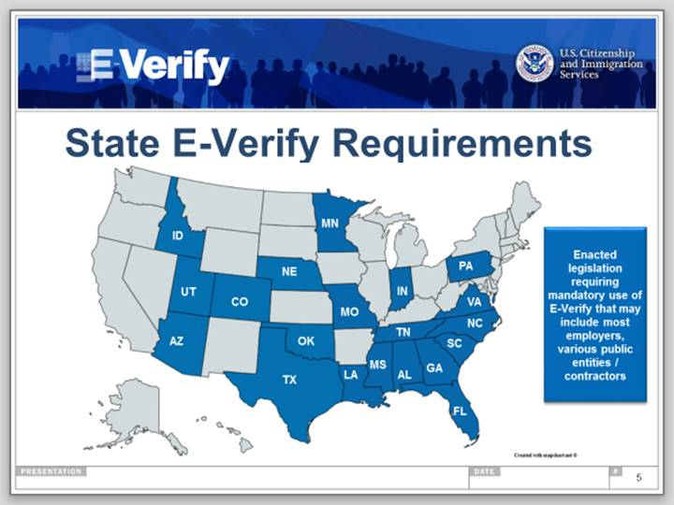
County or Parish*
Is the mailing address the same as the physical address? *
Mailing Address
City
State
Zip code
County or Parish
Which category best describes the company?*
If you indicated the company is a Government entity
If you indicated the company is a Federal Contractor
If you indicated the company is a Federal Contractor with FAR E-Verify Clause
Which employees will the company verify?
North American Industry Classification Systems Code - NAICS Code*
Total Hiring Locations*
Points of Contact *
Last Name*
First Name*
Telephone*
Email Address*
Does the company have an active E-Verify account?*
HIRING LOCATIONS
If the company has more than one location per state, please insert a new line and provide all the addresses
State | Number of Hiring Locations in Each State * | Address* | City * | Zip code *
Alabama
Alaska
Arizona
Arkansas
California
Colorado
Connecticut
Delaware
District of Columbia
Florida
Georgia
Guam
Hawaii
Idaho
Illinois
Indiana
Iowa
Kansas
Kentucky
Louisiana
Maine
Maryland
Marshall Islands
Massachusetts
Michigan
Minnesota
Mississippi
Missouri
Montana
Nebraska
Nevada
New Hampshire
New Jersey
New Mexico
New York
North Carolina
North Dakota
Ohio
Oklahoma
Oregon
Pennsylvania
Rhode Island
South Carolina
South Dakota
Tennessee
Texas
Utah
Vermont
Virginia
Washington
West Virginia
Wisconsin
Wyoming

HELP GUIDE
Which category best describes the company?
Government | Select this category if the company is a government entity.
Federal Contractor | Select this category if the company is a federal contractor.
Airport Operators | Select this category if the company is an airport operator that oversees an airport that serves an aircraft operator or a foreign air carrier and is required by TSA to have a security program.
Other | Select this category if the company is not a government entity or a federal contractor.
If you indicated the company is a Government entity
Local Government | Select this category if the organization is part of a U.S. local government. Common local governments include counties and local municipalities, such as cities, towns and villages.
State Government | Select this category if the organization is part of a U.S. state or territorial government. Common state organizations include state agencies, state-owned enterprises and state legislatures.
Federal Government | Select this category if the organization is part of the U.S. federal government. Common federal organizations include federal agencies, U.S. government-owned corporations and congressional offices.
If you indicated the company is a Federal contractor
Federal Contractor with FAR E-Verify Clause | Select this option if the company fits one of the exceptions (Institution of Higher Education, State or local government entity).
Federal Contractor without FAR E-Verify Clause | Select this option if the company will verify all new hires throughout the company and all existing employees who are assigned to their covered federal contracts.
If you indicated the company is a Federal contractor with FAR E-Verify Clause
Institution of Higher Education | Select this category if the contractor is an Institution of Higher Education, as defined at 20 U.S.C. §1001(a). The contractor may choose to only verify existing employees and new hires assigned to a covered federal contract.
State or Local Government | Select this category if the contractor is a State or local government entity. The contractor may choose to only verify existing employees and new hires assigned to a covered federal contract.
Federally Recognized Indian Tribe | Select this category if the contractor is a Federally recognized Indian tribe. The contractor may choose only to verify existing employees and new hires assigned to a covered federal contract.
Sureties | Select this category if the contractor is a surety performing under a takeover agreement entered into with a Federal agency pursuant to a performance bond. The contractor may choose to only verify existing employees and new hires assigned to a covered federal contract.
Other | Select this category if the company is not a government entity or a federal contractor.
Employee Verification
Assigned to a Covered Federal Contract Only | Select this option if the company fits one of the exceptions (Institution of Higher Education, State or local government entity, Federally recognized Indian tribe or surety) and will only verify new hires and existing employees assigned to a covered federal contract.
New Hires and Assigned to a Covered Federal Contract | Select this option if the company will verify all new hires throughout the company and all existing employees who are assigned to their covered federal contracts.
Entire Workforce | Select this option if the company will verify all new hires and all existing employees throughout the entire company.
Does the company have an active E-Verify Account?
Yes, the company has an active E-Verify Manual Account | Select this option if the company has a manual account in E-Verify. It means, you access to E-Verify website.
Yes, the company has an active E-Verify Account with another Employer Agent | Select this option if the company has an active E-Verify Account with another Employer Agent.
No | Select this option if the company does not have an active E-Verify Account.

