Necessary transformation
Note: Here we apply transformation on numeric Variables (log, sqrt, squre, exp) and identify which transformation gives best correlation between dependent and independent variables.
This is done to check which transformation increase the linear relationship between dependent and independent variable and so as to we can transform the variable to get the good model
 |  |  |  |  | Correlation matrix
 |  | lnlongten | lnlongmon | tenure | lnothdebt | lninc | lncreddebt | equipmon | equipten | tollmon | pets | pets_freshfish | debtinc | cardmon
No transformation | TotalSpend | 0.071806375034 | 0.060918723094 | 0.069973406725 | 0.2747533938 | 0.39717867989 | 0.25022832288 | 0.058539561421 | 0.075983130781 | 0.075344912131 | -0.0042231965631 | -0.0088869124824 | 0.014824667476 | 0.026961691369
Square transformation | TotalSpend1 | 0.070792120698 | 0.059170888819 | 0.061913695275 | 0.26323871913 | 0.39808889937 | -0.0035391426883 | 0.066701666832 | 0.079308228712 | 0.078756591645 | 0.002663080534 | -0.0071696022168 | 0.017524525013 | 0.020818020359
squareroot transformation | TotalSpend2 | 0.071570301405 | 0.061186070235 | 0.072574521273 | NA | 0.39543310158 | NA | 0.052587929063 | 0.068269659267 | 0.068011227456 | -0.012345052456 | -0.010764362522 | 0.013262435812 | 0.029945332789
Exponential transformation | TotalSpend3 | 0.056106175133 | 0.055258541433 | 0.0073994485116 | 0.28721933754 | 0.38570969552 | 0.25767412786 | 0.066989412286 | NA | 0.048686059409 | 0.011887580862 | -0.005780696068 | 0.025065312288 | 0.028738796489

Note:
No transformation |  | lnlongten
Square transformation |  | lninc | equipten | tollmon
squareroot transformation |  | lnlongmon | tenure | pets_freshfish | cardmon
Exponential transformation |  | lnothdebt | lncreddebt | equipmon | pets | debtinc

And while transforming the dependent variable I use box-cos transformation

The boxcos transformation equation is |  |  |  | x=(y^lambda-1)/lambda
The optimal value of lambda is get by boxcos plot. In this case the optimal value of lambda is 0.2
Box cos transformation to get the normalise dependent variable |  |  |  |  |  |  |  |  |  |  | Log transformation to get the normalise dependent variable

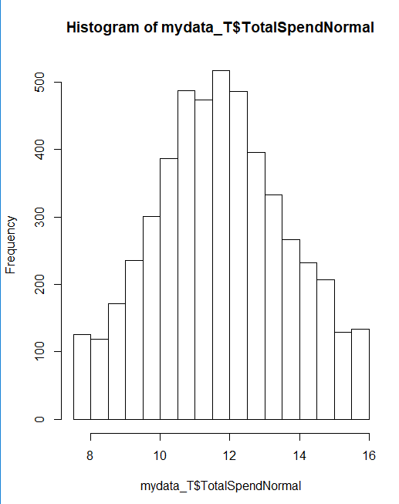
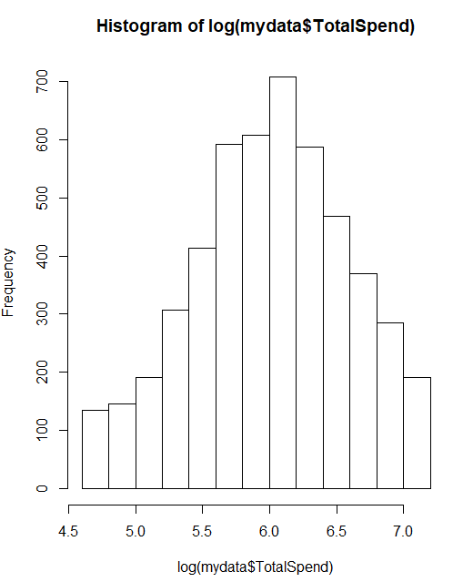

Conclusion: So we choosen the boxcos transformation to normalise the dependent variable

Model summary
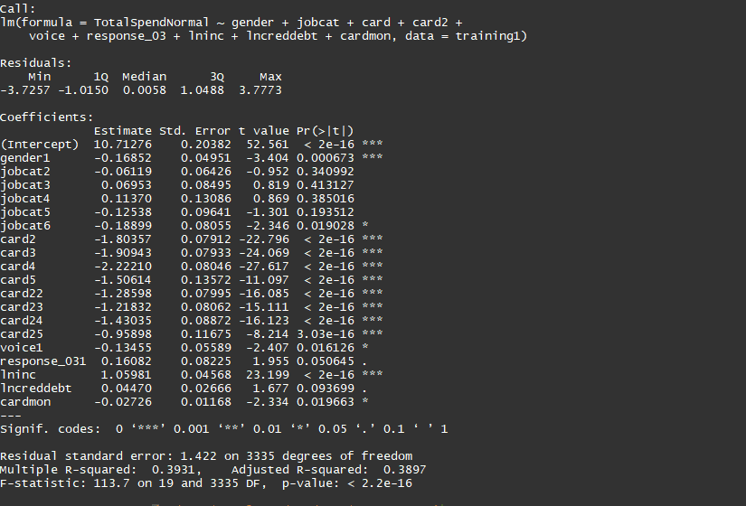

Decile analysis
Decile analysis training
 | Decile analysis on training data set |  |  |  | Correlation between actual and predicted total spend in training/dev data set
 | decile | count | Predict_avg_spent | Actual_avg_spend
1 | 10 | 336 | 770.01780639 | 826.44428571
2 | 9 | 335 | 613.71250804 | 647.78594925
3 | 8 | 336 | 532.3257975 | 555.39061607
4 | 7 | 335 | 474.41944257 | 506.68595522 | MAPE
5 | 6 | 336 | 426.1702995 | 446.92524107
6 | 5 | 335 | 387.57064492 | 422.12376119
7 | 4 | 335 | 353.17265965 | 368.87991493
8 | 3 | 336 | 321.49725224 | 349.48810417
9 | 2 | 335 | 287.43082467 | 319.96036866
10 | 1 | 336 | 245.52689202 | 275.16014137

Decile analysis testing/val
 | Decile analysis on testing data set
 | decile | count | avg_pre_spend | avg_Actual_spent
1 | 10 | 150 | 771.51284654 | 794.64047667 | Correlation between actual and predicted total spend in testing/val data set
2 | 9 | 150 | 608.76110058 | 676.67223667
3 | 8 | 150 | 527.93265468 | 560.67766667
4 | 7 | 150 | 475.06938694 | 510.35593667
5 | 6 | 150 | 430.77189731 | 485.61366667
6 | 5 | 149 | 387.7790056 | 417.86234899 | MAPE
7 | 4 | 150 | 349.22541338 | 403.88014667
8 | 3 | 150 | 317.93415955 | 344.04492
9 | 2 | 150 | 286.71428316 | 325.33854333
10 | 1 | 150 | 245.22684204 | 258.88804333

