Deciling and Rank ordering
 | decile | total_cnt | min_prob | max_prob | churn_cnt | non_churn_cnt | churn_rate | non_churn_rate | cum_churn | cum_non_churn | ks |  | RandomModel | Lift | Baseline
10% | 10 | 4000 | 0.62517355933 | 0.83103304441 | 2595 | 1405 | 12.98% | 7.03% | 12.98% | 7.03% | 5.95% |  | 10 | 1.30% | 1
20% | 9 | 4000 | 0.58303138526 | 0.62515580062 | 2419 | 1581 | 12.10% | 7.91% | 25.07% | 14.93% | 10.14% |  | 20 | 1.25% | 1
30% | 8 | 4000 | 0.55160830825 | 0.5830226079 | 2281 | 1719 | 11.41% | 8.60% | 36.48% | 23.53% | 12.95% |  | 30 | 1.22% | 1
40% | 7 | 4000 | 0.52513932396 | 0.55157429695 | 2200 | 1800 | 11.00% | 9.00% | 47.48% | 32.53% | 14.95% |  | 40 | 1.19% | 1
50% | 6 | 4000 | 0.5005666893 | 0.52513926376 | 2106 | 1894 | 10.53% | 9.47% | 58.01% | 42.00% | 16.01% |  | 50 | 1.16% | 1
60% | 5 | 4000 | 0.4748654226 | 0.50056470676 | 1988 | 2012 | 9.94% | 10.06% | 67.95% | 52.06% | 15.89% |  | 60 | 1.13% | 1
70% | 4 | 4000 | 0.44846009469 | 0.47485811095 | 1862 | 2138 | 9.31% | 10.69% | 77.26% | 62.75% | 14.51% |  | 70 | 1.10% | 1
80% | 3 | 4000 | 0.41698487923 | 0.44843967375 | 1716 | 2284 | 8.58% | 11.42% | 85.84% | 74.16% | 11.67% |  | 80 | 1.07% | 1
90% | 2 | 4000 | 0.37460922126 | 0.41698115826 | 1576 | 2424 | 7.88% | 12.12% | 93.71% | 86.28% | 7.43% |  | 90 | 1.04% | 1
100% | 1 | 4000 | 0.16626257358 | 0.37459170332 | 1257 | 2743 | 6.29% | 13.72% | 100.00% | 100.00% | 0.00% |  | 100 | 1.00% | 1
 |  |  |  |  | 20000 | 20000
 |  |  |  |  |  |  |  |  |  |  |  | KS=17

 | decile | total_cnt | min_prob | max_prob | churn_cnt | non_churn_cnt | churn_rate | non_churn_rate | cum_churn | cum_non_churn | ks |  | RandomModel | Lift | Baseline
1 | 10 | 3105 | 0.60807611231 | 0.80457115328 | 100 | 3005 | 16.42% | 9.87% | 16.42% | 9.87% | 6.55% |  | 10 | 1.64% | 1
2 | 9 | 3105 | 0.56408568356 | 0.60806221512 | 91 | 3014 | 14.94% | 9.90% | 31.36% | 19.77% | 11.59% |  | 20 | 1.57% | 1
3 | 8 | 3104 | 0.53238302035 | 0.56407956345 | 80 | 3024 | 13.14% | 9.93% | 44.50% | 29.71% | 14.79% |  | 30 | 1.48% | 1
4 | 7 | 3105 | 0.50519739704 | 0.53236501813 | 74 | 3031 | 12.15% | 9.96% | 56.65% | 39.67% | 16.98% |  | 40 | 1.42% | 1
5 | 6 | 3105 | 0.4801256926 | 0.50519178622 | 56 | 3049 | 9.20% | 10.02% | 65.85% | 49.68% | 16.16% |  | 50 | 1.32% | 1
6 | 5 | 3104 | 0.45563129019 | 0.48012289263 | 54 | 3050 | 8.87% | 10.02% | 74.71% | 59.70% | 15.01% |  | 60 | 1.25% | 1
7 | 4 | 3105 | 0.4291806729 | 0.45562015643 | 45 | 3060 | 7.39% | 10.05% | 82.10% | 69.76% | 12.34% |  | 70 | 1.17% | 1
8 | 3 | 3104 | 0.39800160063 | 0.429176148 | 44 | 3060 | 7.22% | 10.05% | 89.33% | 79.81% | 9.52% |  | 80 | 1.12% | 1
9 | 2 | 3105 | 0.35817209564 | 0.39798278409 | 39 | 3066 | 6.40% | 10.07% | 95.73% | 89.88% | 5.85% |  | 90 | 1.06% | 1
10 | 1 | 3105 | 0.17232028009 | 0.3581504445 | 26 | 3079 | 4.27% | 10.12% | 100.00% | 100.00% | 0.00% |  | 100 | 1.00% | 1
 |  |  |  |  | 609 | 30438
Churn rate-Train and test comparision

 |  | Gain Chart

Accuracy metrics
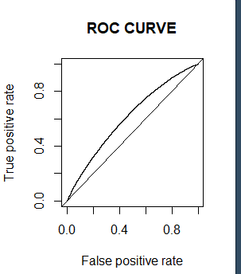
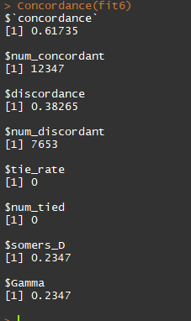
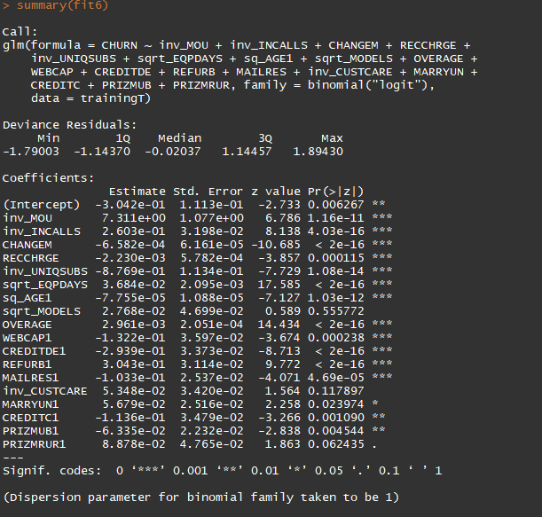

 |  | Concordance-->62 (approx)

Hosmer Lemeshow -Goodness of fit test

Sensitivity---> | 57.74
Specificity---> | 58.22

