task3_1_1,2
 |  | Create a chart showing the total sales per month. ○ Identify any seasonal trends or significant spikes in sales.
Row Labels | Sum of list_price
2017-01 | 1814943.49
Total salesper month
2017-02 | 1744536.31
2017-03 | 1752618.98
2017-04 | 1791861.52
2017-05 | 1864538.66
2017-06 | 1709785.22
2017-07 | 1837843.44
2017-08 | 1882049.62
2017-09 | 1698320.44
2017-10 | 1911531.54
2017-11 | 1755629.99
2017-12 | 1768512.51
Grand Total | 21532171.72

task3_2_2
Row Labels | Sum of list_price
Giant Bicycles | 4007214.41
Norco Bicycles | 2613964.32
OHM Cycles | 2935012.34
Solex | 4398545.7
Trek Bicycles | 3474769.01
WeareA2B | 4102665.94
Grand Total | 21532171.72
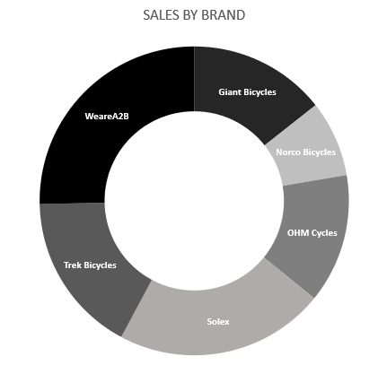

 |  | Show the total sales for each brand.

