Sheet1
Please update the circuit photo if you chage the table

Input Voltage(V) | Output Current(A) | Output Voltage(V) | ∆V(V) | Ripple(%) | Output Power(W) | Input Power(W) | Eff(%)
24.00 | 2.99 | 14.93 | 0.21 | 1.41 | 44.56 | 55.58 | 80.17
24.00 | 0.32 | 15.78 | 0.04 | 0.23 | 4.98 | 5.98 | 83.28
48.00 | 3.03 | 15.16 | 0.14 | 0.95 | 46.00 | 56.00 | 82.14
48.00 | 0.32 | 15.84 | 0.03 | 0.21 | 4.98 | 6.08 | 81.91

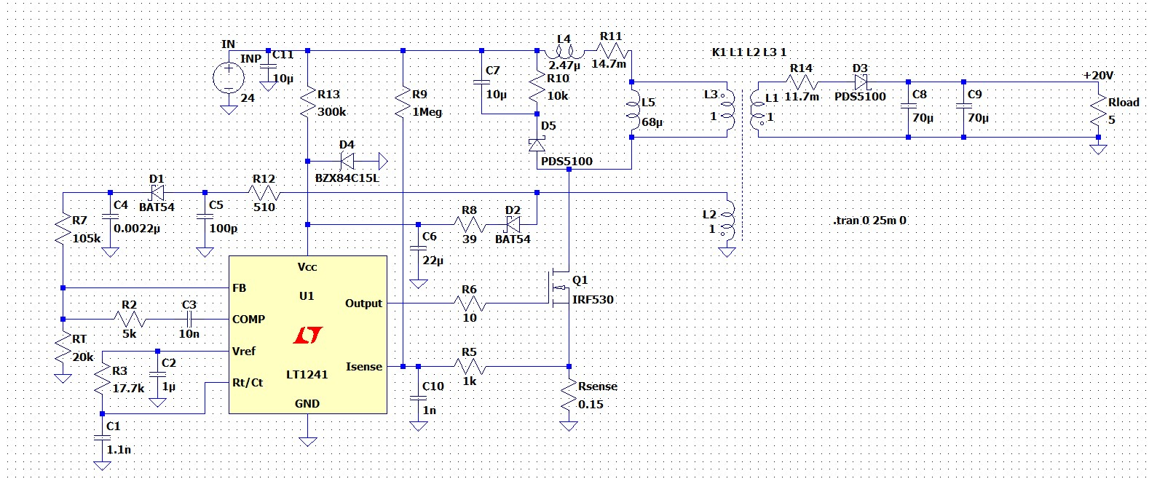
Line Reg(0.3A)(%) | 0.40
Line Reg(3A)(%) | 1.5666666667
Load Reg(48V)(%) | 4.53
Load Reg(24V)(%) | 5.70

