Calculate
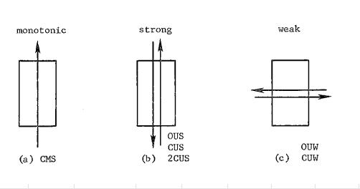
Width
Depth
Load
y
z
Width
Depth
Load
y
z
Load is applied along the width axis
 |  |  |  | Rebar |  | Diameter(inch) | Diameter(mm) | Area(mm^2) |  |  |  | fcc | epscc | fcu | epscu
Section |  |  |  | 6mm | 6mm | 0.24 | 6.00 | 28.274333882 |  |  |  | 40.024238266 | 0.0034682631134 | 15.205451071 | 0.016025964647
Width(y) |  | 230 |  | #4 | D13 | 0.50 | 12.70 | 126.67686977
Depth(z) |  | 410 |  | #5 | D16 | 0.63 | 15.88 | 197.93260902 |  |  |  | Vn | Vst
Clear cover (y) |  | 25 |  | #6 | D19 | 0.75 | 19.05 | 285.02295699 |  |  |  | 227170.41541 | 653986392.11
Clear cover (z) |  | 25 |  | #7 | D22 | 0.88 | 22.22 | 387.94791368
 |  |  |  | #8 | D25 | 1.00 | 25.40 | 506.7074791
Transverse Reinforcement
spacing |  | 89 |  | z reinforcement |  | # | Type |  |  |  |  | mm-s-N-Mpa
Tr. Hoop Rebar |  | 6mm |  |  |  | 4 | 6mm |  | w | w-db | (w-db)^2 | inches | 25.4
fy Hoop (Mpa) |  | 414 |  |  |  |  | #4 |  | 149 | 129.95 | 16887.0025 | feet | 304.8
# of hoop in a bundle |  | 1 |  |  |  |  | #5 |  | 82.25 | 63.20 | 3994.24 | ksi | 6.8947590868
Clear distance |  | 83 |  |  |  |  |  |  | 164.6 | 145.55 | 21184.8025 | psi | 0.0068947573
Width (core) |  | 174.00 |  | y reinforcement |  | # | Type |  | 82.25 | 63.20 | 3994.24 | kgf/cm2 | 0.09807
Depth (core) |  | 354.00 |  |  |  | 2 | 6mm |  | 149 | 129.95 | 16887.0025
Area in a bundle |  | 28.274333882 |  |  |  |  | #4 |  | 82.25 | 63.20 | 3994.24
Area of core |  | 61596 |  |  |  |  | #5 |  | 164.6 | 145.55 | 21184.8025
 |  |  |  |  |  |  |  |  | 82.25 | 63.20 | 3994.24
 |  |  |  | Concrete
Longitudinal Reinforcement |  |  |  | fc (Mpa) |  | 34.9
Long. Rebar |  | #6 |  | eps0 |  | 0.002
# of bars |  | 10 |  | epss |  | 0.005
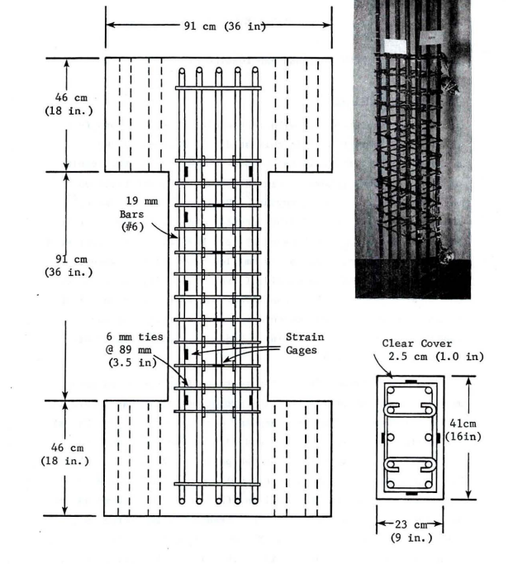
fy |  | 441 |  | Ec |  | 22192.539287
As |  | 2850.2295699
rho_cc |  | 0.046272965289 |  | Mander's Model
rho |  | 0.030225127995 |  | Ae |  | 31085.321824
 |  |  |  | ke |  | 0.52914995576
 |  |  |  | rho_tz |  | 0.0035897078502
poisson | 0.2 |  |  | rho_ty |  | 0.0036515993649
Shear Capacity |  |  |  | rho_t |  | 0.0072413072151
G |  | 9246.8913695 |  | flz |  | 0.78639041255
rhotfyh |  | 2.42 | 2.9979011871 | fly |  | 0.79994886794
fv1 |  | 0.2496 | 0.2496 | xfactor |  | 0.022726923789
ALR |  | 0.21926304348 |  | rfactor |  | 0.98305084746
fv2 |  | 1.2192630435 | 1.2192630435 | Afactor |  | 6.7582016253
vc |  | 1.7978551762 |  | Bfactor |  | 2.2647869187
Vc |  | 135630.19449 |  | Kfactor |  | 1.1468263113
Vs |  | 91540.220923 |  | fcc |  | 40.024238266
Vn |  | 227170.41541 |  | epscc |  | 0.0034682631134
Vst |  | 653986392.11 |  | ecr |  | 2.0833369568
 |  |  |  | epscu |  | 0.016025964647
 |  |  |  | fcu |  | 15.205451071

