Calculate
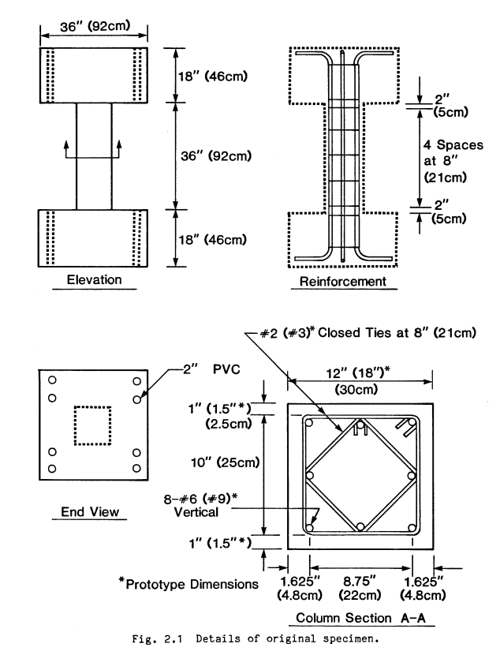
Width
Depth
Load
y
z
Width
Depth
Load
y
z
Load is applied along the width axis
 |  |  |  | Rebar |  | Diameter(inch) | Diameter(mm) | Area(mm^2) |  |  |  | fcc | epscc | fcu | epscu
Section |  |  |  | 6mm | 6mm | 0.24 | 6.00 | 28.27433388 |  |  |  | 31.72488682 | 0.002610330039 | 7.863213379 | 0.01241237232
Width(y) |  | 305 |  | #4 | D13 | 0.50 | 12.70 | 126.6768698
Depth(z) |  | 305 |  | #5 | D16 | 0.63 | 15.88 | 197.932609 |  |  |  | Vn | Vst
Clear cover (y) |  | 25.4 |  | #6 | D19 | 0.75 | 19.05 | 285.022957 |  |  |  | 151885.2513 | 597144695
Clear cover (z) |  | 25.4 |  | #7 | D22 | 0.88 | 22.23 | 387.9479137
 |  |  |  | #8 | D25 | 1.00 | 25.40 | 506.7074791
Transverse Reinforcement
spacing |  | 210 |  | z reinforcement |  | # | Type |  |  |  |  | mm-s-N-Mpa
Tr. Hoop Rebar |  | 6mm |  |  |  | 4 | 6mm |  | w | w-db | (w-db)^2 | inches | 25.4
fy Hoop (Mpa) |  | 414 |  |  |  |  | #4 |  | 111.5 | 92.45 | 8547.0025 | feet | 304.8
# of hoop in a bundle |  | 2 |  |  |  |  | #5 |  | 111.5 | 92.45 | 8547.0025 | ksi | 6.8947590868
Clear distance |  | 198 |  |  |  |  |  |  | 111.5 | 92.45 | 8547.0025 | psi | 0.0068947573
Width (core) |  | 248.20 |  | y reinforcement |  | # | Type |  | 111.5 | 92.45 | 8547.0025 | kgf/cm2 | 0.09807
Depth (core) |  | 248.20 |  |  |  | 4 | 6mm |  | 111.5 | 92.45 | 8547.0025
Area in a bundle |  | 56.54866776 |  |  |  |  | #4 |  | 111.5 | 92.45 | 8547.0025
Area of core |  | 61603.24 |  |  |  |  | #5 |  | 111.5 | 92.45 | 8547.0025
 |  |  |  |  |  |  |  |  | 111.5 | 92.45 | 8547.0025
 |  |  |  | Concrete
Longitudinal Reinforcement |  |  |  | fc (Mpa) |  | 29.9
Long. Rebar |  | #6 |  | eps0 |  | 0.002
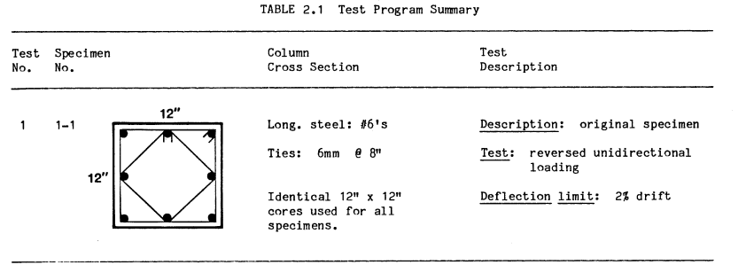
# of bars |  | 8 |  | epss |  | 0.005
fy |  | 462 |  | Ec |  | 20541.39236
As |  | 2280.183656
rho_cc |  | 0.0370140216 |  | Mander's Model
rho |  | 0.02451151471 |  | Ae |  | 18142.63699
 |  |  |  | ke |  | 0.3058277525
 |  |  |  | rho_tz |  | 0.00216985794
poisson | 0.2 |  |  | rho_ty |  | 0.00216985794
Shear Capacity |  |  |  | rho_t |  | 0.004339715879
G |  | 8558.913482 |  | flz |  | 0.2747315496
rhotfyh |  | 1.796642374 | 1.796642374 | fly |  | 0.2747315496
fv1 |  | 0.1997313899 | 0.1997313899 | xfactor |  | 0.009188346141
ALR |  | 0.18785 |  | rfactor |  | 1
fv2 |  | 1.18785 | 1.18785 | Afactor |  | 6.766780029
vc |  | 1.297309267 |  | Bfactor |  | 2.268406625
Vc |  | 96545.75566 |  | Kfactor |  | 1.061033004
Vs |  | 55339.49568 |  | fcc |  | 31.72488682
Vn |  | 151885.2513 |  | epscc |  | 0.002610330039
Vst |  | 597144695 |  | ecr |  | 2.448960632
 |  |  |  | epscu |  | 0.01241237232
 |  |  |  | fcu |  | 7.863213379

