Calculate
Width
Depth
Load
y
z
Width
Depth
Load
y
z
Load is applied along the width axis
 |  |  |  | Rebar |  | Diameter(inch) | Diameter(mm) | Area(mm^2) |  |  |  | fcc | epscc | fcu | epscu
Section |  |  |  | 10mm | 10mm | 0.39 | 10.00 | 78.53981634 |  |  |  | 47.462455045 | 0.0028858841846 | 5.623128873 | 0.014714600975
Width(y) |  | 350 |  | #4 | D13 | 0.50 | 12.70 | 126.67686977
Depth(z) |  | 350 |  | #5 | D16 | 0.63 | 15.88 | 197.93260902 |  |  |  | Vn | Vst
Clear cover (y) |  | 22.5 |  | #6 | D19 | 0.75 | 19.05 | 285.02295699 |  |  |  | 350951.9027 | 949562683.06
Clear cover (z) |  | 22.5 |  | #7 | D22 | 0.88 | 22.22 | 387.94791368
 |  |  |  | 25mm | 25mm | 0.98 | 25.00 | 490.87385212
Transverse Reinforcement
spacing |  | 150 |  | z reinforcement |  | # | Type |  |  |  |  | mm-s-N-Mpa
Tr. Hoop Rebar |  | 10mm |  |  |  | 2 | 10mm |  | w | w-db | (w-db)^2 | inches | 25.4
fy Hoop (Mpa) |  | 470 |  |  |  |  | #4 |  | 260 | 235.00 | 55225 | feet | 304.8
# of hoop in a bundle |  | 1 |  |  |  |  | #5 |  | 260 | 235.00 | 55225 | ksi | 6.8947590868
Clear distance |  | 140 |  |  |  |  |  |  | 260 | 235.00 | 55225 | psi | 0.0068947573
Width (core) |  | 295.00 |  | y reinforcement |  | # | Type |  | 260 | 235.00 | 55225 | kgf/cm2 | 0.09807
Depth (core) |  | 295.00 |  |  |  | 2 | 10mm
Area in a bundle |  | 78.53981634 |  |  |  |  | #4
Area of core |  | 87025 |  |  |  |  | #5

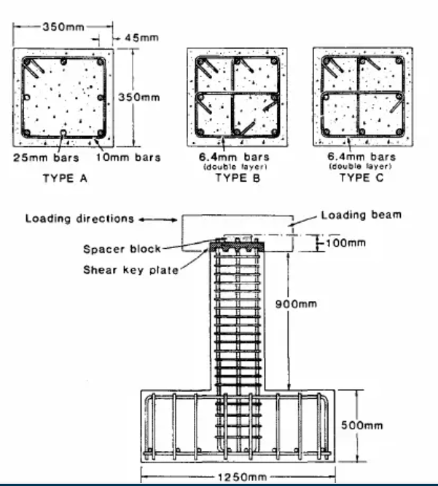
 |  |  |  | Concrete
Longitudinal Reinforcement |  |  |  | fc (Mpa) |  | 43.6
Long. Rebar |  | 25mm |  | eps0 |  | 0.002
# of bars |  | 8 |  | epss |  | 0.005
fy |  | 430 |  | Ec |  | 24804.902741
As |  | 3926.990817
rho_cc |  | 0.045124858569 |  | Mander's Model
rho |  | 0.032057067894 |  | Ae |  | 29207.663028
 |  |  |  | ke |  | 0.35148450986
 |  |  |  | rho_tz |  | 0.0035498222074
poisson | 0.2 |  |  | rho_ty |  | 0.0035498222074
Shear Capacity |  |  |  | rho_t |  | 0.0070996444149
G |  | 10335.376142 |  | flz |  | 0.58642253377
rhotfyh |  | 2.42 | 3.336832875 | fly |  | 0.58642253377
fv1 |  | 0.2496 | 0.2496 | xfactor |  | 0.013450058114
ALR |  | 0.27392173913 |  | rfactor |  | 1
fv2 |  | 1.2739217391 | 1.2739217391 | Afactor |  | 6.766780029
vc |  | 2.0995710432 |  | Bfactor |  | 2.2684066254
Vc |  | 205757.96223 |  | Kfactor |  | 1.0885884185
Vs |  | 145193.94047 |  | fcc |  | 47.462455045
Vn |  | 350951.9027 |  | epscc |  | 0.0028858841846
Vst |  | 949562683.06 |  | ecr |  | 2.9676312013
 |  |  |  | epscu |  | 0.014714600975
 |  |  |  | fcu |  | 5.623128873

