Calculate
Width
Depth
Load
y
z
Width
Depth
Load
y
z
Load is applied along the width axis
 |  |  |  | Rebar |  | Diameter(inch) | Diameter(mm) | Area(mm^2) |  |  |  | fcc | epscc | fcu | epscu
Section |  |  |  | 10mm | 10mm | 0.39 | 10.00 | 78.53981634 |  |  |  | 44.685990544 | 0.0048408018804 | 19.822205029 | 0.030848080603
Width(y) |  | 350 |  | #4 | D13 | 0.50 | 12.70 | 126.67686977
Depth(z) |  | 350 |  | #5 | D16 | 0.63 | 15.88 | 197.93260902 |  |  |  | Vn | Vst
Clear cover (y) |  | 22.5 |  | #6 | D19 | 0.75 | 19.05 | 285.02295699 |  |  |  | 466234.42943 | 848340139.44
Clear cover (z) |  | 22.5 |  | #7 | D22 | 0.88 | 22.22 | 387.94791368
 |  |  |  | 25mm | 25mm | 0.98 | 25.00 | 490.87385212
Transverse Reinforcement
spacing |  | 75 |  | z reinforcement |  | # | Type |  |  |  |  | mm-s-N-Mpa
Tr. Hoop Rebar |  | 10mm |  |  |  | 2 | 10mm |  | w | w-db | (w-db)^2 | inches | 25.4
fy Hoop (Mpa) |  | 470 |  |  |  |  | #4 |  | 260 | 235.00 | 55225 | feet | 304.8
# of hoop in a bundle |  | 1 |  |  |  |  | #5 |  | 260 | 235.00 | 55225 | ksi | 6.8947590868
Clear distance |  | 65 |  |  |  |  |  |  | 260 | 235.00 | 55225 | psi | 0.0068947573
Width (core) |  | 295.00 |  | y reinforcement |  | # | Type |  | 260 | 235.00 | 55225 | kgf/cm2 | 0.09807
Depth (core) |  | 295.00 |  |  |  | 2 | 10mm
Area in a bundle |  | 78.53981634 |  |  |  |  | #4
Area of core |  | 87025 |  |  |  |  | #5

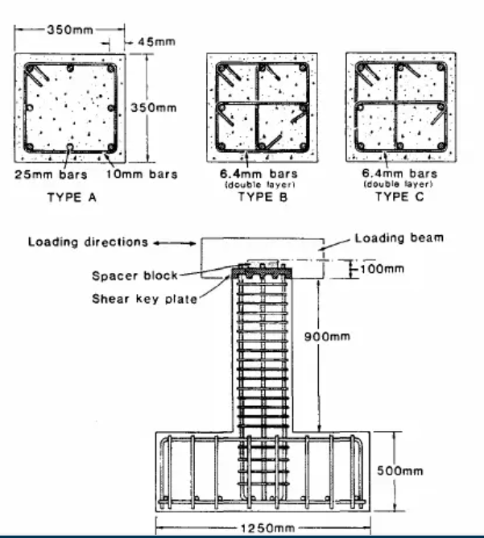
 |  |  |  | Concrete
Longitudinal Reinforcement |  |  |  | fc (Mpa) |  | 34.8
Long. Rebar |  | 25mm |  | eps0 |  | 0.002
# of bars |  | 8 |  | epss |  | 0.005
fy |  | 430 |  | Ec |  | 22160.72201
As |  | 3926.990817
rho_cc |  | 0.045124858569 |  | Mander's Model
rho |  | 0.032057067894 |  | Ae |  | 39754.874677
 |  |  |  | ke |  | 0.47840947175
 |  |  |  | rho_tz |  | 0.0070996444149
poisson | 0.2 |  |  | rho_ty |  | 0.0070996444149
Shear Capacity |  |  |  | rho_t |  | 0.01419928883
G |  | 9233.6341708 |  | flz |  | 1.5963724531
rhotfyh |  | 2.42 | 6.67366575 | fly |  | 1.5963724531
fv1 |  | 0.2496 | 0.2496 | xfactor |  | 0.045872771639
ALR |  | 0.21863478261 |  | rfactor |  | 1
fv2 |  | 1.2186347826 | 1.2186347826 | Afactor |  | 6.766780029
vc |  | 1.7943525355 |  | Bfactor |  | 2.2684066254
Vc |  | 175846.54848 |  | Kfactor |  | 1.284080188
Vs |  | 290387.88095 |  | fcc |  | 44.685990544
Vn |  | 466234.42943 |  | epscc |  | 0.0048408018804
Vst |  | 848340139.44 |  | ecr |  | 1.7139514799
 |  |  |  | epscu |  | 0.030848080603
 |  |  |  | fcu |  | 19.822205029

