Calculate
Width
Depth
Load
y
z
Width
Depth
Load
y
z
Load is applied along the width axis
 |  |  |  | Rebar |  | Diameter(inch) | Diameter(mm) | Area(mm^2) |  |  |  | fcc | epscc | fcu | epscu
Section |  |  |  | 6.4mm | 6.4mm | 0.25 | 6.40 | 32.16990877 |  |  |  | 46.79293169 | 0.004545021901 | 23.86683056 | 0.02024457439
Width(y) |  | 350 |  | #4 | D13 | 0.50 | 12.70 | 126.6768698
Depth(z) |  | 350 |  | #5 | D16 | 0.63 | 15.88 | 197.932609 |  |  |  | Vn | Vst
Clear cover (y) |  | 26 |  | #6 | D19 | 0.75 | 19.05 | 285.022957 |  |  |  | 368406.6818 | 878283674.5
Clear cover (z) |  | 26 |  | #7 | D22 | 0.88 | 22.23 | 387.9479137
 |  |  |  | 25mm | 25mm | 0.98 | 25.00 | 490.8738521
Transverse Reinforcement
spacing |  | 65 |  | z reinforcement |  | # | Type |  |  |  |  | mm-s-N-Mpa
Tr. Hoop Rebar |  | 6.4mm |  |  |  | 3 | 6.4mm |  | w | w-db | (w-db)^2 | inches | 25.4
fy Hoop (Mpa) |  | 425 |  |  |  |  | #4 |  | 130 | 105.00 | 11025 | feet | 304.8
# of hoop in a bundle |  | 1 |  |  |  |  | #5 |  | 130 | 105.00 | 11025 | ksi | 6.8947590868
Clear distance |  | 58.6 |  |  |  |  |  |  | 130 | 105.00 | 11025 | psi | 0.0068947573
Width (core) |  | 291.60 |  | y reinforcement |  | # | Type |  | 130 | 105.00 | 11025 | kgf/cm2 | 0.09807
Depth (core) |  | 291.60 |  |  |  | 3 | 6.4mm |  | 130 | 105.00 | 11025
Area in a bundle |  | 32.16990877 |  |  |  |  | #4 |  | 130 | 105.00 | 11025
Area of core |  | 85030.56 |  |  |  |  | #5 |  | 130 | 105.00 | 11025
 |  |  |  |  |  |  |  |  | 130 | 105.00 | 11025
 |  |  |  | Concrete
Longitudinal Reinforcement |  |  |  | fc (Mpa) |  | 37.3
Long. Rebar |  | 25mm |  | eps0 |  | 0.002
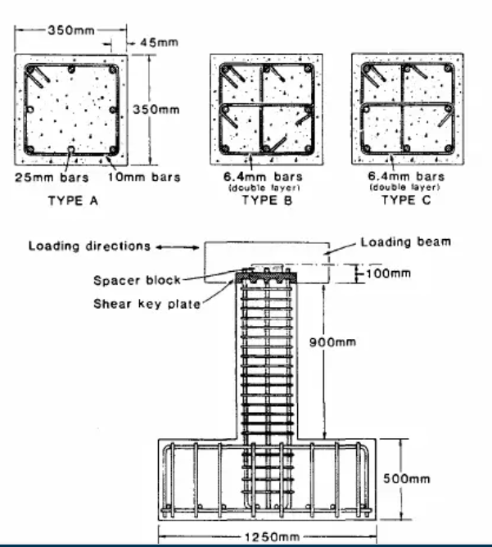
# of bars |  | 8 |  | epss |  | 0.005
fy |  | 437 |  | Ec |  | 22942.92048
As |  | 3926.990817
rho_cc |  | 0.04618328771 |  | Mander's Model
rho |  | 0.03205706789 |  | Ae |  | 56906.99032
 |  |  |  | ke |  | 0.7016582733
 |  |  |  | rho_tz |  | 0.005091786764
poisson | 0.2 |  |  | rho_ty |  | 0.005091786764
Shear Capacity |  |  |  | rho_t |  | 0.01018357353
G |  | 9559.550199 |  | flz |  | 1.518395081
rhotfyh |  | 2.42 | 4.328018749 | fly |  | 1.518395081
fv1 |  | 0.2496 | 0.2496 | xfactor |  | 0.04070764293
ALR |  | 0.2343413043 |  | rfactor |  | 1
fv2 |  | 1.234341304 | 1.234341304 | Afactor |  | 6.766780029
vc |  | 1.881630131 |  | Bfactor |  | 2.268406625
Vc |  | 184399.7528 |  | Kfactor |  | 1.25450219
Vs |  | 184006.929 |  | fcc |  | 46.79293169
Vn |  | 368406.6818 |  | epscc |  | 0.004545021901
Vst |  | 878283674.5 |  | ecr |  | 1.814028742
 |  |  |  | epscu |  | 0.02024457439
 |  |  |  | fcu |  | 23.86683056

