Calculate
Width
Depth
Load
y
z
Width
Depth
Load
y
z
Load is applied along the width axis
 |  |  |  | Rebar |  | Diameter(inch) | Diameter(mm) | Area(mm^2) |  |  |  | fcc | epscc | fcu | epscu
Section |  |  |  | #3 | D10 | 0.38 | 9.53 | 71.25573925 |  |  |  | 85.20251836 | 0.004241741143 | 7.33414388 | 0.02961612926
Width(y) |  | 203 |  | #4 | D13 | 0.50 | 12.70 | 126.6768698
Depth(z) |  | 203 |  | #5 | D16 | 0.63 | 15.88 | 197.932609 |  |  |  | Vn | Vst
Clear cover (y) |  | 33.9 |  | #6 | D19 | 0.75 | 19.05 | 285.022957 |  |  |  | 177398.4424 | 403590561.6
Clear cover (z) |  | 39.8 |  | #7 | D22 | 0.88 | 22.23 | 387.9479137
 |  |  |  | #8 | D25 | 1.00 | 25.40 | 506.7074791
Transverse Reinforcement
spacing |  | 76.2 |  | z reinforcement |  | # | Type |  |  |  |  | mm-s-N-Mpa
Tr. Hoop Rebar |  | #3 |  |  |  | 2 | #3 |  | w | w-db | (w-db)^2 | inches | 25.4
fy Hoop (Mpa) |  | 406.8 |  |  |  |  | #4 |  | 100.27 | 84.40 | 7122.516025 | feet | 304.8
# of hoop in a bundle |  | 1 |  |  |  |  | #5 |  | 88.47 | 72.60 | 5270.034025 | ksi | 6.8947590868
Clear distance |  | 66.675 |  |  |  |  |  |  | 100.27 | 84.40 | 7122.516025 | psi | 0.0068947573
Width (core) |  | 113.88 |  | y reinforcement |  | # | Type |  | 88.47 | 72.60 | 5270.034025 | kgf/cm2 | 0.09807
Depth (core) |  | 125.68 |  |  |  | 2 | #3
Area in a bundle |  | 71.25573925 |  |  |  |  | #4
Area of core |  | 14311.24063 |  |  |  |  | #5

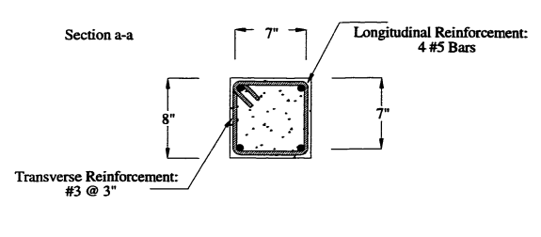
 |  |  |  | Concrete
Longitudinal Reinforcement |  |  |  | fc (Mpa) |  | 69.6
Long. Rebar |  | #5 |  | eps0 |  | 0.002
# of bars |  | 4 |  | epss |  | 0.005
fy |  | 586.1 |  | Ec |  | 31339.99362
As |  | 791.7304361
rho_cc |  | 0.05532227826 |  | Mander's Model
rho |  | 0.01921256124 |  | Ae |  | 5290.094305
 |  |  |  | ke |  | 0.3912933406
 |  |  |  | rho_tz |  | 0.01488147505
poisson | 0.2 |  |  | rho_ty |  | 0.0164235291
Shear Capacity |  |  |  | rho_t |  | 0.03130500415
G |  | 13058.33067 |  | flz |  | 2.368805384
rhotfyh |  | 2.42 | 12.73487569 | fly |  | 2.614266666
fv1 |  | 0.2496 | 0.2496 | xfactor |  | 0.03579793139
ALR |  | 0.4372695652 |  | rfactor |  | 0.9061070221
fv2 |  | 1.437269565 | 1.437269565 | Afactor |  | 6.711646104
vc |  | 2.753078277 |  | Bfactor |  | 2.2455279
Vc |  | 90761.28218 |  | Kfactor |  | 1.224174114
Vs |  | 86637.16022 |  | fcc |  | 85.20251836
Vn |  | 177398.4424 |  | epscc |  | 0.004241741143
Vst |  | 403590561.6 |  | ecr |  | 2.784958166
 |  |  |  | epscu |  | 0.02961612926
 |  |  |  | fcu |  | 7.33414388

