Calculate
Width
Depth
Load
y
z
Width
Depth
Load
y
z
Load is applied along the width axis
 |  |  |  | Rebar |  | Diameter(inch) | Diameter(mm) | Area(mm^2) |  |  |  | fcc | epscc | fcu | epscu
Section |  |  |  | #2 | #2 | 0.25 | 6.35 | 31.66921744 |  |  |  | 41.75511354 | 0.007998127791 | 29.64583532 | 0.04235122814
Width(y) |  | 400 |  | #4 | D13 | 0.50 | 12.70 | 126.6768698
Depth(z) |  | 400 |  | #5 | D16 | 0.63 | 15.88 | 197.932609 |  |  |  | Vn | Vst
Clear cover (y) |  | 34 |  | #6 | D19 | 0.75 | 19.05 | 285.022957 |  |  |  | 569093.6479 | 959587411.3
Clear cover (z) |  | 34 |  | #7 | D22 | 0.88 | 22.23 | 387.9479137
 |  |  |  | #8 | D25 | 1.00 | 25.40 | 506.7074791
Transverse Reinforcement
spacing |  | 50 |  | z reinforcement |  | # | Type |  |  |  |  | mm-s-N-Mpa
Tr. Hoop Rebar |  | #2 |  |  |  | 4 | #2 |  | w | w-db | (w-db)^2 | inches | 25.4
fy Hoop (Mpa) |  | 459.5 |  |  |  |  | #4 |  | 100.83 | 81.78 | 6687.9684 | feet | 304.8
# of hoop in a bundle |  | 1 |  |  |  |  | #5 |  | 100.83 | 81.78 | 6687.9684 | ksi | 6.8947590868
Clear distance |  | 43.65 |  |  |  |  |  |  | 100.83 | 81.78 | 6687.9684 | psi | 0.0068947573
Width (core) |  | 325.65 |  | y reinforcement |  | # | Type |  | 100.83 | 81.78 | 6687.9684 | kgf/cm2 | 0.09807
Depth (core) |  | 325.65 |  |  |  | 4 | #2 |  | 100.83 | 81.78 | 6687.9684
Area in a bundle |  | 31.66921744 |  |  |  |  | #4 |  | 100.83 | 81.78 | 6687.9684
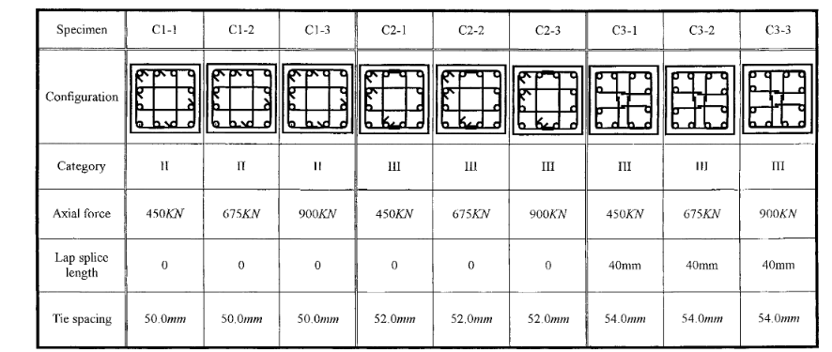
Area of core |  | 106047.9225 |  |  |  |  | #5 |  | 100.83 | 81.78 | 6687.9684
 |  |  |  |  |  |  |  |  | 100.83 | 81.78 | 6687.9684
 |  |  |  | Concrete |  |  |  |  | 100.83 | 81.78 | 6687.9684
Longitudinal Reinforcement |  |  |  | fc (Mpa) |  | 26.1 |  |  | 100.83 | 81.78 | 6687.9684
Long. Rebar |  | #6 |  | eps0 |  | 0.002 |  |  | 100.83 | 81.78 | 6687.9684
# of bars |  | 12 |  | epss |  | 0.005 |  |  | 100.83 | 81.78 | 6687.9684
fy |  | 497 |  | Ec |  | 19191.74823
As |  | 3420.275484
rho_cc |  | 0.03225216867 |  | Mander's Model
rho |  | 0.02137672177 |  | Ae |  | 80666.51913
 |  |  |  | ke |  | 0.7860115815
 |  |  |  | rho_tz |  | 0.007779939799
poisson | 0.2 |  |  | rho_ty |  | 0.007779939799
Shear Capacity |  |  |  | rho_t |  | 0.0155598796
G |  | 7996.561761 |  | flz |  | 2.80989892
rhotfyh |  | 2.42 | 7.149764675 | fly |  | 2.80989892
fv1 |  | 0.2496 | 0.2496 | xfactor |  | 0.1076589624
ALR |  | 0.163976087 |  | rfactor |  | 1
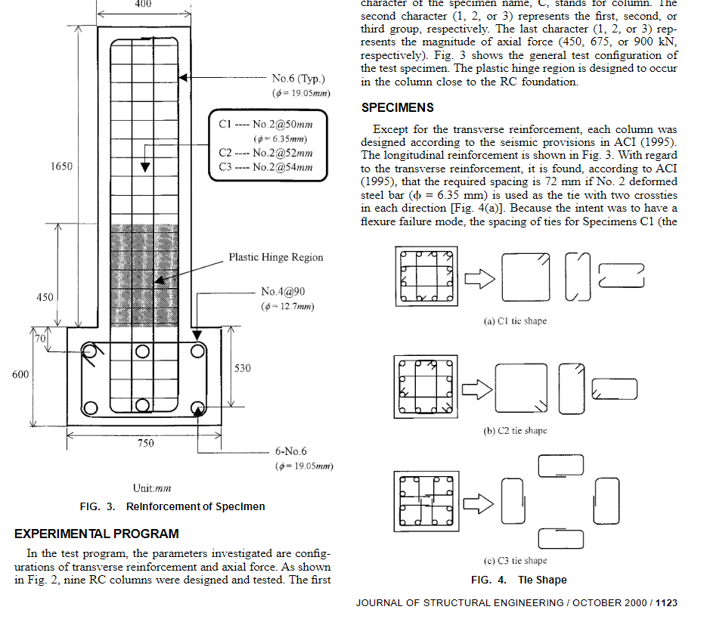
fv2 |  | 1.163976087 | 1.163976087 | Afactor |  | 6.766780029
vc |  | 1.484256272 |  | Bfactor |  | 2.268406625
Vc |  | 189984.8028 |  | Kfactor |  | 1.599812779
Vs |  | 379108.8451 |  | fcc |  | 41.75511354
Vn |  | 569093.6479 |  | epscc |  | 0.007998127791
Vst |  | 959587411.3 |  | ecr |  | 1.373671151
 |  |  |  | epscu |  | 0.04235122814
 |  |  |  | fcu |  | 29.64583532

