Calculate
Width
Depth
Load
y
z
Width
Depth
Load
y
z
Load is applied along the width axis
 |  |  |  | Rebar |  | Diameter(inch) | Diameter(mm) | Area(mm^2) |  |  |  | fcc | epscc | fcu | epscu
Section |  |  |  | #2 | #2 | 0.25 | 6.35 | 31.66921744 |  |  |  | 41.75074201 | 0.007520721935 | 29.28309079 | 0.03845432516
Width(y) |  | 400 |  | #4 | D13 | 0.50 | 12.70 | 126.6768698
Depth(z) |  | 400 |  | #5 | D16 | 0.63 | 15.88 | 197.932609 |  |  |  | Vn | Vst
Clear cover (y) |  | 34 |  | #6 | D19 | 0.75 | 19.05 | 285.022957 |  |  |  | 544734.0181 | 974182734.4
Clear cover (z) |  | 34 |  | #7 | D22 | 0.88 | 22.23 | 387.9479137
 |  |  |  | #8 | D25 | 1.00 | 25.40 | 506.7074791
Transverse Reinforcement
spacing |  | 54 |  | z reinforcement |  | # | Type |  |  |  |  | mm-s-N-Mpa
Tr. Hoop Rebar |  | #2 |  |  |  | 4 | #2 |  | w | w-db | (w-db)^2 | inches | 25.4
fy Hoop (Mpa) |  | 459.5 |  |  |  |  | #4 |  | 100.83 | 81.78 | 6687.9684 | feet | 304.8
# of hoop in a bundle |  | 2 |  |  |  |  | #5 |  | 100.83 | 81.78 | 6687.9684 | ksi | 6.8947590868
Clear distance |  | 41.3 |  |  |  |  |  |  | 100.83 | 81.78 | 6687.9684 | psi | 0.0068947573
Width (core) |  | 325.65 |  | y reinforcement |  | # | Type |  | 100.83 | 81.78 | 6687.9684 | kgf/cm2 | 0.09807
Depth (core) |  | 325.65 |  |  |  | 4 | #2 |  | 100.83 | 81.78 | 6687.9684
Area in a bundle |  | 63.33843489 |  |  |  |  | #4 |  | 100.83 | 81.78 | 6687.9684
Area of core |  | 106047.9225 |  |  |  |  | #5 |  | 100.83 | 81.78 | 6687.9684
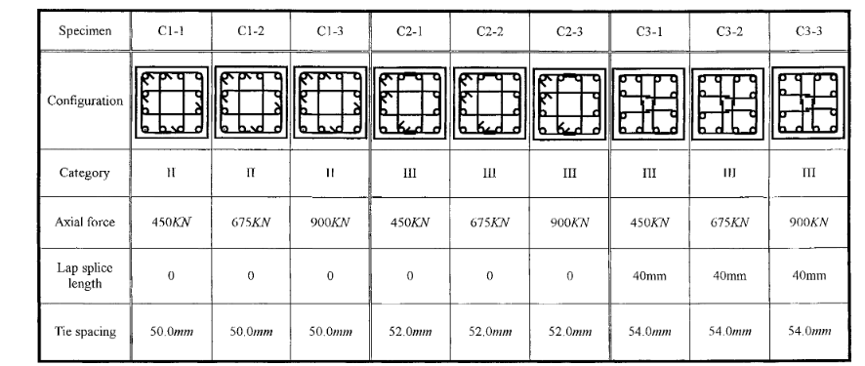
 |  |  |  |  |  |  |  |  | 100.83 | 81.78 | 6687.9684
 |  |  |  | Concrete |  |  |  |  | 100.83 | 81.78 | 6687.9684
Longitudinal Reinforcement |  |  |  | fc (Mpa) |  | 26.9 |  |  | 100.83 | 81.78 | 6687.9684
Long. Rebar |  | #6 |  | eps0 |  | 0.002 |  |  | 100.83 | 81.78 | 6687.9684
# of bars |  | 12 |  | epss |  | 0.005 |  |  | 100.83 | 81.78 | 6687.9684
fy |  | 497 |  | Ec |  | 19483.65469
As |  | 3420.275484
rho_cc |  | 0.03225216867 |  | Mander's Model
rho |  | 0.02137672177 |  | Ae |  | 81291.65821
 |  |  |  | ke |  | 0.7921029135
 |  |  |  | rho_tz |  | 0.007203647962
poisson | 0.2 |  |  | rho_ty |  | 0.007203647962
Shear Capacity |  |  |  | rho_t |  | 0.01440729592
G |  | 8118.189453 |  | flz |  | 2.621921032
rhotfyh |  | 2.42 | 6.620152477 | fly |  | 2.621921032
fv1 |  | 0.2496 | 0.2496 | xfactor |  | 0.09746918336
ALR |  | 0.1690021739 |  | rfactor |  | 1
fv2 |  | 1.169002174 | 1.169002174 | Afactor |  | 6.766780029
vc |  | 1.513338357 |  | Bfactor |  | 2.268406625
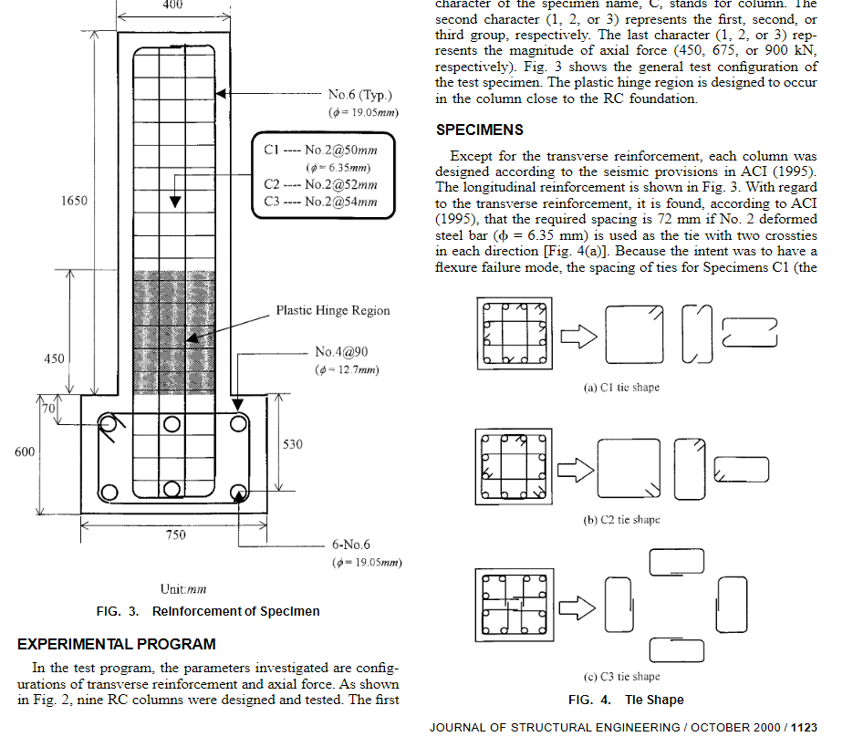
Vc |  | 193707.3097 |  | Kfactor |  | 1.552072193
Vs |  | 351026.7084 |  | fcc |  | 41.75074201
Vn |  | 544734.0181 |  | epscc |  | 0.007520721935
Vst |  | 974182734.4 |  | ecr |  | 1.398459437
 |  |  |  | epscu |  | 0.03845432516
 |  |  |  | fcu |  | 29.28309079

