Calculate
Width
Depth
Load
y
z
Width
Depth
Load
y
z
Load is applied along the width axis
 |  |  |  | Rebar |  | Diameter(inch) | Diameter(mm) | Area(mm^2) |  |  |  | fcc | epscc | fcu | epscu
Section |  |  |  | #3 | D10 | 0.38 | 9.53 | 71.25573925 |  |  |  | 52.28301664 | 0.005219473234 | 28.4033088 | 0.02356003803
Width(y) |  | 870 |  | #4 | D13 | 0.50 | 12.70 | 126.6768698
Depth(z) |  | 600 |  | #5 | D16 | 0.63 | 15.88 | 197.932609 |  |  |  | Vn | Vst
Clear cover (y) |  | 30 |  | #6 | D19 | 0.75 | 19.05 | 285.022957 |  |  |  | 2041427.812 | 3853790062
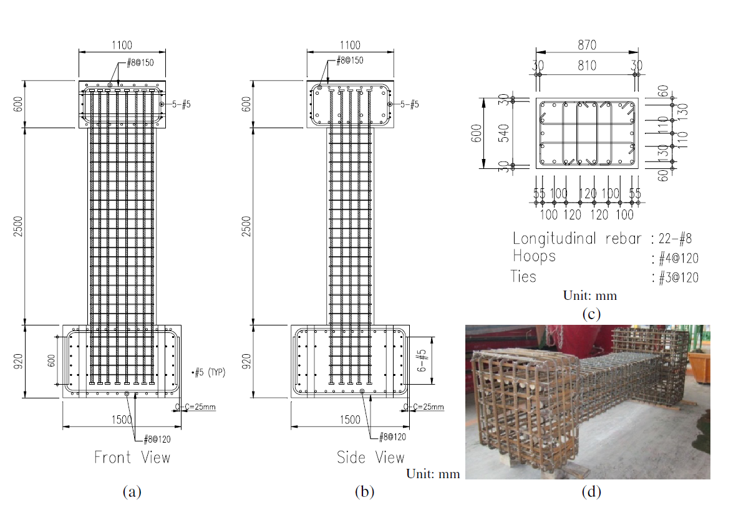
Clear cover (z) |  | 30 |  | #7 | D22 | 0.88 | 22.23 | 387.9479137
 |  |  |  | #8 | D25 | 1.00 | 25.40 | 506.7074791
Transverse Reinforcement
spacing |  | 120 |  | z reinforcement |  | # | Type |  |  |  |  | mm-s-N-Mpa
Tr. Hoop Rebar |  | #4 |  |  |  | 2 | #3 |  | w | w-db | (w-db)^2 | inches | 25.4
fy Hoop (Mpa) |  | 465 |  |  |  | 2 | #4 |  | 200 | 174.60 | 30485.16 | feet | 304.8
# of hoop in a bundle |  | 1 |  |  |  | 0 | #5 |  | 120 | 94.60 | 8949.16 | ksi | 6.8947590868
Clear distance |  | 107.3 |  |  |  |  |  |  | 120 | 94.60 | 8949.16 | psi | 0.0068947573
Width (core) |  | 797.30 |  | y reinforcement |  | # | Type |  | 120 | 94.60 | 8949.16 | kgf/cm2 | 0.09807
Depth (core) |  | 527.30 |  |  |  | 4 | #3 |  | 200 | 174.60 | 30485.16
Area in a bundle |  | 126.6768698 |  |  |  | 2 | #4 |  | 130 | 104.60 | 10941.16
Area of core |  | 420416.29 |  |  |  | 0 | #5 |  | 220 | 194.60 | 37869.16
 |  |  |  |  |  |  |  |  | 130 | 104.60 | 10941.16
 |  |  |  | Concrete |  |  |  |  | 200 | 174.60 | 30485.16
Longitudinal Reinforcement |  |  |  | fc (Mpa) |  | 39.55 |  |  | 120 | 94.60 | 8949.16
Long. Rebar |  | #8 |  | eps0 |  | 0.002 |  |  | 120 | 94.60 | 8949.16
# of bars |  | 22 |  | epss |  | 0.005 |  |  | 120 | 94.60 | 8949.16
fy |  | 475 |  | Ec |  | 23624.76667 |  |  | 200 | 174.60 | 30485.16
As |  | 11147.56454 |  |  |  |  |  |  | 130 | 104.60 | 10941.16
rho_cc |  | 0.02651553902 |  | Mander's Model |  |  |  |  | 220 | 194.60 | 37869.16
rho |  | 0.02135548762 |  | Ae |  | 311018.0502 |  |  | 130 | 104.60 | 10941.16
 |  |  |  | ke |  | 0.7599360293
 |  |  |  | rho_tz |  | 0.00625616692
poisson | 0.2 |  |  | rho_ty |  | 0.005627081991
Shear Capacity |  |  |  | rho_t |  | 0.01188324891
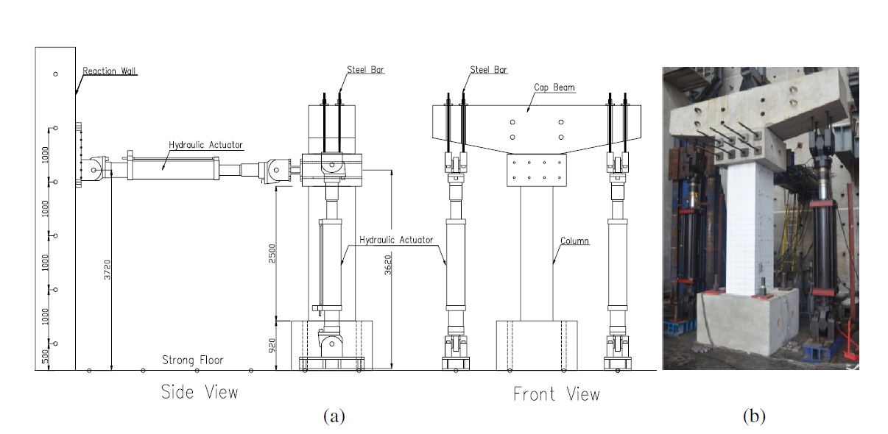
G |  | 9843.652777 |  | flz |  | 2.210743291
rhotfyh |  | 2.42 | 5.525710744 | fly |  | 1.98844339
fv1 |  | 0.2496 | 0.2496 | xfactor |  | 0.05308706298
ALR |  | 0.2484771739 |  | rfactor |  | 0.899445629
fv2 |  | 1.248477174 | 1.248477174 | Afactor |  | 6.706961129
vc |  | 1.959739884 |  | Bfactor |  | 2.243629693
Vc |  | 818387.3757 |  | Kfactor |  | 1.321947323
Vs |  | 1223040.436 |  | fcc |  | 52.28301664
Vn |  | 2041427.812 |  | epscc |  | 0.005219473234
Vst |  | 3853790062 |  | ecr |  | 1.736112813
 |  |  |  | epscu |  | 0.02356003803
 |  |  |  | fcu |  | 28.4033088

