Sheet1
Server Command Table for A8

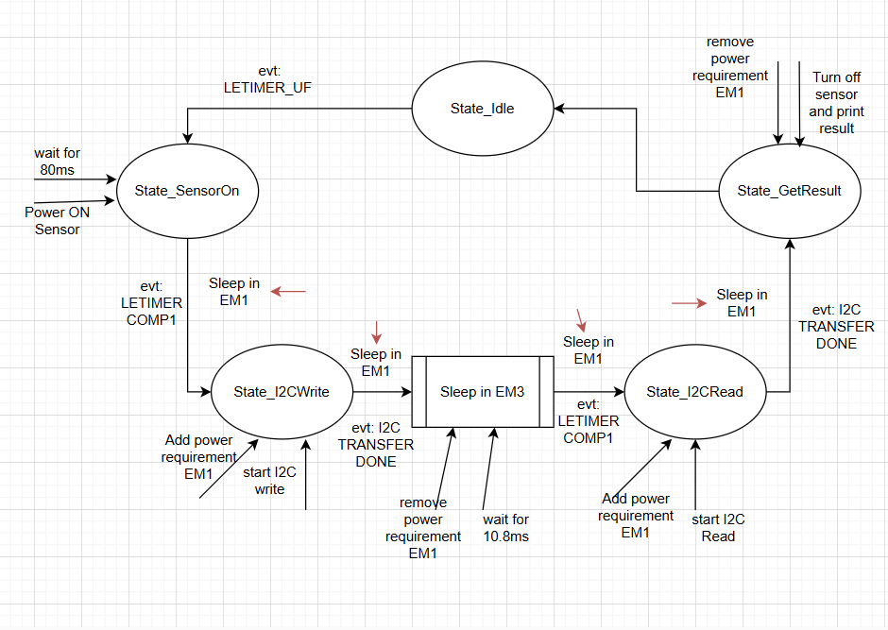
Use this table to help you design your program. Add rows as needed. | Use this column to describe when and what your LCD display changes to for rows like DISPLAY_ROW_CONNECTION | Use this column to denote if BT stack events cause your state machine to advance, you can put an X in the cell to note this. Drawing a bubble diagram of your state machine might also be a good idea 👍.
Event | LCD Display State | Advances State Machine | Commands called in response to event | Notes

sl_bt_evt_system_boot_id | Advertising Server address Assignment Number Buttton State |  | This event is generated on stack boot up | You can also document in column D values that need to be saved in response to receiving BT stack events.
 |  |  | sl_bt_system_get_identity_address() | save bd_addr
 |  |  | sl_bt_advertiser_create_set()
 |  |  | sl_bt_advertiser_set_timing()
 |  |  | sl_bt_legacy_advertiser_generate_data()
 |  |  | sl_bt_legacy_advertiser_start()
 |  |  | sl_bt_sm_delete_bondings()
 |  |  | sl_bt_sm_configure()
sl_bt_evt_connection_opened_id | Conneted | X | sl_bt_advertiser_stop() | Save Connection Handle
 |  |  | sl_bt_connection_set_parameters()
sl_bt_evt_connection_closed_id | Advertising | X | sl_bt_legacy_advertiser_generate_data()
 |  |  | sl_bt_sm_delete_bondings()
 |  |  | sl_bt_legacy_advertiser_start()
sl_bt_evt_system_soft_timer_id |  |  | displayUpdate() | This event indicates that a soft timer has expired. LCD is updated every 1Hz

sl_bt_evt_connection_parameters_id
sl_bt_evt_gatt_server_characteristic_status_id
sl_bt_evt_sm_confirm_passkey_id | 6x Passkey. "Cofirm with PB0" | X | if (PB0 event and passkey confirmed) sl_bt_sm_passkey_confirm
sl_bt_evt_system_external_signal_id | Button Pressed Button Released |  | sl_bt_gatt_server_write_attribute_value
sl_bt_evt_sm_confirm_bonding_id |  | X | sl_bt_sm_bonding_confirm
sl_bt_evt_sm_bonded_id | Bonded
sl_bt_evt_sm_bonding_failed_id | Bonding failed
sl_bt_evt_gatt_server_indication_timeout_id

