BUG001
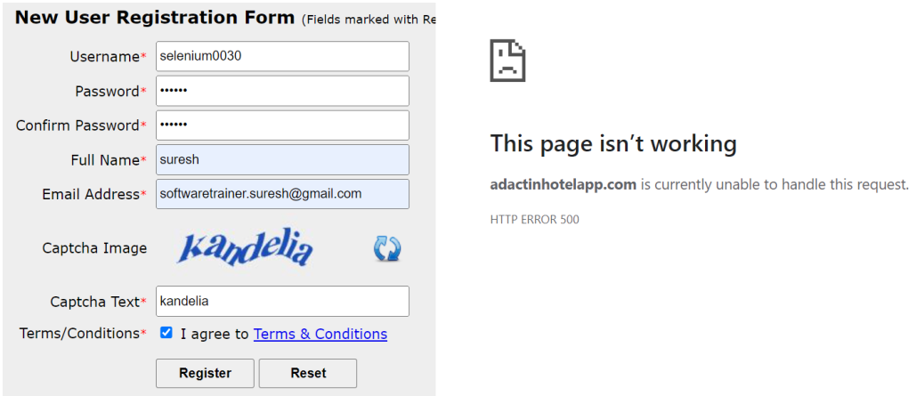
Defect Template

Defect ID | BUG001 | Assigned To | Developer(Suresh Sir)
Status | New | Browser | chrome
Severity |  | Found in Version | 1
Priority |  | Found in Build | 1
Module | NewUserReg: | Fixed in version
Reported By | Samir | Fixed in build

Title/Summary | New User Reg: Fun: is not working
Description Steps To Re-Produce : 1.Launch Browser 2.Enter url 3.click on NewUserReg:Here 4.Enter username 5.Enter password 6.Enter confirm password 7.Enter fullname 8.Enter email 9.Enter Captcha text 10.Click on Terms & Cond 11.Click on Register button Expected Result : e-mail should be received from admin team with login details Actual Result : Error mesage is displayed as "Page is not working"
Attachements

