Global
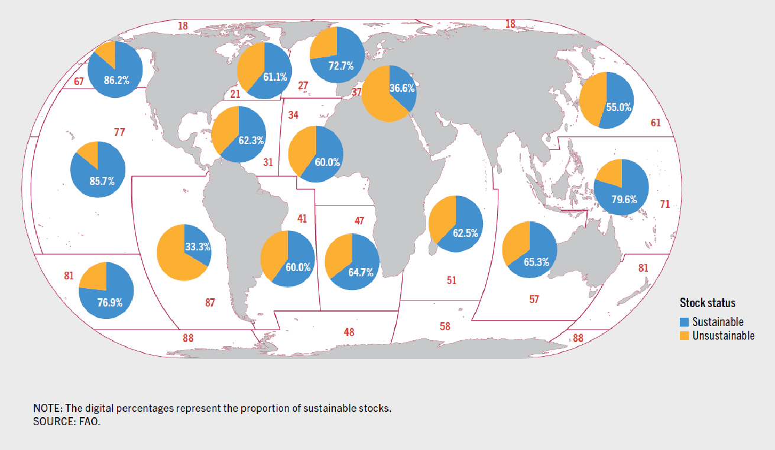
All world

Simple | Overfished | Fully | Under
 | 197 | 261 | 50 | 508
 | 0.3877952756 | 0.5137795276 | 0.09842519685
 |  | Sustainable | 61.2%
Corrected (Area 34 and 41)w Tunas | 200 | 268 | 63 | 531
 | 0.3766478343 | 0.5047080979 | 0.1186440678
 |  | Sustainable | 62.3%

 | Overfished | Maximal SF | Underfished | Not Overfished
Area 21 | 0.36 | 0.55 | 0.10 | 0.643
Area 27 | 0.21 | 0.65 | 0.15 | 0.794
Area 31 | 0.420 | 0.480 | 0.100 | 0.580
Area 34 | 0.513 | 0.38 | 0.10 | 0.487
Area 37 | 0.625 | 0.35 | 0.03 | 0.375
Area 41 | 0.412 | 0.53 | 0.06 | 0.588
Area 47 | 0.405 | 0.59 | 0.00 | 0.595
Area 51 | 0.375 | 0.594 | 0.031 | 0.625
Area 57 | 0.365 | 0.519 | 0.115 | 0.635
Area 61 | 0.56 | 0.24 | 0.20 | 0.440
Area 67 | 0.24 | 0.53 | 0.24 | 0.765
Area 71 | 0.35 | 0.54 | 0.11 | 0.652
Area 77 | 0.16 | 0.58 | 0.26 | 0.842
Area 81 | 0.24 | 0.76 | 0.00 | 0.759
Area 87 | 0.67 | 0.33 | 0.00 | 0.333
Global wo tuna | 0.388 | 0.514 | 0.0984 | 0.612
Global w Tuna | 0.3766 | 0.5047 | 0.1186 | 0.623 |  | 1.0000
 |  |  |  |  |  |  | 0.569
Group 2 (PNW, PNE, PE Central) | 25 | 35 | 18 |  | 0.2405412177
 | 0.3205128205 | 0.4487179487 | 0.2307692308 | 0.679
Group 1 | 105 | 140 | 16
 | 0.4022988506 | 0.5363984674 | 0.06130268199 | 0.598
Group 3 | 67 | 86 | 16
 | 0.3964497041 | 0.5088757396 | 0.09467455621 | 0.604
Tunas | 3 | 7 | 13
 | 0.13 | 0.30 | 0.57 | 0.870

