UnemploymentReport
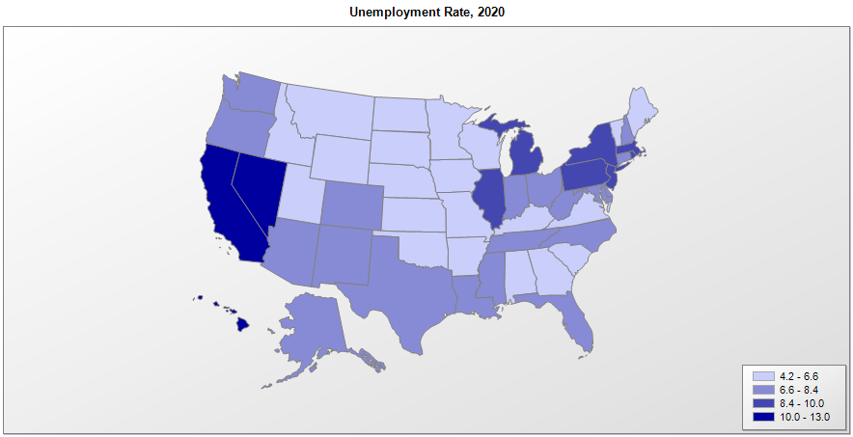

 |  | Unemployment Rate (percent)
FIPS | Name | 2012 | 2013 | 2014 | 2015 | 2016 | 2017 | 2018 | 2019 | 2020 | Median Household Income (2019)
01000 | Alabama | 8.2 | 7.3 | 6.7 | 6.1 | 5.9 | 4.6 | 3.9 | 3.0 | 5.9 | $51,771
02000 | Alaska | 7.2 | 7.0 | 6.7 | 6.3 | 6.6 | 6.5 | 5.9 | 5.4 | 7.8 | $77,203
04000 | Arizona | 8.3 | 7.8 | 6.8 | 6.1 | 5.5 | 4.9 | 4.8 | 4.9 | 7.9 | $62,027
05000 | Arkansas | 7.3 | 7.1 | 5.9 | 5.0 | 4.0 | 3.7 | 3.7 | 3.5 | 6.1 | $49,020
06000 | California | 10.5 | 9.0 | 7.6 | 6.3 | 5.5 | 4.8 | 4.3 | 4.2 | 10.1 | $80,423
08000 | Colorado | 8.0 | 6.7 | 5.0 | 3.7 | 3.1 | 2.6 | 3.0 | 2.7 | 7.3 | $77,104
09000 | Connecticut | 8.4 | 8.0 | 6.6 | 5.6 | 4.8 | 4.4 | 3.9 | 3.6 | 7.9 | $78,920
10000 | Delaware | 7.1 | 6.6 | 5.6 | 4.8 | 4.5 | 4.4 | 3.7 | 3.7 | 7.8 | $70,348
11000 | District of Columbia | 9.0 | 8.4 | 7.7 | 6.9 | 6.2 | 6.1 | 5.7 | 5.4 | 8.0 | $90,395
12000 | Florida | 8.6 | 7.5 | 6.4 | 5.5 | 4.9 | 4.2 | 3.6 | 3.3 | 7.7 | $59,198
13000 | Georgia | 9.0 | 8.1 | 7.1 | 6.1 | 5.4 | 4.8 | 4.0 | 3.5 | 6.5 | $61,950
15000 | Hawaii | 5.9 | 4.8 | 4.2 | 3.4 | 2.9 | 2.2 | 2.4 | 2.5 | 11.6 | $83,734
16000 | Idaho | 7.4 | 6.8 | 4.4 | 3.9 | 3.7 | 3.2 | 2.8 | 2.8 | 5.4 | $60,830
17000 | Illinois | 9.0 | 9.1 | 7.2 | 6.0 | 5.9 | 5.0 | 4.4 | 4.0 | 9.5 | $69,212
18000 | Indiana | 8.2 | 7.5 | 5.9 | 4.8 | 4.4 | 3.5 | 3.4 | 3.2 | 7.1 | $57,617
19000 | Iowa | 5.1 | 4.7 | 4.2 | 3.7 | 3.6 | 3.1 | 2.6 | 2.8 | 5.3 | $61,807
20000 | Kansas | 5.7 | 5.3 | 4.5 | 4.2 | 4.0 | 3.6 | 3.3 | 3.2 | 5.9 | $62,028
21000 | Kentucky | 8.2 | 7.9 | 6.4 | 5.2 | 5.0 | 4.8 | 4.2 | 4.1 | 6.6 | $52,256
22000 | Louisiana | 6.7 | 6.4 | 6.3 | 6.3 | 6.1 | 5.1 | 4.8 | 4.7 | 8.3 | $51,108
23000 | Maine | 7.2 | 6.7 | 5.6 | 4.4 | 3.8 | 3.4 | 3.1 | 2.7 | 5.4 | $58,824
24000 | Maryland | 6.9 | 6.5 | 5.7 | 5.0 | 4.3 | 4.1 | 3.8 | 3.5 | 6.8 | $86,644
25000 | Massachusetts | 6.7 | 6.6 | 5.7 | 4.8 | 4.0 | 3.8 | 3.4 | 3.0 | 8.9 | $85,700
26000 | Michigan | 9.0 | 8.7 | 7.2 | 5.4 | 5.0 | 4.6 | 4.2 | 4.1 | 9.9 | $59,522
27000 | Minnesota | 5.6 | 5.0 | 4.3 | 3.8 | 3.9 | 3.4 | 3.0 | 3.2 | 6.2 | $74,529
28000 | Mississippi | 8.8 | 8.5 | 7.6 | 6.5 | 5.9 | 5.2 | 5.0 | 5.5 | 8.1 | $45,928
29000 | Missouri | 7.2 | 6.8 | 6.2 | 5.1 | 4.5 | 3.8 | 3.2 | 3.3 | 6.1 | $57,375
30000 | Montana | 5.8 | 5.4 | 4.7 | 4.3 | 4.3 | 4.1 | 3.8 | 3.6 | 5.9 | $57,248
31000 | Nebraska | 3.9 | 3.7 | 3.3 | 3.0 | 3.1 | 2.9 | 2.9 | 3.0 | 4.2 | $63,290
32000 | Nevada | 11.6 | 10.0 | 8.2 | 6.8 | 5.8 | 5.0 | 4.4 | 3.9 | 12.8 | $63,268
33000 | New Hampshire | 5.4 | 5.3 | 4.3 | 3.4 | 2.9 | 2.8 | 2.6 | 2.6 | 6.7 | $78,571
34000 | New Jersey | 9.4 | 8.4 | 6.7 | 5.7 | 4.9 | 4.5 | 4.0 | 3.4 | 9.8 | $85,786
35000 | New Mexico | 7.0 | 6.9 | 6.6 | 6.6 | 6.7 | 6.1 | 4.9 | 5.0 | 8.4 | $52,021
36000 | New York | 8.6 | 7.8 | 6.3 | 5.2 | 4.9 | 4.6 | 4.1 | 3.8 | 10.0 | $72,038
37000 | North Carolina | 9.5 | 7.8 | 6.1 | 5.7 | 5.1 | 4.5 | 4.0 | 3.8 | 7.3 | $57,388
38000 | North Dakota | 2.9 | 2.9 | 2.6 | 2.8 | 3.1 | 2.7 | 2.5 | 2.3 | 5.1 | $67,402
39000 | Ohio | 7.4 | 7.5 | 5.8 | 5.0 | 5.0 | 5.0 | 4.5 | 4.2 | 8.1 | $58,704
40000 | Oklahoma | 5.1 | 5.1 | 4.3 | 4.3 | 4.6 | 4.0 | 3.3 | 3.1 | 6.1 | $54,447
41000 | Oregon | 8.8 | 7.8 | 6.7 | 5.5 | 4.7 | 4.1 | 4.0 | 3.7 | 7.6 | $66,955
42000 | Pennsylvania | 7.7 | 7.1 | 5.9 | 5.4 | 5.3 | 5.0 | 4.4 | 4.5 | 9.1 | $63,455
44000 | Rhode Island | 10.2 | 9.5 | 7.8 | 6.0 | 5.2 | 4.5 | 4.1 | 3.6 | 9.4 | $70,383
45000 | South Carolina | 9.0 | 7.4 | 6.3 | 5.9 | 4.9 | 4.2 | 3.4 | 2.8 | 6.2 | $56,360
46000 | South Dakota | 4.1 | 3.7 | 3.3 | 3.0 | 3.0 | 3.1 | 2.9 | 3.0 | 4.6 | $60,414
47000 | Tennessee | 8.0 | 7.8 | 6.6 | 5.6 | 4.7 | 3.7 | 3.5 | 3.4 | 7.5 | $56,047
48000 | Texas | 6.7 | 6.3 | 5.2 | 4.5 | 4.6 | 4.3 | 3.9 | 3.5 | 7.6 | $64,044
49000 | Utah | 4.8 | 4.2 | 3.6 | 3.5 | 3.3 | 3.1 | 2.9 | 2.5 | 4.7 | $75,705
50000 | Vermont | 4.8 | 4.4 | 4.0 | 3.5 | 3.1 | 3.0 | 2.6 | 2.3 | 5.6 | $63,293
51000 | Virginia | 5.9 | 5.6 | 5.1 | 4.4 | 4.0 | 3.7 | 2.9 | 2.7 | 6.2 | $76,471
53000 | Washington | 7.7 | 6.6 | 5.9 | 5.4 | 5.2 | 4.6 | 4.4 | 4.1 | 8.4 | $78,674
54000 | West Virginia | 7.2 | 6.7 | 6.5 | 6.6 | 6.1 | 5.2 | 5.2 | 4.9 | 8.3 | $48,659
55000 | Wisconsin | 6.9 | 6.7 | 5.3 | 4.4 | 3.9 | 3.3 | 3.0 | 3.3 | 6.3 | $64,177
56000 | Wyoming | 5.5 | 4.8 | 4.3 | 4.2 | 5.4 | 4.3 | 4.0 | 3.7 | 5.8 | $66,152
72000 | Puerto Rico | 14.5 | 14.3 | 13.9 | 12.0 | 11.8 | 10.8 | 9.2 | 8.3

Sources: Bureau of Labor Statistics, Local Area Unemployment Statistics (LAUS) data. Average annual unemployment data are unavailable for Puerto Rico in 2020 because of missing monthly observations for March and April 2020. Census Bureau, Small Area Income and Poverty Estimates (SAIPE) Program.The SAIPE program does not produce estimates for Puerto Rico.

