Graphical Overview
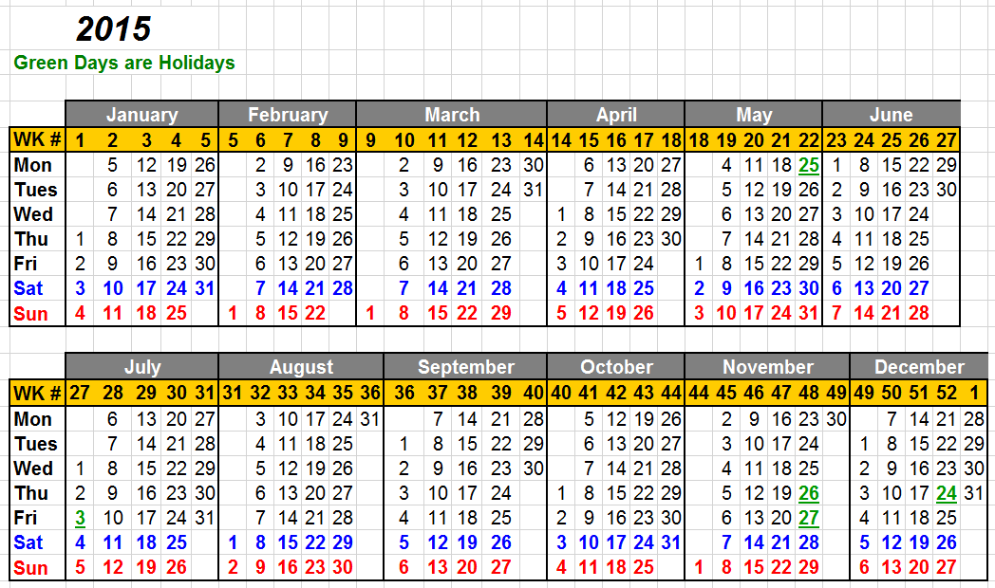
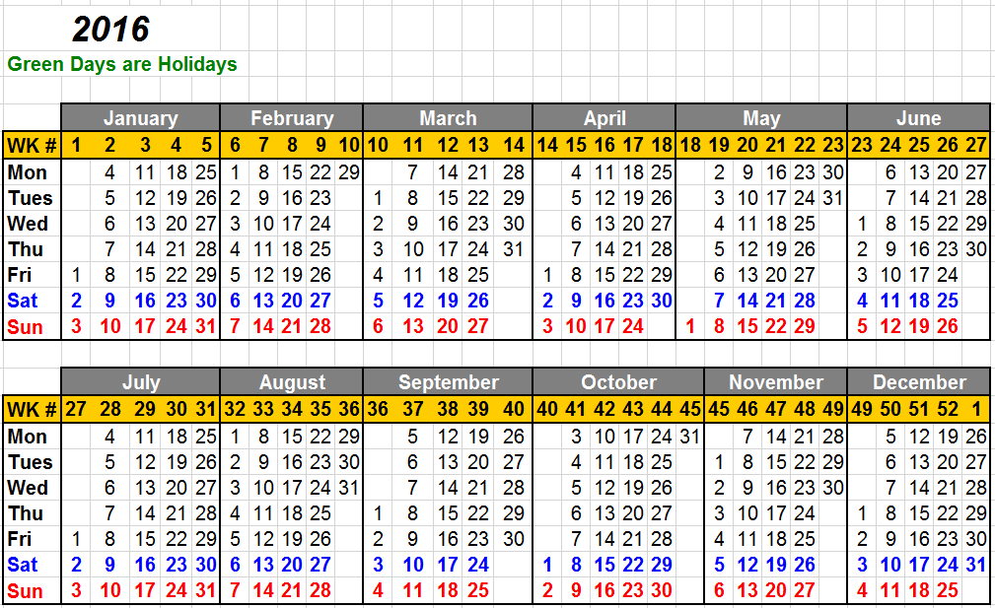
Acieta Project Milestones Overview
Updated: | 2019-01-22 |  |  |  |  |  |  |  |  |  |  |  | Clear |  | Set Colors
 |  |  |  |  |  | Sold Hrs | Budget Hrs | Backlog | Cmpltd Hrs
Job Number | PM | ME | EE | Tech | Customer | Total Sold Hrs | Total Budget Hrs | Total Backlog Hrs | Total Cmptld Hrs | Over budget | 210 | 211 | 212 | 213 | 214 | 215 | 216 | 217 | 218 | 219 | 220 | 221 | 222 | 223 | 224 | 225 | 226 | 227 | 228 | 229 | 230 | 231 | 232 | 233 | 234 | 235 | 236 | 237 | 238 | 239 | 240 | 241
#REF! | #REF! | #REF! | #REF! | #REF! | #REF! | #REF! | #REF! | #REF! | #REF! | #REF! | #REF! | #REF! | #REF! | #REF! | #REF! | #REF! | #REF! | #REF! | #REF! | #REF! | #REF! | #REF! | #REF! | #REF! | #REF! | #REF! | #REF! | #REF! | #REF! | #REF! | #REF! | #REF! | #REF! | #REF! | #REF! | #REF! | #REF! | #REF! | #REF! | #REF! | #REF! | #REF!
#REF! | #REF! | #REF! | #REF! | #REF! | #REF! | #REF! | #REF! | #REF! | #REF! | #REF! | #REF! | #REF! | #REF! | #REF! | #REF! | #REF! | #REF! | #REF! | #REF! | #REF! | #REF! | #REF! | #REF! | #REF! | #REF! | #REF! | #REF! | #REF! | #REF! | #REF! | #REF! | #REF! | #REF! | #REF! | #REF! | #REF! | #REF! | #REF! | #REF! | #REF! | #REF! | #REF!
#REF! | #REF! | #REF! | #REF! | #REF! | #REF! | #REF! | #REF! | #REF! | #REF! | #REF! | #REF! | #REF! | #REF! | #REF! | #REF! | #REF! | #REF! | #REF! | #REF! | #REF! | #REF! | #REF! | #REF! | #REF! | #REF! | #REF! | #REF! | #REF! | #REF! | #REF! | #REF! | #REF! | #REF! | #REF! | #REF! | #REF! | #REF! | #REF! | #REF! | #REF! | #REF! | #REF!
#REF! | #REF! | #REF! | #REF! | #REF! | #REF! | #REF! | #REF! | #REF! | #REF! | #REF! | #REF! | #REF! | #REF! | #REF! | #REF! | #REF! | #REF! | #REF! | #REF! | #REF! | #REF! | #REF! | #REF! | #REF! | #REF! | #REF! | #REF! | #REF! | #REF! | #REF! | #REF! | #REF! | #REF! | #REF! | #REF! | #REF! | #REF! | #REF! | #REF! | #REF! | #REF! | #REF!
#REF! | #REF! | #REF! | #REF! | #REF! | #REF! | #REF! | #REF! | #REF! | #REF! | #REF! | #REF! | #REF! | #REF! | #REF! | #REF! | #REF! | #REF! | #REF! | #REF! | #REF! | #REF! | #REF! | #REF! | #REF! | #REF! | #REF! | #REF! | #REF! | #REF! | #REF! | #REF! | #REF! | #REF! | #REF! | #REF! | #REF! | #REF! | #REF! | #REF! | #REF! | #REF! | #REF!
#REF! | #REF! | #REF! | #REF! | #REF! | #REF! | #REF! | #REF! | #REF! | #REF! | #REF! | #REF! | #REF! | #REF! | #REF! | #REF! | #REF! | #REF! | #REF! | #REF! | #REF! | #REF! | #REF! | #REF! | #REF! | #REF! | #REF! | #REF! | #REF! | #REF! | #REF! | #REF! | #REF! | #REF! | #REF! | #REF! | #REF! | #REF! | #REF! | #REF! | #REF! | #REF! | #REF!
#REF! | #REF! | #REF! | #REF! | #REF! | #REF! | #REF! | #REF! | #REF! | #REF! | #REF! | #REF! | #REF! | #REF! | #REF! | #REF! | #REF! | #REF! | #REF! | #REF! | #REF! | #REF! | #REF! | #REF! | #REF! | #REF! | #REF! | #REF! | #REF! | #REF! | #REF! | #REF! | #REF! | #REF! | #REF! | #REF! | #REF! | #REF! | #REF! | #REF! | #REF! | #REF! | #REF!
2655 | Steve Cooprider | Mark Poling | Bob Foulk | Ryan Smallfoot | Bobcat Gwinner Axle Cell | 0 |  |  |  |  | #REF! | #REF! | #REF! | #REF! | #REF! | #REF! | #REF! | #REF! | #REF! | #REF! | #REF! | #REF! | #REF! | #REF! | #REF! | #REF! | #REF! | #REF! | #REF! | #REF! | #REF! | #REF! | #REF! | #REF! | #REF! | #REF! | #REF! | #REF! | #REF! | #REF! | #REF! | #REF!
#REF! | #REF! | #REF! | #REF! | #REF! | #REF! | #REF! | #REF! | #REF! | #REF! | #REF! | #REF! | #REF! | #REF! | #REF! | #REF! | #REF! | #REF! | #REF! | #REF! | #REF! | #REF! | #REF! | #REF! | #REF! | #REF! | #REF! | #REF! | #REF! | #REF! | #REF! | #REF! | #REF! | #REF! | #REF! | #REF! | #REF! | #REF! | #REF! | #REF! | #REF! | #REF! | #REF!
#REF! | #REF! | #REF! | #REF! | #REF! | #REF! | #REF! | #REF! | #REF! | #REF! | #REF! | #REF! | #REF! | #REF! | #REF! | #REF! | #REF! | #REF! | #REF! | #REF! | #REF! | #REF! | #REF! | #REF! | #REF! | #REF! | #REF! | #REF! | #REF! | #REF! | #REF! | #REF! | #REF! | #REF! | #REF! | #REF! | #REF! | #REF! | #REF! | #REF! | #REF! | #REF! | #REF!
#REF! | #REF! | #REF! | #REF! | #REF! | #REF! | #REF! | #REF! | #REF! | #REF! | #REF! | #REF! | #REF! | #REF! | #REF! | #REF! | #REF! | #REF! | #REF! | #REF! | #REF! | #REF! | #REF! | #REF! | #REF! | #REF! | #REF! | #REF! | #REF! | #REF! | #REF! | #REF! | #REF! | #REF! | #REF! | #REF! | #REF! | #REF! | #REF! | #REF! | #REF! | #REF! | #REF!
#REF! | #REF! | #REF! | #REF! | #REF! | #REF! | #REF! | #REF! | #REF! | #REF! | #REF! | #REF! | #REF! | #REF! | #REF! | #REF! | #REF! | #REF! | #REF! | #REF! | #REF! | #REF! | #REF! | #REF! | #REF! | #REF! | #REF! | #REF! | #REF! | #REF! | #REF! | #REF! | #REF! | #REF! | #REF! | #REF! | #REF! | #REF! | #REF! | #REF! | #REF! | #REF! | #REF!
#REF! | #REF! | #REF! | #REF! | #REF! | #REF! | #REF! | #REF! | #REF! | #REF! | #REF! | #REF! | #REF! | #REF! | #REF! | #REF! | #REF! | #REF! | #REF! | #REF! | #REF! | #REF! | #REF! | #REF! | #REF! | #REF! | #REF! | #REF! | #REF! | #REF! | #REF! | #REF! | #REF! | #REF! | #REF! | #REF! | #REF! | #REF! | #REF! | #REF! | #REF! | #REF! | #REF!
2505 | Greg Morehouse | Bryan Carsrud | Brad Bowhay | Ryan Smallfoot | New Hudson Facades Glass Loading Cells | 7768 | 6668 | 5417 | 1171 |  | #REF! | #REF! | #REF! | #REF! | #REF! | #REF! | #REF! | #REF! | #REF! | #REF! | #REF! | #REF! | #REF! | #REF! | #REF! | #REF! | #REF! | #REF! | #REF! | #REF! | #REF! | #REF! | #REF! | #REF! | #REF! | #REF! | #REF! | #REF! | #REF! | #REF! | #REF! | #REF!
#REF! | #REF! | #REF! | #REF! | #REF! | #REF! | #REF! | #REF! | #REF! | #REF! | #REF! | #REF! | #REF! | #REF! | #REF! | #REF! | #REF! | #REF! | #REF! | #REF! | #REF! | #REF! | #REF! | #REF! | #REF! | #REF! | #REF! | #REF! | #REF! | #REF! | #REF! | #REF! | #REF! | #REF! | #REF! | #REF! | #REF! | #REF! | #REF! | #REF! | #REF! | #REF! | #REF!
#REF! | #REF! | #REF! | #REF! | #REF! | #REF! | #REF! | #REF! | #REF! | #REF! | #REF! | #REF! | #REF! | #REF! | #REF! | #REF! | #REF! | #REF! | #REF! | #REF! | #REF! | #REF! | #REF! | #REF! | #REF! | #REF! | #REF! | #REF! | #REF! | #REF! | #REF! | #REF! | #REF! | #REF! | #REF! | #REF! | #REF! | #REF! | #REF! | #REF! | #REF! | #REF! | #REF!
2627 | Steve Cooprider | Bryan Carsrud | Brad Bowhay | Ryan Smallfoot | Viking Pump Rotor L/UL | 0 |  |  |  |  | #REF! | #REF! | #REF! | #REF! | #REF! | #REF! | #REF! | #REF! | #REF! | #REF! | #REF! | #REF! | #REF! | #REF! | #REF! | #REF! | #REF! | #REF! | #REF! | #REF! | #REF! | #REF! | #REF! | #REF! | #REF! | #REF! | #REF! | #REF! | #REF! | #REF! | #REF! | #REF!
#REF! | #REF! | #REF! | #REF! | #REF! | #REF! | #REF! | #REF! | #REF! | #REF! | #REF! | #REF! | #REF! | #REF! | #REF! | #REF! | #REF! | #REF! | #REF! | #REF! | #REF! | #REF! | #REF! | #REF! | #REF! | #REF! | #REF! | #REF! | #REF! | #REF! | #REF! | #REF! | #REF! | #REF! | #REF! | #REF! | #REF! | #REF! | #REF! | #REF! | #REF! | #REF! | #REF!
2627 | Steve Cooprider | Bryan Carsrud | Brad Bowhay | Ryan Smallfoot | Viking Pump Rotor L/UL | 0 |  |  |  |  | #REF! | #REF! | #REF! | #REF! | #REF! | #REF! | #REF! | #REF! | #REF! | #REF! | #REF! | #REF! | #REF! | #REF! | #REF! | #REF! | #REF! | #REF! | #REF! | #REF! | #REF! | #REF! | #REF! | #REF! | #REF! | #REF! | #REF! | #REF! | #REF! | #REF! | #REF! | #REF!
#REF! | #REF! | #REF! | #REF! | #REF! | #REF! | #REF! | #REF! | #REF! | #REF! | #REF! | #REF! | #REF! | #REF! | #REF! | #REF! | #REF! | #REF! | #REF! | #REF! | #REF! | #REF! | #REF! | #REF! | #REF! | #REF! | #REF! | #REF! | #REF! | #REF! | #REF! | #REF! | #REF! | #REF! | #REF! | #REF! | #REF! | #REF! | #REF! | #REF! | #REF! | #REF! | #REF!
#REF! | #REF! | #REF! | #REF! | #REF! | #REF! | #REF! | #REF! | #REF! | #REF! | #REF! | #REF! | #REF! | #REF! | #REF! | #REF! | #REF! | #REF! | #REF! | #REF! | #REF! | #REF! | #REF! | #REF! | #REF! | #REF! | #REF! | #REF! | #REF! | #REF! | #REF! | #REF! | #REF! | #REF! | #REF! | #REF! | #REF! | #REF! | #REF! | #REF! | #REF! | #REF! | #REF!
#REF! | #REF! | #REF! | #REF! | #REF! | #REF! | #REF! | #REF! | #REF! | #REF! | #REF! | #REF! | #REF! | #REF! | #REF! | #REF! | #REF! | #REF! | #REF! | #REF! | #REF! | #REF! | #REF! | #REF! | #REF! | #REF! | #REF! | #REF! | #REF! | #REF! | #REF! | #REF! | #REF! | #REF! | #REF! | #REF! | #REF! | #REF! | #REF! | #REF! | #REF! | #REF! | #REF!
#REF! | #REF! | #REF! | #REF! | #REF! | #REF! | #REF! | #REF! | #REF! | #REF! | #REF! | #REF! | #REF! | #REF! | #REF! | #REF! | #REF! | #REF! | #REF! | #REF! | #REF! | #REF! | #REF! | #REF! | #REF! | #REF! | #REF! | #REF! | #REF! | #REF! | #REF! | #REF! | #REF! | #REF! | #REF! | #REF! | #REF! | #REF! | #REF! | #REF! | #REF! | #REF! | #REF!
#REF! | #REF! | #REF! | #REF! | #REF! | #REF! | #REF! | #REF! | #REF! | #REF! | #REF! | #REF! | #REF! | #REF! | #REF! | #REF! | #REF! | #REF! | #REF! | #REF! | #REF! | #REF! | #REF! | #REF! | #REF! | #REF! | #REF! | #REF! | #REF! | #REF! | #REF! | #REF! | #REF! | #REF! | #REF! | #REF! | #REF! | #REF! | #REF! | #REF! | #REF! | #REF! | #REF!
#REF! | #REF! | #REF! | #REF! | #REF! | #REF! | #REF! | #REF! | #REF! | #REF! | #REF! | #REF! | #REF! | #REF! | #REF! | #REF! | #REF! | #REF! | #REF! | #REF! | #REF! | #REF! | #REF! | #REF! | #REF! | #REF! | #REF! | #REF! | #REF! | #REF! | #REF! | #REF! | #REF! | #REF! | #REF! | #REF! | #REF! | #REF! | #REF! | #REF! | #REF! | #REF! | #REF!
#REF! | #REF! | #REF! | #REF! | #REF! | #REF! | #REF! | #REF! | #REF! | #REF! | #REF! | #REF! | #REF! | #REF! | #REF! | #REF! | #REF! | #REF! | #REF! | #REF! | #REF! | #REF! | #REF! | #REF! | #REF! | #REF! | #REF! | #REF! | #REF! | #REF! | #REF! | #REF! | #REF! | #REF! | #REF! | #REF! | #REF! | #REF! | #REF! | #REF! | #REF! | #REF! | #REF!
#REF! | #REF! | #REF! | #REF! | #REF! | #REF! | #REF! | #REF! | #REF! | #REF! | #REF! | #REF! | #REF! | #REF! | #REF! | #REF! | #REF! | #REF! | #REF! | #REF! | #REF! | #REF! | #REF! | #REF! | #REF! | #REF! | #REF! | #REF! | #REF! | #REF! | #REF! | #REF! | #REF! | #REF! | #REF! | #REF! | #REF! | #REF! | #REF! | #REF! | #REF! | #REF! | #REF!
#REF! | #REF! | #REF! | #REF! | #REF! | #REF! | #REF! | #REF! | #REF! | #REF! | #REF! | #REF! | #REF! | #REF! | #REF! | #REF! | #REF! | #REF! | #REF! | #REF! | #REF! | #REF! | #REF! | #REF! | #REF! | #REF! | #REF! | #REF! | #REF! | #REF! | #REF! | #REF! | #REF! | #REF! | #REF! | #REF! | #REF! | #REF! | #REF! | #REF! | #REF! | #REF! | #REF!
#REF! | #REF! | #REF! | #REF! | #REF! | #REF! | #REF! | #REF! | #REF! | #REF! | #REF! | #REF! | #REF! | #REF! | #REF! | #REF! | #REF! | #REF! | #REF! | #REF! | #REF! | #REF! | #REF! | #REF! | #REF! | #REF! | #REF! | #REF! | #REF! | #REF! | #REF! | #REF! | #REF! | #REF! | #REF! | #REF! | #REF! | #REF! | #REF! | #REF! | #REF! | #REF! | #REF!
#REF! | #REF! | #REF! | #REF! | #REF! | #REF! | #REF! | #REF! | #REF! | #REF! | #REF! | #REF! | #REF! | #REF! | #REF! | #REF! | #REF! | #REF! | #REF! | #REF! | #REF! | #REF! | #REF! | #REF! | #REF! | #REF! | #REF! | #REF! | #REF! | #REF! | #REF! | #REF! | #REF! | #REF! | #REF! | #REF! | #REF! | #REF! | #REF! | #REF! | #REF! | #REF! | #REF!
#REF! | #REF! | #REF! | #REF! | #REF! | #REF! | #REF! | #REF! | #REF! | #REF! | #REF! | #REF! | #REF! | #REF! | #REF! | #REF! | #REF! | #REF! | #REF! | #REF! | #REF! | #REF! | #REF! | #REF! | #REF! | #REF! | #REF! | #REF! | #REF! | #REF! | #REF! | #REF! | #REF! | #REF! | #REF! | #REF! | #REF! | #REF! | #REF! | #REF! | #REF! | #REF! | #REF!
#REF! | #REF! | #REF! | #REF! | #REF! | #REF! | #REF! | #REF! | #REF! | #REF! | #REF! | #REF! | #REF! | #REF! | #REF! | #REF! | #REF! | #REF! | #REF! | #REF! | #REF! | #REF! | #REF! | #REF! | #REF! | #REF! | #REF! | #REF! | #REF! | #REF! | #REF! | #REF! | #REF! | #REF! | #REF! | #REF! | #REF! | #REF! | #REF! | #REF! | #REF! | #REF! | #REF!
#REF! | #REF! | #REF! | #REF! | #REF! | #REF! | #REF! | #REF! | #REF! | #REF! | #REF! | #REF! | #REF! | #REF! | #REF! | #REF! | #REF! | #REF! | #REF! | #REF! | #REF! | #REF! | #REF! | #REF! | #REF! | #REF! | #REF! | #REF! | #REF! | #REF! | #REF! | #REF! | #REF! | #REF! | #REF! | #REF! | #REF! | #REF! | #REF! | #REF! | #REF! | #REF! | #REF!
#REF! | #REF! | #REF! | #REF! | #REF! | #REF! | #REF! | #REF! | #REF! | #REF! | #REF! | #REF! | #REF! | #REF! | #REF! | #REF! | #REF! | #REF! | #REF! | #REF! | #REF! | #REF! | #REF! | #REF! | #REF! | #REF! | #REF! | #REF! | #REF! | #REF! | #REF! | #REF! | #REF! | #REF! | #REF! | #REF! | #REF! | #REF! | #REF! | #REF! | #REF! | #REF! | #REF!
#REF! | #REF! | #REF! | #REF! | #REF! | #REF! | #REF! | #REF! | #REF! | #REF! | #REF! | #REF! | #REF! | #REF! | #REF! | #REF! | #REF! | #REF! | #REF! | #REF! | #REF! | #REF! | #REF! | #REF! | #REF! | #REF! | #REF! | #REF! | #REF! | #REF! | #REF! | #REF! | #REF! | #REF! | #REF! | #REF! | #REF! | #REF! | #REF! | #REF! | #REF! | #REF! | #REF!
 |  |  |  |  | Totals | #REF! | #REF! | #REF! | #REF! | #REF!
Manufacturing Outsourced |  |  |  |  |  |  |  |  |  |  |  |  |  |  |  |  | Action Items & Followup |  |  |  |  |  |  |  |  |  |  |  |  | Signed Off From Last Report
 |  |  |  |  |  |  |  |  |  |  |  |  |  | Mech Engineering | ME |  | 1. | 2397 ET-MN PTT, on hold |  |  |  |  |  |  |  |  |  |  |  | 1.
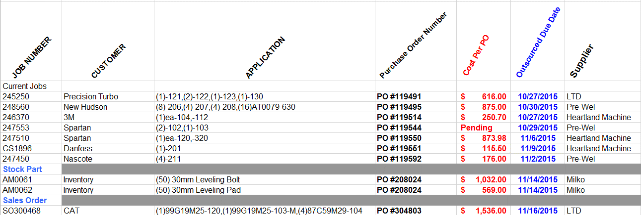
 |  |  |  |  |  |  |  |  |  |  |  |  |  | Elec Engineering | EE |  | 2. | 2398 TMCO, on hold |  |  |  |  |  |  |  |  |  |  |  | 2.
 |  |  |  |  |  |  |  |  |  |  |  |  |  | Fabrication / Manufacturing | M |  | 3. | 2452 Parker pallets versus tubs, review EOAT |  |  |  |  |  |  |  |  |  |  |  | 3.
 |  |  |  |  |  |  |  |  |  |  |  |  |  | Assembly / Wiring | A |  | 4. | 2466 Metalex, eng approval & cycletime |  |  |  |  |  |  |  |  |  |  |  | 4.
 |  |  |  |  |  |  |  |  |  |  |  |  |  | Programming | P |  | 5. | 2476 Bobcat, robot only ordered |  |  |  |  |  |  |  |  |  |  |  | 5.
 |  |  |  |  |  |  |  |  |  |  |  |  |  | Runoff | R |  | 6. | 2483 Altamont, (3) robots ordered |  |  |  |  |  |  |  |  |  |  |  | New Purchase Orders
 |  |  |  |  |  |  |  |  |  |  |  |  |  | Installation @ Channel | CI |  | 7. | 2484 Altamont, robot oinly ordered |  |  |  |  |  |  |  |  |  |  |  | 1. | SA0782 Fabtech 2015, show is 11/9 thru 11/12
 |  |  |  |  |  |  |  |  |  |  |  |  |  | Installation @ Customer | I |  | 8. |  |  |  |  |  |  |  |  |  |  |  |  | 2. | 2483 Altamont, (3) robots ordered
 |  |  |  |  |  |  |  |  |  |  |  |  |  |  |  |  | 9. |  |  |  |  |  |  |  |  |  |  |  |  | 3. | 2484 Altamont, robot oinly ordered
 |  |  |  |  |  |  |  |  |  |  |  |  |  |  |  |  | 10. |  |  |  |  |  |  |  |  |  |  |  |  | 4.
 |  |  |  |  |  |  |  |  |  |  |  |  |  |  |  |  | 11. |  |  |  |  |  |  |  |  |  |  |  |  | 5.
 |  |  |  |  |  |  |  |  |  |  |  |  |  |  |  |  | 12. |  |  |  |  |  |  |  |  |  |  |  |  | 6.
 |  |  |  |  |  |  |  |  |  |  |  |  |  |  |  |  | Active Documentation Projects and Issues(Updated 04-04-2016)
 |  |  |  |  |  |  |  |  |  |  |  |  |  |  |  |  | Job # |  | Customer |  |  |  |  |  |  |  | Integration |  |  | Installation |  |  | Redlines |  |  |  | OP Manual |  | Signoff
 |  |  |  |  |  |  |  |  |  |  |  |  |  |  |  |  |  |  |  |  |  |  |  |  |  |  |  |  |  |  |  |  | Mech |  | Elec.

 |  |  |  |  |  |  |  |  |  |  |  |  |  |  |  |  | 2481 |  | General Grind |  |  |  |  |  |  |  |  |  |  | Bill Bailey |  |  |  |  |  |  | No |  | No

