3
3、在正态总体N（u,1)中抽取100个样品，试检验假设样本均值是否为5？ H0:u=5, H1:u<>5 (置信水平a = 0.01)
解： |  | data sample;
normal | 代码 | input sample ;
3.9797678409 |  | datalines;
3.0023168318 |  | 3.979767841
4.5242573077 |  | 3.002316832
5.5564735402 |  | 4.524257308
5.4783502191 |  | 5.55647354
6.0131331037 |  | 5.478350219
2.0964123604 |  | 6.013133104
4.0458187567 |  | 2.09641236
5.375022526 |  | 4.045818757
3.1932993505 |  | 5.375022526
3.5897958395 |  | 3.193299351
2.5895676725 |  | 3.58979584
2.4330891091 |  | 2.589567673
3.3023705026 |  | 2.433089109
3.506492946 |  | 3.302370503
2.1620687829 |  | 3.506492946
3.7120751284 |  | 2.162068783
3.8759524313 |  | 3.712075128
4.4148530532 |  | 3.875952431
3.9145070485 |  | 4.414853053
3.9530093699 |  | 3.914507049
3.9097594862 |  | 3.95300937
5.6226415535 |  | 3.909759486
4.1947155449 |  | 5.622641553
4.0938423507 |  | 4.194715545
3.7667926034 |  | 4.093842351
6.252211976 |  | 3.766792603
5.1456729733 |  | 6.252211976
6.6556547307 |  | 5.145672973
3.6250933289 |  | 6.655654731
5.9414558263 |  | 3.625093329
2.667602318 |  | 5.941455826
4.8189483704 |  | 2.667602318
5.1821914593 |  | 4.81894837
6.1989155864 |  | 5.182191459
4.1954829311 |  | 6.198915586
3.7562049482 |  | 4.195482931
4.9551383808 |  | 3.756204948
3.8986761564 |  | 4.955138381
5.0376113603 |  | 3.898676156
2.8358133631 |  | 5.03761136
3.4327624843 |  | 2.835813363
2.7584290064 |  | 3.432762484
3.9171229827 |  | 2.758429006
4.2475208073 |  | 3.917122983
4.3081170287 |  | 4.247520807
3.957283995 |  | 4.308117029
6.474501576 |  | 3.957283995
2.5375172908 |  | 6.474501576
3.5435230228 |  | 2.537517291
1.7024192556 |  | 3.543523023
5.7276700017 |  | 1.702419256
3.0002363627 |  | 5.727670002
3.6264200543 |  | 3.000236363
5.0377136785 |  | 3.626420054
4.7467117537 |  | 5.037713678
5.1546087587 |  | 4.746711754
4.875741767 |  | 5.154608759
2.9081500242 |  | 4.875741767
3.1642614584 |  | 2.908150024
4.9739944797 |  | 3.164261458
4.6026364242 |  | 4.97399448
3.3401622812 |  | 4.602636424
4.0390521161 |  | 3.340162281
4.4115356712 |  | 4.039052116
4.8377976481 |  | 4.411535671
4.418714995 |  | 4.837797648
3.369038738 |  | 4.418714995
6.1648459149 |  | 3.369038738
4.7671981218 |  | 6.164845915
4.3522388904 |  | 4.767198122
5.1098411558 |  | 4.35223889
5.1420077097 |  | 5.109841156
3.6434685325 |  | 5.14200771
3.356808308 |  | 3.643468532
5.3911887943 |  | 3.356808308
3.0788212524 |  | 5.391188794
2.7211078913 |  | 3.078821252
4.9913249012 |  | 2.721107891
4.9184061635 |  | 4.991324901
6.4856883608 |  | 4.918406163
5.723754627 |  | 6.485688361
5.5839039004 |  | 5.723754627
4.3929603788 |  | 5.5839039
4.2819508661 |  | 4.392960379
4.733701432 |  | 4.281950866
4.254485263 |  | 4.733701432
3.2253249327 |  | 4.254485263
2.5051938491 |  | 3.225324933
5.1083313946 |  | 2.505193849
4.7242244972 |  | 5.108331395
4.8979061529 |  | 4.724224497
4.4934731858 |  | 4.897906153
3.2530690686 |  | 4.493473186
5.5181951819 |  | 3.253069069
3.9687868292 |  | 5.518195182
3.4400782323 |  | 3.968786829
3.4588718035 |  | 3.440078232
3.8510072653 |  | 3.458871803
3.8266384917 |  | 3.851007265
 |  | 3.826638492
 |  | ;
结果： |  | proc ttest data=sample h0=5 alpha=0.01;
The TTEST Procedure |  | run;

Variable: sample

N | Mean | Std Dev | Std Err | Minimum | Maximum
100 | 4.2395 | 1.0856 | 0.1086 | 1.7024 | 6.6557

Mean | 99% CL Mean |  | Std Dev | 99% CL Std Dev
4.2395 | 3.9544 | 4.5246 | 1.0856 | 0.9162 | 1.3245

DF | t Value | Pr > |t|
99 | -7.01 | <.0001
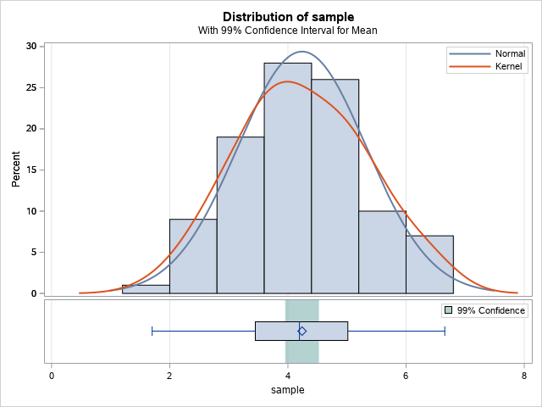

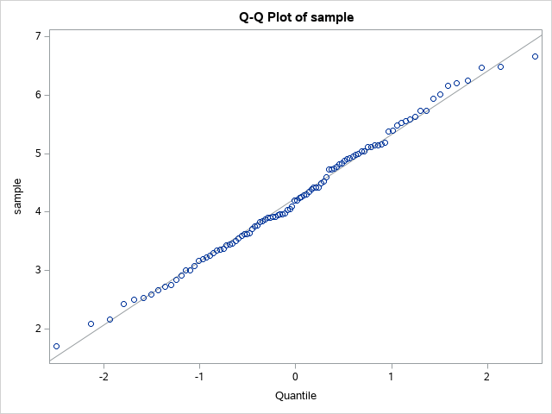

由上述结果可知，我们应该拒绝原假设，即不能认为均值为5.

4
4. 为了比较用甲、乙两种饲料喂养大白鼠对其体重增加的影响，对21只大白鼠进行了试验，得数据如下表。假定在两种饲料喂养下的大白鼠体重增加量都服从正态分布，试问这两种饲料对大白鼠的体重增加有无差异？a=0.05
甲 | 乙 |  | 解：
7 | 13.4 |  | data test;
11.8 | 14.6 |  | input group $ grade @@;
10.1 | 10.4 |  | datalines;
8.5 | 11.9 |  | A 7
10.7 | 12.7 |  | A 11.8
13.2 | 16.1 |  | A 10.1
9.4 | 10.7 |  | A 8.5
7.9 | 8.3 |  | A 10.7
 | 13.2 |  | A 13.2
 | 10.3 |  | A 9.4
 | 11.3 |  | A 7.9
 | 12.9 |  | B 13.4
 | 9.7 |  | B 14.6
 |  |  | B 10.4
 |  |  | B 11.9
 |  |  | B 12.7
 |  |  | B 16.1
 |  |  | B 10.7
 |  |  | B 8.3
 |  |  | B 13.2
 |  |  | B 10.3
 |  |  | B 11.3
 |  |  | B 12.9
 |  |  | B 9.7
 |  |  | ;
 |  |  | run;

 |  |  | proc npar1way data = test wilcoxon;
 |  |  | class group;
 |  |  | var grade;
 |  |  | run;

 |  | 结果： | The NPAR1WAY Procedure

 |  |  | Wilcoxon Scores (Rank Sums) for Variable grade
 |  |  | Classified by Variable group
 |  |  | group | N | Sum of | Expected | Std Dev | Mean
 |  |  |  |  | Scores | Under H0 | Under H0 | Score
 |  |  | Average scores were used for ties.
 |  |  | A | 8 | 60 | 88 | 13.799241 | 7.5
 |  |  | B | 13 | 171 | 143 | 13.799241 | 13.153846

 |  |  | Wilcoxon Two-Sample Test
 |  |  | Statistic | Z | Pr < Z | Pr > |Z| | t Approximation
 |  |  |  |  |  |  | Pr < Z | Pr > |Z|
 |  |  | Z includes a continuity correction of 0.5.
 |  |  | 60 | -1.9929 | 0.0231 | 0.0463 | 0.03 | 0.0601

 |  |  | Kruskal-Wallis Test
 |  |  | Chi-Square | DF | Pr > ChiSq
 |  |  | 4.1172 | 1 | 0.0424

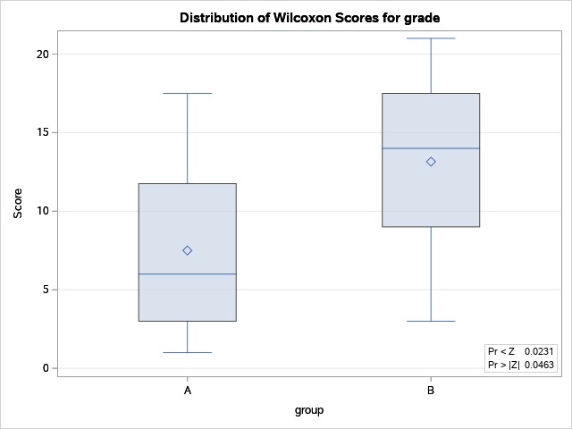

 |  |  | 由上面的数据可知，两者有显著的不同。

5
5、在同一个院落中做10次试验，每次试验2个小时，每次试验同时记录叮人而捕获的雌蚊数和由电子捕虫装置所杀死的雌蚊数，10次试验的结果如下表。若已知两者都是正态总体，试问在诱捕母蚊中如何比较电子杀虫器与人诱杀?
 | 掳杀的母蚊数
试验 | 电子杀虫器 | 人诱杀
1 | 31 | 94
2 | 44 | 146
3 | 12 | 194
4 | 15 | 54
5 | 11 | 39
6 | 49 | 90
7 | 151 | 172
8 | 30 | 219
9 | 12 | 60
10 | 17 | 21
解： | 代码：
 | data test;
 | input group $ grade @@;
 | datalines;
 | A 31
 | A 44
 | A 12
 | A 15
 | A 11
 | A 49
 | A 151
 | A 30
 | A 12
 | A 17
 | B 94
 | B 146
 | B 194
 | B 54
 | B 39
 | B 90
 | B 172
 | B 219
 | B 60
 | B 21
 | ;
 | run;

 | proc npar1way data = test wilcoxon;
 | class group;
 | var grade;
 | run;

 | 结果：
 | The NPAR1WAY Procedure

 | Wilcoxon Scores (Rank Sums) for Variable grade
 | Classified by Variable group
 | group | N | Sum of | Expected | Std Dev | Mean
 |  |  | Scores | Under H0 | Under H0 | Score
 | Average scores were used for ties.
 | A | 10 | 68 | 105 | 13.223782 | 6.8
 | B | 10 | 142 | 105 | 13.223782 | 14.2

 | Wilcoxon Two-Sample Test
 | Statistic | Z | Pr < Z | Pr > |Z| | t Approximation
 |  |  |  |  | Pr < Z | Pr > |Z|
 | Z includes a continuity correction of 0.5.
 | 68 | -2.7602 | 0.0029 | 0.0058 | 0.0062 | 0.0125

 | Kruskal-Wallis Test
 | Chi-Square | DF | Pr > ChiSq
 | 7.8287 | 1 | 0.0051

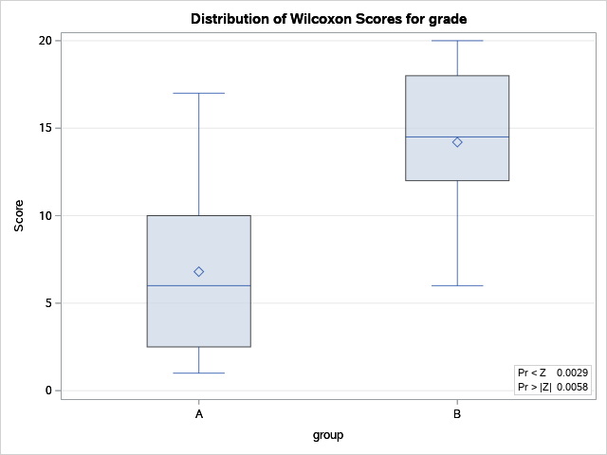

 | 由上述数据可知，人诱杀和电子诱杀有显著性不同，且人诱杀更强。

9
9、现有学生体测数据如数据表“学生体测”，试问： 1）每班的学生人数； 2）各班学生人数是否有显著差异？ 3）性别与身高体重等级的列联表（交叉表）； 4）问性别与身高体重等级之间是否独立？ 注意：数据表“学生体测”下面有详细的数据变量说明
解： | 程序：
 | proc freq data = work.student_data;
 | table class;
 | run;
 | proc freq data=work.student_data ;
 | tables class/chisq nocum;
 | run;
 | data ghw;
 | set work.student_data;
 | keep sex grade_hw;
 | run;
 | proc freq data=ghw;
 | tables sex*grade_hw / chisq;
 | title ′性别和身高体重等级′;

 | 结果：

 | The FREQ Procedure

 | class
 | class | Frequency | Percent | Cumulative | Cumulative
 |  |  |  | Frequency | Percent
 | 1 | 44 | 22.22 | 44 | 22.22
 | 2 | 39 | 19.7 | 83 | 41.92
 | 3 | 40 | 20.2 | 123 | 62.12
 | 4 | 39 | 19.7 | 162 | 81.82
 | 5 | 36 | 18.18 | 198 | 100

 | The FREQ Procedure

 | class
 | class | Frequency | Percent
 | 1 | 44 | 22.22
 | 2 | 39 | 19.7
 | 3 | 40 | 20.2
 | 4 | 39 | 19.7
 | 5 | 36 | 18.18

 | Chi-Square Test
 | for Equal Proportions
 | Chi-Square | 0.8384
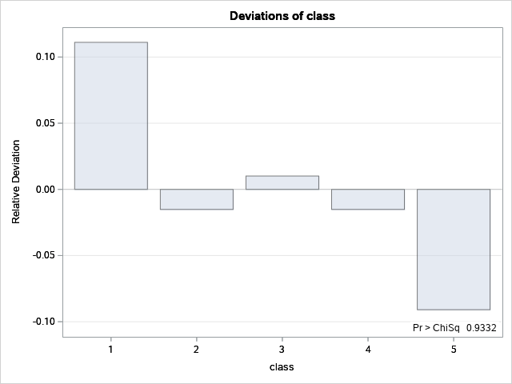
 | DF | 4
 | Pr > ChiSq | 0.9332

 | Sample Size = 198

 | ′性别和身高体重等级′

 | The FREQ Procedure

 | Frequency | Table of sex by grade_hw
 | Percent | sex(sex) | grade_hw(grade_hw)
 | Row Pct |  | 1 | 2 | 3 | 4 | Total
 | Col Pct | 1 | 8 | 17 | 81 | 2 | 108
 |  |  | 4.04 | 8.59 | 40.91 | 1.01 | 54.55
 |  |  | 7.41 | 15.74 | 75 | 1.85
 |  |  | 42.11 | 50 | 58.7 | 28.57
 |  | 2 | 11 | 17 | 57 | 5 | 90
 |  |  | 5.56 | 8.59 | 28.79 | 2.53 | 45.45
 |  |  | 12.22 | 18.89 | 63.33 | 5.56
 |  |  | 57.89 | 50 | 41.3 | 71.43
 |  | Total | 19 | 34 | 138 | 7 | 198
 |  |  | 9.6 | 17.17 | 69.7 | 3.54 | 100

 | Statistics for Table of sex by grade_hw

 | Statistic | DF | Value | Prob
 | WARNING: 25% of the cells have expected counts less
 | than 5. Chi-Square may not be a valid test.
 | Chi-Square | 3 | 4.3328 | 0.2277
 | Likelihood Ratio Chi-Square | 3 | 4.3605 | 0.2251
 | Mantel-Haenszel Chi-Square | 1 | 0.8324 | 0.3616
 | Phi Coefficient |  | 0.1479
 | Contingency Coefficient |  | 0.1463
 | Cramer's V |  | 0.1479

 | Sample Size = 198

 | 由上述结果可知，各班人数分别为44，39，40，39，36
 | 我们假设各班人数与3班没有显著性区别，由上述数据可知，我们可以认为各班之间的人数没有显著性差异
 | 由上述数据可知，性别和身高体重系数没有相关性。

