4
4. 4-1,4-2和4-3是食物价格数据，请将数据全部合并在一起，并画出腿肉(leg_pork)和鸡全腿(hen_leg)的价格走势图。 （提示：set 和merge一个是纵向合并，一个是横向合并。 画图程序：proc gplot data=数据;plot 纵坐标变量*横坐标变量;run;)
解：
程序： | FILENAME REFFILE '/home/u62234226/练习2.xlsx'

 | PROC IMPORT DATAFILE=REFFILE
 | DBMS=XLSX
 | OUT=WORK.data41
 | GETNAMES=YES
 | SHEET="4-1"
 | RUN
 | PROC IMPORT DATAFILE=REFFILE
 | DBMS=XLSX
 | OUT=WORK.data42
 | GETNAMES=YES
 | SHEET="4-2"
 | RUN
 | PROC IMPORT DATAFILE=REFFILE
 | DBMS=XLSX
 | OUT=WORK.data43
 | GETNAMES=YES
 | SHEET="4-3"
 | RUN
 | data pricedata
 | merge work.data41 work.data42
 | by time
 | data price_data
 | set pricedata work.data43
 | run
 | symbol1 interpol=join value=dot
 | symbol2 interpol=join value=dot
 | proc gplot data=price_data
 | plot leg_pork*time hen_leg*time /overlay
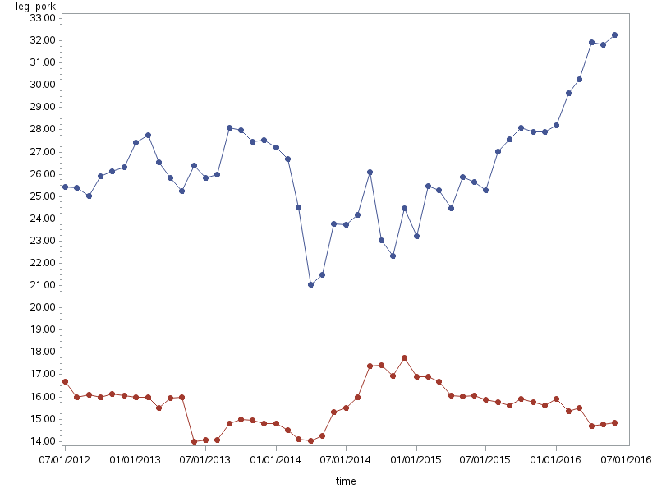
 | run
结果：

日志： | 1 OPTIONS NONOTES NOSTIMER NOSOURCE NOSYNTAXCHECK;
 | 68
 | 69 FILENAME REFFILE '/home/u62234226/练习2.xlsx';
 | 70
 | 71 PROC IMPORT DATAFILE=REFFILE
 | 72 DBMS=XLSX
 | 73 OUT=WORK.data41;
 | 74 GETNAMES=YES;
 | 75 SHEET="4-1";
 | 76 RUN;

 | NOTE: Import cancelled. Output dataset WORK.DATA41 already exists. Specify REPLACE option to overwrite it.
 | NOTE: The SAS System stopped processing this step because of errors.
 | NOTE: PROCEDURE IMPORT used (Total process time):
 | real time 0.00 seconds
 | user cpu time 0.00 seconds
 | system cpu time 0.00 seconds
 | memory 718.00k
 | OS Memory 27024.00k
 | Timestamp 09/25/2022 06:13:52 AM
 | Step Count 142 Switch Count 0
 | Page Faults 0
 | Page Reclaims 138
 | Page Swaps 0
 | Voluntary Context Switches 0
 | Involuntary Context Switches 0
 | Block Input Operations 0
 | Block Output Operations 0

 | 77 PROC IMPORT DATAFILE=REFFILE
 | 78 DBMS=XLSX
 | 79 OUT=WORK.data42;
 | 80 GETNAMES=YES;
 | 81 SHEET="4-2";
 | 82 RUN;

 | NOTE: Import cancelled. Output dataset WORK.DATA42 already exists. Specify REPLACE option to overwrite it.
 | NOTE: The SAS System stopped processing this step because of errors.
 | NOTE: PROCEDURE IMPORT used (Total process time):
 | real time 0.00 seconds
 | user cpu time 0.00 seconds
 | system cpu time 0.00 seconds
 | memory 717.78k
 | OS Memory 27024.00k
 | Timestamp 09/25/2022 06:13:52 AM
 | Step Count 143 Switch Count 0
 | Page Faults 0
 | Page Reclaims 138
 | Page Swaps 0
 | Voluntary Context Switches 0
 | Involuntary Context Switches 0
 | Block Input Operations 0
 | Block Output Operations 0

 | 83 PROC IMPORT DATAFILE=REFFILE
 | 84 DBMS=XLSX
 | 85 OUT=WORK.data43;
 | 86 GETNAMES=YES;
 | 87 SHEET="4-3";
 | 88 RUN;

 | NOTE: Import cancelled. Output dataset WORK.DATA43 already exists. Specify REPLACE option to overwrite it.
 | NOTE: The SAS System stopped processing this step because of errors.
 | NOTE: PROCEDURE IMPORT used (Total process time):
 | real time 0.00 seconds
 | user cpu time 0.00 seconds
 | system cpu time 0.00 seconds
 | memory 717.03k
 | OS Memory 27024.00k
 | Timestamp 09/25/2022 06:13:52 AM
 | Step Count 144 Switch Count 0
 | Page Faults 0
 | Page Reclaims 138
 | Page Swaps 0
 | Voluntary Context Switches 0
 | Involuntary Context Switches 0
 | Block Input Operations 0
 | Block Output Operations 0

 | 89 data pricedata;
 | 90 merge work.data41 work.data42;
 | 91 by time;

 | NOTE: There were 30 observations read from the data set WORK.DATA41.
 | NOTE: There were 30 observations read from the data set WORK.DATA42.
 | NOTE: The data set WORK.PRICEDATA has 30 observations and 10 variables.
 | NOTE: DATA statement used (Total process time):
 | real time 0.00 seconds
 | user cpu time 0.00 seconds
 | system cpu time 0.00 seconds
 | memory 1404.56k
 | OS Memory 27564.00k
 | Timestamp 09/25/2022 06:13:52 AM
 | Step Count 145 Switch Count 2
 | Page Faults 0
 | Page Reclaims 226
 | Page Swaps 0
 | Voluntary Context Switches 10
 | Involuntary Context Switches 0
 | Block Input Operations 0
 | Block Output Operations 264

 | 92 data price_data;
 | 93 set pricedata work.data43;
 | 94 run;

 | NOTE: There were 30 observations read from the data set WORK.PRICEDATA.
 | NOTE: There were 18 observations read from the data set WORK.DATA43.
 | NOTE: The data set WORK.PRICE_DATA has 48 observations and 10 variables.
 | NOTE: DATA statement used (Total process time):
 | real time 0.00 seconds
 | user cpu time 0.01 seconds
 | system cpu time 0.00 seconds
 | memory 1298.34k
 | OS Memory 27564.00k
 | Timestamp 09/25/2022 06:13:52 AM
 | Step Count 146 Switch Count 2
 | Page Faults 0
 | Page Reclaims 157
 | Page Swaps 0
 | Voluntary Context Switches 12
 | Involuntary Context Switches 0
 | Block Input Operations 0
 | Block Output Operations 264

 | 95 symbol1 interpol=join value=dot;
 | 96 symbol2 interpol=join value=dot;
 | 97 proc gplot data=price_data;
 | 98 plot leg_pork*time hen_leg*time /overlay;
 | 99 run;

 | 100
 | 101 OPTIONS NONOTES NOSTIMER NOSOURCE NOSYNTAXCHECK;
 | 111

