Dramatic
 | Height | Weight | Bust | Waist | Hips | Shoes | Dress size |  | waist/hips | Formula Broca = (height-110)*1.15 | Form.Lorenzo = (height-100) - (height-150)/2
Lana Turner | 5' 3.5" (161 cm) | 110 lbs (50 kg) | 34B | 24 | 34 | 7 US | 8 | slim | 10 | 58.65 | 55.5
Lena Horne | 5' 5" (165 cm) | 120 lbs (54.4 kg) | 34C | 24 | 34 | 8 US | 4 | Slim | 10 | 63.25 | 57.5
Joan Crawford | 5' 5" (165 cm) | 110 lbs (50 kg) | 35D | 25 | 35 | 5 US | 4 | slim | 10 | 63.25 | 57.5
Maggie Smith | 5' 5" (165 cm) | 128 lbs (58 kg) | 34A | 25 | 32 | 9 US | 6 | Slim | 7 | 63.25 | 57.5
Greta Garbo | 5' 7" (170 cm) | 125 lbs (56.7 kg) | 35B (36) | 28 | 34 | 10 US |  | average | 6 | 69 | 60
Faye Dunaway | 5' 7" (170 cm) | 128 lbs (58 kg) | 34C | 24 | 34 | 10 US | 7 | Slim | 10 | 69 | 60
Sheryl Lee Ralph | 5' 7" (170 cm) | 130 lbs (59 kg) | 34C | 26 | 36 | 8.5 US |  | Athletic | 10 | 69 | 60
Jamie Lee Curtis | 5’ 7” (170 cm) | 150 lbs (68 kg) | 34C | 25 | 34 | 8.5 US | 2 | Athletic | 9 | 69 | 60
Katharine Hepburn | 5' 8" (172 cm) | 140 lbs (63.5 kg) | 34B | 22 | 33 | 8.5 US | 4 | Average | 11 | 71.3 | 61
Rosalind Russell | 5' 8" (173 cm) | 120 lbs (54.4 kg) | 34.5 | 25.5 | 36 |  |  | Slim | 11.5 | 72.45 | 61.5
Kathleen Turner | 5' 8" (173 cm) | 134 lbs (61 kg) | 34A | 25 | 36 | 8.5 US | 8 | Average | 11 | 72.45 | 61.5
Lauren Bacall | 5' 8½" (174 cm) | 124 lbs (56 kg) | 34B | 26 | 34 | 7 US | 2 | Slim | 8 | 73.6 | 62
Alexis Smith | 5' 9" (175 cm) | 128 lbs (58 kg) | 34 | 24 | 36 | 6.5 |  | Slim | 12 | 74.75 | 62.5
Barbara Carrera | 5' 9" (175 cm) |  | 36B | 24 | 34 | 8.5 US |  | Voluptuous | 10 | 74.75 | 62.5

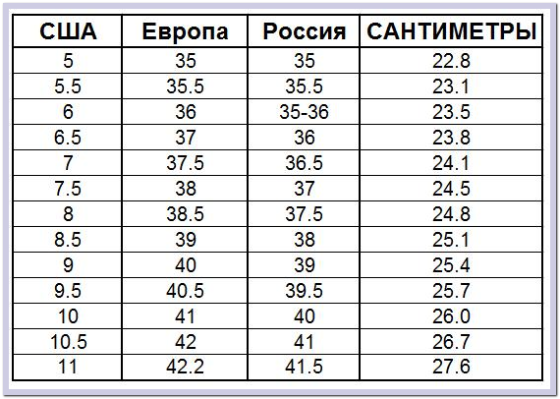
Одежда |  |  | in | cm |  | in | cm |  | Обувь
US | RU |  | 20 | 50.8 |  | 6 | 15.2
0 | 38 |  | 21 | 53.3 |  | 7 | 17.8
2 | 40 |  | 22 | 55.9 |  | 8 | 20.3
4 | 42 |  | 23 | 58.4 |  | 9 | 22.9
6 | 44 |  | 24 | 61 |  | 10 | 25.4
8 | 46 |  | 25 | 63.5 |  | 11 | 28
10 | 48 |  | 26 | 66 |  | 11.5 | 28.2
12 | 50 |  | 27 | 68.6 |  | 12 | 30.5
14 | 52 |  | 28 | 71.1
16 | 54 |  | 29 | 73.7
18 | 56 |  | 30 | 76.2
 |  |  | 31 | 78.7
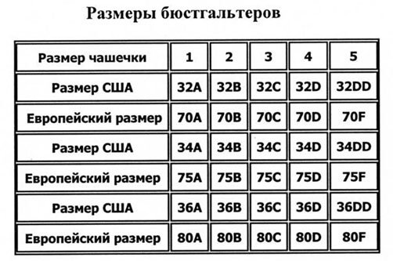
 |  |  | 32 | 81.3
 |  |  | 33 | 83.8
 |  |  | 34 | 86.4
 |  |  | 35 | 88.9
 |  |  | 36 | 91.4
 |  |  | 37 | 94
 |  |  | 38 | 96.5
 |  |  | 39 | 99.1
 |  |  | 40 | 101.6
 |  |  | 41 | 104.1
 |  |  | 42 | 106.7

