Yang
 | Height | Weight | Bust | Waist | Hips | Shoes |  | waist/hips | Hair color | Eyes color
Alla Nazimova | 5' 3" (160 cm) |  |  |  |  |  | Slim |  | Black | Dark brown
Helen Wills | 5' 7'' (170 cm)
Jane Addams
Katharine Cornell |  |  |  |  |  |  | Slim |  | Dark brown | Light brown
Greta Garbo | 5' 7.5" (172 cm) | 125 lbs (56.7 kg) | 35B (35,5) | 28 | 33,5 | 10 US | average | 5,5 | light brown | blue
Kay Francis | 5' 9" (175 cm) | 118 lbs (53.5 kg) | 33 | 25.5 | 35 |  | Slim | 9.5 | Dark brown | Green

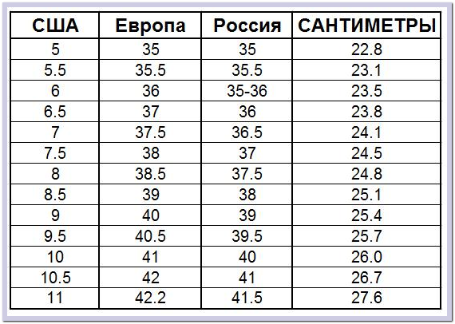
 | in | cm |  | in | cm |  | Обувь
 | 20 | 50.8 |  | 6 | 15.2
 | 21 | 53.3 |  | 7 | 17.8
 | 22 | 55.9 |  | 8 | 20.3
 | 23 | 58.4 |  | 9 | 22.9
 | 24 | 61 |  | 10 | 25.4
 | 25 | 63.5 |  | 11 | 28
 | 26 | 66 |  | 11.5 | 28.2
 | 27 | 68.6 |  | 12 | 30.5
 | 28 | 71.1
 | 29 | 73.7
 | 30 | 76.2
 | 31 | 78.7
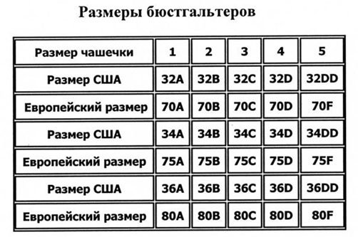
 | 32 | 81.3
 | 33 | 83.8
 | 34 | 86.4
 | 35 | 88.9
 | 36 | 91.4
 | 37 | 94
 | 38 | 96.5
 | 39 | 99.1
 | 40 | 101.6
 | 41 | 104.1
 | 42 | 106.7

