Results
 | RESULTS OBTAINED BY PERFORMING VARIOUS TESTS AND COMMANDS UNDER ARIMA MODELLING

1. Dickey-Fuller and Phillips Perron tests for the stationarity of the price variable.
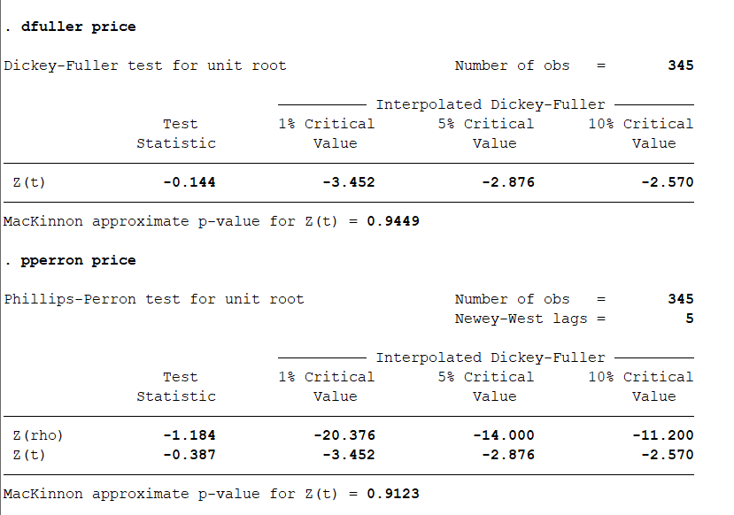

Series is found to be non-stationary.
Applying the method of first differencing to obtain the variable d_price.
Again, unit root testing for d_price.
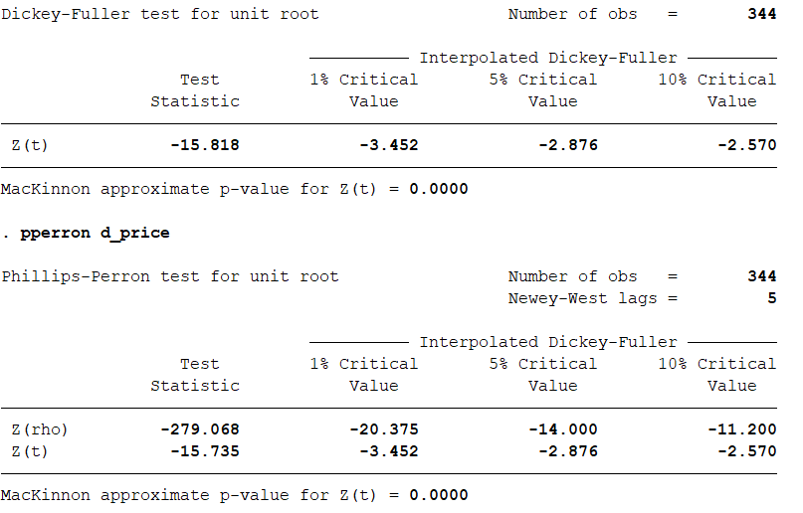

2. Analyzing ACF and PACF plots to get the values of p and q which are the lag orders for AR and MA models respectively.
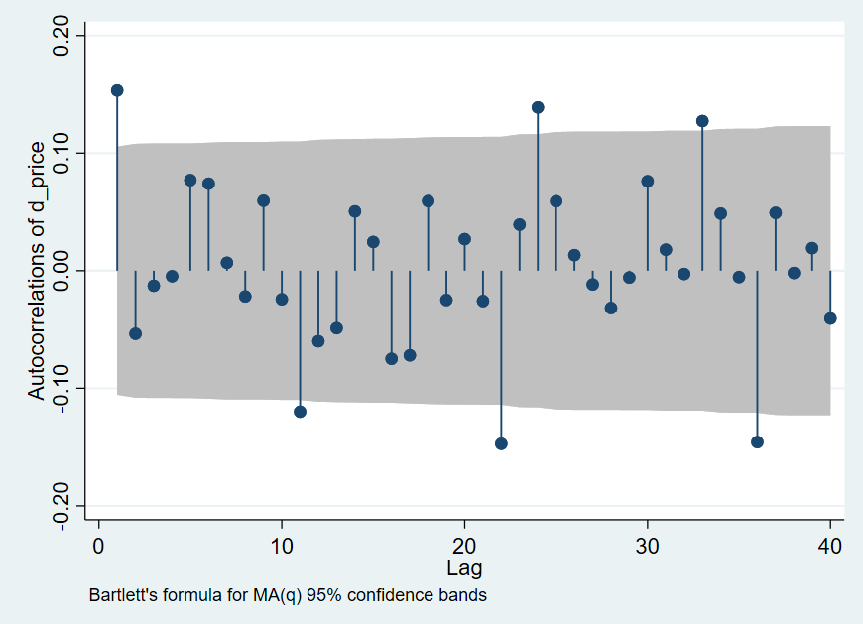
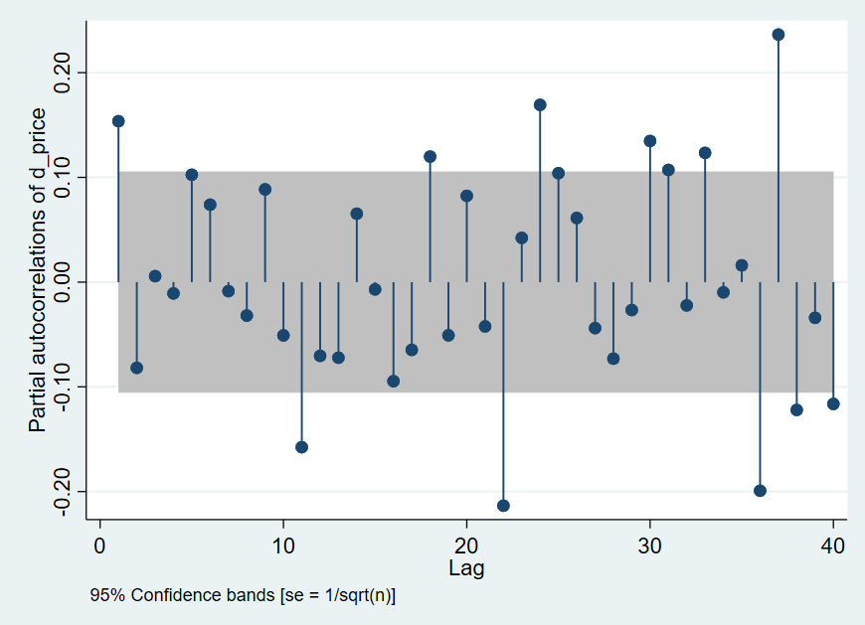

Both lags are found to be 1.
p = 1
q = 1

3. Running the ARIMA regression with p = 1, d = 1, q = 1

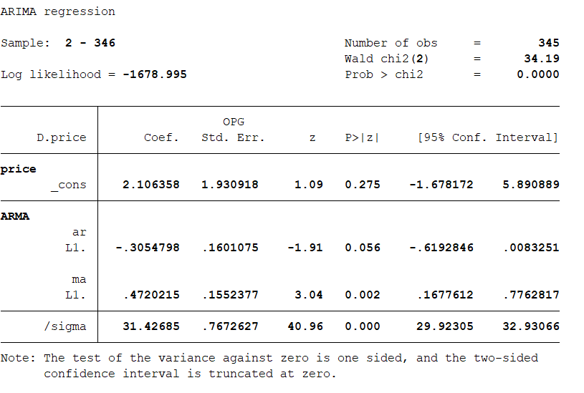

Yt = Yt-1 + ut + et
Yt = Price in time period t
ut = Drift component
et = Random error

4. Checking AIC and BIC values for comparison across various models
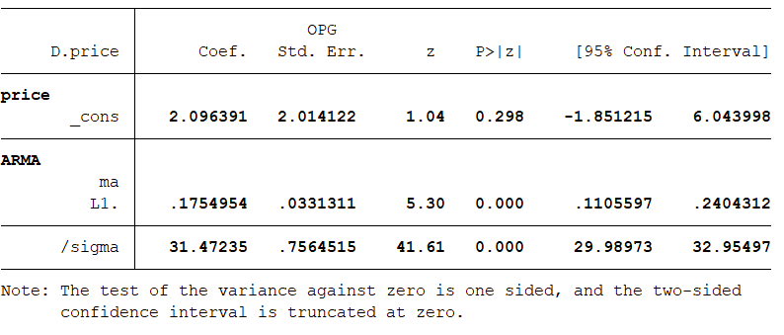

ARIMA(0, 1, 1)

ARIMA(0, 1, 0)

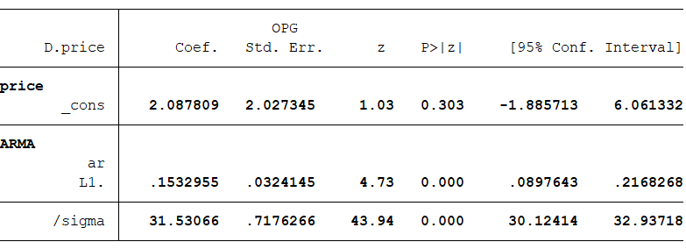

ARIMA(1, 1, 0)

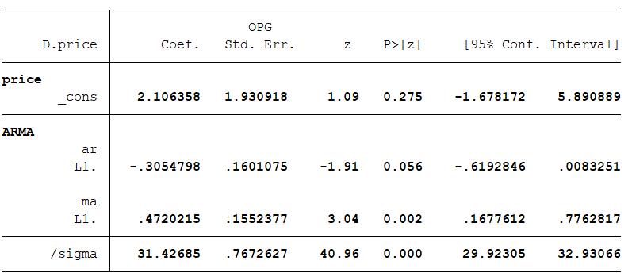
ARIMA(1, 1, 1)

5. Predicting and plotting the acf and pacf plots for residuals to check for further autocorrelation

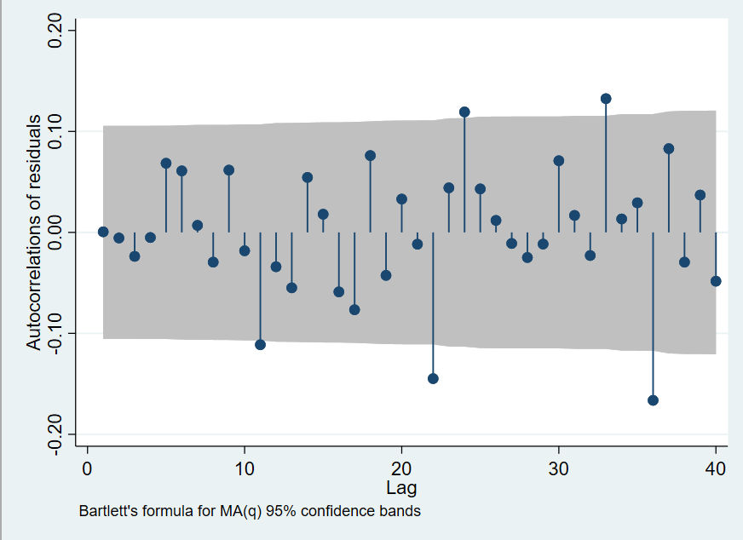
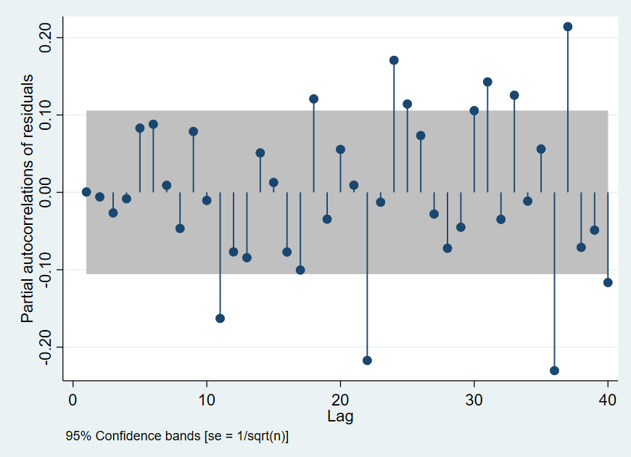

 | No futher autocorrelation obtained.

