Sheet6
SAVINGS | FIXED_DEPOSITS | CURRENT_ACCOUNT | LOAN | SAVINGS | FIXED_DEPOSITS | CURRENT_ACCOUNT | LOAN | SAVINGS | FIXED_DEPOSITS | CURRENT_ACCOUNT | LOAN
1 | 0 | 0 | 1 | 1 | 1 | 0 | 0 | 103 | 32 | 10 | 58
1 | 0 | 0 | 1 | 1 | 0 | 0 | 0 | 48 | 18 | 5 | 27
1 | 0 | 0 | 0 | 1 | 0 | 1 | 0
1 | 1 | 0 | 0 | 1 | 0 | 0 | 0
1 | 0 | 0 | 0 | 1 | 1 | 0 | 1
1 | 0 | 1 | 0 | 1 | 1 | 0 | 0 | SAVINGS | FIXED_DEPOSITS | CURRENT_ACCOUNT | LOAN
1 | 0 | 0 | 0 | 1 | 0 | 0 | 0 | 151 | 50 | 15 | 85
1 | 1 | 0 | 1 | 1 | 1 | 0 | 1
1 | 1 | 0 | 0 | 1 | 0 | 0 | 0
1 | 0 | 0 | 0 | 1 | 1 | 0 | 0
1 | 0 | 0 | 0 | 1 | 0 | 0 | 1
1 | 0 | 0 | 0 | 1 | 1 | 1 | 1
1 | 1 | 0 | 0 | 1 | 1 | 1 | 1
1 | 1 | 0 | 0 | 1 | 0 | 0 | 1
1 | 0 | 0 | 0 | 1 | 1 | 0 | 0 |  | SAVINGS | FIXED_DEPOSITS | CURRENT_ACCOUNT | LOAN
1 | 0 | 0 | 1 | 1 | 1 | 0 | 0 | Mobile Banking App Users | 103 | 32 | 10 | 58
1 | 1 | 0 | 1 | 1 | 1 | 0 | 0 | Non Mobile Banking App Users | 48 | 18 | 5 | 35
1 | 0 | 0 | 0 | 1 | 0 | 0 | 1
1 | 1 | 0 | 1 | 1 | 0 | 0 | 1
1 | 0 | 0 | 0 | 1 | 0 | 0 | 1
1 | 1 | 0 | 0 | 1 | 0 | 0 | 0 |  | SAVINGS | FIXED_DEPOSITS | CURRENT_ACCOUNT | LOAN
Account Types Registered In the Banks
1 | 0 | 0 | 1 | 1 | 0 | 0 | 0 | Mobile Banking App Users | 68.21192053 | 21.19205298 | 6.6225165563 | 38.410596026
1 | 0 | 0 | 1 | 1 | 0 | 1 | 1 | Non Mobile Banking App Users | 31.78807947 | 11.920529801 | 3.3112582781 | 23.178807947
1 | 1 | 1 | 1 | 1 | 0 | 1 | 1
1 | 1 | 1 | 1 | 1 | 1 | 0 | 0
1 | 1 | 0 | 1 | 1 | 0 | 0 | 1
1 | 1 | 0 | 0 | 1 | 0 | 0 | 1 |  | SAVINGS | FIXED_DEPOSITS | CURRENT_ACCOUNT | LOAN
1 | 1 | 0 | 0 | 1 | 1 | 0 | 1 | Total | 151 | 50 | 15 | 85
1 | 0 | 0 | 1 | 1 | 1 | 0 | 0
1 | 1 | 0 | 0 | 1 | 0 | 0 | 1
1 | 1 | 0 | 0 | 1 | 0 | 0 | 1
1 | 1 | 0 | 0 | 1 | 1 | 0 | 0 |  | SAVINGS | FIXED_DEPOSITS | CURRENT_ACCOUNT | LOAN
1 | 0 | 0 | 1 | 1 | 0 | 0 | 1 | Total | 100 | 33.112582781 | 9.9337748344 | 56.291390728
1 | 0 | 0 | 1 | 1 | 0 | 0 | 1
1 | 0 | 0 | 1 | 1 | 0 | 0 | 1 |  | SAVINGS | FIXED_DEPOSITS | CURRENT_ACCOUNT | LOAN
1 | 0 | 0 | 0 | 1 | 0 | 0 | 0 | Total | 100 | 33.112582781 | 9.9337748344 | 56.291390728
1 | 0 | 0 | 0 | 1 | 0 | 0 | 0
1 | 1 | 0 | 0 | 1 | 0 | 0 | 1
1 | 0 | 0 | 0 | 1 | 0 | 0 | 1 |  | SAVINGS | FIXED_DEPOSITS | CURRENT_ACCOUNT | LOAN
1 | 0 | 0 | 0 | 1 | 0 | 0 | 1 | Mobile Banking App Users | 100 | 31.067961165 | 9.7087378641 | 56.310679612
1 | 0 | 0 | 0 | 1 | 0 | 0 | 1 | Non Mobile Banking App Users | 100 | 37.5 | 10.416666667 | 72.916666667
1 | 0 | 1 | 1 | 1 | 0 | 0 | 1
1 | 0 | 0 | 0 | 1 | 1 | 0 | 1
1 | 1 | 1 | 1 | 1 | 0 | 0 | 1
1 | 0 | 0 | 1 | 1 | 1 | 0 | 1
1 | 0 | 0 | 1 | 1 | 1 | 0 | 0
1 | 0 | 0 | 1 | 1 | 1 | 0 | 0
1 | 0 | 0 | 1 | 1 | 0 | 0 | 0
1 | 0 | 1 | 1 | 48 | 18 | 5 | 27
1 | 1 | 0 | 0
1 | 0 | 0 | 1
1 | 0 | 0 | 1
1 | 0 | 0 | 1
1 | 0 | 0 | 1
1 | 1 | 0 | 1
1 | 1 | 0 | 0
1 | 0 | 0 | 1
1 | 0 | 0 | 1
1 | 0 | 0 | 0
1 | 0 | 0 | 1
1 | 1 | 0 | 0
1 | 0 | 0 | 0
1 | 0 | 0 | 0
1 | 0 | 0 | 0
1 | 0 | 0 | 1
1 | 0 | 0 | 1
1 | 0 | 0 | 1
1 | 0 | 0 | 1
1 | 0 | 0 | 1
1 | 0 | 0 | 1
1 | 0 | 1 | 1
1 | 0 | 0 | 0
1 | 0 | 0 | 0
1 | 0 | 0 | 1
1 | 0 | 0 | 1
1 | 0 | 0 | 1
1 | 0 | 0 | 1
1 | 0 | 0 | 1
1 | 0 | 0 | 1
1 | 0 | 0 | 1
1 | 1 | 1 | 1
1 | 0 | 0 | 1
1 | 0 | 0 | 1
1 | 1 | 0 | 1
1 | 0 | 0 | 1
1 | 1 | 1 | 1
1 | 1 | 0 | 1
1 | 0 | 0 | 1
1 | 1 | 0 | 0
1 | 0 | 0 | 1
1 | 0 | 0 | 1
1 | 1 | 0 | 0
1 | 0 | 0 | 0
1 | 0 | 0 | 0
1 | 0 | 0 | 1
1 | 0 | 0 | 1
1 | 1 | 0 | 1
1 | 0 | 0 | 1
1 | 1 | 0 | 0
1 | 1 | 0 | 0
1 | 1 | 0 | 0
1 | 0 | 1 | 0
1 | 0 | 0 | 0

103 | 32 | 10 | 58

Sheet3
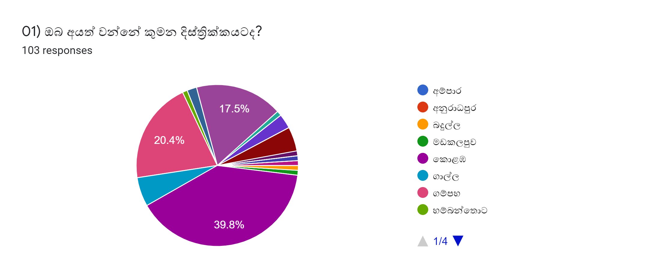

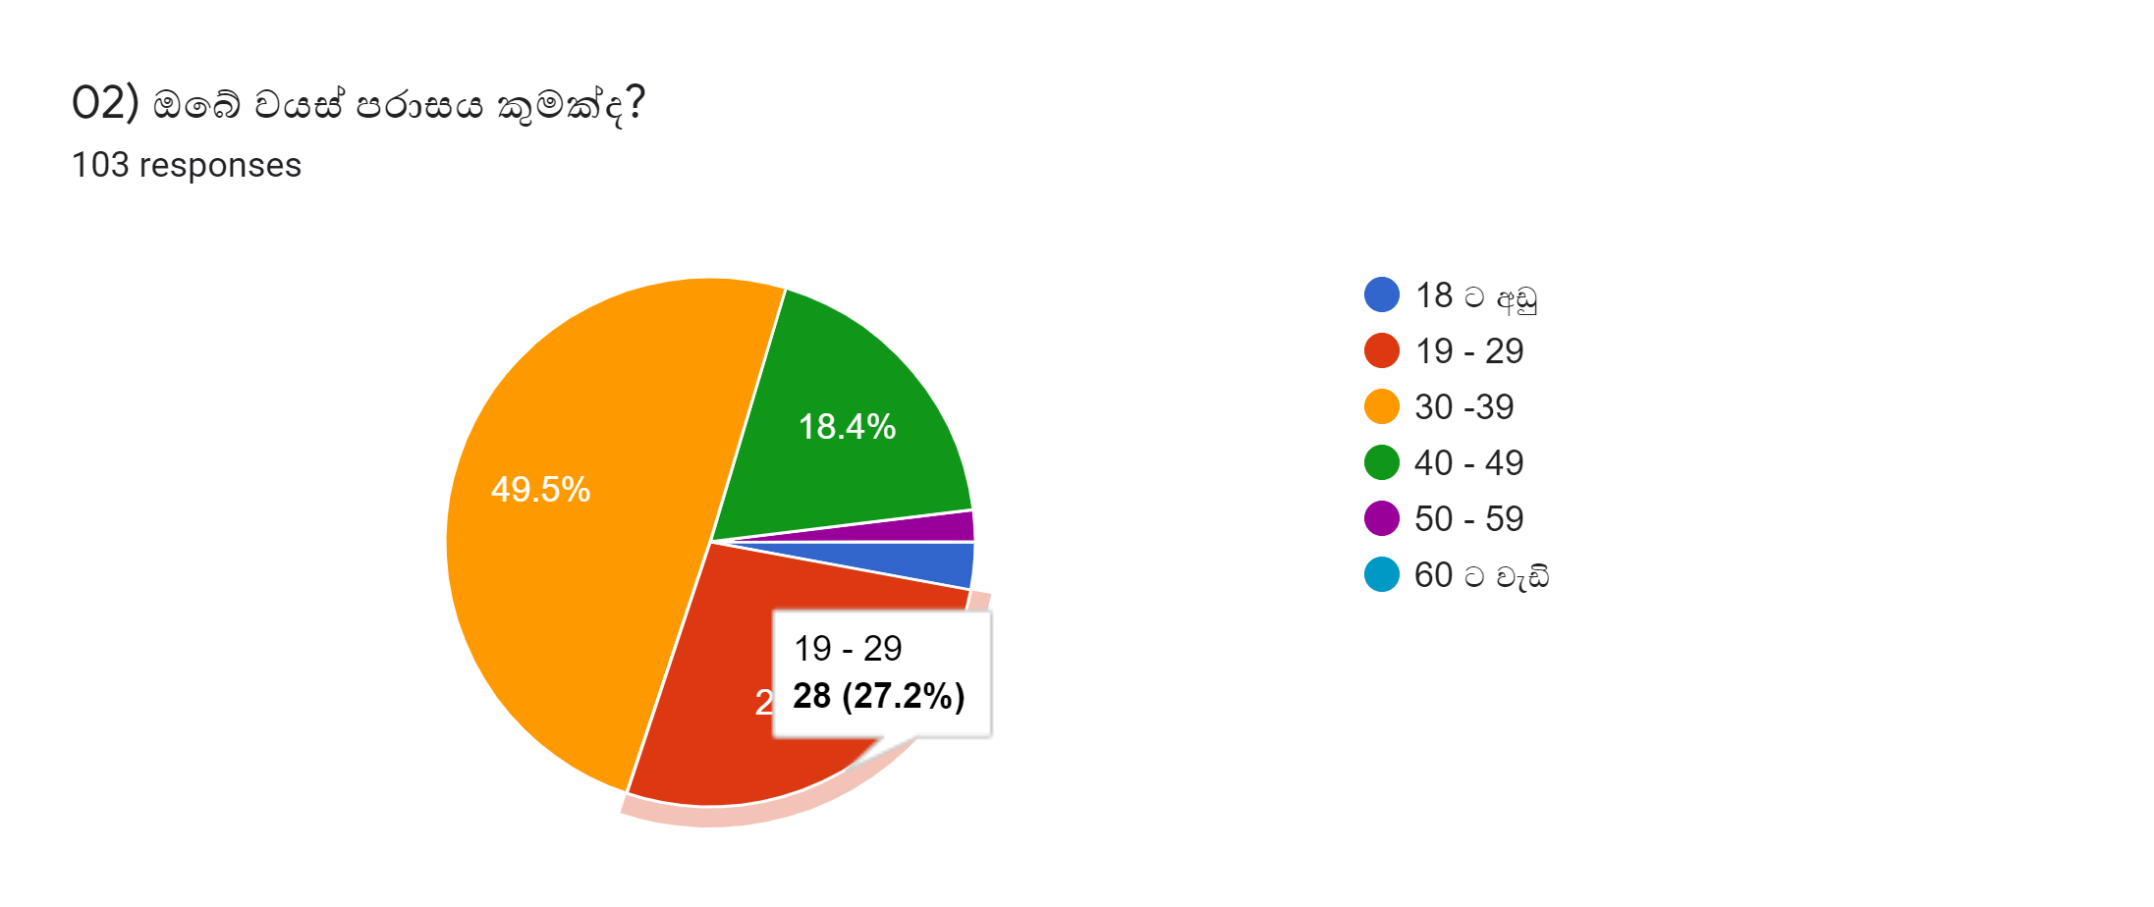

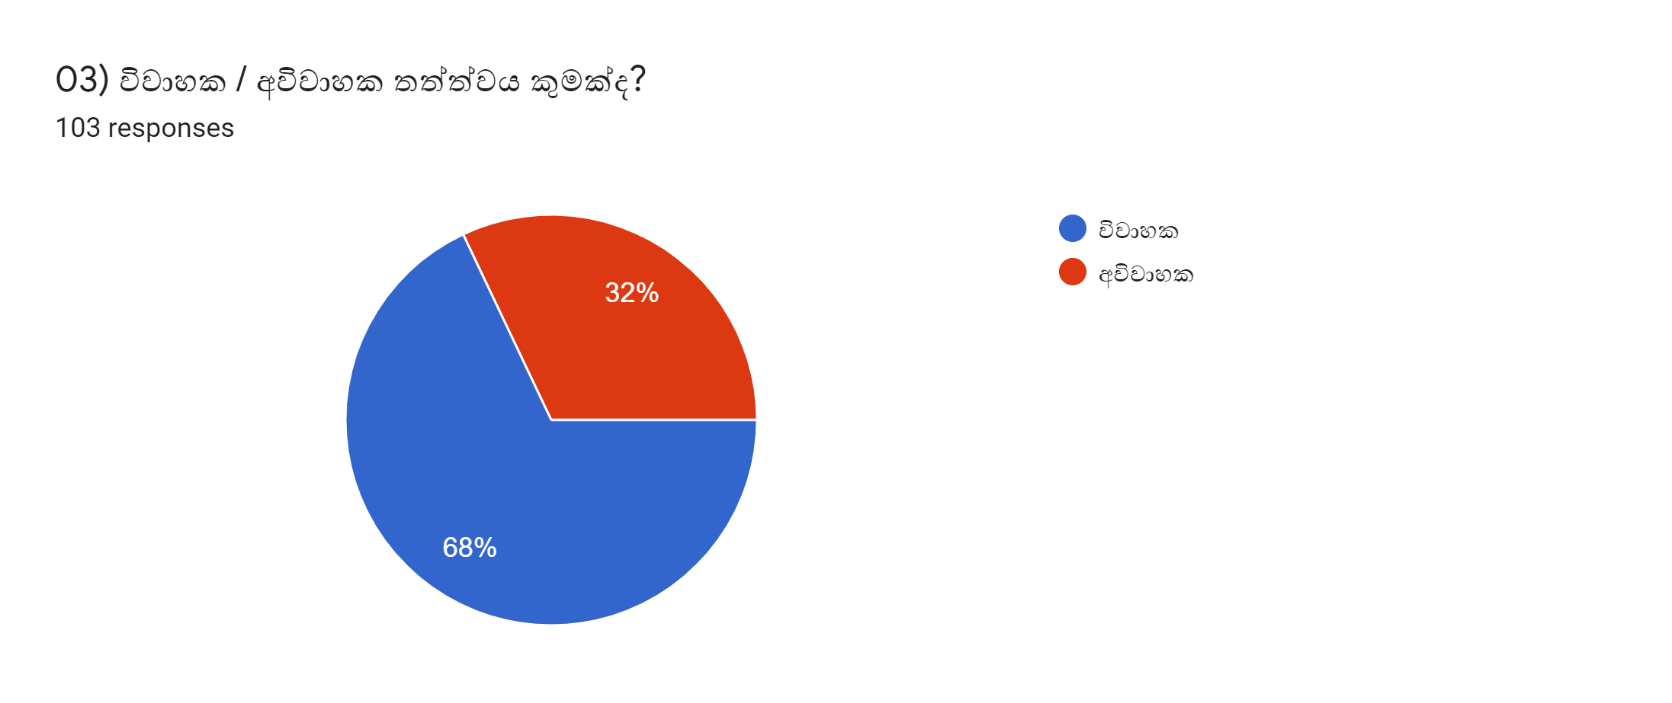

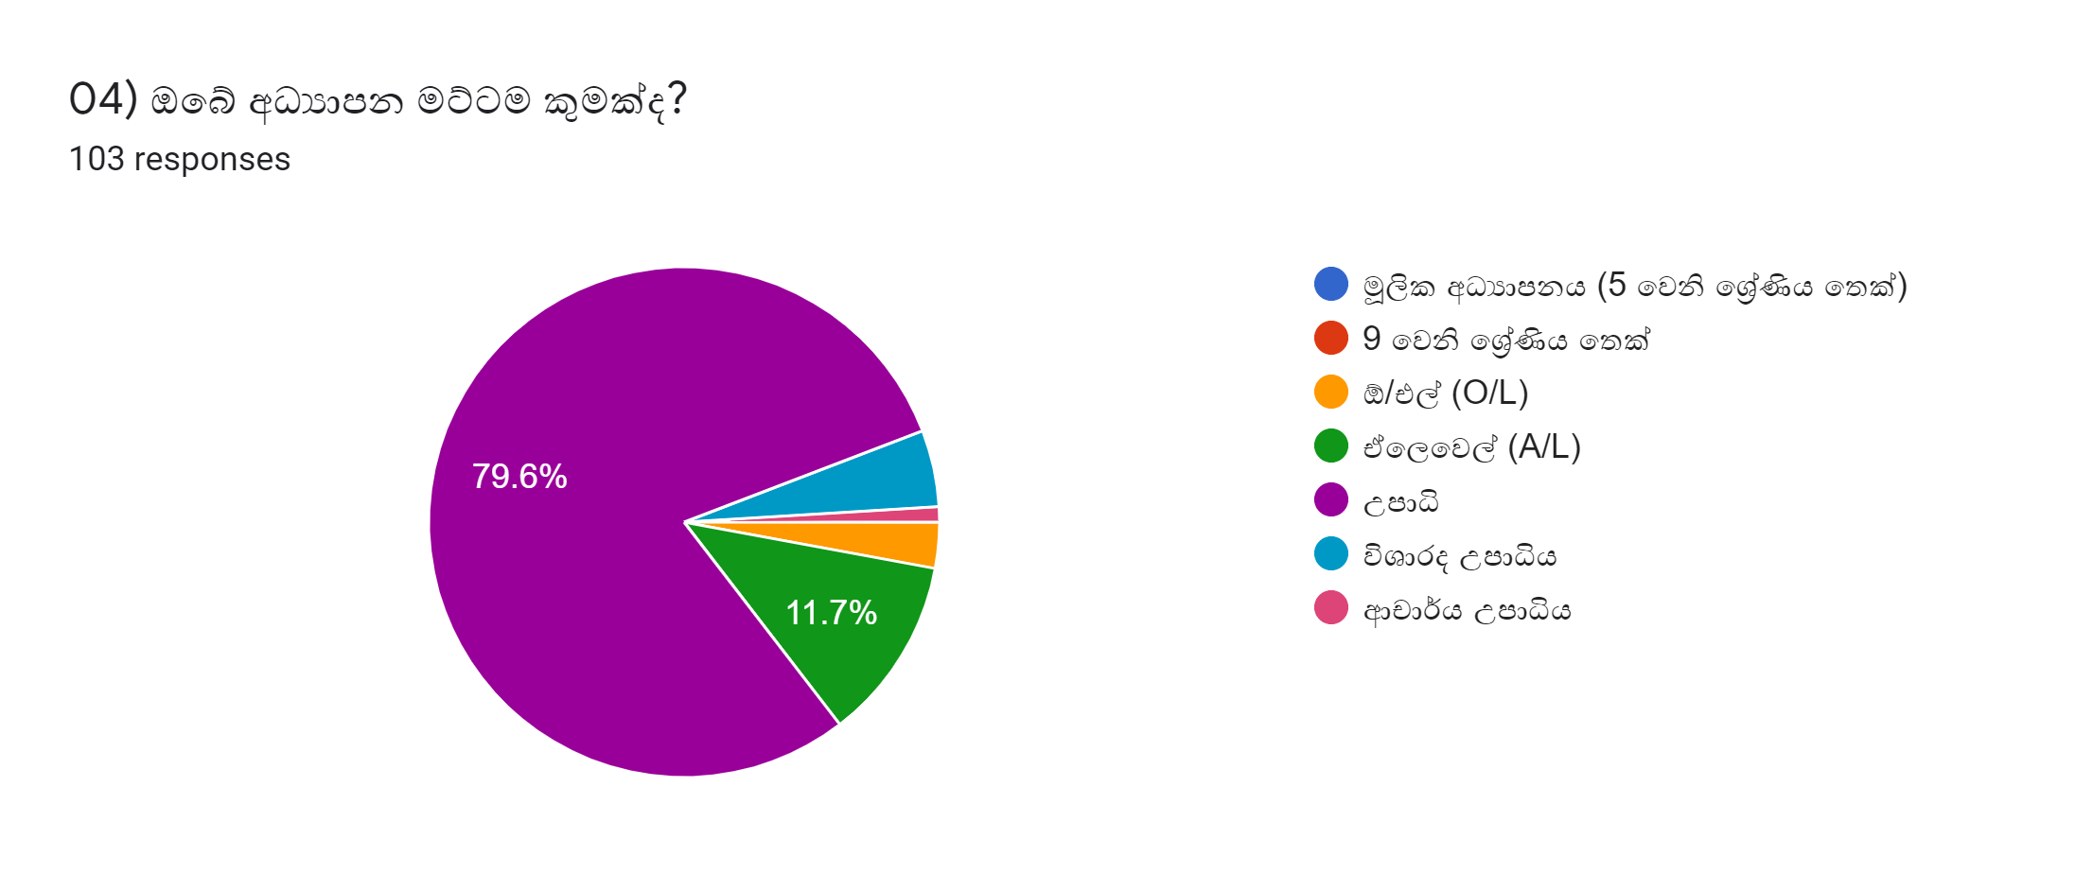

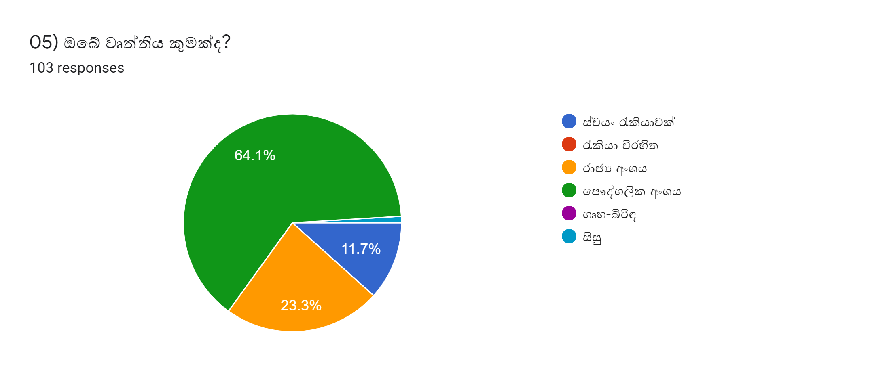

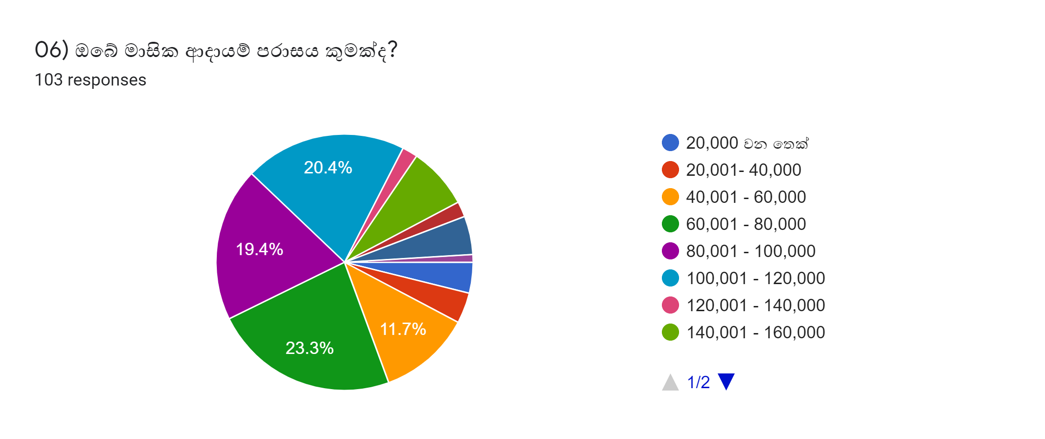

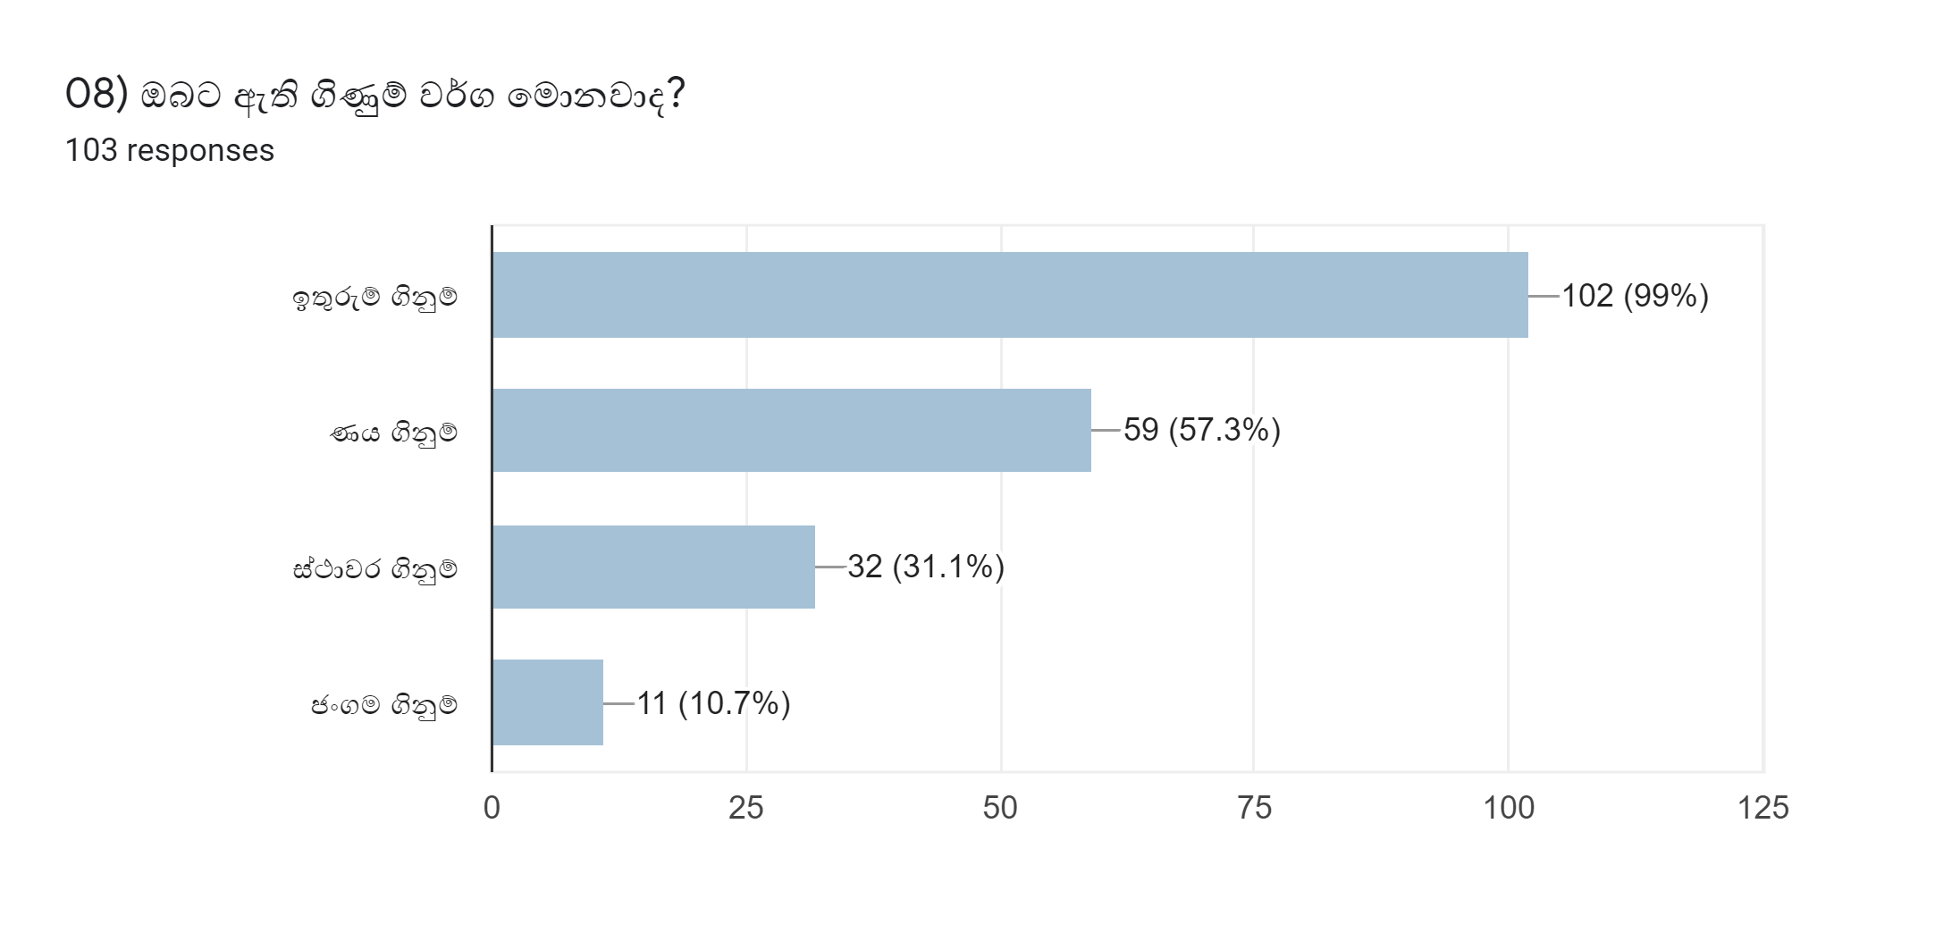

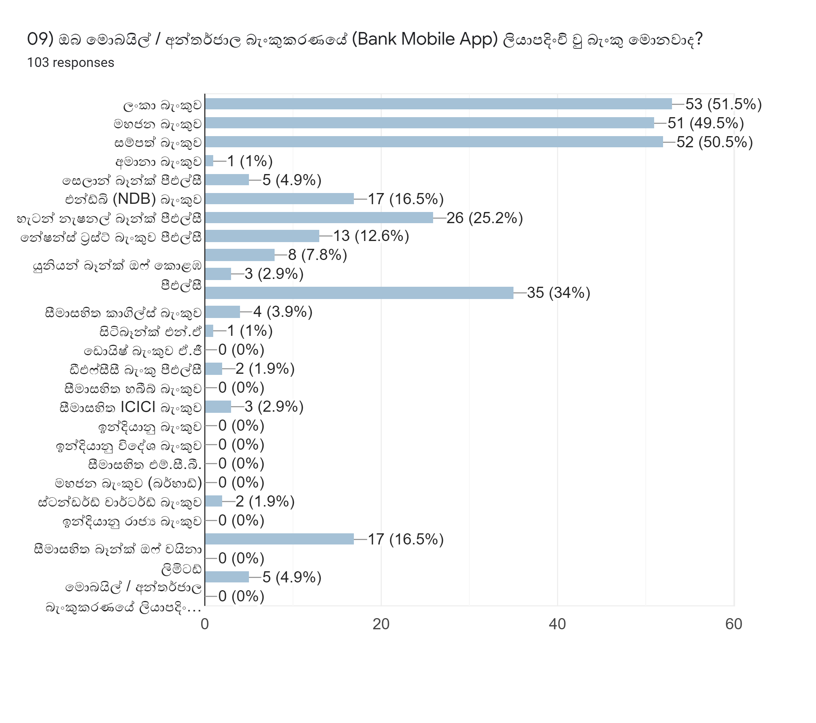

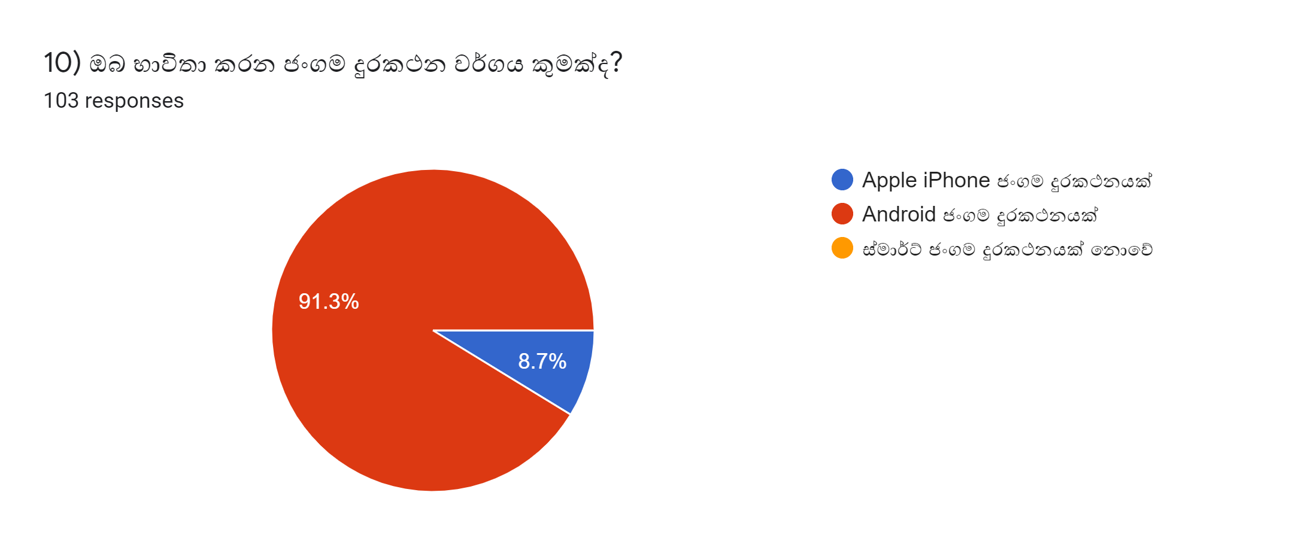

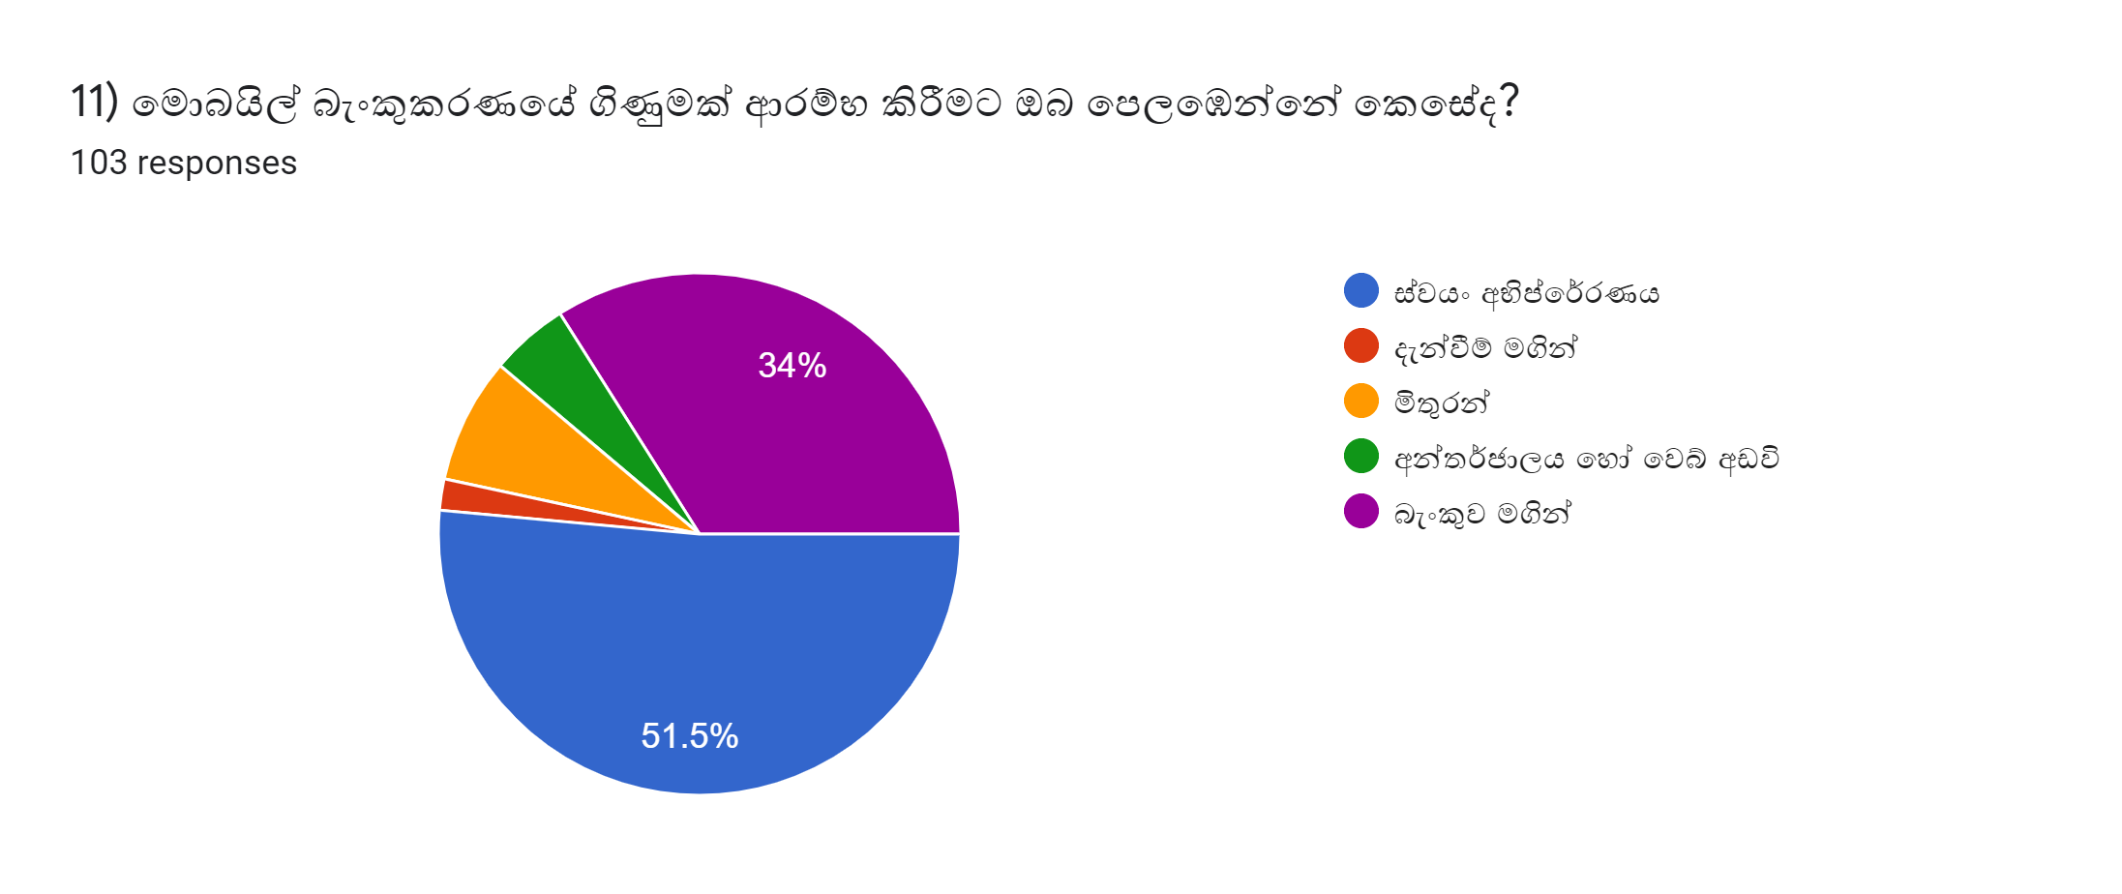

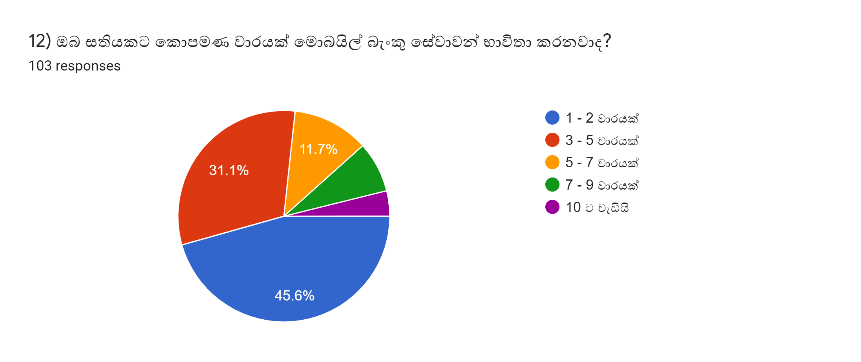

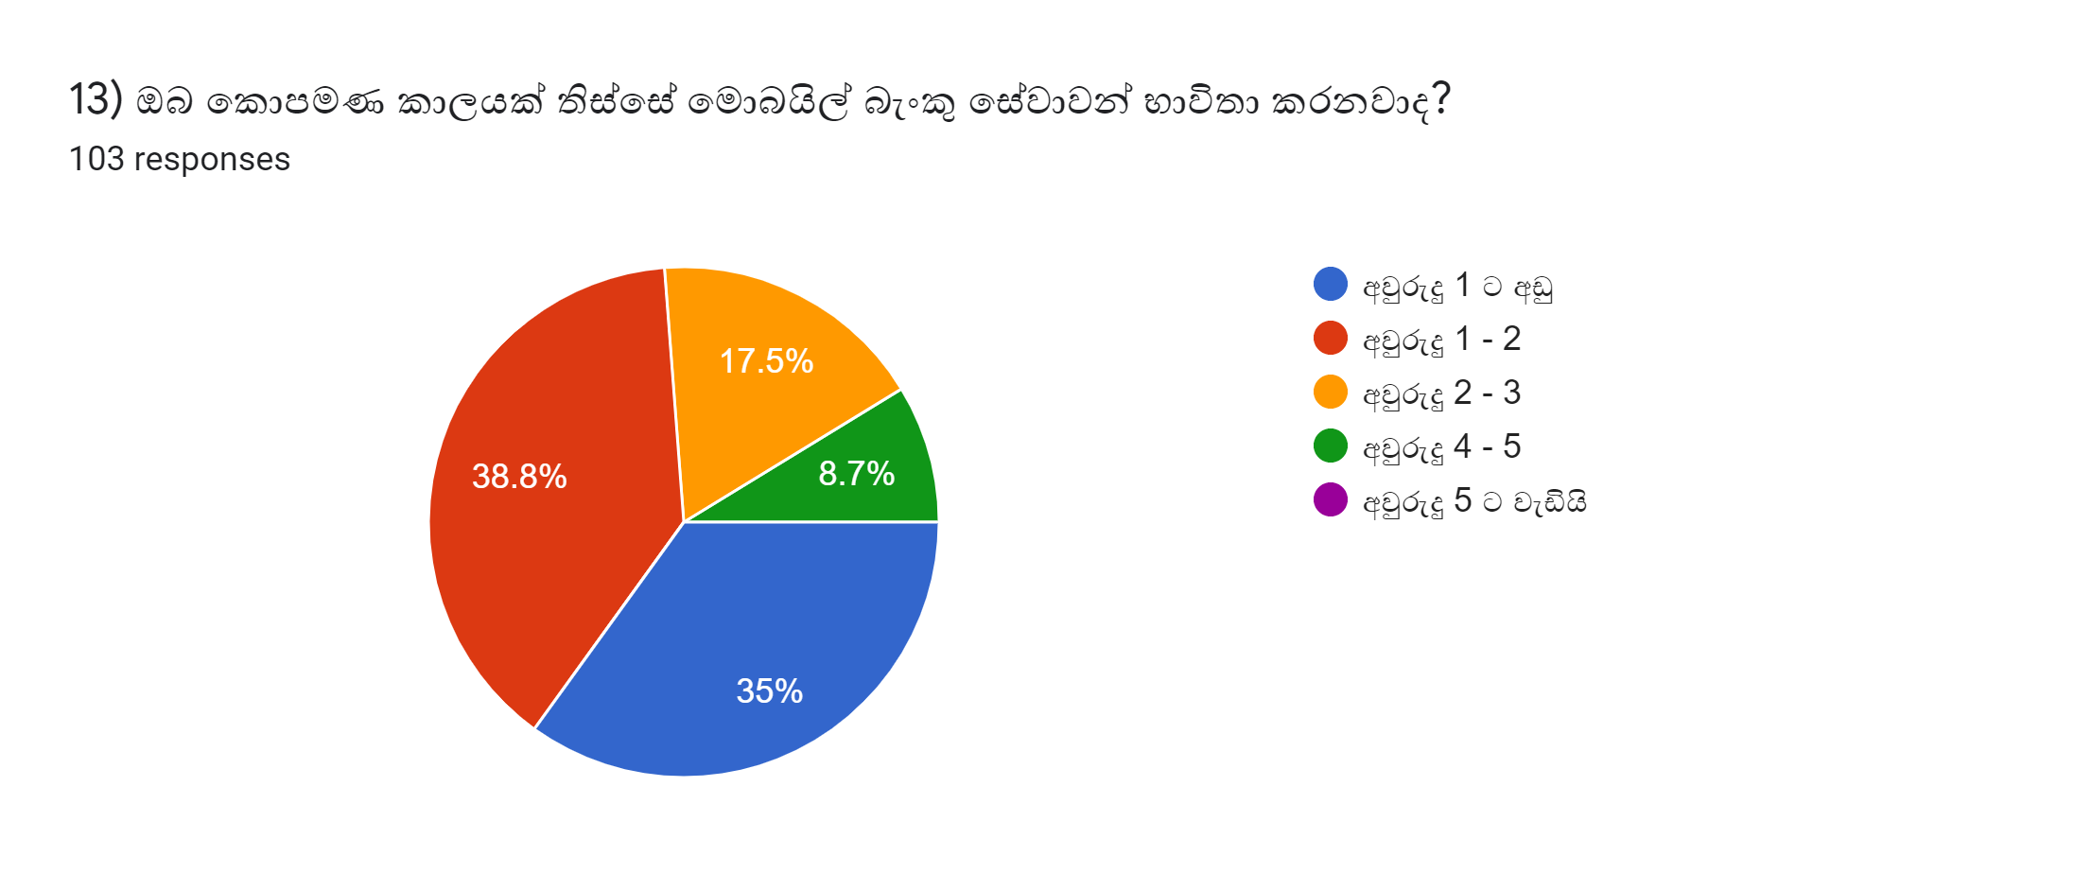

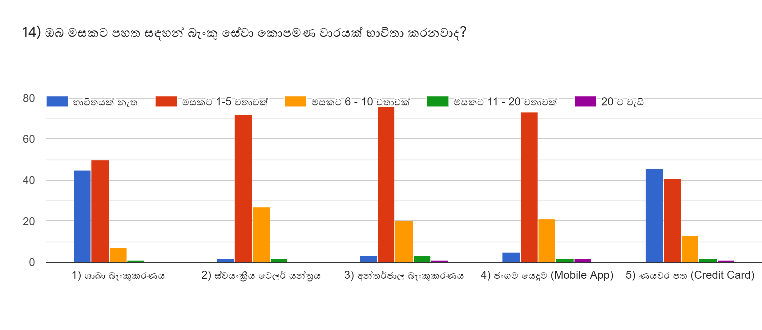

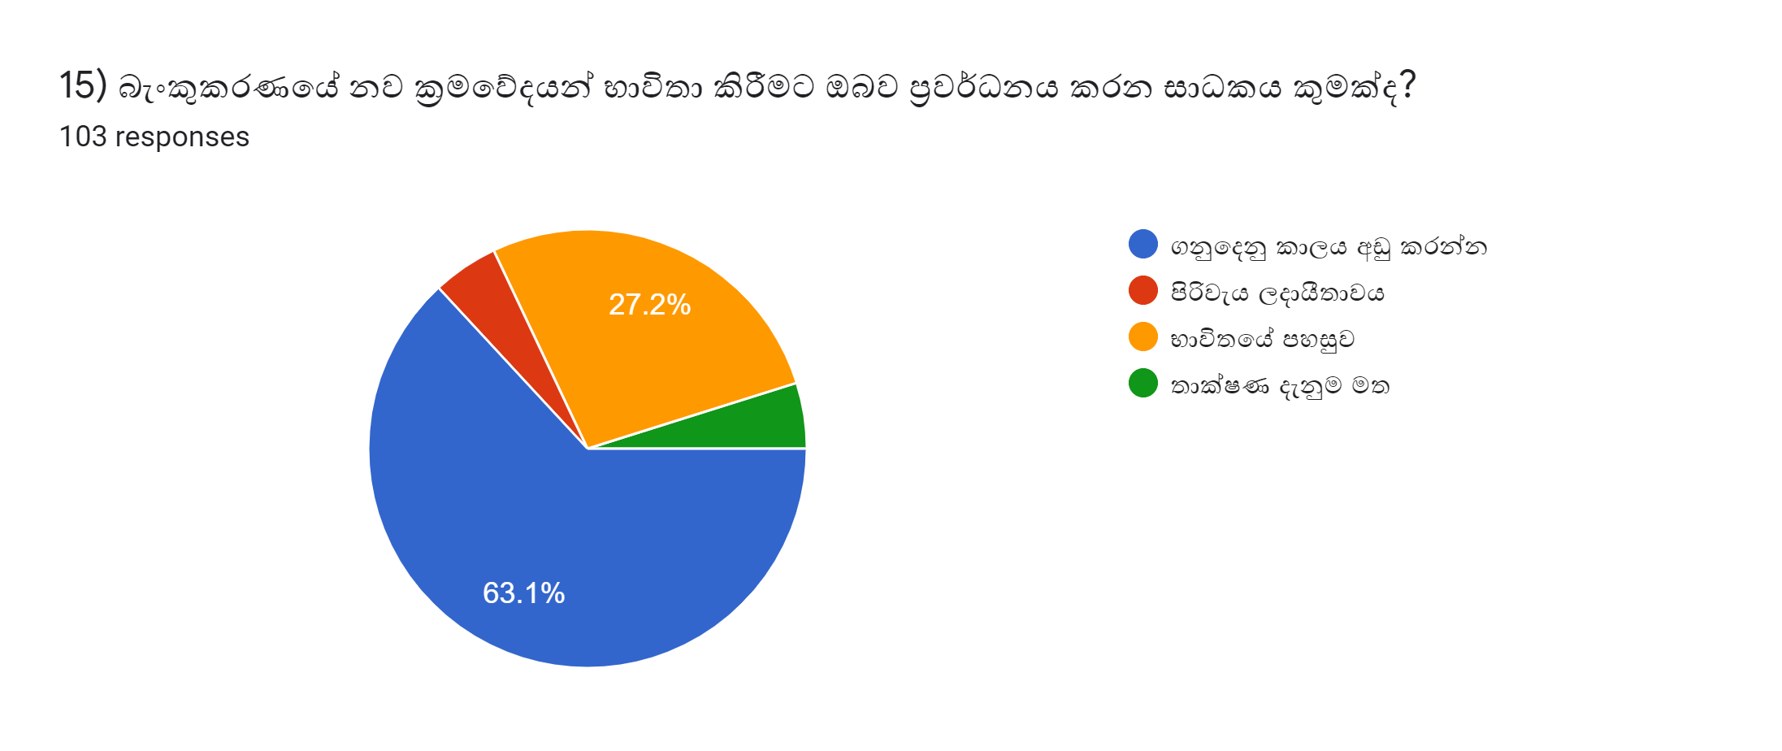

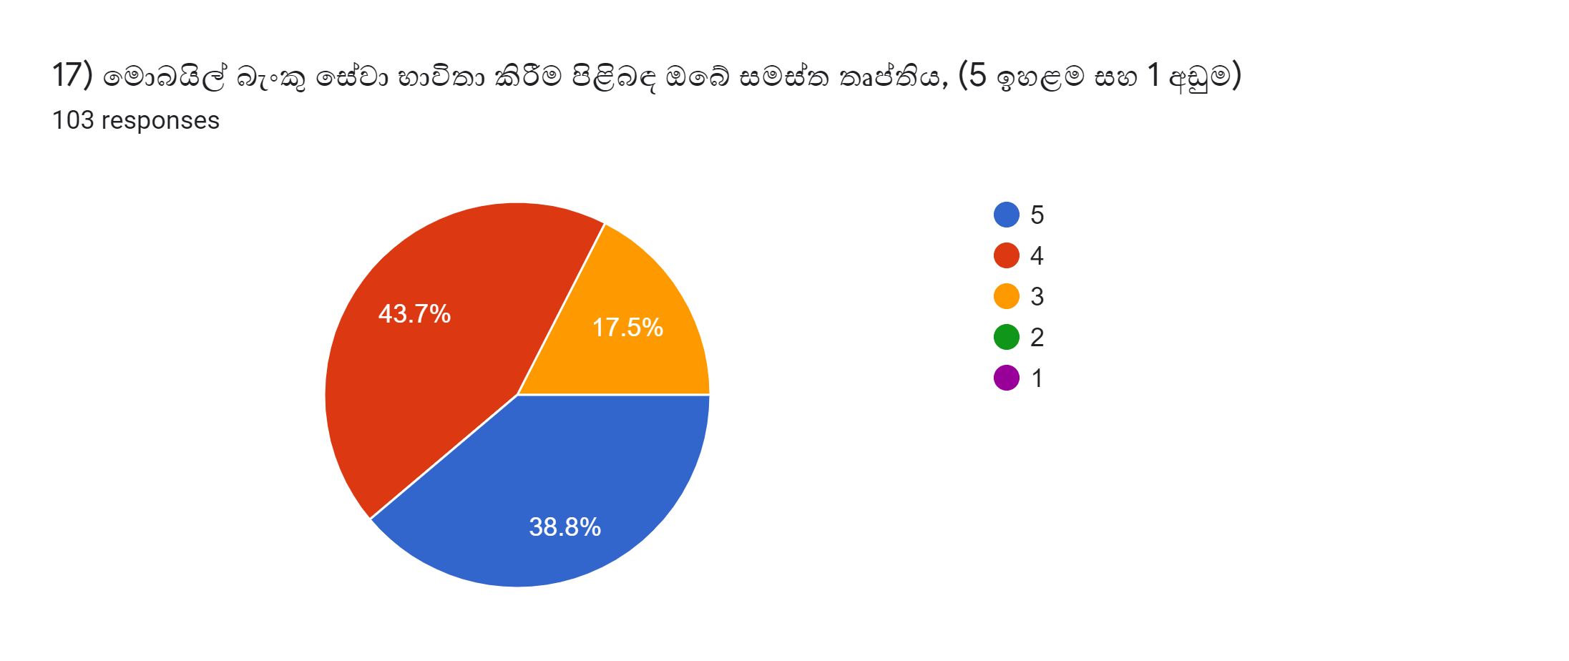

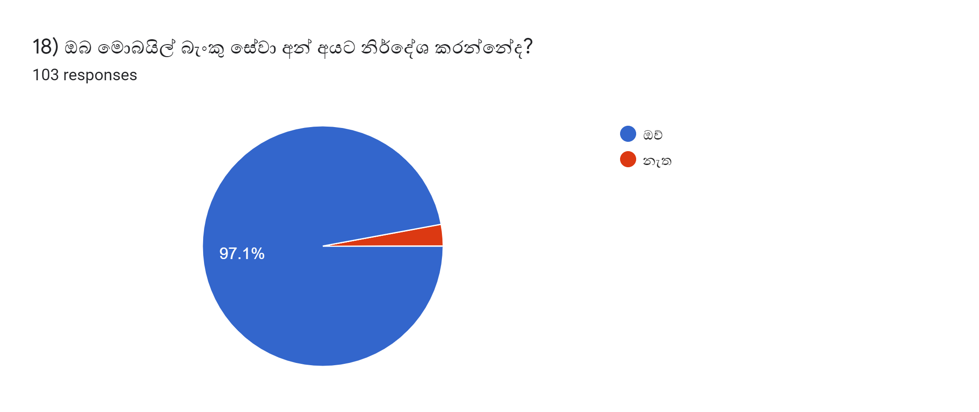

Sheet4
 | 0 - 18 | 19 - 29 | 30 - 39 | 40 - 49 | 50 - 59 | 60 - 69 | 70 - 79
SINGLE | 6.0606060606 | 39.393939394 | 42.424242424 | 12.121212121 | 0 | 0 | 0
MARRIED | 1.4285714286 | 21.428571429 | 52.857142857 | 21.428571429 | 2.8571428571 | 0 | 0

Survey Participants With Age Range Percentage

Sheet7
NUMBER_OF_VISIT_BANK_PER_MONTH | ATM_MACHINE_USAGE_PER_MONTH |  | NUMBER_OF_VISIT_BANK_PER_MONTH | ATM_MACHINE_USAGE_PER_MONTH
0 | 6 - 10 |  | 1 - 5 | 1 - 5
0 | 6 - 10 |  | 1 - 5 | 0
1 - 5 | 1 - 5 |  | 1 - 5 | 6 - 10
1 - 5 | 6 - 10 |  | 0 | 6 - 10
0 | 0 |  | 1 - 5 | 1 - 5
11 - 20 | 11 - 20 |  | 1 - 5 | 6 - 10
1 - 5 | 6 - 10 |  | 1 - 5 | 0
0 | 1 - 5 |  | 1 - 5 | 6 - 10
1 - 5 | 1 - 5 |  | 1 - 5 | 1 - 5
0 | 1 - 5 |  | 1 - 5 | 1 - 5
0 | 1 - 5 |  | 1 - 5 | 1 - 5
0 | 1 - 5 |  | 0 | 1 - 5
0 | 1 - 5 |  | 1 - 5 | 1 - 5
1 - 5 | 1 - 5 |  | 1 - 5 | 1 - 5
0 | 6 - 10 |  | 1 - 5 | 1 - 5
0 | 0 |  | 1 - 5 | 1 - 5
0 | 1 - 5 |  | 1 - 5 | 1 - 5
0 | 1 - 5 |  | 1 - 5 | 6 - 10
1 - 5 | 1 - 5 |  | 1 - 5 | 6 - 10
0 | 1 - 5 |  | 1 - 5 | 0
1 - 5 | 6 - 10 |  | 1 - 5 | 6 - 10
1 - 5 | 1 - 5 |  | 1 - 5 | 6 - 10
6 - 10 | 6 - 10 |  | 1 - 5 | 1 - 5
6 - 10 | 1 - 5 |  | 1 - 5 | 1 - 5
1 - 5 | 1 - 5 |  | 0 | 1 - 5
1 - 5 | 6 - 10 |  | 1 - 5 | 1 - 5
1 - 5 | 6 - 10 |  | 1 - 5 | 1 - 5
6 - 10 | 6 - 10 |  | 1 - 5 | 1 - 5
1 - 5 | 6 - 10 |  | 1 - 5 | 1 - 5
1 - 5 | 6 - 10 |  | 1 - 5 | 6 - 10
1 - 5 | 11 - 20 |  | 1 - 5 | 6 - 10
1 - 5 | 1 - 5 |  | 1 - 5 | 6 - 10
6 - 10 | 6 - 10 |  | 1 - 5 | 6 - 10
6 - 10 | 6 - 10 |  | 1 - 5 | 6 - 10
1 - 5 | 1 - 5 |  | 1 - 5 | 1 - 5
1 - 5 | 1 - 5 |  | 1 - 5 | 6 - 10
1 - 5 | 1 - 5 |  | 1 - 5 | 6 - 10
1 - 5 | 1 - 5 |  | 0 | 6 - 10
1 - 5 | 1 - 5 |  | 1 - 5 | 1 - 5
1 - 5 | 6 - 10 |  | 1 - 5 | 6 - 10
1 - 5 | 1 - 5 |  | 1 - 5 | 6 - 10
1 - 5 | 1 - 5 |  | 1 - 5 | 6 - 10
1 - 5 | 1 - 5 |  | 1 - 5 | 6 - 10
1 - 5 | 1 - 5 |  | 0 | 6 - 10
1 - 5 | 1 - 5 |  | 1 - 5 | 6 - 10
1 - 5 | 1 - 5 |  | 1 - 5 | 1 - 5
6 - 10 | 6 - 10 |  | 1 - 5 | 1 - 5
1 - 5 | 1 - 5 |  | 1 - 5 | 1 - 5
1 - 5 | 1 - 5
6 - 10 | 6 - 10
0 | 6 - 10 |  |  | NUMBER_OF_VISIT_BANK_PER_MONTH | ATM_MACHINE_USAGE_PER_MONTH
1 - 5 | 6 - 10 |  | 0 | 5 | 3
0 | 1 - 5 |  | 1 - 5 | 43 | 23
0 | 1 - 5 |  | 11 - 20 | 0 | 0
0 | 1 - 5 |  | 6 - 10 | 0 | 22
0 | 6 - 10
1 - 5 | 1 - 5
0 | 6 - 10 |  |  | NUMBER_OF_VISIT_BANK_PER_MONTH | ATM_MACHINE_USAGE_PER_MONTH
1 - 5 | 1 - 5 |  | 0 | 10.416666667 | 6.25
0 | 6 - 10 |  | 1 - 5 | 89.583333333 | 47.916666667
0 | 6 - 10 |  | 11 - 20 | 0 | 0
1 - 5 | 1 - 5 |  | 6 - 10 | 0 | 45.833333333
1 - 5 | 1 - 5
1 - 5 | 1 - 5
0 | 1 - 5
0 | 1 - 5
0 | 1 - 5
0 | 1 - 5
1 - 5 | 1 - 5
0 | 1 - 5
0 | 1 - 5
0 | 6 - 10
0 | 1 - 5
0 | 1 - 5
0 | 1 - 5
0 | 1 - 5
0 | 1 - 5
1 - 5 | 1 - 5
0 | 6 - 10
1 - 5 | 1 - 5
1 - 5 | 1 - 5
0 | 1 - 5
0 | 1 - 5
0 | 1 - 5
1 - 5 | 1 - 5
0 | 1 - 5
0 | 1 - 5
0 | 1 - 5
1 - 5 | 1 - 5
1 - 5 | 1 - 5
1 - 5 | 1 - 5
0 | 1 - 5
1 - 5 | 1 - 5
1 - 5 | 6 - 10
1 - 5 | 1 - 5
0 | 1 - 5
1 - 5 | 1 - 5
1 - 5 | 6 - 10
1 - 5 | 1 - 5
1 - 5 | 1 - 5
0 | 1 - 5
0 | 1 - 5
0 | 1 - 5

0
1 - 5
11 - 20
6 - 10
 | NUMBER_OF_VISIT_BANK_PER_MONTH | ATM_MACHINE_USAGE_PER_MONTH
0 | 45 | 2
1 - 5 | 50 | 72
11 - 20 | 1 | 2
6 - 10 | 7 | 27

 | NUMBER_OF_VISIT_BANK_PER_MONTH | ATM_MACHINE_USAGE_PER_MONTH
0 | 43.689320388 | 1.9417475728
1 - 5 | 48.54368932 | 69.902912621
11 - 20 | 0.97087378641 | 1.9417475728
6 - 10 | 6.7961165049 | 26.213592233

 | NUMBER_OF_VISIT_BANK_PER_MONTH | ATM_MACHINE_USAGE_PER_MONTH
0 | 43.689320388 | 1.9417475728
1 - 5 | 48.54368932 | 69.902912621
11 - 20 | 0.97087378641 | 1.9417475728
6 - 10 | 6.7961165049 | 26.213592233

 | NUMBER_OF_VISIT_BANK_PER_MONTH | ATM_MACHINE_USAGE_PER_MONTH
0 | 10.416666667 | 6.25
1 - 5 | 89.583333333 | 47.916666667
11 - 20 | 0 | 0
6 - 10 | 0 | 45.833333333

 | NUMBER_OF_VISIT_BANK_PER_MONTH_MOBILE_BANK_USERS | NUMBER_OF_VISIT_BANK_PER_MONTH_NON_MOBILE_BANK_USERS
0 | 43.689320388 | 10.416666667
1 - 5 | 48.54368932 | 89.583333333
6 - 10 | 6.7961165049 | 0
11 - 20 | 0.97087378641 | 0

 | ATM_USAGE_PER_MONTH_MOBILE_BANK_USERS | ATM_USAGE_PER_MONTH_NON_MOBILE_BANK_USERS
0 | 1.9417475728 | 6.25
1 - 5 | 69.902912621 | 47.916666667
6 - 10 | 26.213592233 | 45.833333333
11 - 20 | 1.9417475728 | 0

