Scoring Examples
Table 3. Scoring examples using PY 2019 historical benchmark results.
Scoring Example 1. Measure 019, collected and reported as an eCQM

Dr. Clark submits data for Measure 019 (eCQM) that results in a performance rate of 80.21% and 7.4 achievement points.
Why?
This performance rate falls in Decile 7, which means a measure score of 7.0 - 7.9 points. The eCQM isn't topped out or capped at 7 points. See formula at right for partial points.

 | 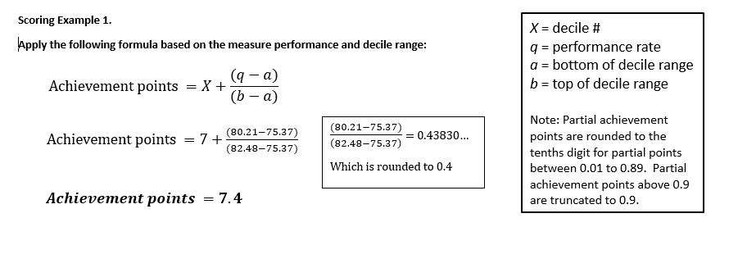
Scoring Example 2. Measure 065, collected and reported as a MIPS CQM

Dr. Clark submits data for Measure 065 (MIPS CQM) that results in a performance rate of 99.41% and 7.0 achievement points.
Why?
This performance rate falls in Decile 8, which would normally mean a measure score of 8.0 - 8.9 points. However, it's a topped out measure that is capped at 7 points (see Column Q on the MIPS Benchmark Results worksheet).

Scoring Example 3. Measure 225, collected and reported as a MIPS CQM

Dr. Clark submits data for Measure 2255 (MIPS CQM) that results in a performance rate of 99.99% and 3.0 achievement points.
Why?
Decile 10 is the only Decile with associated performance rates. Dr. Clark would have earned 10 points if the measure had a 100% performance rate. Any performance rate less than 100% is below Decile 3, and earns the 3 point floor for measures that can be scored against a benchmark.

Scoring Example 3. Measure 254, collected and reported as a Medicare Part B Claims Measure

Dr. Clark submits data for Measure 254 (Medicare Part B claims measure) that results in a performance rate of 99.99% and 3.0 achievement points at the point of submission.
Why?
There is no historical benchmark for Measure 254 (Medicare Part B claims collection type), which means it will earn 3.0 points (assuming case minimum and data completeness criteria are met) unless a performance period benchmark can be created for use in PY 2019.

