BharatGo Bug Report
Bug ID | Module | Bug Description | Step to reproduce | Test Data | Expected result | Actual Result | Severity | Priority | Screenshot/video | Device Description | Browser | Reported BY | Date
Bug_001 | Contact Detail Page | Website not displaying error message for invalid email ID | 1. Opened the link: https://seller.bharatgo.com/onboarding 2. Entered a mobile number. 3. Entered an invalid email ID. | Mobile Number-8605003807 Raja123mail,com | Website should display an error message for invalid email ID. | Website is not displaying an error message. | P2 | High | 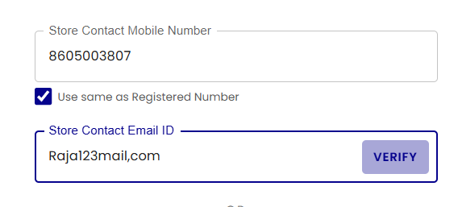 | Android- OnePlus Nord CE4, HP Window 11 | Chrome/Firefox | Samsher | 27-Jan-25
Bug_002 | Contact Detail Page | Application not fetching and displaying user's current location | 1. Open the link: https://seller.bharatgo.com/onboarding 2. Enter a mobile number. 3. Click on "Add address". 4. Click on "Use current location". | NA | The user's current location should be fetched and displayed. | The user's current location is not fetched and displayed | P1 | High | 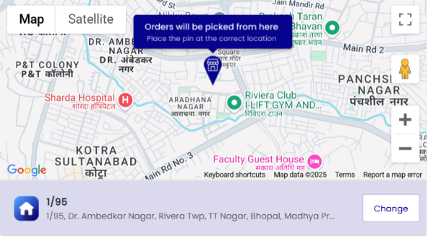 | Android- OnePlus Nord CE4, HP Window 12 | Chrome/Firefox | Samsher | 28-Jan-25
Bug_003 | Contact Detail Page | Application not saving address consistently | 1. Open the link: https://seller.bharatgo.com/onboarding 2. Enter a mobile number. 3. Enter a valid email ID. 4. Enter address. 5. Attempt to save address multiple times. | Mobile no-8605003807 email id- samthakur3807@gmail.com Pateri, satna Madhya Pradesh 485001 | User should be able to save address every time. | User is not able to save address every time. | P1 | High | 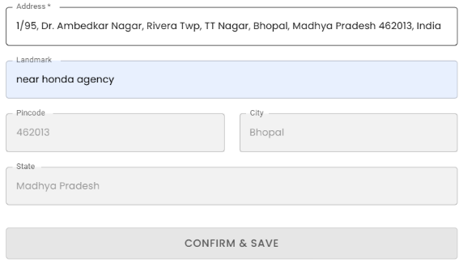 | Android- OnePlus Nord CE4, HP Window 13 | Chrome/Firefox | Samsher | 29-Jan-25
Bug_004 | Contact Detail Page | "Next" button is non-functional on address page | 1. Open the link: https://seller.bharatgo.com/onboarding 2. Enter a mobile number. 3. Enter a valid email ID. 4. Enter address . 5. Attempt to click on the "Next" button. | Mobile no-8605003807 email id- samthakur3807@gmail.com Pateri, satna Madhya Pradesh 485002 | User should be able to click on the "Next" button. | User is not able to click on the "Next" button. | P0 | High | 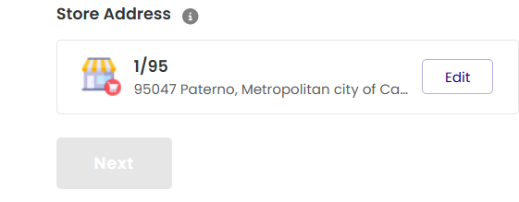 | Android- OnePlus Nord CE4, HP Window 14 | Chrome/Firefox | Samsher | 30-Jan-25
Bug_005 | Contact Detail Page | Address not displaying correctly after editing | 1. Open the link:https://seller.bharatgo.com/onboarding 2. Enter a mobile number. 3. Enter a valid email ID. 4. Enter address. 5. Click on the edit icon of the address. | Mobile no-8605003807 email id- samthakur3807@gmail.com Pateri, satna Madhya Pradesh 485003 | The proper address should be displayed. | The proper address is not displaying. | P1 | High | 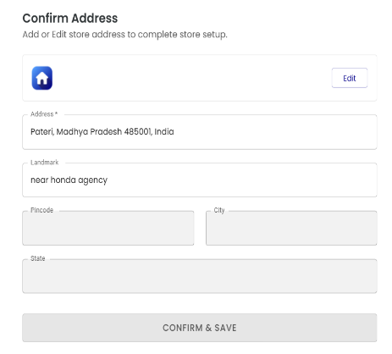 | Android- OnePlus Nord CE4, HP Window 15 | Chrome/Firefox | Samsher | 31-Jan-25

