Figure 7 (High-Res PNG)
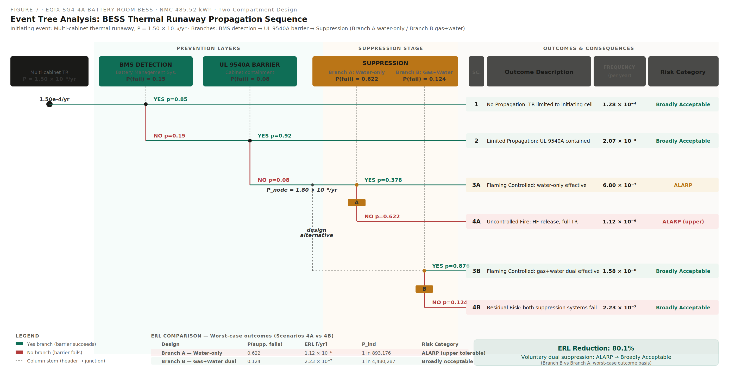
Figure 7 — Event Tree Analysis (rendered PNG, embedded)
Source: EQIX-SG4-4A_Figure7_EventTree.svg | Rendered at 2800 × 1440 px

