Figure 13 (High-Res PNG)
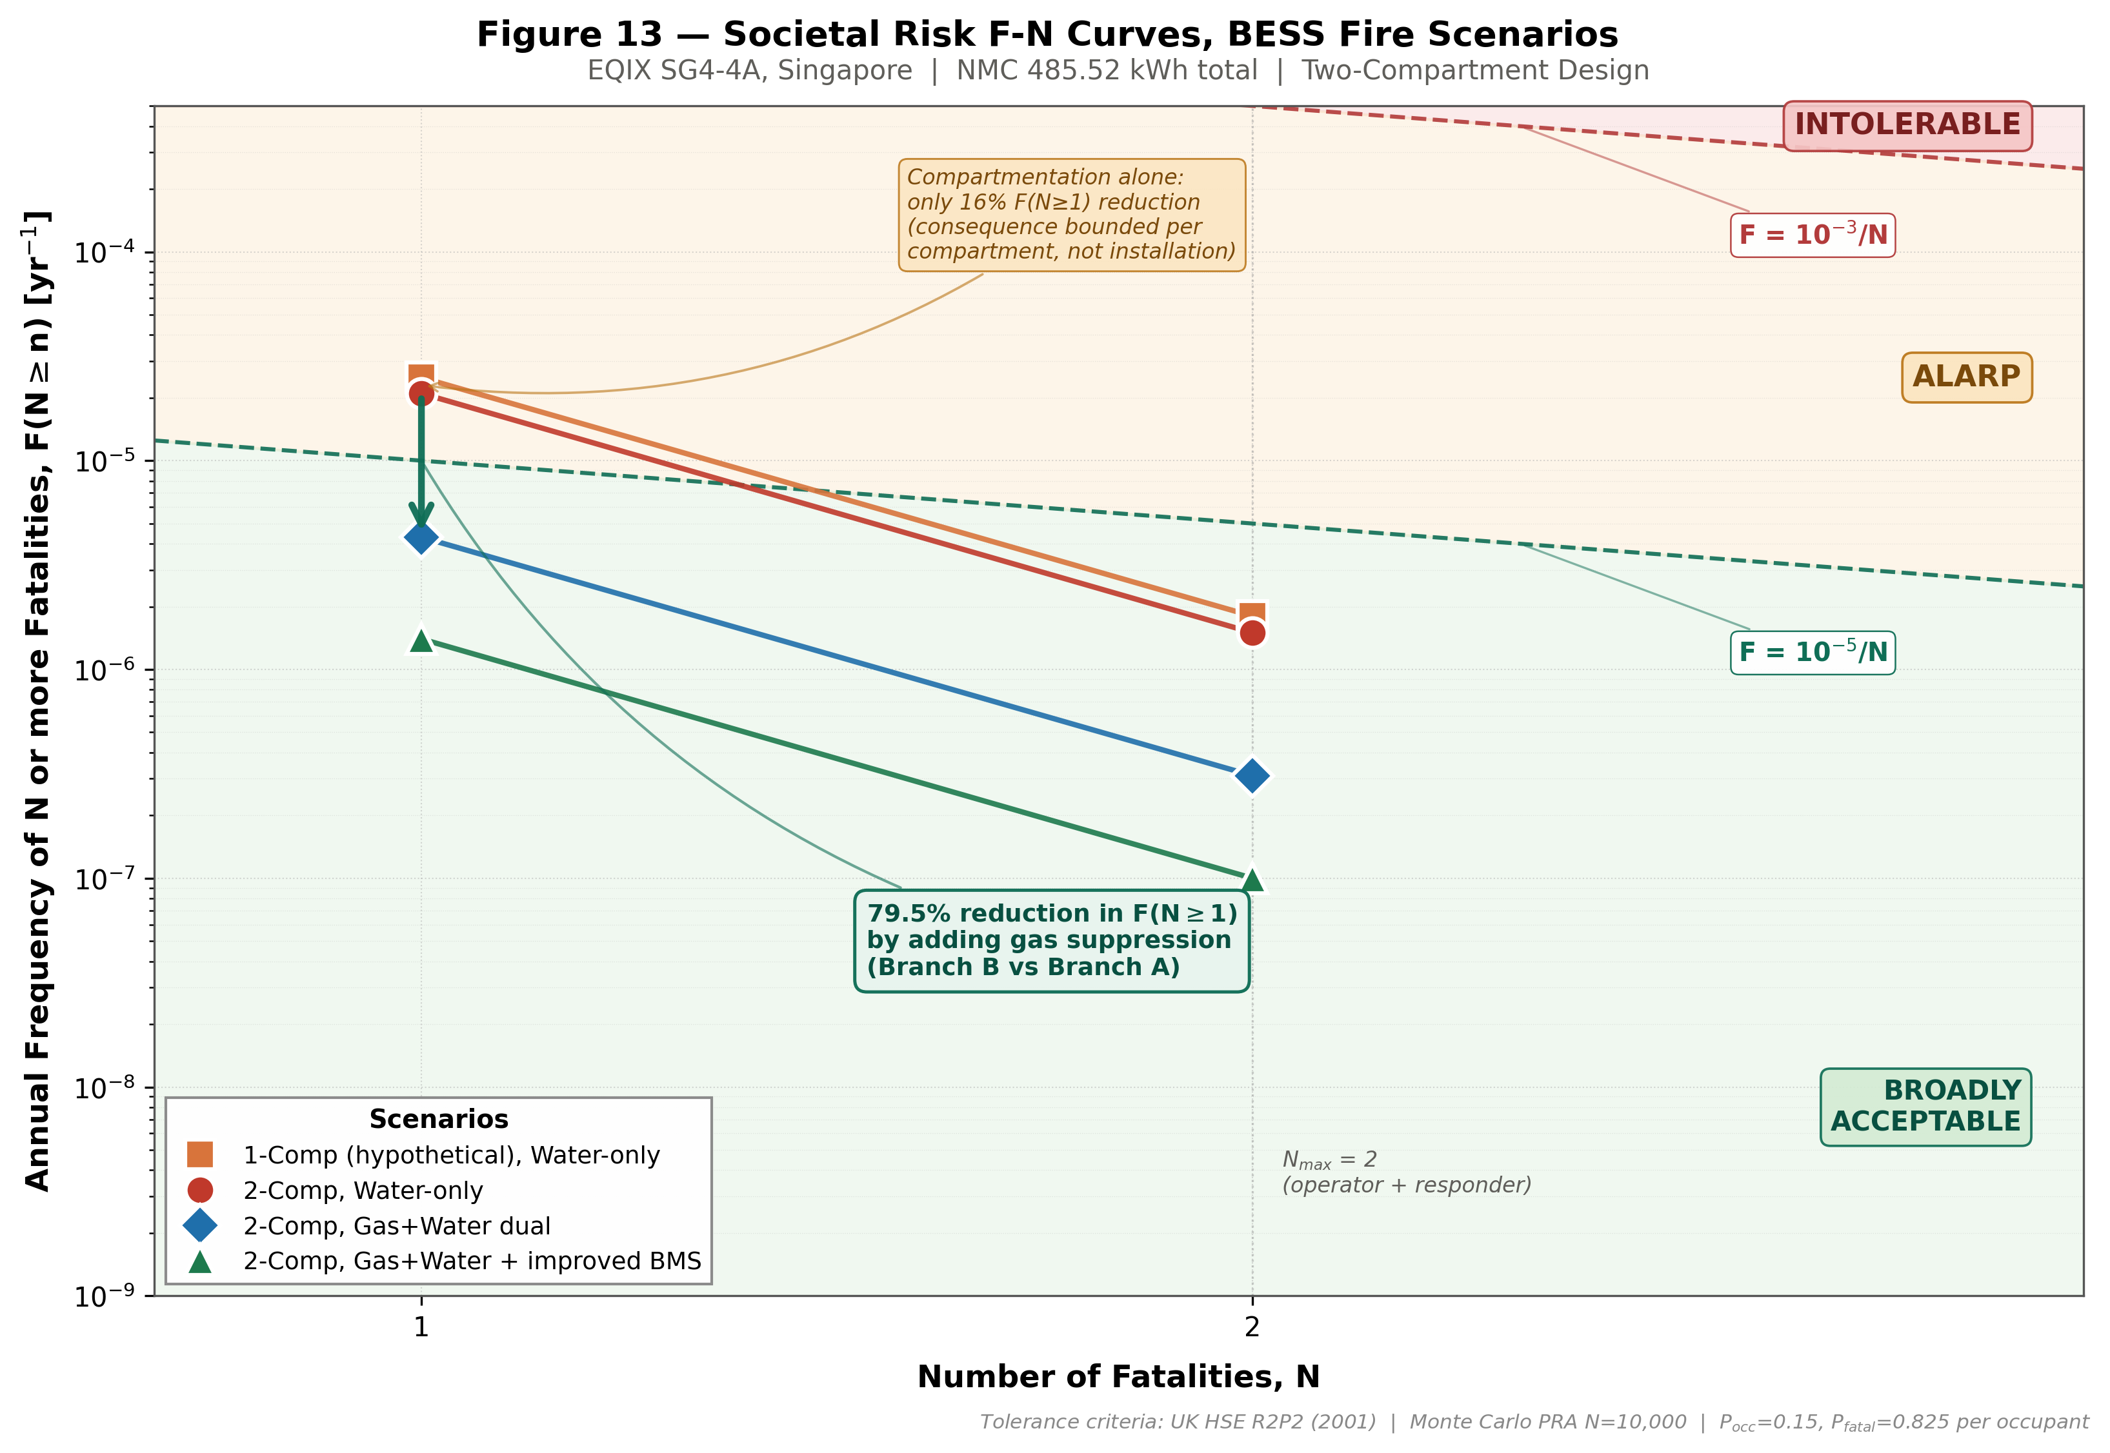
Figure 13 — Societal Risk F-N Curves (rendered, embedded)
Source: matplotlib generation per Vrijling et al. (1995) and HSE R2P2 (2001) convention

