6
Date | ID | Long | DO | pH | distance | RASTERVALU | baseflow |  |  | DO: | 2024-09-19 | 2024-12-12 | 2025-02-20 | 2025-03-11 | distance | RASTERVALU | Q_fraction
09/19/2024 | 3 | 4 | 1.22 | 3.66 | 5594.22 | 80468 | 346.8913985 |  | 3 | 1 | 0.81 | 1.54 | 2.77 | 2.7 | 9149.22 | 9204 | 0.00034975053105
09/19/2024 | 3 | 2 | 0.56 | 3.77 | 7836.22 | 1355500 | 346.8913985 |  | 3 | 2 | 0.56 | 1.12 | 1.62 | 1.89 | 7836.22 | 1355500 | 0.051508783663
09/19/2024 | 3 | 1 | 0.81 | 3.75 | 9149.22 | 9204 | 346.8913985 |  | 3 | 4 | 1.22 | 1.7 | 4.72 |  | 5594.22 | 1139580 | 0.043303858124
12/12/2024 | 3 | 4 | 1.7 | 5.17 | 5594.22 | 80468 | 5.5300168599 |  | 6 | 1 | 1.29 | 5.4 | 4.04 | 4.27 | 4518.92 | 3131520 | 0.11899726021
12/12/2024 | 3 | 2 | 1.12 | 3.73 | 7836.22 | 1355500 | 5.5300168599 |  | 6 | 2 | 2.06 | 4.31 | 4.12 | 3.81 | 390.63 | 26276900 | 0.99851800622
12/12/2024 | 3 | 1 | 1.54 | 3.71 | 9149.22 | 9204 | 5.5300168599 |  | 6 | 3 | 2.3 | 3.72 | 4.06 | 2.62 | 0 | 26315900 | 1
02/20/2025 | 3 | 4 | 4.72 | 3.71 | 5594.22 | 80468 | 71.468085561
02/20/2025 | 3 | 2 | 1.62 | 3.68 | 7836.22 | 1355500 | 71.468085561 |  | baseflow: | Q_fraction | 09/19/2024 | 12/12/2024 | 02/20/2025 | 03/11/2025
02/20/2025 | 3 | 1 | 2.77 | 3.67 | 9149.22 | 9204 | 71.468085561 | 3 | 1 | 0.00034975053105 | 0.12132545084 | 0.0019341263335 | 0.024996000878 | 0.029536471148
03/11/2025 | 3 | 2 | 1.89 | 3.59 | 7836.22 | 1355500 |  | 3 | 2 | 0.051508783663 | 17.867954 | 0.28484444209 | 3.681234158 | 4.3499224947
03/11/2025 | 3 | 1 | 2.7 | 3.57 | 9149.22 | 9204 |  | 3 | 4 | 0.043303858124 | 15.021735905 | 0.23947106552 | 3.0948438375 | 3.6570156227
09/19/2024 | 6 | 3 | 2.3 | 4.21 | 0 | 26315900 | 346.8913985 | 6 | 1 | 0.11899726021 | 41.279126012 | 0.65805685525 | 8.5045063743 | 10.049331826
09/19/2024 | 6 | 1 | 1.29 | 3.84 | 4518.92 | 3131520 | 346.8913985 | 6 | 2 | 0.99851800622 | 346.3773076 | 5.5218214093 | 71.362170303 | 84.3249564
09/19/2024 | 6 | 2 | 2.06 | 4.14 |  |  | 346.8913985 | 6 | 3 | 1 | 346.8913985 | 5.5300168599 | 71.468085561 | 84.450110939
12/12/2024 | 6 | 3 | 3.72 | 4.02 | 0 | 26315900 | 5.5300168599 |  |  |  |  |  |  |  |  |  |  |  |  | bf | DO
12/12/2024 | 6 | 1 | 5.4 | 6.04 | 4518.92 | 3131520 | 5.5300168599 |  |  |  | bf | DO-9/19/2024 |  |  | bf | DO-12/12/2024 |  | bf | DO-02/20/2025 | 0.029536471148 | 2.7
12/12/2024 | 6 | 2 | 4.31 | 3.98 |  |  | 5.5300168599 |  | 3 | 1 | 0.12132545084 |  |  |  | 0.0019341263335 |  |  | 0.024996000878 | 2.77 | 4.3499224947 | 1.89
02/20/2025 | 6 | 3 | 4.06 | 3.99 | 0 | 26315900 | 71.468085561 |  | 3 | 2 | 17.867954 | 0.56 |  |  | 0.28484444209 | 1.12 |  | 3.681234158 | 1.62 | 3.6570156227
02/20/2025 | 6 | 1 | 4.04 | 3.79 | 4518.92 | 3131520 | 71.468085561 |  | 3 | 4 | 15.021735905 | 1.22 |  |  | 0.23947106552 | 1.7 |  | 3.0948438375 | 4.72 | 10.049331826 | 4.27
02/20/2025 | 6 | 2 | 4.12 | 3.99 |  |  | 71.468085561 |  | 6 | 1 | 41.279126012 | 1.29 |  |  | 0.65805685525 |  |  | 8.5045063743 | 4.04 | 84.3249564 | 3.81
03/11/2025 | 6 | 3 | 2.62 | 6.37 | 0 | 26315900 | 84.450110939 |  | 6 | 2 | 346.3773076 | 2.06 |  |  | 5.5218214093 | 4.31 |  | 71.362170303 | 4.12 | 84.450110939 | 2.62
03/11/2025 | 6 | 1 | 4.27 | 3.75 | 4518.92 | 3131520 | 84.450110939 |  | 6 | 3 | 346.8913985 | 2.3 |  |  | 5.5300168599 | 3.72 |  | 71.468085561 | 4.06
09/19/2024
 | DO-9/19/2024
0.12132545084
17.867954 | 0.56
15.021735905 | 1.22
41.279126012 | 1.29
346.3773076 | 2.06
346.8913985 | 2.3
12/12/2024
0.0019341263335
0.28484444209 | 1.12
0.23947106552 | 1.7
0.65805685525
5.5218214093 | 4.31
5.5300168599 | 3.72
02/20/2025
 | DO-02/20/2025
0.024996000878 | 2.77
3.681234158 | 1.62
3.0948438375 | 4.72
8.5045063743 | 4.04
71.362170303 | 4.12
71.468085561 | 4.06
 | DO
0.029536471148 | 2.7
4.3499224947 | 1.89
3.6570156227
10.049331826 | 4.27
84.3249564 | 3.81
84.450110939 | 2.62
03/11/2025 | 6 | 2 | 3.81 | 4.04 |  |  | 84.450110939

5
Date | ID | Long | DO | pH | distance | RASTERVALU | baseflow |  |  |  |  | 02/20/2025 | 09/19/2024 | 03/11/2025 | 04/02/2025 | distance | RASTERVALU | UCA- proportional flow accum per unit length
09/19/2024 | 5 | 4 | 4.01 | 4.17 | 1267.37 | 14519100 | 110.35415936 |  |  | 5 | 0 | 7 |  |  |  | 0 | 17795000 | 1 | 17795
09/19/2024 | 5 | 3 | 2.68 | 4.21 | 2467.91 | 10249400 | 110.35415936 |  |  | 5 | 4 | 6.1 | 4.01 |  | 4.39 | 1267.37 | 14519100 | 0.81590896319 | 14519.1
09/19/2024 | 5 | 2 | 0.67 | 3.73 | 4497.86 | 1812340 | 110.35415936 |  |  | 5 | 3 | 6.04 | 2.68 | 6.12 | 4.41 | 2467.91 | 10249400 | 0.57597077831 | 10249.4
09/19/2024 | 5 | 1 | 0.6 | 3.75 | 6130.37 | 138375 | 110.35415936 |  |  | 5 | 2 | 3.68 | 0.67 | 3.19 | 1.65 | 4497.86 | 1812340 | 0.10184546221 | 1812.34
02/20/2025 | 5 | 0 | 7 | 5.55 | 0 | 17795000 | 95.954546094 |  |  | 5 | 1 | 5.8 | 0.6 | 3.96 | 1.52 | 6130.37 | 138375 | 0.0077760606912 | 138.375
02/20/2025 | 5 | 4 | 6.1 | 4.72 | 1267.37 | 14519100 | 95.954546094
02/20/2025 | 5 | 3 | 6.04 | 4.67 | 2467.91 | 10249400 | 95.954546094 |  |  | bf | DO-9/19/2024 |  | bf | DO-3/11/2025 |  |  | bf | DO-2/20/2025 |  | bf | DO-4/2/2025
02/20/2025 | 5 | 2 | 3.68 | 3.8 | 4497.86 | 1812340 | 95.954546094 | 5 | 0 | 110.35415936 | 5.11 |  | 163.31096052 |  |  |  | 95.954546094 | 7 |  | 154.84053802 | 4.77
02/20/2025 | 5 | 1 | 5.8 | 5.47 | 6130.37 | 138375 | 95.954546094 | 5 | 4 | 90.038947748 | 4.01 |  | 133.24687647 |  |  |  | 78.290174217 | 6.1 |  | 126.33578283 | 4.39
03/11/2025 | 5 | 3 | 6.12 | 4.15 | 2467.91 | 10249400 | 163.31096052 | 5 | 3 | 63.560771057 | 2.68 |  | 94.062341034 | 6.12 |  |  | 55.267014596 | 6.04 |  | 89.183625196 | 4.41
04/02/2025
03/11/2025 | 5 | 2 | 3.19 | 3.66 | 4497.86 | 1812340 | 163.31096052 | 5 | 2 | 11.239070367 | 0.67 |  | 16.632480257 | 3.19 |  |  | 9.772535098 | 3.68 |  | 15.769806163 | 1.65
03/11/2025 | 5 | 1 | 3.96 | 3.72 | 6130.37 | 138375 | 163.31096052 | 5 | 1 | 0.85812064072 | 0.6 |  | 1.2699159405 | 3.96 |  |  | 0.74614837403 | 5.8 |  | 1.2040494211 | 1.52
09/19/2024
02/20/2025
04/02/2025 | 5 | 4 | 4.39 | 4.31 | 1267.37 | 14519100 | 154.84053802
04/02/2025 | 5 | 3 | 4.41 | 4.17 | 2467.91 | 10249400 | 154.84053802
04/02/2025 | 5 | 2 | 1.65 | 3.78 | 4497.86 | 1812340 | 154.84053802
04/02/2025 | 5 | 1 | 1.52 | 4.01 | 6130.37 | 138375 | 154.84053802

 |  |  |  |  |  |  |  |  |  |  |  |  |  |  |  | slope v similar across sampling days, especially if I remove the initial conc for 02/20/2025

9
Date | ID | Long | DO | pH | distance | RASTERVALU | baseflow |  |  |  | 03/11/2025 | 02/20/2025 | 12/12/2024 | 09/19/2024 | RASTERVALU | distance | Q_fraction
09/19/2024 | 9 | 4 | 1.2 | 3.57 | 904.88 | 19268200 | 100.03049449 |  | 9 | 0 | 6.37 | 7.22 |  |  | 19864100 | 0 | 1
09/19/2024 | 9 | 3 | 0.38 | 3.76 | 2002.8 | 5821280 | 100.03049449 |  | 9 | 4 | 3.77 | 4.9 | 4.06 | 1.2 | 19268200 | 904.88 | 0.97000115787
09/19/2024 | 9 | 2 | 0.36 | 3.81 | 3140.96 | 1960760 | 100.03049449 |  | 9 | 3 | 3.04 | 3.16 | 3.7 | 0.38 | 5821280 | 2002.8 | 0.29305531084
09/19/2024 | 9 | 1 |  |  | 8475.96 | 262193 | 100.03049449 |  | 9 | 2 | 1.99 | 1.52 | 3.04 | 0.36 | 1960760 | 3140.96 | 0.098708725792
12/12/2024 | 9 | 4 | 4.06 | 3.6 | 904.88 | 19268200 | 5.3064231996 |  | 9 | 1 | 8.9 | 1.11 | 2.54 |  | 262193 | 8475.96 | 0.013199339512
12/12/2024 | 9 | 3 | 3.7 | 4.02 | 2002.8 | 5821280 | 5.3064231996
12/12/2024 | 9 | 2 | 3.04 | 4.52 | 3140.96 | 1960760 | 5.3064231996 |  | bf | DO-9192024 |  | bf | DO-12/12/2025 |  | bf | DO-2/20/2025 |  | bf | DO-3/11/2025
12/12/2024 | 9 | 1 | 2.54 | 4.56 | 8475.96 | 262193 | 5.3064231996 | 0 | 100.03049449 |  |  | 5.3064231996 |  |  | 37.743591811 | 7.22 |  | 68.679981822 | 6.37
02/20/2025 | 9 | 0 | 7.22 | 3.71 | 0 | 19864100 | 37.743591811 | 4 | 97.029695478 | 1.2 |  | 5.1472366478 | 4.06 |  | 36.611327759 | 4.9 |  | 66.61966189 | 3.77
02/20/2025 | 9 | 4 | 4.9 | 3.73 | 904.88 | 19268200 | 37.743591811 | 3 | 29.314467656 | 0.38 |  | 1.5550755002 | 3.7 |  | 11.06096003 | 3.16 |  | 20.127033421 | 3.04
02/20/2025 | 9 | 3 | 3.16 | 3.86 | 2002.8 | 5821280 | 37.743591811 | 2 | 9.8738826515 | 0.36 |  | 0.52379027255 | 3.04 |  | 3.7256218545 | 1.52 |  | 6.7793134931 | 1.99
02/20/2025 | 9 | 2 | 1.52 | 3.97 | 3140.96 | 1960760 | 37.743591811 | 1 | 1.3203364583 |  |  | 0.070041281406 | 2.54 |  | 0.49819048272 | 1.11 |  | 0.90653039775
02/20/2025 | 9 | 1 | 1.11 | 5.44 | 8475.96 | 262193 | 37.743591811
12/12/2025
5.3064231996
5.1472366478 | 4.06
1.5550755002 | 3.7
0.52379027255 | 3.04
0.070041281406 | 2.54
02/20/2025
03/11/2025
68.679981822 | 6.37
66.61966189 | 3.77
20.127033421 | 3.04
6.7793134931 | 1.99
0.90653039775
03/11/2025 | 9 | 0 | 6.37 | 3.53 | 0 | 19864100 | 68.679981822
03/11/2025 | 9 | 4 | 3.77 | 3.54 | 904.88 | 19268200 | 68.679981822
03/11/2025 | 9 | 3 | 3.04 | 3.72 | 2002.8 | 5821280 | 68.679981822
03/11/2025 | 9 | 2 | 1.99 | 3.61 | 3140.96 | 1960760 | 68.679981822
03/11/2025 | 9 | 1 | 8.9 | 5.89 | 8475.96 | 262193 | 68.679981822

09/19/2024
100.03049449
97.029695478 | 1.2
29.314467656 | 0.38
9.8738826515 | 0.36
1.3203364583

TransportModel
Reach | distance (km) | bf | DO mg/L -9/19/2024 | area | UCA | K_O2 1/day | Reach 0
3 | 1 | 90 | 6 | 15000 | 0.0002 | 0.42 | Saturation Defict= | 7.33
2 | 2 | 60 | 4 | 10000 | DO Saturation | 1/sec | qL= | 0.0002
1 | 3 | 10 | 2 | 1000 | 8 | 4.8611111111E-06 | K= | 3.5631944444E-05
0 | 4 | 1 | 0.67 | 100 |  |  | GW= | 0.000134
 |  |  |  |  |  |  | Total (C/t)= | 0.00016963194444
 |  |  |  | Unknown
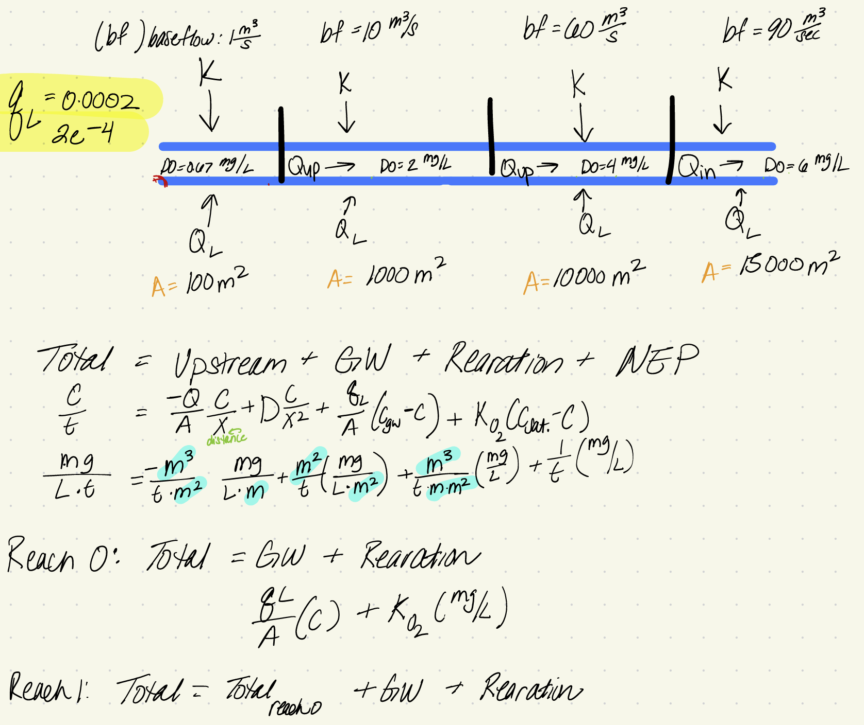
 |  |  |  |  |  |  | Reach 1
 |  |  |  |  |  |  | Saturation Defict= | 6
 |  |  |  |  |  |  | qL= | 0.002
 |  |  |  |  |  |  | K= | 2.9166666667E-05
 |  |  |  |  |  |  | GW= | #VALUE!
 |  |  |  |  |  |  | Upstream | 0.00016963194444
 |  |  |  |  |  |  | Total (C/t)= | #VALUE!

 |  |  |  |  |  |  | Reach 2
 |  |  |  |  |  |  | Saturation Defict= | 4
 |  |  |  |  |  |  | qL= | 0.012
 |  |  |  |  |  |  | K= | 1.9444444444E-05
 |  |  |  |  |  |  | GW= | #VALUE!
 |  |  |  |  |  |  | Upstream | #VALUE!
 |  |  |  |  |  |  | Total (C/t)= | #VALUE!

 |  |  |  |  |  |  | Reach 3
 |  |  |  |  |  |  | Saturation Defict= | 2
 |  |  |  |  |  |  | qL= | 0.018
 |  |  |  |  |  |  | K= | 9.7222222222E-06
 |  |  |  |  |  |  | GW= | #VALUE!
 |  |  |  |  |  |  | Upstream | #VALUE!
 |  |  |  |  |  |  | Total (C/t)= | #VALUE!

