Sheet1
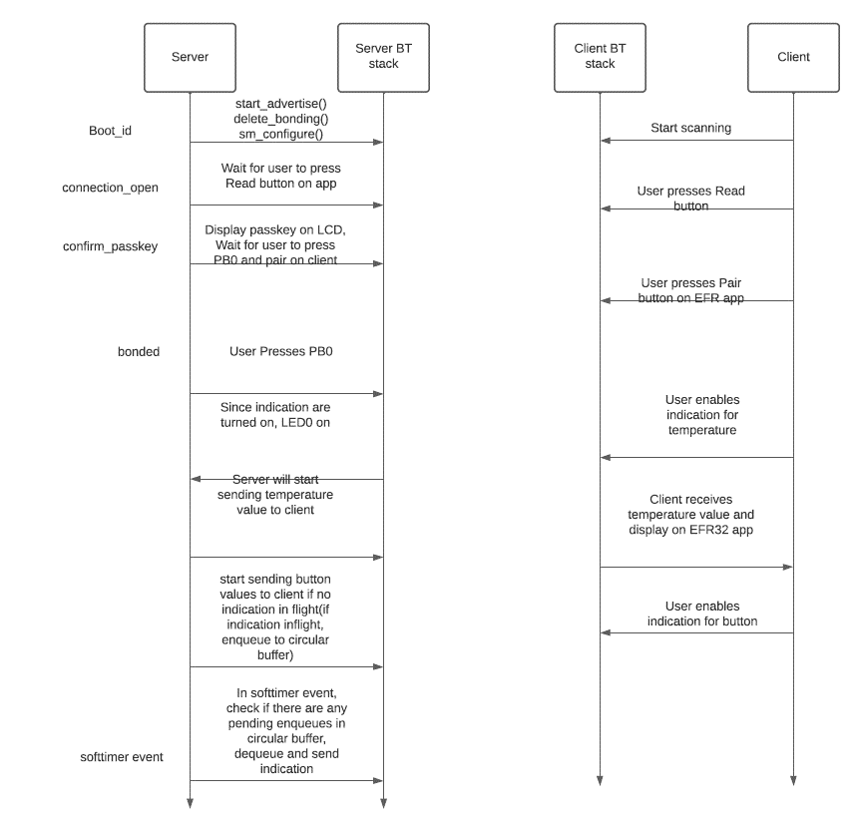
 | Client Command Table for A7

 | Use this table to help you design your program. Add rows as needed. | Use this column to describe when and what your LCD display changes to for rows like DISPLAY_ROW_CONNECTION | Use this column to denote if BT stack events cause your state machine to advance, you can put an X in the cell to note this. Drawing a bubble diagram of your state machine might also be a good idea 👍. | Commands that may be useful: sl_bt_gatt_discover_primary_services_by_uuid() sl_bt_gatt_discover_characteristics_by_uuid()
 | Event | LCD Display State | Advances State Machine | Commands called in response to event | Notes
Events Common to Slaves/Clients
Server/client | sl_bt_evt_system_boot_id | Server: Advertising, Client: Discovering | x | Server: sl_bt_sm_configure() Server: sl_bt_sm_delete_bondings() Server: sl_bt_system_get_identity_address() Server: sl_bt_advertiser_create_set() Server: sl_bt_advertiser_set_timing() Server: sl_bt_advertiser_start()

 |  |  |  | Client: sl_bt_scanner_set_mode() Client: sl_bt_scanner_set_timing() Client: sl_bt_connection_set_default_parameters() Client: sl_bt_scanner_start()

Server/client | sl_bt_evt_connection_opened_id | Server: Connected Client: Connected | x | Server: sl_bt_advertiser_stop() Server: sl_bt_connection_set_parameters()
 |  |  |  | Client: sl_bt_gatt_discover_primary_services_by_uuid()

Server/client | sl_bt_evt_connection_closed_id | Server: Advertising Client: Discovering | x | Server: sl_bt_sm_delete_bondings() Server: sl_bt_advertiser_start() Client: sl_bt_scanner_start()
Server | sl_bt_evt_system_soft_timer_id | NA | x | sl_bt_gatt_server_send_indication() cb_dequeue() | 1)If inflight indication =0 and values present in circular queue, then deque those and send indication 2) inflight_indication = 1
Server | sl_bt_evt_system_external_signal_id | NA | x | sl_bt_sm_passkey_confirm() sl_bt_gatt_server_write_attribute_value() sl_bt_gatt_server_send_indication() cb_dequeue() cb_enqueue() | I)If PB0 pressed and bonding has not happened, then confirm bonding using sl_bt_sm_passkey_confirm() 1)If Bonding = 1 and indications are enabled: a) if circular queue is empty and inflight_indication = 0, then directly send notificaiton b)if circular queue is not empty and inflight_indication = 0, then dequeue the read ptr(tail) and send notification c) if a and b are not true, then enqueue into circular queue 2)if bonding = 1 and indications = disabled a) Update local gatt database using write_attribute_val() II) if PB0 is released: 1)If Bonding = 1 and indications are enabled: a) if circular queue is empty and inflight_indication = 0, then directly send notificaiton b)if circular queue is not empty and inflight_indication = 0, then dequeue the read ptr(tail) and send notification c) if a and b are not true, then enqueue into circular queue 2)if bonding = 1 and indications = disabled a) Update local gatt database using write_attribute_val()

Server | sl_bt_evt_gatt_server_indication_timeout_id | NA | x | x

Server | sl_bt_evt_connection_parameters_id | NA | x | x

Server | sl_bt_evt_gatt_server_characteristic_status_id | NA | x | gpioLed1SetOn(); //To indicate temperature indication are enabled gpioLed0SetOn(); //To indicate button state are enabled | 1)evt->data.evt_gatt_server_characteristic_status.connection; 2)Also set the boolean flag to indicate that indications are enabled for temperature and button state 3) inflight_indication = 0 when confirmation received
Server | sl_bt_evt_sm_passkey_display_id | x | x | x | x
Server | sl_bt_evt_sm_confirm_passkey_id | Server: xxxxxx//prints 6 digit passkey Server: Confirm with PB0 | x | x | 1) evt->data.evt_sm_confirm_passkey.connection
Server | sl_bt_evt_sm_bonded_id | Server:Bonded(also clear out action and passkey row) | x | x | ble_common_data->bonding = 1;(To indicate that bonding is successfull)
Server | sl_bt_evt_sm_confirm_bonding_id | x | x | sl_bt_sm_bonding_confirm() | x
Server | sl_bt_evt_sm_bonding_failed_id |  |  | sl_bt_connection_close()

