Front Cover
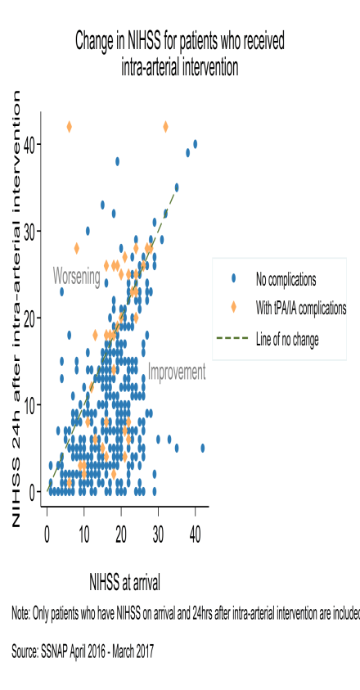

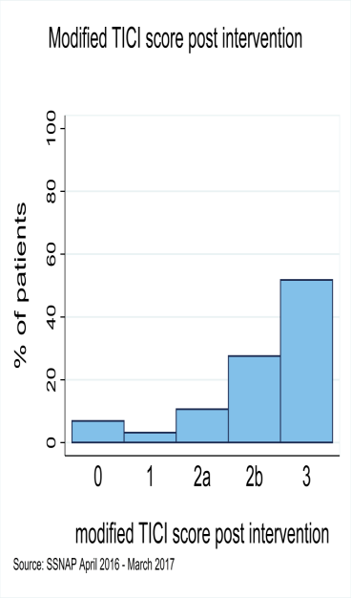
Thrombectomy

Sentinel Stroke National Audit Programme (SSNAP)

Thrombectomy Eligibility Report for April 2016 - March 2017

National Results

December 2017

Based on ischaemic stroke patients admitted to hospital between April 2016 and March 2017

Prepared by

Royal College of Physicians, Clinical Effectiveness and Evaluation Unit on behalf of the Intercollegiate Stroke Working Party

