Cover
Thrombectomy
Sentinel Stroke National Audit Programme (SSNAP)

SSNAP Annual Portfolio for April 2018-March 2019 admissions and discharges

National results

Based on stroke patients admitted to and/or discharged from hospital between April 2018 and March 2019

Prepared by
King's College London School of Population Health & Environmental Sciences Faculty of Life Sciences & Medicine on behalf of the Intercollegiate Stroke Working Party

National Figures
Thrombectomy
National thrombectomy figures for patients admitted April 2018-March 2019.

Background:
Thrombectomy (intra-arterial intervention) is an emerging treatment in ischaemic stroke. It involves insertion of a guidewire catheter tube into an artery in the groin, and feeding this up into the blocked artery in the brain. The clot is then removed using a mechanical device with the aim of restoring blood and oxygen flow to the brain. If technically successful and done in time thrombectomy can greatly improve the outcome of the brain injury due to stroke in selected patients.
The evidence base for using thrombectomy in treating ischaemic stroke has expanded over the past few years but the implications for implementation in routine clinical practice are still emerging. For any service providing thrombectomy, ensuring that treatment is provided safely and effectively is of the highest clinical importance. For this reason SSNAP added questions on thrombectomy provision to the mandatory core dataset on 1 October 2015.
In an individual patient meta-analysis of 5 trials involving 1287 patients (Goyal et al, 2016) endovascular therapy showed
significant improvements in functional outcomes at 90 days. The number needed to treat for one additional patient to
have reduced disability of at least one point on the mRS was 2.6.

The use of thrombectomy is recommended for selected patients in the RCP National Clinical Guideline for Stroke (2016):
Patients with acute ischaemic stroke should be considered for combination intravenous thrombolysis and intra-arterial clot extraction (using stent retriever and/or aspiration techniques) if they have a proximal intracranial large vessel occlusion causing a disabling neurological deficit (National Institutes of Health Stroke Scale [NIHSS] score of 6 or more) and the procedure can begin (arterial puncture) within 5 hours of known onset.
Patients with acute ischaemic stroke and a contraindication to intravenous thrombolysis but not to thrombectomy should be considered for intra-arterial clot extraction (using stent retriever and/or aspiration techniques) if they have a proximal intracranial large vessel occlusion causing a disabling neurological deficit (National Institutes of Health Stroke Scale [NIHSS] score of 6 or more) and the procedure can begin (arterial puncture) within 5 hours of known onset.
Patients with acute ischaemic stroke causing a disabling neurological deficit (a National Institutes of Health Stroke Scale [NIHSS] score of 6 or more) may be considered for intra-arterial clot extraction (using stent retriever and/or aspiration techniques, with prior intravenous thrombolysis unless contraindicated) beyond an onset-to-arterial puncture time of 5 hours if: ‒ the large artery occlusion is in the posterior circulation, in which case treatment up to 24 hours after onset may be appropriate; ‒ a favourable profile on salvageable brain tissue imaging has been proven, in which case treatment up to 12 hours after onset may be appropriate.

Results:
Between April 2018 and March 2019, it was reported that thrombectomy was started in 1200 patients out of 87635 stroke patients in England, Wales and Northern Ireland. The device was deployed in 1104 of these interventions. Thrombectomy was carried out by 26 teams; the median number of thrombectomies per team was 37 (IQR 24-56). Two of these teams are neuroscience centres which only submit data on thrombectomy patients to SSNAP, as all other stroke care is delivered at other hospitals.
According to the 2016 Acute Organisational Audit 28 sites treated 424 patients with thrombectomy in 2015-2016.
The results below are assigned to the team performing the thrombectomy. Many other hospitals refer onwards to the thrombectomy centre, often after providing some aspects of care such as brain imaging and thrombolysis, but this information is not currently captured in the audit. After thrombectomy, many patients are transferred onwards to their local stroke hospital for further care.

Demographic | SSNAP (n=1200) | HERMES (n=634)
Age (years), median (IQR) | 71 (59-79) | 68 (57-77)
Gender (male) | 668 (56%) | 330 (52%)
NIHSS arrival, median (IQR) | 17 (12-22)¶ | 17 (14-20)*
¶n=1134 *n=631

Treatment details | SSNAP (n=1200) | HERMES (n=634)
Treatment with intravenous alteplase (tPA) | 717 (60%) | 526 (83%)
Onset to reperfusion(HERMES)/ completion(SSNAP) (min), median (IQR) | 315 (245-405)† | 285 (210-362)
†n=1104

In the HERMES collaboration pooling data from 5 major trials, the median onset-to-reperfusion was 285 minutes. This is comparable to the onset-to-completion times reported by SSNAP; nationally this is 315 minutes.

Outcomes | SSNAP (n=1021) | HERMES (n=615)
NIHSS 0-2 at 24h | 204 (20%) | 129 (21%)
Mean (SD) NIHSS at 24h | 10.6 (8.7) | 10.4 (8.7)
Mean (SD) change in NIHSS from baseline to 24h | -6.4 (8.4)** | -6.4 (8.2)
mTICI score 2b/3 | 949/1104 (86%) | 402/570 (71%)
**n=990

Nationally, 75.5% of patients with the NIHSS fully recorded on arrival and 24 hours after thrombectomy improved on the NIHSS, with a further 7.1% of patients showing no change.

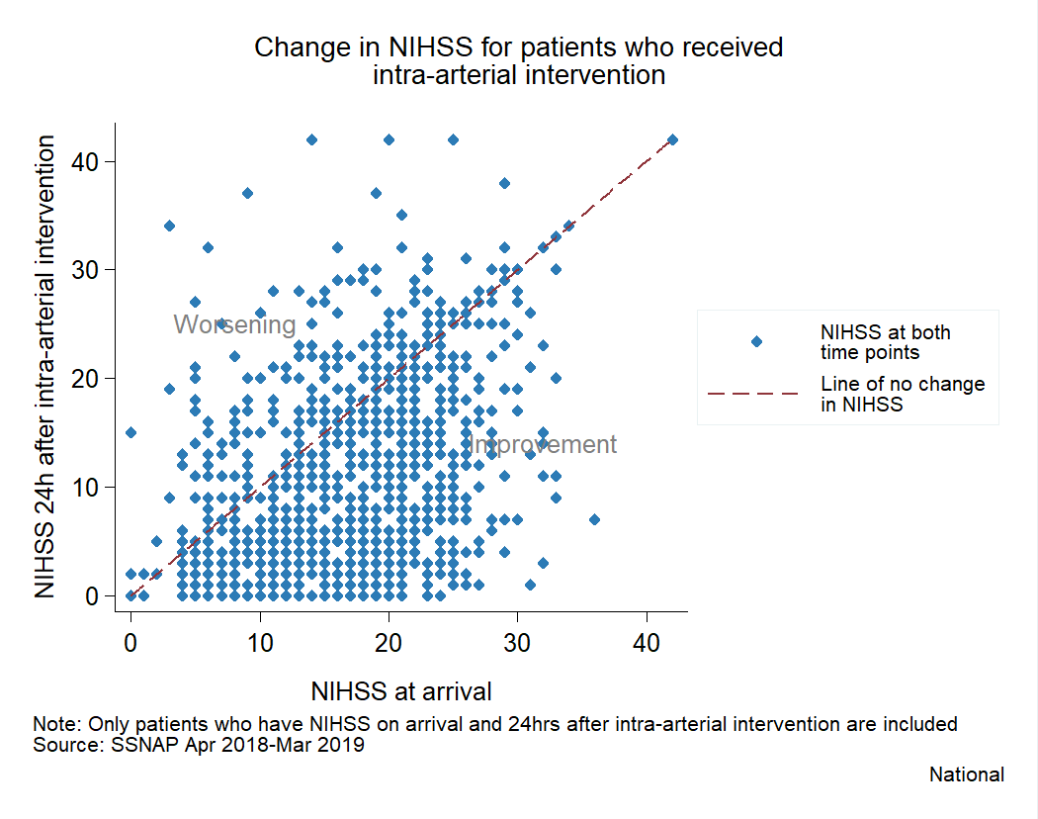

Nationally, 88.3% of patients had an improved modified TICI score post intervention compared with pre intervention, with a further 11.1% showing no change.

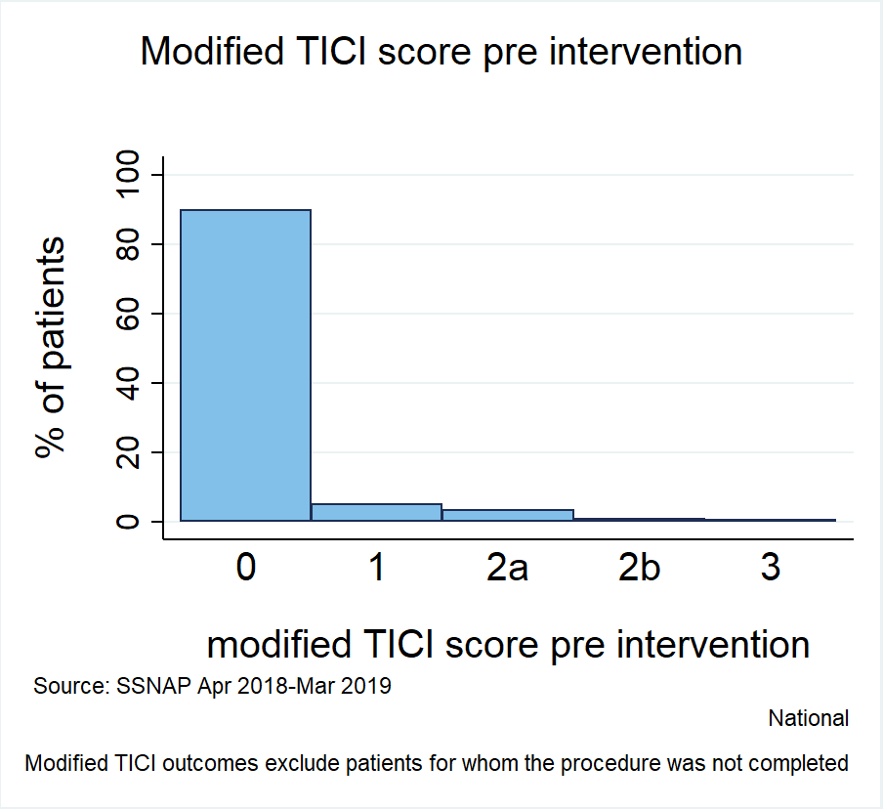
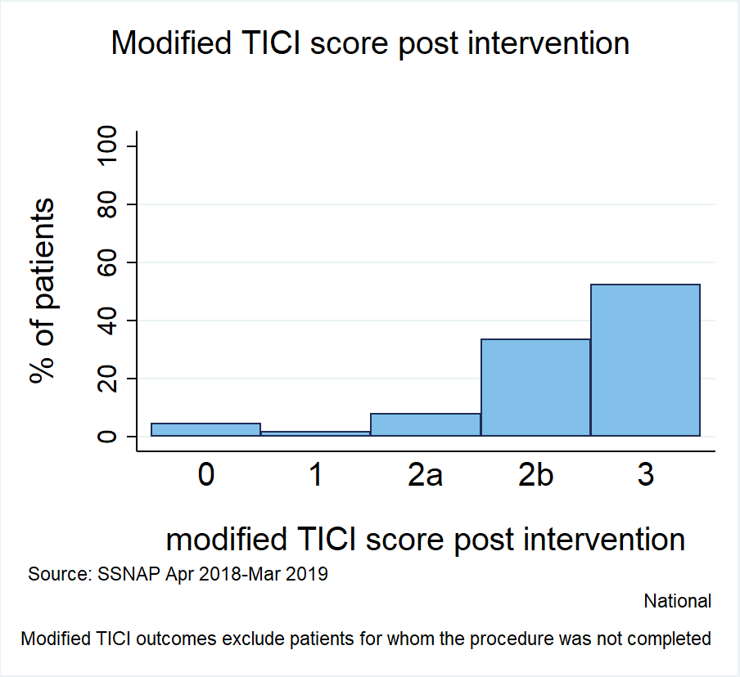

In depth results are given in the "Data" section of this report at both national and team level. A thrombectomy results portfolio will also be made publically available with team level data for all thrombectomy providers if the team treated at least 10 patients with thrombectomy.

