Foglio1
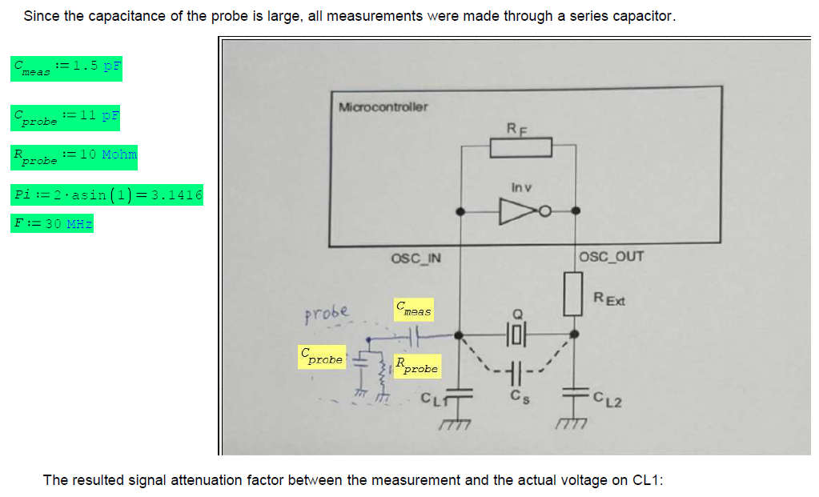
 | Current status, Rext = 0Ohm, CL1=CL2= 10pF
DESIGN TOOL | XTAL characteristics, taken from XTAL Data Sheet + Stray capacitance effects
 | C0 - Shunt Capacitance [F] | 0 | Resulting from the capacitor formed by the electrodes
 | Cs_PCB - Stray Capacitance (Cpcb) [F] | 1.50E-12 | Stray capacitance due to any PCB traces (1,5pF/inch typically)
 | Cs_PIN - Stray Capacitance (Cpin) [F] | 4.00E-12 | Parasitic capacitance on the MCU pin
 | CL - Load Capacitance [F] | 0 | External crystal total load capacitance
 | Max ESR [Ohm] | 40 | Equivalent series resistance of the external crystal
 | Frequency [Hz] | 25000000 | External crystal oscillation frequency
 | Max Drive Level [W] | 0.0001 | Max power dissipated in the crystal
 | Rm [Ohm] Xtal circuit losses | 25.22
 | Load Capacitor -> Calculation output External load capacitances on EXTAL and XTAL (OSC_IN/OUT)
 | Calculated CL1 = CL2 (F) | 0
 | CL1 = CL2 selected (F) | 0 | Chosen by design
 | Equivalent CL (F) | 0 | Load capacitance seen by XTAL according to selected CL1 & CL2 Check if less than the XTAL max load capacitance
VALIDATION TOOL | Drive level (Power dissipated in the XTAL) -> Result of design and measure taken
 | Vpp [V] Measured value | 1.132 | Voltage swing at the amplifier input (OSC_IN) Measure it across CL1
 | Probe used for the test: | Active (Lo-Cap) | Select which type of probe will be used for the measures A low-capacitance probe is preferable (If possible no more than 1pF)
 | Cprobe (Using a low-capacitance probe) If possible no more than 1pF | 0
 | Cprobe (Using a normal oscilloscope probe) | 0 | Fill with the input resistance and capacitance value of the probe Typically 10MOhm and 11pF | Oscillator Transconductance
 | Rprobe (Using a normal oscilloscope probe) | 10000000
 | Cmeas (Using a series capacitor to reduce the measure capacitance) | 0
 | Gmeas loss | 1.00 | Gain loss due to the hi-cap passive probe This value is sensitive to Cmeas, so the network should be calibrated with an external signal generator
 | True Vrms [V] | 0.400 | Vrms value calculated by measured Vpp across CL1 and considering actual Gmeas
 | Ctot [F] | 0 | Result of CL1 + Cprobe + Cs/2
 | Iqrms [A] (RMS AC current) | 0.0019268672 | Calculated by Vpp measure: Vrms*(2*pi*F)*Ctot | Drive level
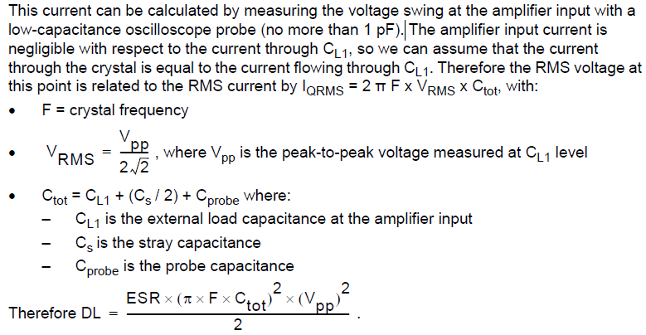
 | True ESR [Ohm] | 40.0 | If the load capacitance is larger than the required from XTAL, the ESR will change accordly
 | Drive Level [W] | 0.0001485127 | Power dissipated
 | Actual Drive Level/Max Drive Level | 1.485 | Should be less than Max Drive Level (<1, better <0.8) If DL > DL_max Rext becomes mandatory to avoid overdriving the crystal.
 | Rext (in case the drive level exceed the max drive level allowed) Series resistance connected between MCU XTAL pin (OSC_OUT) and external crystal for current limitation
 | Rext Estimation [Ohm] | 236 | equal to the reactance of CL2
 | Rext [Ohm] | 0 | Damping resistor* -> Chosen by design
 | Gain margin
 | Gm - Oscillator transconductance [mA/V] | 9.7 | Provided by DataSheet (nMOS amplifier transconductance @MCU)
 | Gm_crit [mA/V] | 2.1340552116 | Oscillation loop critical gain
 | Gain margin | 4.5 | Gain_margin = Gm/Gm_crit Should be >5

 | By Design/Data Sheet
 | Calculated
 | Measured
 | DSO probe characteristics

 | *Rd - Damping Resistor – A series resistor that is designed to prevent overdriving the oscillator. 1. It stabilises the phase of the feedback circuit, 2. it reduces the loop gain at higher frequencies Rd also works with CL2 to form a low pass filter which can greatly reduce unwanted oscillation modes. Typical values for Rd are in the range of 250 - 500 ohms

