Data
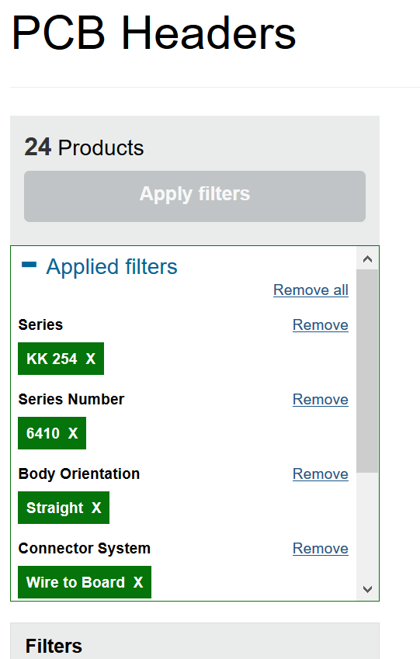
Parts | Cost | Part Number | Note | RS Stock No. | Inventory
Blue Led | $0.404 | Osram Opto CHIPLED 0603 470 nm Blue LED, 1608 (0603) SMD package | 10 Pack | 697-3617 | 3
Res 10k | $0.036 | Vishay CRCW Series Thick Film Surface Mount Fixed Resistor 0805 Case 10kΩ ±1% 0.125W ±100ppm/°C | 50 Pack | 679-0816 | 24
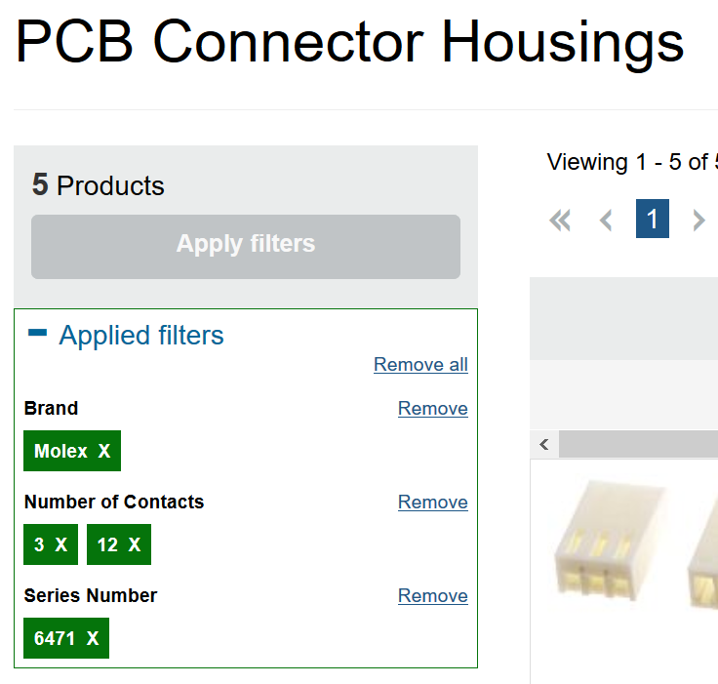
Res 220 | $0.036 | Vishay CRCW Series Thick Film Surface Mount Fixed Resistor 0805 Case 220Ω ±1% 0.125W ±100ppm/°C | 50 Pack | 679-1096 | 24
Res 1k | $0.036 | Vishay CRCW Series Thick Film Surface Mount Fixed Resistor 0805 Case 1kΩ ±1% 0.125W ±100ppm/°C | 50 Pack | 679-0982 | 43
Nucleo | $16.730 | STM32 Nucleo-32 development board |  |  | 1
Reflective IR Sensor | $1.317 | Vishay TCRT5000L, Through Hole Reflective Sensor, Transistor Output 2, Leaded package |  |  | 3
USB to Micro USB Cable (1.8m) | $2.510 | RS USB2.0 Cable, A-MicroB, M/M, 1.8m |  |  | 1
Ethernet Cable 1.5m | $2.830 | RJ45 YELLOW PATCH LEADS UTP |  |  | 1
PCB Header 36 Pin M | $1.320 | HARWIN M20, 2.54mm Pitch, 36 Way, 1 Row, Straight Pin Header, Through Hole |  | 547-3166
PCB Header 36 Pin M, Right Angle | $1.780 | HARWIN M20, 2.54mm Pitch, 36 Way, 1 Row, Right Angle Pin Header, Through Hole |  | 547-3217
PCB Header 45 Pin, Socket | $3.020 | Stelvio Kontek MODUCOM Series 2.54mm Pitch 45 Way 1 Row Straight PCB Socket, Through Hole, Solder Termination |  | 230-4893
Ethernet Header | $1.800 | RS Pro Cat5 8 Way Right Angle PCB Mount Unshielded RJ45 Connector Female |  | 331-6437 | 2
Hose Clamp (16mm) | $0.541 | JCS Hi-Torque Steel Slotted Hex Hose Clip Bolt Drive, 9mm Band Width, 14mm - 16mm Inside Diameter | 10 Pack | 727-5936
Nylon Snap Grip | $0.562 | RS Pro Nylon Snap Grip, 4.2mm Band Width, 5.6mm - 6.5mm Inside Diameter | 10 Pack | 475-1415
KK 2 Way | $0.221 | Molex KK 254 6410, 2.54mm Pitch, 2 Way, 1 Row, Straight PCB Header, Through Hole | 10 Pack | 483-8461
KK 3 Way | $0.432 | Molex KK 254 6410, 2.54mm Pitch, 3 Way, 1 Row, Straight PCB Header, Through Hole | 10 Pack | 483-8477 |  | 5
KK 3 Way [Right] | $1.438 | Molex KK 254 7478, 2.54mm Pitch, 2 Way, 1 Row, Right Angle PCB Header, Through Hole | 5 Pack | 173-2922 |  | 4
KK 6 way | $0.566 | Molex KK 254 6410, 2.54mm Pitch, 6 Way, 1 Row, Straight PCB Header, Through Hole | 10 Pack | 483-8506
KK 8 way | $0.896 | Molex KK 254 6410, 2.54mm Pitch, 8 Way, 1 Row, Straight PCB Header, Through Hole | 10 Pack | 483-8528
KK 12 way | $1.137 | Molex KK 254 6410, 2.54mm Pitch, 12 Way, 1 Row, Straight PCB Header, Through Hole | 10 Pack | 483-8540 |  | 2
KK 3 Way [Con] | $0.147 | Molex KK 254 2695, 2.54mm Pitch, 3 Way, 1 Row Female Connector Housing | 10 Pack | 679-5375
KK 12 Way [Con] | $0.754 | Molex KK 254 2695, 2.54mm Pitch, 12 Way, 1 Row Female Connector Housing | 10 Pack | 679-5439
Crimp Terminal | 0.117 | Molex KK 4809 Crimp Terminal Contact, Female, 0.05mm² to 0.35mm², 30AWG to 22AWG, Tin Plating | 100 Pck | 467-598

