Hoja1
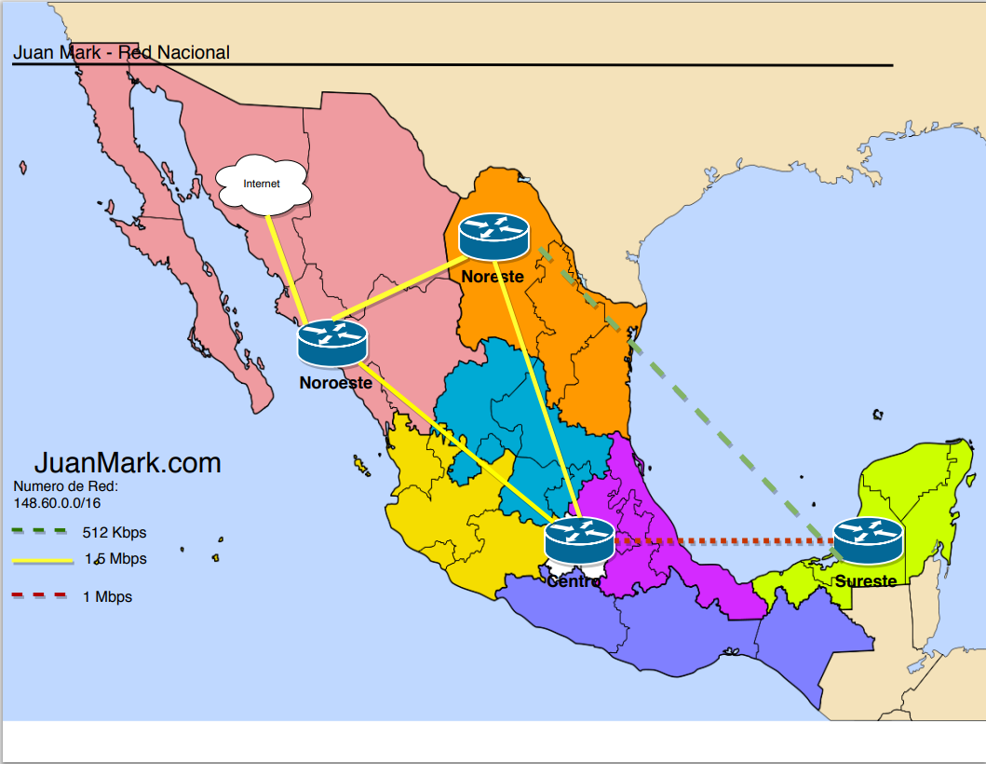
Vlan | Rango | Topologia
5 | 148.60.0.0 - 148.60.29.254 | 1
6
7
9

101.2
33 | 148.60.30.0 - 148.60.59.254 | 3
34
35
36
101.1
103.1
105.2
37

65 | 148.60.60.0 - 148.60.79.254 | 4
66
67
102.1
68

103.2
102.2
105.1
97 | 148.60.80.0 - 148.60.100.254 | 2
98
99
100
104.2
104.1

