Sheet2
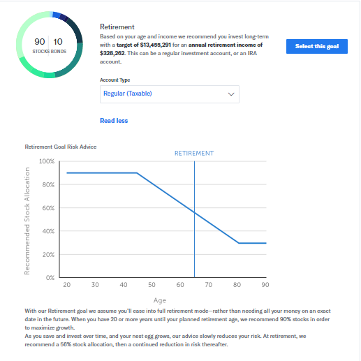
From OIPA |  |  |  |  |  |  |  | Need a table to store possible values
Client First Name | Client Last Name | Attained age at Issue | Gender | Marital Status | Income | Employment Status | State / Geo | Credit Score | Risk Appetite Score (1/10) | S&P 500 Index Score (1/10) | Social Media Score(1/10) | Financial Guidance Strategy
Fredrick | Gonsalves | 50 | Male | Married | 250000/Annum | Working | Alabama | 500 | 5 | 5 | 6 | Safetynet
Valarie | Jones | 32 | Female | Single | 75000/Annum | Working | New York | 400 | 7 | 7 | 7 | Aggressive

Safetynet
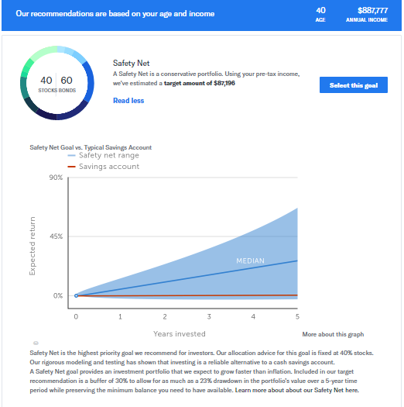

Aggressive

