p117
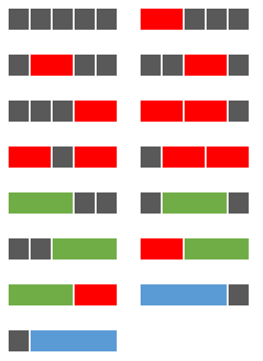
Red, green, and blue tiles
Problem 117
Using a combination of grey square tiles and oblong tiles chosen from: red tiles (measuring two units), green tiles (measuring three units), and blue tiles (measuring four units), it is possible to tile a row measuring five units in length in exactly fifteen different ways.
How many ways can a row measuring fifty units in length be tiled?
NOTE: This is related to Problem 116.
length | combinations | blocks |  | 1
0 | 1 |  |  | 2
1 | 1 |  |  | 3
2 | 2 |  |  | 4
3 | 4
4 | 8
5 | 15 | length | combinations
6 | 29
7 | 56 | 0 |  | 1
8 | 108
9 | 208 | 1 |  | 1
10 | 401
11 | 773 | 2 |  | 2
12 | 1,490
13 | 2,872
14 | 5,536 | 3 |  | 4
15 | 10,671
16 | 20,569
17 | 39,648
18 | 76,424
19 | 147,312 | 4 |  | 8
20 | 283,953
21 | 547,337
22 | 1,055,026
23 | 2,033,628
24 | 3,919,944
25 | 7,555,935
26 | 14,564,533
27 | 28,074,040
28 | 54,114,452 | 5 |  | 15
29 | 104,308,960
30 | 201,061,985
31 | 387,559,437
32 | 747,044,834
33 | 1,439,975,216
34 | 2,775,641,472
35 | 5,350,220,959
36 | 10,312,882,481
37 | 19,878,720,128
38 | 38,317,465,040
39 | 73,859,288,608
40 | 142,368,356,257
41 | 274,423,830,033
42 | 528,968,939,938
43 | 1,019,620,414,836
44 | 1,965,381,541,064 | 6 |  | 29
45 | 3,788,394,725,871
46 | 7,302,365,621,709
47 | 14,075,762,303,480
48 | 27,131,904,192,124
49 | 52,298,426,843,184
50 | 100,808,458,960,497

