LP
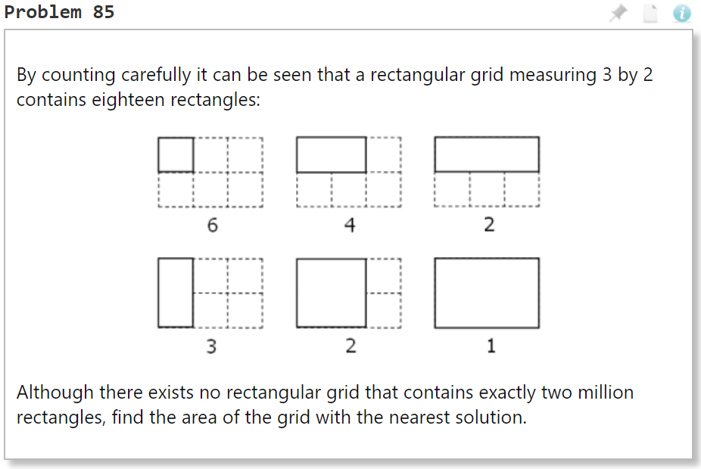

Decision Variables
x | 36 | <= | 1999 | int
y | 77 | <= | 1999 | int

Target Rectangles | 2,000,000

Objective Function | 2

Area | 2772

the number of rectangles for an x by y grid is given by the formula
$$\frac{\left(x^{2}+x\right)\left(y^{2}+y\right)}{4}$$

