Designation
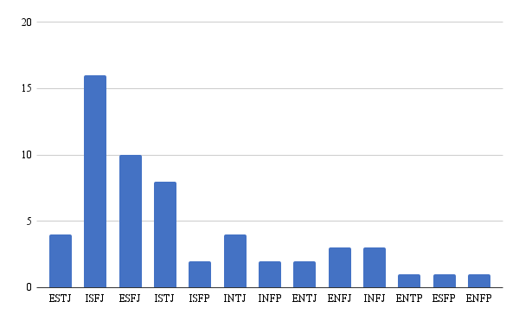
Personality Type | Designation
ESTJ | Technical Lead
ESTJ | Associate Quality Engineering Lead
ISFJ | Associate Product Manager
ESFJ | Project Manager
ESFJ | Senior Lead - Quality Engineering
ISFJ | Associate Technical Lead
ISFJ | Senior Software Engineer
ISTJ | Quality Engineering Lead
ISTJ | Associate Technical Lead
ESFJ | Associate Technical Lead
ISFP | Associate Technical Lead
INTJ | Associate Technical Lead
ISFJ | Associate Quality Engineering Lead
ESFJ | Project Manager
ISFJ | Senior Technical Lead
ISTJ | Senior Project Manager
INFP | Product Manager

ENTJ | Associate Project Manager
ESFJ | Team Lead
ENFJ | Senior Software Engineer
ESFJ | Associate Manager
ISFJ | Senior Team Lead
ENFJ | Associate Team Lead
ISTJ | Team Lead
ESTJ | Senior Associate
ISFJ | Associate Manager
INFJ | Senior Operations Enginner
ESFJ | Quality Engineer
ISFP | Associate Architect - Quality Engineering
ISTJ | Senior Data Engineer
ISFJ | Senior Data Engineer
ENFJ | Operations Engineer
ESFJ | Software Engineer
ISFJ | Senior Business Consultant
ENTP | Senior Technical Lead - Application Technology
INTJ | Senior Software Engineer
ISFJ | Software Engineer
ESFP | Senior Cloud Engineer
ISFJ | Senior Lead - Quality Assurance
INFP | Senior Quality Engineering Lead
ISTJ | Associate Quality Engineering Lead
ENTJ | Team Lead
ENFP | Team Lead
ISFJ | Senior Project Lead
INFJ | Associate Technical Lead
INTJ | Senior Operations Engineer
ISTJ | Senior Lead - Software Quality Engineering
INFJ | Associate Software Quality Engineering Lead
ISFJ | Senior Operations Engi​neer
ESTJ | Software Engineer
ISFJ | Associate Quality Engineering Lead
ISFJ | Associate Quality Engineering Lead
ESFJ | Quality Engineering Lead
ISTJ | Associate Quality Engineering Lead
ISFJ | Associate Quality Engineering Lead
ESFJ | Associate Quality Engineering Lead
INTJ | Associate Quality Engineering Lead

