linux
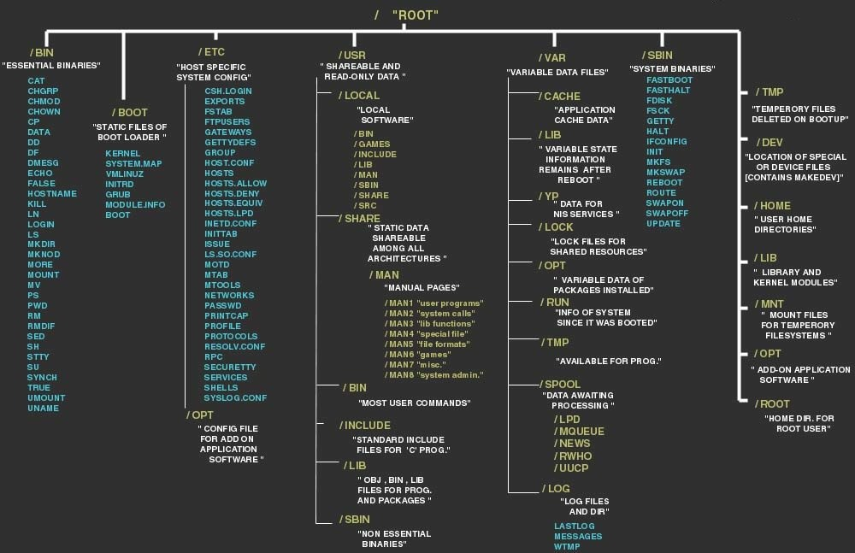
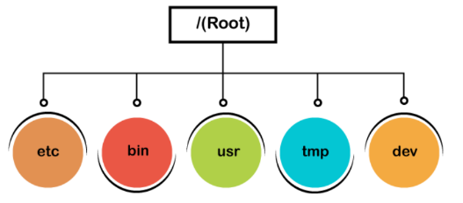 | export -f function_name We are exporting a function 'name' as follows: name() { echo "Javatpoint";} To export the above function, execute the command as follows: export -f name Now, invoke the bash shell to execute the function: bash To call the function, enter the function name: name | shell tracing in linux
linux has root ,normal user,service user
software files are stored in /bin, programs and device files are in /dev, and boot files are stored in /boot directory. | head--Displays the first ten lines of a file.
The env command is used to display all the available variables in the system. | passwd ---Set a password for a user group.
To remove an environment variable, execute the unset command followed by variable name: | sleep---Waits for the specified number of seconds.
set command in linux will show the commands in comandprompt which are currently executing it is like debug | sort sorts the content in alphabetical order
export -p environmental variables in current shell | tac Displays file content in the opposite order.
printenv envname (prints the env variable name) | tar Compresses a directory.
cd ~ (home directory) | time Displays time taken to execute a command.
cd -(previous directory) | wDisplays who is logged on and what are they doing.
export functions in linux | The local user database in Linux is /etc/passwd directory.
ls -l --block-size=M K = Kilobyte M = Megabyte G = Gigabyte T = Terabyte P = Petabyte E = Exabyte Z = Zettabyte Y = Yottabyte | man -f chmod (shortcut about what it does)
ls --color=auto or ls --color=never | LILO is a boot loader for Linux. It is used to load the Linux operating system into the main memory to begin its operations
mv Old_folder New_folder (will rename) | Samba service is used to connect Linux machines to Microsoft network resources by providing Microsoft SMB support.
man command in linux ,ls -help | ip
alias Converts complex commands into simpler ones. bzip2 / bunzip2 Compresses a file / Decompress a bzip2 file. bzcat / bzmore Displays files compressed with bzip2. file Displays the type of file. | ifplugstatus Tells whether a cable is plugged in or not.
comm Compares two streams or files.

