linux
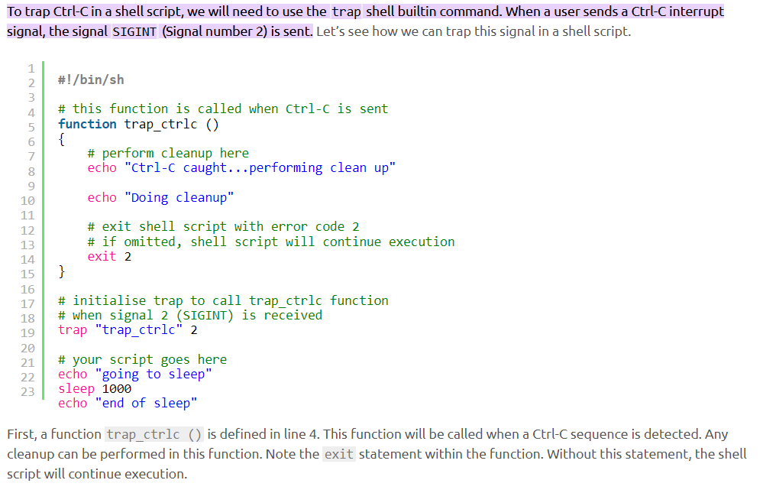
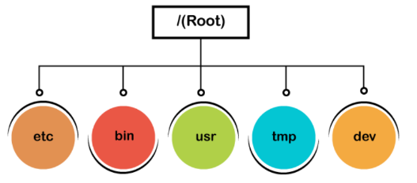 | export -f function_name We are exporting a function 'name' as follows: name() { echo "Javatpoint";} To export the above function, execute the command as follows: export -f name Now, invoke the bash shell to execute the function: bash To call the function, enter the function name: name |  | 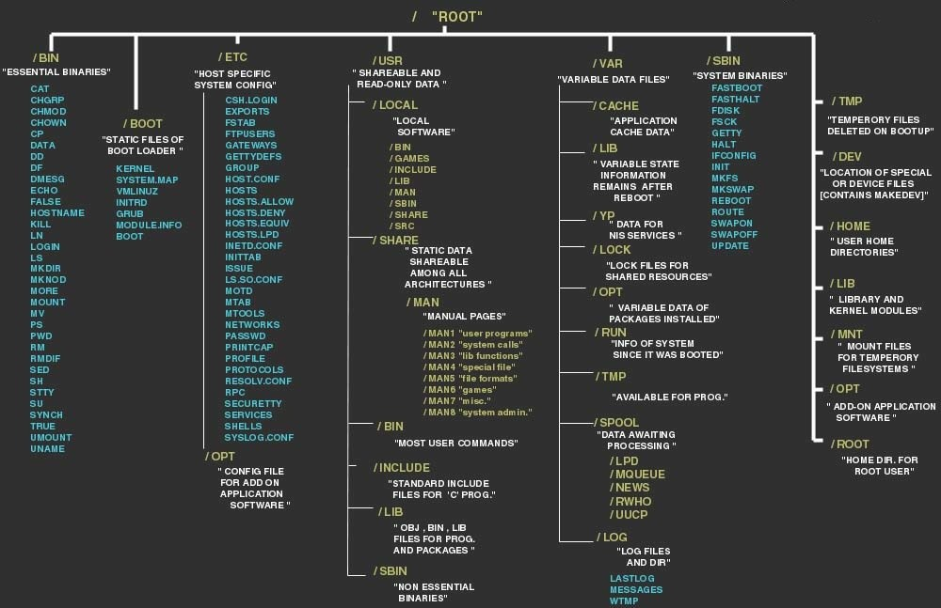
linux has root ,normal user,service user | shell tracing in linux
software files are stored in /bin, programs and device files are in /dev, and boot files are stored in /boot directory. | head--Displays the first ten lines of a file.
The env command is used to display all the available variables in the system. | passwd ---Set a password for a user group.
To remove an environment variable, execute the unset command followed by variable name: | sleep---Waits for the specified number of seconds.
set command in linux will show the commands in comandprompt which are currently executing it is like debug | sort sorts the content in alphabetical order
export -p environmental variables in current shell | tac Displays file content in the opposite order.
printenv envname (prints the env variable name) | tar Compresses a directory.
cd ~ (home directory) | time Displays time taken to execute a command.
cd -(previous directory) | wDisplays who is logged on and what are they doing.
export functions in linux | The local user database in Linux is /etc/passwd directory.
ls -l --block-size=M K = Kilobyte M = Megabyte G = Gigabyte T = Terabyte P = Petabyte E = Exabyte Z = Zettabyte Y = Yottabyte | man -f chmod (shortcut about what it does) | hostname -I (gives ip adress)
ls --color=auto or ls --color=never | LILO is a boot loader for Linux. It is used to load the Linux operating system into the main memory to begin its operations
mv Old_folder New_folder (will rename) | Samba service is used to connect Linux machines to Microsoft network resources by providing Microsoft SMB support. | ifconfig 2>&1 | tee log.txt (command to appear on screen and in log)
man command in linux ,ls -help | ip
alias Converts complex commands into simpler ones. bzip2 / bunzip2 Compresses a file / Decompress a bzip2 file. bzcat / bzmore Displays files compressed with bzip2. file Displays the type of file. | ifplugstatus Tells whether a cable is plugged in or not. | du -sh filename (to get exact file size)
comm Compares two streams or files.
while loop in linux while : do bash l_AIKit_p_2021.2.0.1101_offline.sh sleep 1 done bash l_AIKit_p_2021.2.0.1101_offline.sh | Killing sshd would shut down the daemon, if you only want to kill the ssh connections, do ps -aux | grep ssh to see the pid listings and use kill -9 <pid> to kill the process | in /etc/default/grub if grub_default parameter=saved it will boot with the previous loaded kernel
By default, on Linux, Pip installs packages to /usr/local/lib/python2. 7/dist-packages. Using virtualenv or --user during install will change this default location. If you use pip show make sure you are using the right user or else pip may not see the packages you are referencing | ln command in linux(link comand) (how to create a soft link in linux)
 | Set WshShell = CreateObject("WScript.Shell") WshShell.Run chr(34) & "C:\my_files\do.bat(filepath for bat file" & Chr(34), 0 Set WshShell = Nothing above script runs invisibly when savedd with .vbs extension | echo $(logname)
 | ls -lh command to check the file sizes
windows batch scripting
%time:~0,2% (gives time from windowx command prompt ,2 digits starting from zero)
echo %time:~0,2% | set wsc = CreateObject("WScript.Shell") Do 'Five minutes WScript.Sleep(5*60*1000) wsc.SendKeys("{F13}") Loop ///above one make teams online save as .vbs | compgen -u //it will print users compgen -u | grep -c gfxsv
 | taskkill /F /IM wscript.exe /T (kills the vbs script)
If %time%==23:30:00.00 shutdown.exe /s /f/ t/ 120 /c "GO TO BED RIGHT NOW!!!"
above save as shut down.bat and specify time | chdir to google.exe start chrom.exe youtube.com
echo $? Command return 0 if previous command executed succesfully
SECONDS command in linux will print the seconds after terminal starts #!/usr/bin/env bash SECONDS=0 # do some work duration=$SECONDS echo "$(($duration / 60)) minutes and $(($duration % 60)) seconds elapsed." | pkill -u username ( to kill all process run

tmouse.exe to copy without ctrl-c app available in google
dpkg --list | grep linux-image (this will show all the kernels installed) sudo dpkg --purge [kernel_version] (this will remove the kernel version from the above command) apt remove kenrel-name | startup in linux
grub-mkconfig -o /boot/efi/EFI/ubuntu/grub.cfg update-grub update-grub2 sync | step1 : vi /etc/rc.local { #!/bin/bash write your script here } ----------------------------------------------------------------------------- step2 : chmo +x /etc/rc.local (give permission for this one) ------------------------------------------------------------------------ step 3 : sudo vi /etc/systemd/system/rc-local.service edit the above file copy the below contents to the above file [Unit] Description=/etc/rc.local Compatibility ConditionPathExists=/etc/rc.local [Service] Type=forking ExecStart=/etc/rc.local start TimeoutSec=0 StandardOutput=tty RemainAfterExit=yes SysVStartPriority=99 [Install] WantedBy=multi-user.target ------------------------------------------------------------ step 4: systemctl daemon-reload systemctl enable rc-local systemctl status rc-local systemctl restart rc-local 67 line contents ---------------------------------------------------------------------------------- -------------------------------------------------------------------------- | cat > /etc/rc.local << EOF #!/bin/bash sudo dhclient -r -v sudo dhclient -v EOF

wget --user=autoclient --ask -password -r https://gfx-assets-build.intel.com/artifactory/api/archive/download/agama-builds/ci/embargo-ats/agama-ci-embargo-ats-193/artifacts/linux/ubuntu/20.04?archiveType=zip $unzip 20.04 $ sudo dpkg -i *.deb grub-mkconfig -o /boot/efi/EFI/ubuntu/grub.cfg update-grub update-grub2 sync sudo reboot now Copy in xe-config_$DATE.sh script sudo apt update sudo apt -y install dpkg-dev curl (if they forget the script will remind them with the commands to run) sudo ./xe-config_$DATE.sh reboot/verify installation grub-mkconfig -o /boot/efi/EFI/ubuntu/grub.cfg update-grub update-grub2 sync -ats_2020.46+1.0.44 · https://gitlab.devtools.intel.com/cardbkc/ats/-/blob/master/WorkAround.md abhinav.tomar@intel.com uname :autoclient password: gr@ph1c$ sudo modprobe i915 enable_rc6=1

# If you change this file, run 'update-grub' afterwards to update # /boot/grub/grub.cfg. # For full documentation of the options in this file, see: # info -f grub -n 'Simple configuration' GRUB_DEFAULT=0 GRUB_TIMEOUT_STYLE=hidden GRUB_TIMEOUT=-1 GRUB_DISTRIBUTOR=`lsb_release -i -s 2> /dev/null || echo Debian` GRUB_CMDLINE_LINUX_DEFAULT="console=ttyS0,115200n8 console=tty1 systemd.unit=multi-user.target modprobe.blacklist=i915" GRUB_CMDLINE_LINUX="" GRUB_TERMINAL="console serial" GRUB_SERIAL_COMMAND="serial --unit=0 --speed=115200 --word=8 --parity=no --stop=1" # Uncomment to enable BadRAM filtering, modify to suit your needs # This works with Linux (no patch required) and with any kernel that obtains # the memory map information from GRUB (GNU Mach, kernel of FreeBSD ...) #GRUB_BADRAM="0x01234567,0xfefefefe,0x89abcdef,0xefefefef" # Uncomment to disable graphical terminal (grub-pc only) #GRUB_TERMINAL=console # The resolution used on graphical terminal # note that you can use only modes which your graphic card supports via VBE # you can see them in real GRUB with the command `vbeinfo' #GRUB_GFXMODE=640x480 # Uncomment if you don't want GRUB to pass "root=UUID=xxx" parameter to Linux #GRUB_DISABLE_LINUX_UUID=true # Uncomment to disable generation of recovery mode menu entries #GRUB_DISABLE_RECOVERY="true" # Uncomment to get a beep at grub start #GRUB_INIT_TUNE="480 440 1

grub-mkconfig -o /boot/efi/EFI/ubuntu/grub.cfg update-grub update-grub2 sync

gfxsv ALL=(ALL) NOPASSWD:ALL

No, we should not be doing dhclient all the time. This issue comes up since we clone disks and all HDDs end up having same machine-id and we confuse the DHCP server . To fix - sudo rm /etc/machine-id sudo systemd-machine-id-setup Reboot after generating new machine-id.

echo "gfxsv ALL=(ALL:ALL) NOPASSWD: ALL" | sudo tee /etc/sudoers.d/gfxsv

find / -name "mpiifort" (to find keywords)

ln is comand to link files ,if there is a file in your direct that is used to make file ,create a link and move that file to another path ,if original file changes link file also changes ,as it has same inode values

